Design Plan
Properties :
 | Input Specification
 | CLK
 | RST
 | INP_VALID | 2 bits
 | MODE
 | CMD | parameterized (default 4 bits )
 | CE
 | OPA | parameterized (default 8 bits )
 | OPB | parameterized (default 8 bits )
 | CIN |  | Active high Carry

 | Output Specification
 | ERR
 | RES | parameterized ( input size + 1 )
 | OFLOW
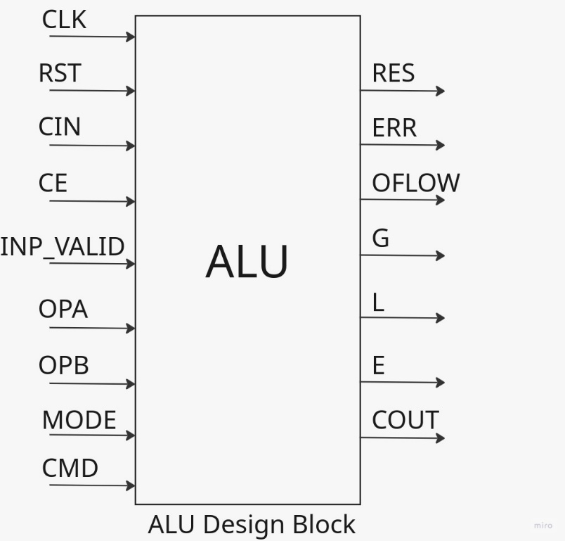
 | COUT
 | GLE | concatenated values G,L,E

Feature:
 | 1. Active high Asynchronous RESET
 | 2. Design is Edge sensitive
 | 3. Active high clock enable
 | 4. MODE : | - If 1 perform Arithmetic Operation
 |  | - If 0 perform Logical Operation
 | 5. INP_VALID: | - 00 no valid operand
 |  | - 01 valid operand A
 |  | - 10 valid operand B
 |  | - 11 both A and B operands are valid
Operations:
MODE | CMD | Operation Type | Description
1 | 0 | ADD | Adds opa and opb
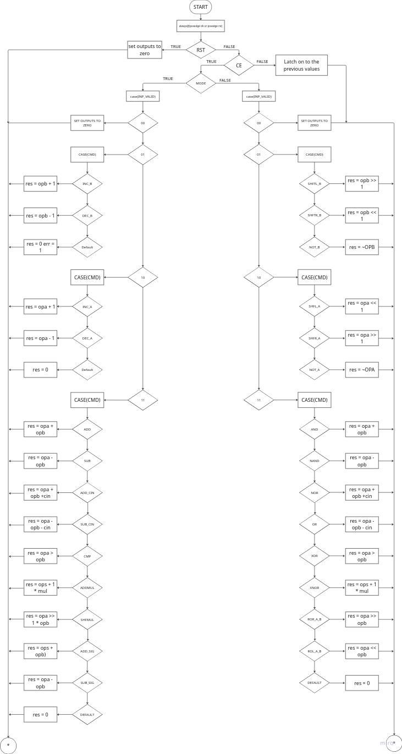
1 | 1 | SUB | Subtracts opa and opb
1 | 2 | ADD_CIN | Adds opa and opb and cin
1 | 3 | SUB_CIN | Subtracts opa and opb alon with cin
1 | 4 | INC_A | Increments opa with 1 | Flow diagram for the design :
1 | 5 | DEC_A | Decrements opa by 1
1 | 6 | INC_B | Increments opb with 1
1 | 7 | DEC_B | Decrements opb by 1
1 | 8 | CMP | Three types: G , E , L
1 | 9 | ADD_and_MUL | Operand A and B both increased by 1 and multiplication performed
1 | 10 | SHIFTL_MUL | Left Shift operand A by 1 and multiply with operand B
1 | 11 | ADD_SIG_UNSIG | Performs signed or unsigned addition raise cout and GLE flags depending on the MSB bit
1 | 12 | SUB_SIG_UNSIG | Performs signed or unsigned subtraction raise cout, oflow and GLE flags depending on the MSB bit
0 | 0 | AND | Does the logical AND of opa and opb
0 | 1 | NAND | Does the logical NAND of opa and opb
0 | 2 | OR | Does the logical OR of opa and opb
0 | 3 | NOR | Does the logical NOR of opa and opb
0 | 4 | XOR | Does the logical XOR of opa and opb
0 | 5 | XNOR | Does the logical XNOR of opa and opb
0 | 6 | NOT_A | Does the logical NOT of opa
0 | 7 | NOT_B | Does the logical NOT of opB
0 | 8 | SHR1_A | Does the logical left shift of opa with 1
0 | 9 | SHL1_A | Does the logical right shift of opa with 1
0 | 10 | SHR1_B | Does the logical left shift of opb with 1
0 | 11 | SHL1_B | Does the logical right shift of opb with 1
0 | 12 | ROL_A_B | Rotates opa left by the value in the bit representation of opb in opb
0 | 13 | ROR_A_B | Rotates opa right by the value in the bit representation of opb in opb

ALU test plan
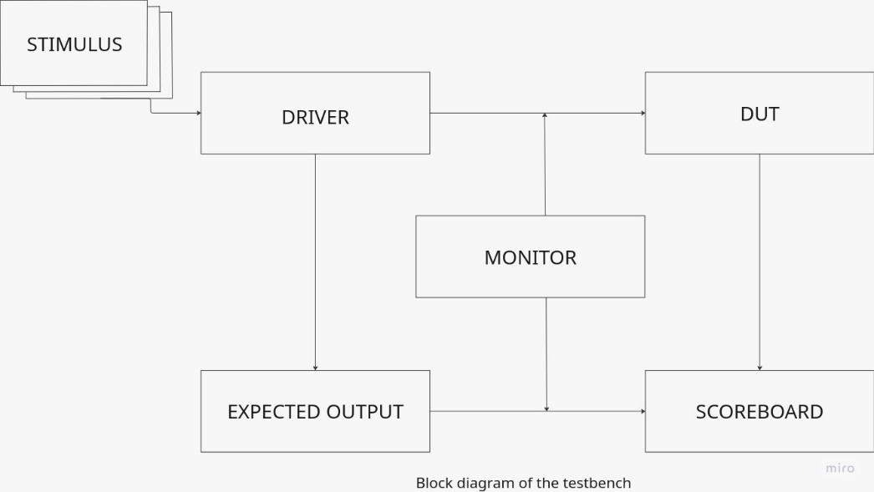
TEST_CASE_TYPE | SL NO | Test Name | Test Description | ID | RST | INPUT_VALID | OPA | OPB | CMD | CIN | CE | mode | Result_expected | COUT | GLE | OFLW | ERR | Reserved | PACKET | PASS/FAIL
Initial test cases : | 1 | CLK_TOGGLE | checking if the clock toggles properly at equal interveals of time | 00000000 | 0 | 00 | 00000000 | 00000000 | 0000 | 0 | 0 | 0 | 0000000000000000 | 0 | 000 | 0 | 0 | 0 | 00000000_0_00_00000000_00000000_0000_0_0_0_0000000000000000_0_000_0_0_0 | PASS
 | 2 | RESET | Reset the design and check if it is restting while the design is running | 00000001 | 1 | 00 | 01001000 | 00000000 | 0000 | 0 | 1 | 0 | 0000000000000000 | 0 | 000 | 0 | 0 | 0 | 00000001_1_00_01001000_00000000_0000_0_1_0_0000000000000000_0_000_0_0_0 | PASS
 | 3 | CLOCK_ENABLE | Check if there is output when the clock_enable is off | 00000010 | 0 | 11 | 01010101 | 10101010 | 0000 | 0 | 1 | 0 | 0000000011111111 | 0 | 000 | 0 | 0 | 0 | 00000010_0_11_01010101_10101010_0000_0_1_0_0000000011111111_0_000_0_0_0 | PASS
 |  |  | Check if there is output when the clock_enable is on | 00000011 | 0 | 11 | 10101010 | 01010101 | 0000 | 0 | 0 | 0 | 0000000000001000 | 0 | 000 | 0 | 0 | 0 | 00000011_0_11_10101010_01010101_0000_0_0_0_0000000000001000_0_000_0_0_0 | PASS
 | 4 | MODE | Check if the arithmetic opoerations are running when giving mode = 1 | 00000100 | 0 | 11 | 10101010 | 01010101 | 0000 | 0 | 1 | 1 | 0000000011111111 | 0 | 000 | 0 | 0 | 0 | 00000100_0_11_10101010_01010101_0000_0_1_1_0000000011111111_0_000_0_0_0 | PASS
 |  |  | Check if the logical operations are running when giving mode = 0 | 00000101 | 0 | 11 | 11111111 | 00000000 | 0000 | 0 | 1 | 0 | 0000000000000000 | 0 | 000 | 0 | 0 | 0 | 00000101_0_11_11111111_00000000_0000_0_1_0_0000000000000000_0_000_0_0_0 | PASS
Direct Test Cases : | 1 | INP_CHECK | check what is the result when inpvalid is 0 for any mode and cmd | 00000110 | 0 | 00 | 00000101 | 00000101 | 0000 | 0 | 1 | 0 | 0000000000000000 | 0 | 000 | 0 | 0 | 0 | 00000110_0_00_00000101_00000101_0000_0_1_0_0000000000000000_0_000_0_0_0 | PASS
Arithmetic | 2 | ADD | add two random numbers when inp_valid is 11 | 00000111 | 0 | 11 | 10101010 | 01010101 | 0000 | 0 | 1 | 1 | 0000000011111111 | 0 | 000 | 0 | 0 | 0 | 00000111_0_11_10101010_01010101_0000_0_1_1_0000000011111111_0_000_0_0_0 | PASS
 |  |  | add two random numbers when inp_valid is 10 | 00001000 | 0 | 10 | 01111001 | 01111001 | 0000 | 0 | 1 | 1 | 0000000000000000 | 0 | 000 | 0 | 1 | 0 | 00001000_0_10_01111001_01111001_0000_0_1_1_0000000000000000_0_000_0_1_0 | PASS
 |  |  | add two random numbers when inp_valid is 01 | 00001001 | 0 | 01 | 11111111 | 11111111 | 0000 | 0 | 1 | 1 | 0000000000000000 | 0 | 000 | 0 | 1 | 0 | 00001001_0_01_11111111_11111111_0000_0_1_1_0000000000000000_0_000_0_1_0 | PASS
 |  |  | add max and min values | 00001010 | 0 | 11 | 11111111 | 00000001 | 0000 | 0 | 1 | 1 | 0000000100000000 | 1 | 000 | 0 | 0 | 0 | 00001010_0_11_11111111_00000001_0000_0_1_1_0000000100000000_1_000_0_0_0 | PASS
 | 3 | SUB | sub two random numbers when inp_valid is 11 | 00001011 | 0 | 11 | 11111111 | 11111111 | 0001 | 0 | 1 | 1 | 0000000100000000 | 1 | 000 | 0 | 0 | 0 | 00001011_0_11_11111111_11111111_0001_0_1_1_0000000100000000_1_000_0_0_0 | PASS
 |  |  | sub two random numbers when inp_valid is 10 | 00001100 | 0 | 10 | 01111001 | 01111000 | 0001 | 0 | 1 | 1 | 0000000000000000 | 0 | 000 | 0 | 1 | 0 | 00001100_0_10_01111001_01111000_0001_0_1_1_0000000000000000_0_000_0_1_0 | PASS
 |  |  | sub two random numbers when inp_valid is 01 | 00001101 | 0 | 01 | 01111001 | 01111000 | 0001 | 0 | 1 | 1 | 0000000000000000 | 0 | 000 | 0 | 1 | 0 | 00001101_0_01_01111001_01111000_0001_0_1_1_0000000000000000_0_000_0_1_0 | PASS
 |  |  | sub max and min values | 00001110 | 0 | 11 | 11111111 | 00000001 | 0001 | 0 | 1 | 1 | 0000000011111110 | 0 | 000 | 0 | 0 | 0 | 00001110_0_11_11111111_00000001_0001_0_1_1_0000000011111110_0_000_0_0_0 | PASS
 | 4 | ADD_CIN | add two random numbers when inp_valid is 11 and cin is given | 00001111 | 0 | 11 | 01111001 | 01111001 | 0010 | 1 | 1 | 1 | 0000000011110101 | 0 | 000 | 0 | 0 | 0 | 00001111_0_11_01111001_01111001_0010_1_1_1_0000000011110101_0_000_0_0_0 | PASS
 |  |  | add two random numbers when inp_valid is 11 and cin is not given | 00010000 | 0 | 11 | 11111110 | 00000001 | 0010 | 0 | 1 | 1 | 0000000011111111 | 0 | 000 | 0 | 0 | 0 | 00010000_0_11_11111110_00000001_0010_0_1_1_0000000011111111_0_000_0_0_0 | PASS
 |  |  | add two random numbers when inp_valid is 10 and cin is given | 00000000 | 0 | 10 | 01111001 | 01111001 | 0010 | 1 | 1 | 1 | 0000000000000000 | 0 | 000 | 0 | 1 | 0 | 00000000_0_10_01111001_01111001_0010_1_1_1_0000000000000000_0_000_0_1_0 | PASS
 |  |  | add two random numbers when inp_valid is 01 and cin is given | 00010001 | 0 | 01 | 01111001 | 01111001 | 0010 | 1 | 1 | 1 | 0000000000000000 | 0 | 000 | 0 | 1 | 0 | 00010001_0_01_01111001_01111001_0010_1_1_1_0000000000000000_0_000_0_1_0 | PASS
 |  |  | add max and min values | 00010010 | 0 | 11 | 11111111 | 00000001 | 0010 | 1 | 1 | 1 | 0000000011111111 | 0 | 000 | 0 | 0 | 0 | 00010010_0_11_11111111_00000001_0010_1_1_1_0000000011111111_0_000_0_0_0 | PASS
 | 5 | SUB_IN | sub two random numbers when inp_valid is 11 when cin is given | 00010011 | 0 | 11 | 01111001 | 01111000 | 0011 | 1 | 1 | 1 | 0000000000000000 | 0 | 000 | 0 | 0 | 0 | 00010011_0_11_01111001_01111000_0011_1_1_1_0000000000000000_0_000_0_0_0 | PASS
 |  |  | sub two random numbers when inp_valid is 11 when cin is not given | 00010100 | 0 | 10 | 01111001 | 01111000 | 0011 | 0 | 1 | 1 | 0000000000000000 | 0 | 000 | 0 | 1 | 0 | 00010100_0_10_01111001_01111000_0011_0_1_1_0000000000000000_0_000_0_1_0 | PASS
 |  |  | sub two random numbers when inp_valid is 01 | 00010101 | 0 | 01 | 01111001 | 01111000 | 0011 | 1 | 1 | 1 | 0000000000000000 | 0 | 000 | 0 | 1 | 0 | 00010101_0_01_01111001_01111000_0011_1_1_1_0000000000000000_0_000_0_1_0 | PASS
 |  |  | sub two random numbers when inp_valid is 10 | 00010110 | 0 | 11 | 00001111 | 00001111 | 0011 | 1 | 1 | 1 | 0000000000000000 | 0 | 000 | 0 | 0 | 0 | 00010110_0_11_00001111_00001111_0011_1_1_1_0000000000000000_0_000_0_0_0 | FAIL
 |  |  | sub max and min values | 00010111 | 0 | 11 | 11111111 | 00000001 | 0011 | 1 | 1 | 1 | 0000000011111110 | 0 | 000 | 0 | 0 | 0 | 00010111_0_11_11111111_00000001_0011_1_1_1_0000000011111110_0_000_0_0_0 | PASS
 | 4 | INC_A | increment opa when num is max by 1 | 00011000 | 0 | 10 | 11111111 | 00000000 | 0100 | 0 | 1 | 1 | 0000000000000000 | 0 | 000 | 1 | 0 | 0 | 00011000_0_10_11111111_00000000_0100_0_1_1_0000000000000000_0_000_1_0_0 | PASS
 | 5 | DEC_A | decrement opa by 1 when opa is min | 00011001 | 0 | 10 | 00000000 | 00000000 | 0101 | 0 | 1 | 1 | 0000000000000000 | 0 | 000 | 1 | 0 | 0 | 00011001_0_10_00000000_00000000_0101_0_1_1_0000000000000000_0_000_1_0_0 | PASS
 | 6 | INC_B | increment opb when num is max by 1 | 00011010 | 0 | 01 | 00000000 | 11111111 | 0110 | 0 | 1 | 1 | 0000000000000000 | 0 | 000 | 1 | 0 | 0 | 00011010_0_01_00000000_11111111_0110_0_1_1_0000000000000000_0_000_1_0_0 | PASS
 | 7 | DEC_B | decrement opb by 1 when opa is min | 00011011 | 0 | 01 | 00000000 | 00000000 | 0111 | 0 | 1 | 1 | 0000000000000000 | 0 | 000 | 1 | 0 | 0 | 00011011_0_01_00000000_00000000_0111_0_1_1_0000000000000000_0_000_1_0_0 | FAIL
 | 8 | CMP | compare a opa > opb | 00011100 | 0 | 11 | 11111111 | 01111111 | 1000 | 0 | 1 | 1 | 0000000000000000 | 0 | 100 | 0 | 0 | 0 | 00011100_0_11_11111111_01111111_1000_0_1_1_0000000000000000_0_100_0_0_0 | FAIL
 |  |  | compare a opa < opb | 00011101 | 0 | 11 | 01111111 | 11111111 | 1000 | 0 | 1 | 1 | 0000000000000000 | 0 | 010 | 0 | 0 | 0 | 00011101_0_11_01111111_11111111_1000_0_1_1_0000000000000000_0_010_0_0_0 | FAIL
 |  |  | compare opa == opb | 00011110 | 0 | 11 | 01111001 | 01111001 | 1000 | 0 | 1 | 1 | 0000000000000000 | 0 | 001 | 0 | 0 | 0 | 00011110_0_11_01111001_01111001_1000_0_1_1_0000000000000000_0_001_0_0_0 | FAIL
 | 9 | ADD_MUL | add and mul two small numbers | 00011111 | 0 | 11 | 00000001 | 00000001 | 1001 | 0 | 1 | 1 | 1111111000000001 | 0 | 000 | 0 | 0 | 0 | 00011111_0_11_00000001_00000001_1001_0_1_1_1111111000000001_0_000_0_0_0 | PASS
 |  |  | add and mul two max numbers | 00100000 | 0 | 11 | 11111111 | 11111111 | 1001 | 0 | 1 | 1 | 0000000000000000 | 0 | 000 | 1 | 0 | 0 | 00100000_0_11_11111111_11111111_1001_0_1_1_0000000000000000_0_000_1_0_0 | PASS
 | 10 | SHIFTL_MUL | shift a max opa and mul | 00100001 | 0 | 11 | 11111111 | 00000010 | 1010 | 0 | 1 | 1 | 0000000111111100 | 0 | 000 | 0 | 0 | 0 | 00100001_0_11_11111111_00000010_1010_0_1_1_0000000111111100_0_000_0_0_0 | PASS
 |  |  | shift a 0 opa and mul | 00100010 | 0 | 11 | 00000000 | 00000010 | 1010 | 0 | 1 | 1 | 0000000000000000 | 0 | 000 | 0 | 0 | 0 | 00100010_0_11_00000000_00000010_1010_0_1_1_0000000000000000_0_000_0_0_0 | PASS
 |  |  | shift and mul a random number | 00100011 | 0 | 11 | 00000010 | 00000011 | 1010 | 0 | 1 | 1 | 0000000000001100 | 0 | 000 | 0 | 0 | 0 | 00100011_0_11_00000010_00000011_1010_0_1_1_0000000000001100_0_000_0_0_0 | PASS
 | 11 | ADD_SIG | add a signed and unsigned value | 00100100 | 0 | 11 | 11111011 | 00000101 | 1011 | 0 | 1 | 1 | 0000000000000000 | 0 | 001 | 0 | 0 | 0 | 00100100_0_11_11111011_00000101_1011_0_1_1_0000000000000000_0_001_0_0_0 | PASS
 |  |  | add two signed values | 00100101 | 0 | 11 | 11111011 | 11111011 | 1011 | 0 | 1 | 1 | 1111111111110110 | 0 | 010 | 0 | 0 | 0 | 00100101_0_11_11111011_11111011_1011_0_1_1_1111111111110110_0_010_0_0_0 | FAIL
 |  |  | add two unsigned values | 00100110 | 0 | 11 | 00000101 | 00000101 | 1011 | 0 | 1 | 1 | 0000000000001010 | 0 | 100 | 0 | 0 | 0 | 00100110_0_11_00000101_00000101_1011_0_1_1_0000000000001010_0_100_0_0_0 | PASS
 | 12 | SUB_SIG | sub a signed and unsigned value | 00100111 | 0 | 11 | 00000101 | 11111011 | 1100 | 0 | 1 | 1 | 0000000000001010 | 0 | 100 | 0 | 0 | 0 | 00100111_0_11_00000101_11111011_1100_0_1_1_0000000000001010_0_100_0_0_0 | PASS
 |  |  | sub two signed value | 00101000 | 0 | 11 | 11111011 | 11111011 | 1100 | 0 | 1 | 1 | 0000000000000000 | 0 | 001 | 0 | 0 | 0 | 00101000_0_11_11111011_11111011_1100_0_1_1_0000000000000000_0_001_0_0_0 | PASS
 |  |  | sub two unsigned values | 00101001 | 0 | 11 | 00000101 | 00000101 | 1100 | 0 | 1 | 1 | 0000000000000000 | 0 | 100 | 0 | 0 | 0 | 00101001_0_11_00000101_00000101_1100_0_1_1_0000000000000000_0_000_0_0_0 | FAIL
Logical | 13 | AND | and two random values | 00101010 | 0 | 11 | 11111111 | 00000000 | 0000 | 0 | 1 | 0 | 0000000000000000 | 0 | 000 | 0 | 0 | 0 | 00101010_0_11_11111111_00000000_0000_0_1_0_0000000000000000_0_000_0_0_0 | PASS
 |  |  | toggle all and bits | 00101011 | 0 | 11 | 00000000 | 11111111 | 0000 | 0 | 1 | 0 | 0000000000000000 | 0 | 000 | 0 | 0 | 0 | 00101011_0_11_00000000_11111111_0000_0_1_0_0000000000000000_0_000_0_0_0 | PASS
 |  |  | toggle all and bits | 00101100 | 0 | 11 | 10101010 | 01010101 | 0000 | 0 | 1 | 0 | 0000000000000000 | 0 | 000 | 0 | 0 | 0 | 00101100_0_11_10101010_01010101_0000_0_1_0_0000000000000000_0_000_0_0_0 | PASS
 | 14 | OR | or two random vlaues | 00101101 | 0 | 11 | 11111111 | 00000000 | 0010 | 0 | 1 | 0 | 0000000011111111 | 0 | 000 | 0 | 0 | 0 | 00101101_0_11_11111111_00000000_0010_0_1_0_0000000011111111_0_000_0_0_0 | PASS
 |  |  | toggle all and bits | 00101110 | 0 | 11 | 00000000 | 11111111 | 0010 | 0 | 1 | 0 | 0000000011111111 | 0 | 000 | 0 | 0 | 0 | 00101110_0_11_00000000_11111111_0010_0_1_0_0000000011111111_0_000_0_0_0 | PASS
 |  |  | toggle all and bits | 00101111 | 0 | 11 | 10101010 | 01010101 | 0010 | 0 | 1 | 0 | 0000000011111111 | 0 | 000 | 0 | 0 | 0 | 00101111_0_11_10101010_01010101_0010_0_1_0_0000000011111111_0_000_0_0_0 | PASS
 | 15 | NAND | nand two random vlaues | 00110000 | 0 | 11 | 00000000 | 11111111 | 0001 | 0 | 1 | 0 | 0000000011111111 | 0 | 000 | 0 | 0 | 0 | 00110000_0_11_00000000_11111111_0001_0_1_0_0000000011111111_0_000_0_0_0 | PASS
 |  |  | toggle all and bits | 00110001 | 0 | 11 | 11111111 | 00000000 | 0001 | 0 | 1 | 0 | 0000000011111111 | 0 | 000 | 0 | 0 | 0 | 00110001_0_11_11111111_00000000_0001_0_1_0_0000000011111111_0_000_0_0_0 | PASS
 |  |  | toggle all and bits | 00110011 | 0 | 11 | 10101010 | 01010101 | 0001 | 0 | 1 | 0 | 0000000011111111 | 0 | 000 | 0 | 0 | 0 | 00110011_0_11_10101010_01010101_0001_0_1_0_0000000011111111_0_000_0_0_0 | PASS
 | 16 | NOR | nor two random vlaues | 00110100 | 0 | 11 | 10101010 | 01010101 | 0011 | 0 | 1 | 0 | 0000000000000000 | 0 | 000 | 0 | 0 | 0 | 00110100_0_11_10101010_01010101_0011_0_1_0_0000000000000000_0_000_0_0_0 | PASS
 |  |  | toggle all and bits | 00110101 | 0 | 11 | 00000000 | 11111111 | 0011 | 0 | 1 | 0 | 0000000000000000 | 0 | 000 | 0 | 0 | 0 | 00110101_0_11_00000000_11111111_0011_0_1_0_0000000000000000_0_000_0_0_0 | PASS
 |  |  | toggle all and bits | 00110110 | 0 | 11 | 11111111 | 00000000 | 0011 | 0 | 1 | 0 | 0000000000000000 | 0 | 000 | 0 | 0 | 0 | 00110110_0_11_11111111_00000000_0011_0_1_0_0000000000000000_0_000_0_0_0 | PASS
 | 17 | XOR | nor two random vlaues | 00110111 | 0 | 11 | 10101010 | 01010101 | 0100 | 0 | 1 | 0 | 0000000011111111 | 0 | 000 | 0 | 0 | 0 | 00110111_0_11_10101010_01010101_0100_0_1_0_0000000011111111_0_000_0_0_0 | PASS
 |  |  | toggle all and bits | 00111000 | 0 | 11 | 11111111 | 00000000 | 0100 | 0 | 1 | 0 | 0000000011111111 | 0 | 000 | 0 | 0 | 0 | 00111000_0_11_11111111_00000000_0100_0_1_0_0000000011111111_0_000_0_0_0 | PASS
 |  |  | toggle all and bits | 00111001 | 0 | 11 | 00000000 | 11111111 | 0100 | 0 | 1 | 0 | 0000000011111111 | 0 | 000 | 0 | 0 | 0 | 00111001_0_11_00000000_11111111_0100_0_1_0_0000000011111111_0_000_0_0_0 | PASS
 | 18 | X_NOR | nor two random vlaues | 00111010 | 0 | 11 | 11111111 | 00000000 | 0101 | 0 | 1 | 0 | 0000000000000000 | 0 | 000 | 0 | 0 | 0 | 00111010_0_11_11111111_00000000_0101_0_1_0_0000000000000000_0_000_0_0_0 | PASS
 |  |  | toggle all and bits | 00111011 | 0 | 11 | 10101010 | 01010101 | 0101 | 0 | 1 | 0 | 0000000000000000 | 0 | 000 | 0 | 0 | 0 | 00111011_0_11_10101010_01010101_0101_0_1_0_0000000000000000_0_000_0_0_0 | PASS
 |  |  | toggle all and bits | 00111100 | 0 | 11 | 00000000 | 11111111 | 0101 | 0 | 1 | 0 | 0000000000000000 | 0 | 000 | 0 | 0 | 0 | 00111100_0_11_00000000_11111111_0101_0_1_0_0000000000000000_0_000_0_0_0 | PASS
 | 19 | NOT_A | toggle all and bits | 00111101 | 0 | 10 | 11111111 | 00000000 | 0110 | 0 | 1 | 0 | 0000000000000000 | 0 | 000 | 0 | 0 | 0 | 00111101_0_10_11111111_00000000_0110_0_1_0_0000000000000000_0_000_0_0_0 | PASS
 |  |  | toggle all and bits | 00100000 | 0 | 10 | 00000000 | 00000000 | 0110 | 0 | 1 | 0 | 0000000011111111 | 0 | 000 | 0 | 0 | 0 | 00100000_0_10_00000000_00000000_0110_0_1_0_0000000011111111_0_000_0_0_0 | PASS
 | 20 | NOT_B | toggle all and bits | 00111111 | 0 | 01 | 00000000 | 11111111 | 0111 | 0 | 1 | 0 | 0000000000000000 | 0 | 000 | 0 | 0 | 0 | 00111111_0_01_00000000_11111111_0111_0_1_0_0000000000000000_0_000_0_0_0 | PASS
 |  |  | toggle all and bits | 01000000 | 0 | 01 | 00000000 | 00000000 | 0111 | 0 | 1 | 0 | 0000000011111111 | 0 | 000 | 0 | 0 | 0 | 01000000_0_01_00000000_00000000_0111_0_1_0_0000000011111111_0_000_0_0_0 | PASS
 | 21 | SHR1_A | shift exceeding limit | 01000001 | 0 | 10 | 11111111 | 00000000 | 1000 | 0 | 1 | 0 | 0000000001111111 | 0 | 000 | 0 | 0 | 0 | 01000001_0_10_11111111_00000000_1000_0_1_0_0000000001111111_0_000_0_0_0 | PASS
 |  |  | Shift when 0 | 01000010 | 0 | 10 | 00000000 | 00000000 | 1000 | 0 | 1 | 0 | 0000000000000000 | 0 | 000 | 0 | 0 | 0 | 01000010_0_10_00000000_00000000_1000_0_1_0_0000000000000000_0_000_0_0_0 | PASS
 | 22 | SHL1_A | shift exceeding limit | 01000011 | 0 | 10 | 11111111 | 00000000 | 1001 | 0 | 1 | 0 | 0000000011111110 | 0 | 000 | 0 | 0 | 0 | 01000011_0_10_11111111_00000000_1001_0_1_0_0000000011111110_0_000_0_0_0 | PASS
 |  |  | Shift when 0 | 01000100 | 0 | 10 | 00000000 | 00000000 | 1001 | 0 | 1 | 0 | 0000000000000000 | 0 | 000 | 0 | 0 | 0 | 01000100_0_10_00000000_00000000_1001_0_1_0_0000000000000000_0_000_0_0_0 | PASS
 | 23 | SHR1_B | shift exceeding limit | 01000101 | 0 | 01 | 00000000 | 11111111 | 1010 | 0 | 1 | 0 | 0000000001111111 | 0 | 000 | 0 | 0 | 0 | 01000101_0_01_00000000_11111111_1010_0_1_0_0000000001111111_0_000_0_0_0 | PASS
 |  |  | Shift when 0 | 01000110 | 0 | 01 | 00000000 | 00000000 | 1010 | 0 | 1 | 0 | 0000000000000000 | 0 | 000 | 0 | 0 | 0 | 01000110_0_01_00000000_00000000_1010_0_1_0_0000000000000000_0_000_0_0_0 | PASS
 | 24 | SHL1_B | shift exceeding limit | 01000111 | 0 | 01 | 00000000 | 11111111 | 1011 | 0 | 1 | 0 | 0000000011111110 | 0 | 000 | 0 | 0 | 0 | 01000111_0_01_00000000_11111111_1011_0_1_0_0000000011111110_0_000_0_0_0 | PASS
 |  |  | Shift when 0 | 01001000 | 0 | 01 | 00000000 | 00000000 | 1011 | 0 | 1 | 0 | 0000000000000000 | 0 | 000 | 0 | 0 | 0 | 01001000_0_01_00000000_00000000_1011_0_1_0_0000000000000000_0_000_0_0_0 | PASS
 | 25 | ROL_A_B | ror by 7 | 01001001 | 0 | 11 | 10101010 | 00000111 | 1100 | 0 | 1 | 0 | 0000000001010101 | 0 | 000 | 0 | 0 | 0 | 01001001_0_11_10101010_00000111_1100_0_1_0_0000000001010101_0_000_0_0_0 | PASS
 |  |  | ror by 6 | 01001010 | 0 | 11 | 01010101 | 00000110 | 1100 | 0 | 1 | 0 | 0000000001010101 | 0 | 000 | 0 | 0 | 0 | 01001010_0_11_01010101_00000110_1100_0_1_0_0000000001010101_0_000_0_0_0 | PASS
 |  |  | ror by 5 | 01001011 | 0 | 11 | 00000001 | 00000101 | 1100 | 0 | 1 | 0 | 0000000000100000 | 0 | 000 | 0 | 0 | 0 | 01001011_0_11_00000001_00000101_1100_0_1_0_0000000000100000_0_000_0_0_0 | PASS
 |  |  | ror by 4 | 01001100 | 0 | 11 | 10000000 | 00000100 | 1100 | 0 | 1 | 0 | 0000000000001000 | 0 | 000 | 0 | 0 | 0 | 01001100_0_11_10000000_00000100_1100_0_1_0_0000000000001000_0_000_0_0_0 | PASS
 |  |  | rol by 3 | 01001101 | 0 | 11 | 00010000 | 00000011 | 1100 | 0 | 1 | 0 | 0000000010000000 | 0 | 000 | 0 | 0 | 0 | 01001101_0_11_00010000_00000011_1100_0_1_0_0000000010000000_0_000_0_0_0 | PASS
 |  |  | rol by 2 | 01001110 | 0 | 11 | 00100000 | 00000010 | 1100 | 0 | 1 | 0 | 0000000000001000 | 0 | 000 | 0 | 0 | 0 | 01001110_0_11_00100000_00000010_1100_0_1_0_0000000000001000_0_000_0_0_0 | PASS
 |  |  | rol by 1 | 01001111 | 0 | 11 | 01000000 | 00000001 | 1100 | 0 | 1 | 0 | 0000000000000010 | 0 | 000 | 0 | 0 | 0 | 01001111_0_11_01000000_00000001_1100_0_1_0_0000000000000010_0_000_0_0_0 | FAIL
 |  |  | give error and rotate | 01010000 | 0 | 11 | 10000000 | 01000001 | 1100 | 0 | 1 | 0 | 0000000000000001 | 0 | 000 | 0 | 1 | 0 | 01010000_0_11_10000000_01000001_1100_0_1_0_0000000000000001_0_000_0_1_0 | FAIL
 |  |  | give error and rotate | 01010001 | 0 | 11 | 01111111 | 10000001 | 1100 | 0 | 1 | 0 | 0000000011111110 | 0 | 000 | 0 | 1 | 0 | 01010001_0_11_01111111_10000001_1100_0_1_0_0000000011111110_0_000_0_1_0 | FAIL
 |  |  | give error and rotate | 01010010 | 0 | 11 | 01010101 | 10010011 | 1100 | 0 | 1 | 0 | 0000000010101010 | 0 | 000 | 0 | 1 | 0 | 01010010_0_11_01010101_10010011_1100_0_1_0_0000000010101010_0_000_0_1_0 | FAIL
 |  |  | give error and rotate | 01010011 | 0 | 11 | 10101010 | 10011100 | 1100 | 0 | 1 | 0 | 0000000010101010 | 0 | 000 | 0 | 1 | 0 | 01010011_0_11_10101010_10011100_1100_0_1_0_0000000010101010_0_000_0_1_0 | FAIL
 | 26 | ROR_A_B | ror by 7 | 01010100 | 0 | 11 | 01010101 | 00000111 | 1101 | 0 | 1 | 0 | 0000000001010101 | 0 | 000 | 0 | 0 | 0 | 01010100_0_11_01010101_00000111_1101_0_1_0_0000000001010101_0_000_0_0_0 | FAIL
 |  |  | ror by 6 | 01010101 | 0 | 11 | 01000000 | 00000110 | 1101 | 0 | 1 | 0 | 0000000000000001 | 0 | 000 | 0 | 0 | 0 | 01010101_0_11_01000000_00000110_1101_0_1_0_0000000000000001_0_000_0_0_0 | FAIL
 |  |  | ror by 5 | 01010110 | 0 | 11 | 00100000 | 00000101 | 1101 | 0 | 1 | 0 | 0000000000000001 | 0 | 000 | 0 | 0 | 0 | 01010110_0_11_00100000_00000101_1101_0_1_0_0000000000000001_0_000_0_0_0 | FAIL
 |  |  | ror by 4 | 01010111 | 0 | 11 | 10000000 | 00000100 | 1101 | 0 | 1 | 0 | 0000000000001000 | 0 | 000 | 0 | 0 | 0 | 01010111_0_11_10000000_00000100_1101_0_1_0_0000000000001000_0_000_0_0_0 | FAIL
 |  |  | rol by 3 | 01011000 | 0 | 11 | 00000100 | 00000011 | 1101 | 0 | 1 | 0 | 0000000010000000 | 0 | 000 | 0 | 0 | 0 | 01011000_0_11_00000100_00000011_1101_0_1_0_0000000010000000_0_000_0_0_0 | FAIL
 |  |  | rol by 2 | 01011001 | 0 | 11 | 00000010 | 00000010 | 1101 | 0 | 1 | 0 | 0000000000010000 | 0 | 000 | 0 | 0 | 0 | 01011001_0_11_00000010_00000010_1101_0_1_0_0000000000010000_0_000_0_0_0 | FAIL
 |  |  | rol by 1 | 01011010 | 0 | 11 | 00001000 | 00000001 | 1101 | 0 | 1 | 0 | 0000000000010000 | 0 | 000 | 0 | 0 | 0 | 01011010_0_11_00001000_00000001_1101_0_1_0_0000000000010000_0_000_0_0_0 | FAIL
 |  |  | give error and rotate | 01011011 | 0 | 11 | 00000100 | 10000001 | 1101 | 0 | 1 | 0 | 0000000000001000 | 0 | 000 | 0 | 1 | 0 | 01011011_0_11_00000100_10000001_1101_0_1_0_0000000000001000_0_000_0_1_0 | FAIL
 |  |  | give error and rotate | 01011100 | 0 | 11 | 00000101 | 11110111 | 1101 | 0 | 1 | 0 | 0000000010000010 | 0 | 000 | 0 | 1 | 0 | 01011100_0_11_00000101_11110111_1101_0_1_0_0000000010000010_0_000_0_1_0 | FAIL
 |  |  | give error and rotate | 01011101 | 0 | 11 | 00000100 | 01000011 | 1101 | 0 | 1 | 0 | 0000000000100000 | 0 | 000 | 0 | 1 | 0 | 01011101_0_11_00000100_01000011_1101_0_1_0_0000000000100000_0_000_0_1_0 | FAIL
 |  |  | give error and rotate | 01011110 | 0 | 11 | 00001001 | 10101010 | 1101 | 0 | 1 | 0 | 0000000000100100 | 0 | 000 | 0 | 1 | 0 | 01011110_0_11_00001001_10101010_1101_0_1_0_0000000000100100_0_000_0_1_0 | FAIL
Additional Cases stimulus: | 27

