DASHBOARD
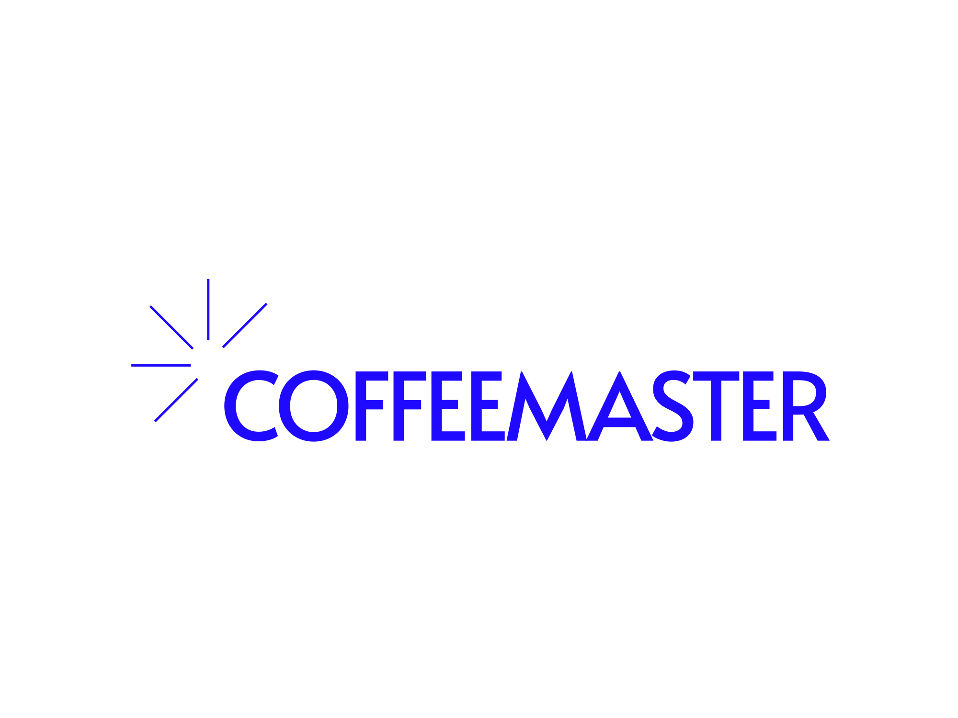
 | CoffeeMaster Dashboard (2024)

CASH vs CARD TRANSACTIONS
 | Total
card | 3547
Revenue |  | Profit | AVG ORDER VALUE

 | Total
Mar | 5,905.20
Apr | 5,719.56
May | 8,164.42
Jun | 7,617.76
Jul | 6,915.94
Aug | 7,613.84
Sep | 9,988.64
Oct | 13,891.16
Nov | 8,590.54
Dec | 8,237.74
 | Total
Mar | 984.20
Apr | 953.26
May | 1,360.74
Jun | 1,269.63
Jul | 1,152.66
Aug | 1,268.97
Sep | 1,664.77
Oct | 2,315.19
Nov | 1,431.76
Dec | 1,372.96
 | Total
Mar | 175
Apr | 168
May | 241
Jun | 223
Jul | 237
Aug | 272
Sep | 344
Oct | 426
Nov | 259
Dec | 259

$82,644.80 |  | $13,774.13 | $31.74

COFFEE SALES PERFORMANCE
 | Total
Mar | 5,905.20
Apr | 5,719.56
May | 8,164.42
Jun | 7,617.76
Jul | 6,915.94
Aug | 7,613.84
Sep | 9,988.64
Oct | 13,891.16
Nov | 8,590.54
Dec | 7,729.28

Top Selling Coffee
 | Total
Espresso | 129
Cocoa | 239
Hot Chocolate | 276
Cortado | 287
Cappuccino | 486
Americano | 564
Latte | 757
Americano with Milk | 809
PROFIT MARGIN OF COFFEE
 | Total
Espresso | $448.38
Cortado | $1,230.81
Cocoa | $1,420.19
Hot Chocolate | $1,655.58
Americano | $2,441.71
Cappuccino | $2,906.52
Americano with Milk | $4,125.19
Latte | $4,479.22
TOP 10 CUSTOMER
 | Total
ANON-0000-0000-1191 | $965.52
ANON-0000-0000-0570 | $1,061.04
ANON-0000-0000-0097 | $1,477.86
ANON-0000-0000-0040 | $1,519.48
ANON-0000-0000-0507 | $1,797.30
ANON-0000-0000-0276 | $2,119.54
ANON-0000-0000-1163 | $2,278.22
ANON-0000-0000-0009 | $2,343.98
ANON-0000-0000-0141 | $2,749.78
ANON-0000-0000-0012 | $3,785.92

