Remark
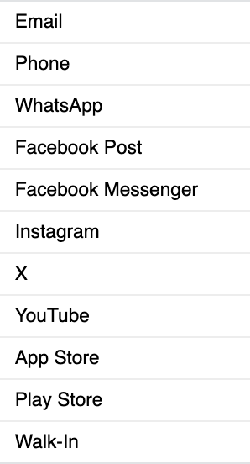
No | Question | Origin CHM | tanggal tanggal
1 | Gateway needs to be aligned with Origin in CHM
2 | Is there any mapping of customer names with CIF?
3 | The meaning of value 'a' on the dates ?
4 | The type of report (jenis laporan) needs to be adjusted with the category in Salesforce
5 | Can the creator's PN(pn pembuat) be added as PN + NIK

