top
[SENSORS]
# | Number | X | Y | Orientation (degree) | Gain | Mirror | CARD # | Blue # | triangle_10pad_10pad # | Triangle # for the MTB | Orientation | Angle w.r.t. robot (rad) | x | y
triangle_10pad | 0 | -183 | 117 | 90 | 5 | 1 | 1 | 1 | 10 | 0 | -2.0943951024 | 0.5235987756 | 100.0 | 100.0 | Mirror X | -1 | no mirror=1 mirror =-1
triangle_10pad | 1 | -192 | 133 | 30 | 5 | 1 | 1 | 2 | 11 | 1 | -1.0471975512 | Angle w.r.t. robot (deg) | 116.0 | 109.2 | Mirror Y | 1
triangle_10pad | 2 | -211 | 133 | 90 | 5 | 1 | 1 | 3 | 12 | 2 | -2.0943951024 | 30 | 132.0 | 100.0 |  |  | prese da Matlab (centri dei triangoli)
triangle_10pad | 3 | -220 | 149 | 30 | 5 | 1 | 1 | 17 | 13 | 3 | -1.0471975512 | X Offset | 148.0 | 109.2 |  |  | angolo e posizione nella GUI
triangle_10pad | 4 | -211 | 165 | -30 | 5 | 1 | 1 | 18 | 20 | 4 | 0 | 146.5 | 148.0 | 127.7 |  |  | parametri da mettere negli INI
 |  |  |  |  |  |  | 1 | 19 | 21 | 5 | -1.0471975512 | Y Offset | 164.0 | 137.0 |  |  | numero del triangolo nella figura qui sotto
 |  |  |  |  |  |  | 1 | 20 | 22 | 6 | 0 | -20 | 164.0 | 155.4
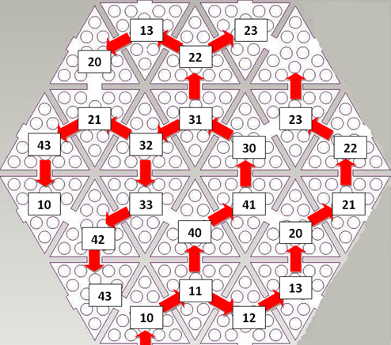
1
2
3
4
5
7
8
9
11
10
12
13
14
15
16
17
18
19
20
21
22
23
6
 |  |  |  |  |  |  | 1 | 21 | 23 | 7 | 1.0471975512 | triangle_10pad number Offset | 148.0 | 164.7
triangle_10pad | 12 | -183 | 149 | -30 | 5 | 1 | 1 | 4 | 40 | 12 | 0 | 0 | 116.0 | 127.7
triangle_10pad | 13 | -192 | 165 | 30 | 5 | 1 | 1 | 5 | 41 | 13 | -1.0471975512 |  | 132.0 | 137.0
triangle_10pad | 8 | -183 | 181 | -30 | 5 | 1 | 1 | 6 | 30 | 8 | 0 |  | 132.0 | 155.4
triangle_10pad | 9 | -165 | 181 | -90 | 5 | 1 | 1 | 7 | 31 | 9 | 1.0471975512 |  | 116.0 | 164.7
 |  |  |  |  |  |  | 1 | 8 | 22 | 6 | 0 |  | 116.0 | 183.1
 |  |  |  |  |  |  | 1 | 9 | 23 | 7 | -1.0471975512 |  | 132.0 | 192.4
 |  |  |  |  |  |  | 1 | 10 | 13 | 3 | 1.0471975512 |  | 100.0 | 192.4
 |  |  |  |  |  |  | 1 | 11 | 20 | 4 | 2.0943951024 |  | 84.0 | 183.1
triangle_10pad | 10 | -155 | 165 | -150 | 5 | 1 | 1 | 12 | 32 | 10 | 2.0943951024 |  | 100.0 | 155.4
 |  |  |  |  |  |  | 1 | 13 | 21 | 5 | 1.0471975512 |  | 84.0 | 164.7
 |  |  |  |  |  |  | 1 | 22 | 43 | 15 | 2.0943951024 |  | 68.0 | 155.4
 |  |  |  |  |  |  | 1 | 23 | 10 | 0 | 3.1415926536 |  | 68.0 | 137.0
triangle_10pad | 11 | -165 | 149 | -210 | 5 | 1 | 1 | 14 | 33 | 11 | 3.1415926536 |  | 100.0 | 137.0
triangle_10pad | 14 | -155 | 133 | -150 | 5 | 1 | 1 | 15 | 42 | 14 | 2.0943951024 |  | 84.0 | 127.7
triangle_10pad | 15 | -165 | 117 | -210 | 5 | 1 | 1 | 16 | 43 | 15 | 3.1415926536 |  | 84.0 | 109.2

 |  |  |  |  |  |  | card ID 13

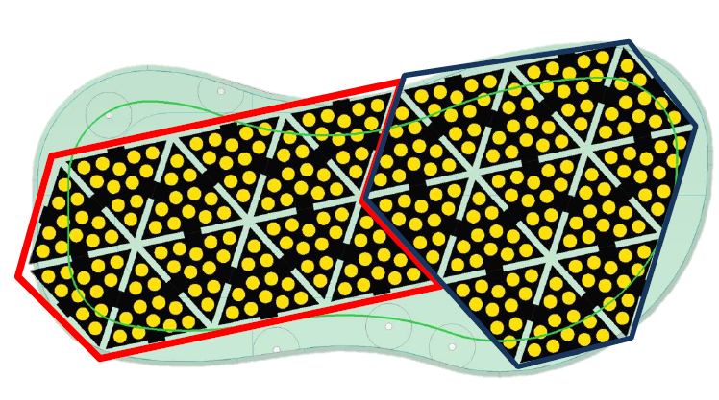

0
2
15
1

3
14
12
4
11
13

10

8
9

bottom
1
2
3
4
5
7
8
9
11
10
12
13
14
15
16
17
18
19
20
21
22
23
6
[SENSORS]
# | Number | X | Y | Orientation (degree) | Gain | Mirror | CARD # | Blue # | triangle_10pad # | Triangle # for the MTB | Orientation | Angle w.r.t. robot (rad) | x | y
 |  |  |  |  |  |  | 2 | 1 | 10 | 0 | -2.0943951024 | -0.5235987756 | 100.0 | 100.0 | Mirror X | -1 | no mirror=1 mirror =-1
triangle_10pad | 17 | -155 | 37 | 90 | 5 | 1 | 2 | 2 | 11 | 1 | -1.0471975512 | Angle w.r.t. robot (deg) | 116.0 | 109.2 | Mirror Y | 1
triangle_10pad | 18 | -164 | 21 | 150 | 5 | 1 | 2 | 3 | 12 | 2 | -2.0943951024 | -30 | 132.0 | 100.0 |  |  | prese da Matlab (centri dei triangoli)
triangle_10pad | 19 | -183 | 21 | 90 | 5 | 1 | 2 | 17 | 13 | 3 | -1.0471975512 | X Offset | 148.0 | 109.2 |  |  | angolo e posizione nella GUI
triangle_10pad | 20 | -192 | 37 | 30 | 5 | 1 | 2 | 18 | 20 | 4 | 0 | 0 | 148.0 | 127.7 |  |  | parametri da mettere negli INI
 |  |  |  |  |  |  | 2 | 19 | 21 | 5 | -1.0471975512 | Y Offset | 164.0 | 137.0 |  |  | numero del triangolo nella figura qui sotto
 |  |  |  |  |  |  | 2 | 20 | 22 | 6 | 0 | 0 | 164.0 | 155.4
1
2
3
4
5
7
8
9
11
10
12
13
14
15
17
18
19
20
21
22
23
16
6
 |  |  |  |  |  |  | 2 | 21 | 23 | 7 | 1.0471975512 | triangle_10pad number Offset | 148.0 | 164.7
triangle_10pad | 28 | -164 | 53 | 30 | 5 | 1 | 2 | 4 | 40 | 12 | 0 | 0 | 116.0 | 127.7
triangle_10pad | 29 | -183 | 53 | 90 | 5 | 1 | 2 | 5 | 41 | 13 | -1.0471975512 |  | 132.0 | 137.0
triangle_10pad | 24 | -192 | 69 | 30 | 5 | 1 | 2 | 6 | 30 | 8 | 0 |  | 132.0 | 155.4
triangle_10pad | 25 | -183 | 85 | -30 | 5 | 1 | 2 | 7 | 31 | 9 | 1.0471975512 |  | 116.0 | 164.7
triangle_10pad | 22 | -192 | 101 | 30 | 5 | 1 | 2 | 8 | 22 | 6 | 0 |  | 116.0 | 183.1
 |  |  |  |  |  |  | 2 | 9 | 23 | 7 | -1.0471975512 |  | 132.0 | 192.4
 |  |  |  |  |  |  | 2 | 10 | 13 | 3 | 1.0471975512 |  | 100.0 | 192.4
 |  |  |  |  |  |  | 2 | 11 | 20 | 4 | 2.0943951024 |  | 84.0 | 183.1
triangle_10pad | 26 | -164 | 85 | -90 | 5 | 1 | 2 | 12 | 32 | 10 | 2.0943951024 |  | 100.0 | 155.4
triangle_10pad | 21 | -155 | 101 | -30 | 5 | 1 | 2 | 13 | 21 | 5 | 1.0471975512 |  | 84.0 | 164.7
 |  |  |  |  |  |  | 2 | 22 | 43 | 15 | 2.0943951024 |  | 68.0 | 155.4
 |  |  |  |  |  |  | 2 | 23 | 10 | 0 | 3.1415926536 |  | 68.0 | 137.0
triangle_10pad | 27 | -155 | 69 | -150 | 5 | 1 | 2 | 14 | 33 | 11 | 3.1415926536 |  | 100.0 | 137.0
 |  |  |  |  |  |  | 2 | 15 | 42 | 14 | 2.0943951024 |  | 84.0 | 127.7
 |  |  |  |  |  |  | 2 | 16 | 43 | 15 | 3.1415926536 |  | 84.0 | 109.2

 |  |  |  |  |  |  | card ID 12

21
27
17
26
28

18
25

29
24
22
19
20

