adj.seq OSS-CAC-POMP
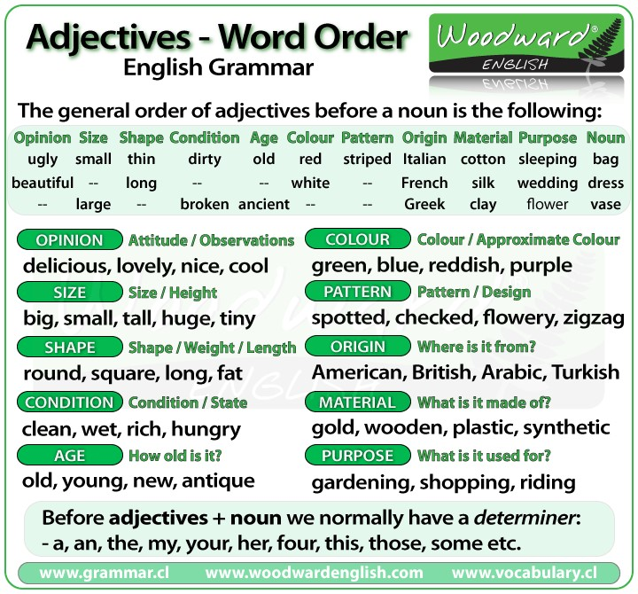
OSS-CAC-POMP stands for Opinion, Size, Shape, - Condition, Age, Color- , Pattern, Origin, Material and Purpose--

