Sheet1
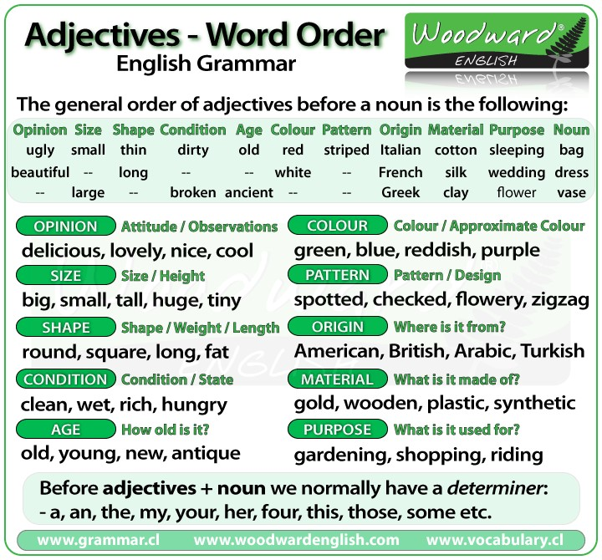
OPSSHACOM stands for Opinion, Size, Shape, Age, Color, Origin, and Material

