Bug 2
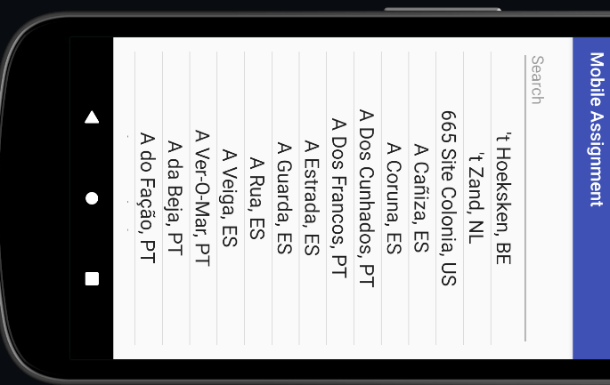
Bug ID | ID Number | 1
 | Name | Rotating the mobile phone leads to nothing on the screen
 | Reporter | Khalmatau Aliaksandr
 | Date | 2022-08-05
Bug Overview | Summary | When you rotate the screen you can see no changes
 | Application | mobileAssignment
Environment | Platform | Android
 | Platform version | 10 and above
Bug details | Steps to reproduce | 1. Enter the app 2. Fill the field search 3. Rotate the scrren
 | Expected result | Ability to rotation the text during phone rotation
 | Actual result | Inability to rotate the test during the phone rotation
 | Additional Description
Bug tracking | Assigned to
 | Priority | High
 | Severity | High
Notes | Notes

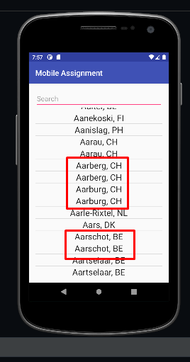
Bug ID | ID Number | 2
 | Name | Duplicates of the city names
 | Reporter | Khalmatau Aliaksandr
 | Date | 2022-08-05
Bug Overview | Summary | Duplicating the city names
 | Application | mobileAssignment
Environment | Platform | Android
 | Platform version | 10 and above
Bug details | Steps to reproduce | 1. Enter the app 2. Scroll down to the Aarberg CN
 | Expected result | There is no duplication of the city name
 | Actual result | Many city names are duplicated
 | Additional Description
Bug tracking | Assigned to
 | Priority | Middle
 | Severity | Low
Notes | Notes

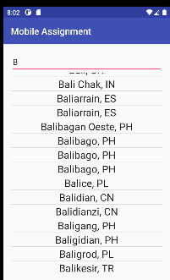
Bug ID | ID Number | 3
 | Name | Incorrect seatch by the letters
 | Reporter | Khalmatau Aliaksandr
 | Date | 2022-08-05
Bug Overview | Summary | Input the first letter (B for exmaple) doesn't start from the first sign
 | Application | mobileAssignment
Environment | Platform | Android
 | Platform version | 10 and above
Bug details | Steps to reproduce | 1. Enter the app 2. Input the letter B
 | Expected result | The search leads to the first word with letter B at the beginning
 | Actual result | The search leads to the list center
 | Additional Description
Bug tracking | Assigned to
 | Priority | Low
 | Severity | Low
Notes | Notes

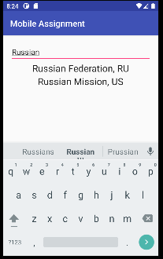
Bug ID | ID Number | 4
 | Name | Country search
 | Reporter | Khalmatau Aliaksandr
 | Date | 2022-08-05
Bug Overview | Summary | Input the first letter (B for exmaple) doesn't start from the first sign
 | Application | mobileAssignment
Environment | Platform | Android
 | Platform version | 10 and above
Bug details | Steps to reproduce | 1. Enter the app 2. Input the word Russian Federation
 | Expected result | Inability to search by countries
 | Actual result | Ability to search by countries
 | Additional Description
Bug tracking | Assigned to
 | Priority | Middle
 | Severity | middle
Notes | Notes

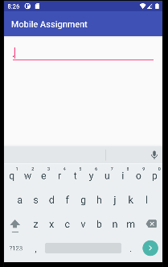
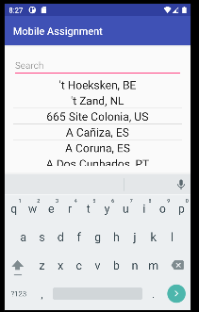
Bug ID | ID Number | 5
 | Name | Incorrect search by symbols ,
 | Reporter | Khalmatau Aliaksandr
 | Date | 2022-08-05
Bug Overview | Summary | Input the special symbol , on the searchbar
 | Application | mobileAssignment
Environment | Platform | Android
 | Platform version | 10 and above
Bug details | Steps to reproduce | 1. Enter the app 2. Input the word Russian Federation
 | Expected result | Ability to search by symbols
 | Actual result | Inability to search by symbols
 | Additional Description
Bug tracking | Assigned to
 | Priority | Middle
 | Severity | middle
Notes | Notes

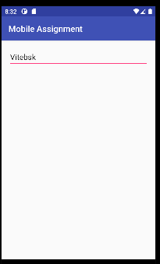
Bug ID | ID Number | 5
 | Name | Inability to find some cities by the manual input
 | Reporter | Khalmatau Aliaksandr
 | Date | 2022-08-05
Bug Overview | Summary | Input the special symbol , on the searchbar
 | Application | mobileAssignment
Environment | Platform | Android
 | Platform version | 10 and above
Bug details | Steps to reproduce | 1. Enter the app 2. Input the word Vitebsk
 | Expected result | Ability to find Vitebsk
 | Actual result | Inability to search by Vitebsk
 | Additional Description
Bug tracking | Assigned to
 | Priority | High
 | Severity | middle
Notes | Notes

