portfolio
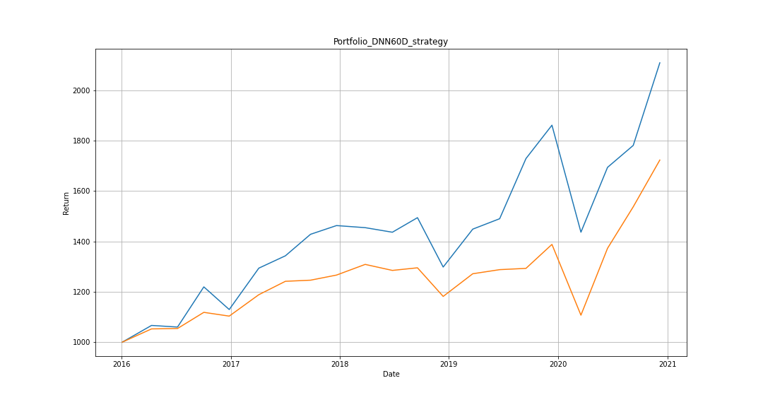
 | Portfolio | TWII |  | DNN60D_strategy | TWII
2016-01-04 | 1000 | 1000 | IRR | 0.161 | 0.115
2016-04-11 | 1066.4726879 | 1052.6545978 | sigma | 0.2092 | 0.1739
2016-07-07 | 1060.0702602 | 1054.2733051 | sharpe ratio | 0.7696 | 0.6613
2016-10-03 | 1219.5991289 | 1118.4430199
2016-12-27 | 1129.6417106 | 1103.4660351
2017-04-05 | 1293.9960309 | 1188.5342837
2017-07-03 | 1343.0586224 | 1241.7639268
2017-09-25 | 1428.4462543 | 1246.1631545
2017-12-21 | 1463.1400173 | 1266.4942875
2018-03-27 | 1454.8616903 | 1308.8855733
2018-06-26 | 1436.7087593 | 1285.0197173
2018-09-18 | 1494.5782318 | 1295.3600542
2018-12-13 | 1298.4226103 | 1181.7462209
2019-03-22 | 1449.0086507 | 1271.7416475
2019-06-20 | 1490.3602437 | 1288.0306308
2019-09-16 | 1729.274419 | 1293.1110966
2019-12-12 | 1861.8893416 | 1388.347825
2020-03-18 | 1436.8454267 | 1107.2173599
2020-06-15 | 1694.4044894 | 1372.8041652
2020-09-09 | 1781.5107955 | 1537.60728
2020-12-07 | 2109.7413478 | 1723.4409548

