portfolio
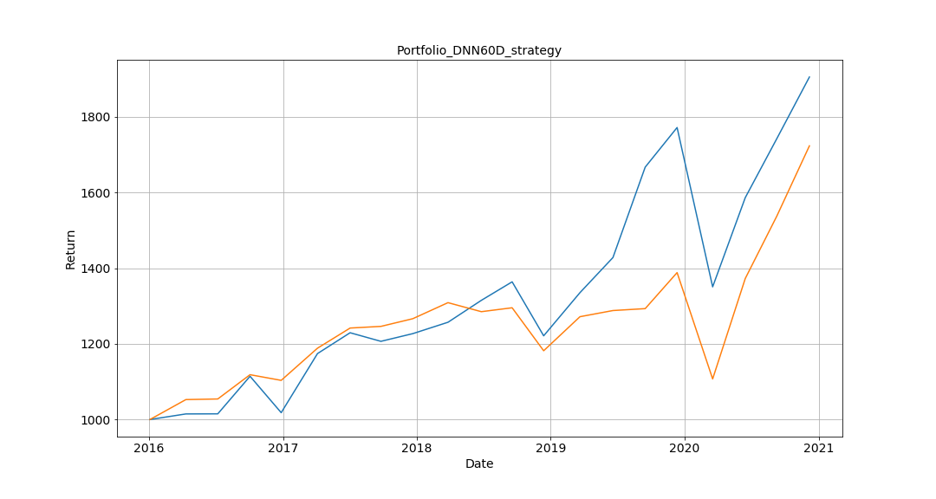
 | Portfolio | TWII |  | DNN60D_strategy | TWII
2016-01-04 | 1000 | 1000 | IRR | 0.1376 | 0.115
2016-04-11 | 1014.7141773 | 1052.6545978 | sigma | 0.1955 | 0.1739
2016-07-07 | 1014.9716056 | 1054.2733051 | sharpe ratio | 0.7038 | 0.6613
2016-10-03 | 1114.3207541 | 1118.4430199
2016-12-27 | 1018.0611711 | 1103.4660351
2017-04-05 | 1174.2522876 | 1188.5342837
2017-07-03 | 1229.360918 | 1241.7639268
2017-09-25 | 1206.6454564 | 1246.1631545
2017-12-21 | 1227.0114109 | 1266.4942875
2018-03-27 | 1257.0607725 | 1308.8855733
2018-06-26 | 1315.0206237 | 1285.0197173
2018-09-18 | 1363.9384786 | 1295.3600542
2018-12-13 | 1221.2268998 | 1181.7462209
2019-03-22 | 1335.3174794 | 1271.7416475
2019-06-20 | 1428.1660921 | 1288.0306308
2019-09-16 | 1667.1679451 | 1293.1110966
2019-12-12 | 1771.8266482 | 1388.347825
2020-03-18 | 1350.6664327 | 1107.2173599
2020-06-15 | 1586.5732755 | 1372.8041652
2020-09-09 | 1742.3959733 | 1537.60728
2020-12-07 | 1905.4085377 | 1723.4409548

