portfolio
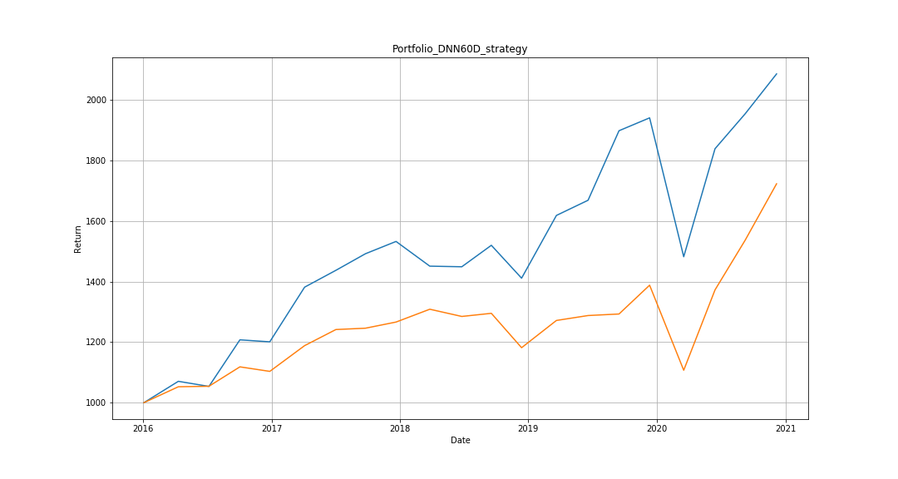
 | Portfolio | TWII |  | DNN60D_strategy | TWII
2016-01-04 | 1000 | 1000 | IRR | 0.1585 | 0.115
2016-04-11 | 1070.6432198 | 1052.6545978 | sigma | 0.201 | 0.1739
2016-07-07 | 1053.7832796 | 1054.2733051 | sharpe ratio | 0.7886 | 0.6613
2016-10-03 | 1207.7061662 | 1118.4430199
2016-12-27 | 1201.1757057 | 1103.4660351
2017-04-05 | 1381.7876687 | 1188.5342837
2017-07-03 | 1437.4826563 | 1241.7639268
2017-09-25 | 1492.2784357 | 1246.1631545
2017-12-21 | 1532.9065346 | 1266.4942875
2018-03-27 | 1451.2190147 | 1308.8855733
2018-06-26 | 1449.2317417 | 1285.0197173
2018-09-18 | 1520.1946954 | 1295.3600542
2018-12-13 | 1411.4942748 | 1181.7462209
2019-03-22 | 1618.8388767 | 1271.7416475
2019-06-20 | 1669.0213475 | 1288.0306308
2019-09-16 | 1898.8183079 | 1293.1110966
2019-12-12 | 1941.3326701 | 1388.347825
2020-03-18 | 1482.3193161 | 1107.2173599
2020-06-15 | 1839.3193097 | 1372.8041652
2020-09-09 | 1955.2214334 | 1537.60728
2020-12-07 | 2086.5716737 | 1723.4409548

