HeatingCurve
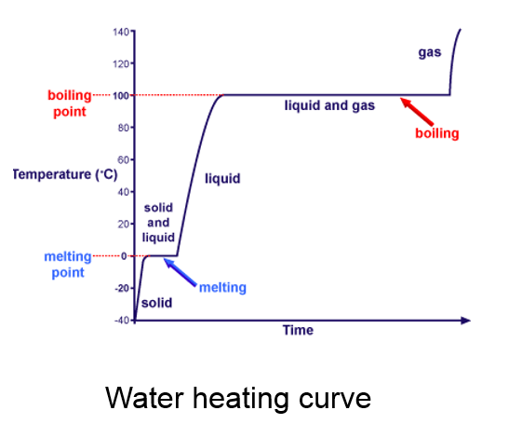
Use the image to consturuct a data table and graph
 | time (mins) | Temp©
 | 0
 | 1
 | 2
 | 3
 | 4
 | 5
 | 6
 | 7
 | 8
 | 9
 | 10
 | 11
 | 12
 | 13
 | 14
 | 15
 | 16
 | 17
 | 18
 | 19
 | 20

