Página1
Seattle | Olympia | 61 | 98.16974 |  |  | New York | Albany | 5.0277777778E-08 | 122.0703125 | 18.1 | 417.00
Seattle | Boise | 499 | 803.06066 |  |  | Novo México | Albuquerque | 2.9722222222E-08 | 5.0350344724 | 10.7 | 17.20
Seattle | Spokane | 279 | 449.00586 |  |  | Virgínia | Ashburn | 2.9166666667E-08 | 11.533741757 | 10.5 | 39.40
Olympia | Portland | 114 | 183.46476 |  |  | Georgia | Atlanta | 3.0833333333E-08 | 50.84799348 | 11.1 | 173.70
Boise | Salt Lake City | 340 | 547.1756 |  |  | Maryland | Baltimore | 3.8055555556E-08 | 178.80227068 | 13.7 | 610.80
Spokane | Missoula | 197 | 317.03998 |  |  | Lousiana | Baton Rouge | 2.4722222222E-08 | 31.351871628 | 8.9 | 107.10
Portland | Eugene | 110 | 177.0274 |  |  | Idaho | Boise | 2.2222222222E-08 | 5.7083239658 | 8 | 19.50
Salt Lake City | Reno | 519 | 835.24746 |  |  | Massachusets | Boston | 4.1111111111E-08 | 251.1662545 | 14.8 | 858.00
Salt Lake City | Denver | 534 | 859.38756 |  |  | Montana | Bozeman | 2.6666666667E-08 | 2.0491419365 | 9.6 | 7.00
Salt Lake City | Las Vegas | 421 | 677.53214 |  |  | Nova Iorque | Buffalo | 5.0277777778E-08 | 122.0703125 | 18.1 | 417.00
Missoula | Bozeman | 203 | 326.69602 |  |  | Carolina do Norte | Charlotte | 2.8333333333E-08 | 59.308022332 | 10.2 | 202.60
Eugene | Sacramento | 475 | 764.4365 |  |  | Tennessee | Chattanooga | 2.7222222222E-08 | 46.10569357 | 9.8 | 157.50
Reno | Sacramento | 131 | 210.82354 |  |  | Illinois | Chicago | 3.25E-08 | 67.914418465 | 11.7 | 232.00
Denver | Kansas City | 606 | 975.26004 |  |  | Ohio | Cincinnati | 3.1111111111E-08 | 82.902428058 | 11.2 | 283.20
Denver | Albuquerque | 417 | 671.09478 |  |  | Ohio | Cleveland | 3.1111111111E-08 | 82.902428058 | 11.2 | 283.20
Las Vegas | Los Angeles | 271 | 436.13114 |  |  | Texas | Dallas | 3.1388888889E-08 | 29.62473771 | 11.3 | 101.20
Bozeman | Fargo | 750 | 1207.005 |  |  | Colorado | Denver | 3.1111111111E-08 | 14.870915767 | 11.2 | 50.80
Sacramento | Sunnyvale | 119 | 191.51146 |  |  | Michigan | Detroit | 3.6111111111E-08 | 51.228548411 | 13 | 175.00
Sacramento | Sunnyvale | 119 | 191.51146 |  |  | Texas | El Paso | 3.1388888889E-08 | 29.62473771 | 11.3 | 101.20
Kansas City | Tulsa | 270 | 434.5218 |  |  | Oregon | Eugene | 2.6111111111E-08 | 11.9728436 | 9.4 | 40.90
Kansas City | Minneapolis | 437 | 703.28158 |  |  | Dakota do Norte | Fargo | 2.25E-08 | 3.0737129047 | 8.1 | 10.50
Kansas City | St Louis | 248 | 399.11632 |  |  | Connecticut | Hartford | 5.0277777778E-08 | 217.384686 | 18.1 | 742.60
Albuquerque | El Paso | 267 | 429.69378 |  |  | Texas | Houston | 3.1388888889E-08 | 29.62473771 | 11.3 | 101.20
Los Angeles | San Luis Obispo | 201 | 323.47734 |  |  | Indiana | Indianapolis | 2.7777777778E-08 | 53.687518735 | 10 | 183.40
Los Angeles | San Diego | 120 | 193.1208 |  |  | Mississipi | Jackson | 2.8611111111E-08 | 18.647191622 | 10.3 | 63.70
Fargo | Minneapolis | 235 | 378.1949 |  |  | Carolina do Norte | Jacksonville | 2.8333333333E-08 | 59.308022332 | 10.2 | 202.60
Sunnyvale | San Luis Obispo | 196 | 315.43064 |  |  | Kansas | Kansas City | 2.9166666667E-08 | 10.362803507 | 10.5 | 35.40
Tulsa | Dallas | 257 | 413.60038 |  |  | Nevada | Las Vegas | 3.25E-08 | 7.4354578837 | 11.7 | 25.40
Minneapolis | Madison | 269 | 432.91246 |  |  | California | Los Angeles | 4.2222222222E-08 | 72.041975794 | 15.2 | 246.10
St Louis | Chicago1 | 297 | 477.97398 |  |  | Kentucky | Louisville | 0.000000025 | 32.58135679 | 9 | 111.30
El Paso | Tucson | 316 | 508.55144 |  |  | Wisconsin | Madison | 3.6111111111E-08 | 31.029863609 | 13 | 106.00
El Paso | San Antonio | 551 | 886.74634 |  |  | Tennessee | Memphis | 2.7222222222E-08 | 46.10569357 | 9.8 | 157.50
San Diego | Phoenix | 354 | 569.70636 |  |  | Wisconsin | Milwaukee | 3.6111111111E-08 | 31.029863609 | 13 | 106.00
Dallas | Houston1 | 239 | 384.63226 |  |  | Minnesota | Minneapolis | 3.0277777778E-08 | 19.935223696 | 10.9 | 68.10
Madison | Milwaukee | 79 | 127.13786 |  |  | Montana | Missoula | 2.6666666667E-08 | 2.0491419365 | 9.6 | 7.00
Chicago1 | Chicago2 | 15 | 24.1401 |  |  | Tennessee | Nashville | 2.7222222222E-08 | 46.10569357 | 9.8 | 157.50
Chicago1 | Chicago3 | 15 | 24.1401 |  |  | NewYork | NewYork | 5.0277777778E-08 | 122.0703125 | 18.1 | 417.00
Chicago1 | Indianapolis | 181 | 291.29054 |  |  | Washington | Olympia | 2.2777777778E-08 | 30.707855591 | 8.2 | 104.90
Tucson | Phoenix | 116 | 186.68344 |  |  | Florida | Pensacola | 3.25E-08 | 106.73102143 | 11.7 | 364.60
San Antonio | Houston1 | 195 | 313.8213 |  |  | Pensylvania | Philadelphia | 3.6666666667E-08 | 83.575717551 | 13.2 | 285.50
Houston1 | Houston2 | 25 | 40.2335 |  |  | Arizona | Phoenix | 3.0833333333E-08 | 17.066424985 | 11.1 | 58.30
Houston1 | Houston2 | 25 | 40.2335 |  |  | Pensylvania | Pittsburgh | 3.6666666667E-08 | 83.575717551 | 13.2 | 285.50
Houston1 | Jackson | 442 | 711.32828 |  |  | Oregon | Portland | 2.6111111111E-08 | 11.9728436 | 9.4 | 40.90
Milwaukee | Chacago3 | 92 | 148.05928 |  |  | Noth Carolina | Raleigh | 2.8333333333E-08 | 59.308022332 | 10.2 | 202.60
Chicago2 | Chicago3 | 15 | 24.1401 |  |  | Nevada | Reno | 3.25E-08 | 7.4354578837 | 11.7 | 25.40
Chicago3 | Detroit | 284 | 457.05256 |  |  | California | Sacramento | 4.2222222222E-08 | 72.041975794 | 15.2 | 246.10
Indianapolis | Cincinnati | 108 | 173.80872 |  |  | Utah | Salt Lake City | 2.4444444444E-08 | 10.333530051 | 8.8 | 35.30
Houston2 | Baton Rouge | 272 | 437.74048 |  |  | Texas | San Antonio | 3.1388888889E-08 | 29.62473771 | 11.3 | 101.20
Jackson | Memphis | 209 | 336.35206 |  |  | California | San Diego | 4.2222222222E-08 | 72.041975794 | 15.2 | 246.10
Detroit | Cleveland | 169 | 271.97846 |  |  | California | San Luis Obispo | 4.2222222222E-08 | 72.041975794 | 15.2 | 246.10
Cincinnati | Louisville | 99 | 159.32466 |  |  | Washington | Seattle | 2.2777777778E-08 | 30.707855591 | 8.2 | 104.90
Baton Rouge | Pensacola | 256 | 411.99104 |  |  | Washington | Spokane | 2.2777777778E-08 | 30.707855591 | 8.2 | 104.90
Memphis | Nashville | 209 | 336.35206 |  |  | Missouri | St Louis | 2.6944444444E-08 | 25.731368031 | 9.7 | 87.90
Cleveland | Buffalo | 191 | 307.38394 |  |  | California | Sunnyvale | 4.2222222222E-08 | 72.041975794 | 15.2 | 246.10
Cleveland | Pittsburgh | 133 | 214.04222 |  |  | Arizona | Tucson | 3.0833333333E-08 | 17.066424985 | 11.1 | 58.30
Louisville | Nashville | 174 | 280.02516 |  |  | Oklahoma | Tulsa | 2.5555555556E-08 | 16.422408948 | 9.2 | 56.10
Pensacola | Jacksonville | 357 | 574.53438 |  |  | Distrito Federal | WashingtonDC | 3.8055555556E-08 | 122.0703125 | 13.7 | 417.00
Nashville | Chattanooga | 132 | 212.43288 |  |  | ESTADO | CIDADE | PREÇO($/J) | TRÁFEGO (MSG/S) | PREÇO ENERGIA (in cents/kwh) | DENSIDADE POPULACIONAL (Dens/sqmi)
Buffalo | Albany | 288 | 463.48992 |  |  |  |  |  |  | 28-Oct-11 | estimativa de 2013 da população pelo United States Census Bureau
Pittsburgh | Ashburn | 228 | 366.92952 |  |  |  |  |  |  | https://www,npr,org/sections/money/2011/10/27/141766341/the-price-of-electricity-in-your-state | https://simple,wikipedia,org/wiki/List_of_U,S,_states_by_population_density
Jacksonville | Atlanta1 | 346 | 556.83164 |  |  |  |  |  |  | https://www,electricitylocal,com/states/pennsylvania/
Chattanooga | Atlanta1 | 118 | 189.90212
Albany | Boston | 171 | 275.19714
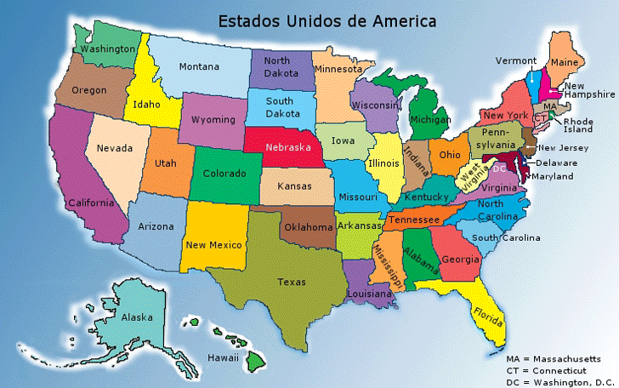
Ashburn | WashingtonDC | 33 | 53.10822
Atlanta1 | Atlanta2 | 12 | 19.31208
Atlanta1 | Atlanta2 | 12 | 19.31208
Atlanta1 | Charlotte | 245 | 394.2883
Boston | Hartford | 101 | 162.54334
WashingtonDC | Baltimore | 39 | 62.76426
WashingtonDC | Raleigh | 281 | 452.22454
Charlotte | Raleigh | 165 | 265.5411
Hartford | NewYork2 | 119 | 191.51146
Baltimore | Philadelphia | 99 | 159.32466
NewYork2 | NewYork1 | 22 | 35.40548
NewYork2 | NewYork1 | 22 | 35.40548
Philadelphia | NewYork2 | 94 | 151.27796
CIDADE1 | CIDADE2 | DISTANCIA (MI) | DISTANCIA (KM) | J/bit | latencia (ms)

https://www,distance-cities,com/

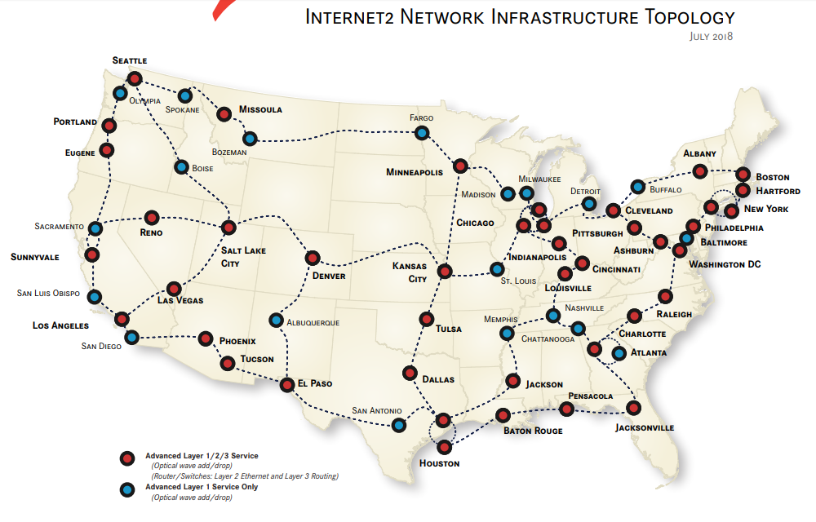

 |  |  |  |  |  |  |  |  |  | $/Kwh | 1/square miles

