Página1
Albany | Boston | 171 | 275.19714 | 0.0027519714 | 0.0095679857 | 0 | Albany | 5.0277777778E-08 | 122.0703125 | 18.1 | 417.00
Albuquerque | El Paso | 267 | 429.69378 | 0.0042969378 | 0.0103404689 | 1 | Albuquerque | 2.9722222222E-08 | 5.0350344724 | 10.7 | 17.20
Ashburn | WashingtonDC | 33 | 53.10822 | 0.0005310822 | 0.0084575411 | 2 | Ashburn | 2.9166666667E-08 | 11.533741757 | 10.5 | 39.40
Atlanta1 | Atlanta2 | 12 | 19.31208 | 0.0001931208 | 0.0082885604 | 3 | Atlanta | 3.0833333333E-08 | 50.84799348 | 11.1 | 173.70
Atlanta1 | Atlanta2 | 12 | 19.31208 | 0.0001931208 | 0.0082885604 | 4 | Baltimore | 3.8055555556E-08 | 178.80227068 | 13.7 | 610.80
Atlanta1 | Charlotte | 245 | 394.2883 | 0.003942883 | 0.0101634415 | 5 | Baton Rouge | 2.4722222222E-08 | 31.351871628 | 8.9 | 107.10
Baltimore | Philadelphia | 99 | 159.32466 | 0.0015932466 | 0.0089886233 | 6 | Boise | 2.2222222222E-08 | 5.7083239658 | 8 | 19.50
Baton Rouge | Pensacola | 256 | 411.99104 | 0.0041199104 | 0.0102519552 | 7 | Boston | 4.1111111111E-08 | 251.1662545 | 14.8 | 858.00
Boise | Salt Lake City | 340 | 547.1756 | 0.005471756 | 0.010927878 | 8 | Bozeman | 2.6666666667E-08 | 2.0491419365 | 9.6 | 7.00
Boston | Hartford | 101 | 162.54334 | 0.0016254334 | 0.0090047167 | 9 | Buffalo | 5.0277777778E-08 | 122.0703125 | 18.1 | 417.00
Bozeman | Fargo | 750 | 1207.005 | 0.01207005 | 0.014227025 | 10 | Charlotte | 2.8333333333E-08 | 59.308022332 | 10.2 | 202.60
Buffalo | Albany | 288 | 463.48992 | 0.0046348992 | 0.0105094496 | 11 | Chattanooga | 2.7222222222E-08 | 46.10569357 | 9.8 | 157.50
Charlotte | Raleigh | 165 | 265.5411 | 0.002655411 | 0.0095197055 | 12 | Chicago | 3.25E-08 | 67.914418465 | 11.7 | 232.00
Chattanooga | Atlanta1 | 118 | 189.90212 | 0.0018990212 | 0.0091415106 | 13 | Cincinnati | 3.1111111111E-08 | 82.902428058 | 11.2 | 283.20
Chicago1 | Chicago2 | 15 | 24.1401 | 0.000241401 | 0.0083127005 | 14 | Cleveland | 3.1111111111E-08 | 82.902428058 | 11.2 | 283.20
Chicago1 | Chicago3 | 15 | 24.1401 | 0.000241401 | 0.0083127005 | 15 | Dallas | 3.1388888889E-08 | 29.62473771 | 11.3 | 101.20
Chicago1 | Indianapolis | 181 | 291.29054 | 0.0029129054 | 0.0096484527 | 16 | Denver | 3.1111111111E-08 | 14.870915767 | 11.2 | 50.80
Chicago2 | Chicago3 | 15 | 24.1401 | 0.000241401 | 0.0083127005 | 17 | Detroit | 3.6111111111E-08 | 51.228548411 | 13 | 175.00
Chicago3 | Detroit | 284 | 457.05256 | 0.0045705256 | 0.0104772628 | 18 | El Paso | 3.1388888889E-08 | 29.62473771 | 11.3 | 101.20
Cincinnati | Louisville | 99 | 159.32466 | 0.0015932466 | 0.0089886233 | 19 | Eugene | 2.6111111111E-08 | 11.9728436 | 9.4 | 40.90
Cleveland | Buffalo | 191 | 307.38394 | 0.0030738394 | 0.0097289197 | 20 | Fargo | 2.25E-08 | 3.0737129047 | 8.1 | 10.50
Cleveland | Pittsburgh | 133 | 214.04222 | 0.0021404222 | 0.0092622111 | 21 | Hartford | 5.0277777778E-08 | 217.384686 | 18.1 | 742.60
Dallas | Houston1 | 239 | 384.63226 | 0.0038463226 | 0.0101151613 | 22 | Houston | 3.1388888889E-08 | 29.62473771 | 11.3 | 101.20
Denver | Kansas City | 606 | 975.26004 | 0.0097526004 | 0.0130683002 | 23 | Indianapolis | 2.7777777778E-08 | 53.687518735 | 10 | 183.40
Denver | Albuquerque | 417 | 671.09478 | 0.0067109478 | 0.0115474739 | 24 | Jackson | 2.8611111111E-08 | 18.647191622 | 10.3 | 63.70
Detroit | Cleveland | 169 | 271.97846 | 0.0027197846 | 0.0095518923 | 25 | Jacksonville | 2.8333333333E-08 | 59.308022332 | 10.2 | 202.60
El Paso | Tucson | 316 | 508.55144 | 0.0050855144 | 0.0107347572 | 26 | Kansas City | 2.9166666667E-08 | 10.362803507 | 10.5 | 35.40
El Paso | San Antonio | 551 | 886.74634 | 0.0088674634 | 0.0126257317 | 27 | Las Vegas | 3.25E-08 | 7.4354578837 | 11.7 | 25.40
Eugene | Sacramento | 475 | 764.4365 | 0.007644365 | 0.0120141825 | 28 | Los Angeles | 4.2222222222E-08 | 72.041975794 | 15.2 | 246.10
Fargo | Minneapolis | 235 | 378.1949 | 0.003781949 | 0.0100829745 | 29 | Louisville | 0.000000025 | 32.58135679 | 9 | 111.30
Hartford | NewYork2 | 119 | 191.51146 | 0.0019151146 | 0.0091495573 | 30 | Madison | 3.6111111111E-08 | 31.029863609 | 13 | 106.00
Houston1 | Houston2 | 25 | 40.2335 | 0.000402335 | 0.0083931675 | 31 | Memphis | 2.7222222222E-08 | 46.10569357 | 9.8 | 157.50
Houston1 | Houston2 | 25 | 40.2335 | 0.000402335 | 0.0083931675 | 32 | Milwaukee | 3.6111111111E-08 | 31.029863609 | 13 | 106.00
Houston1 | Jackson | 442 | 711.32828 | 0.0071132828 | 0.0117486414 | 33 | Minneapolis | 3.0277777778E-08 | 19.935223696 | 10.9 | 68.10
Houston2 | Baton Rouge | 272 | 437.74048 | 0.0043774048 | 0.0103807024 | 34 | Missoula | 2.6666666667E-08 | 2.0491419365 | 9.6 | 7.00
Indianapolis | Cincinnati | 108 | 173.80872 | 0.0017380872 | 0.0090610436 | 35 | Nashville | 2.7222222222E-08 | 46.10569357 | 9.8 | 157.50
Jackson | Memphis | 209 | 336.35206 | 0.0033635206 | 0.0098737603 | 36 | NewYork | 5.0277777778E-08 | 122.0703125 | 18.1 | 417.00
Jacksonville | Atlanta1 | 346 | 556.83164 | 0.0055683164 | 0.0109761582 | 37 | Olympia | 2.2777777778E-08 | 30.707855591 | 8.2 | 104.90
Kansas City | Tulsa | 270 | 434.5218 | 0.004345218 | 0.010364609 | 38 | Pensacola | 3.25E-08 | 106.73102143 | 11.7 | 364.60
Kansas City | Minneapolis | 437 | 703.28158 | 0.0070328158 | 0.0117084079 | 39 | Philadelphia | 3.6666666667E-08 | 83.575717551 | 13.2 | 285.50
Kansas City | St Louis | 248 | 399.11632 | 0.0039911632 | 0.0101875816 | 40 | Phoenix | 3.0833333333E-08 | 17.066424985 | 11.1 | 58.30
Las Vegas | Los Angeles | 271 | 436.13114 | 0.0043613114 | 0.0103726557 | 41 | Pittsburgh | 3.6666666667E-08 | 83.575717551 | 13.2 | 285.50
Los Angeles | San Luis Obispo | 201 | 323.47734 | 0.0032347734 | 0.0098093867 | 42 | Portland | 2.6111111111E-08 | 11.9728436 | 9.4 | 40.90
Los Angeles | San Diego | 120 | 193.1208 | 0.001931208 | 0.009157604 | 43 | Raleigh | 2.8333333333E-08 | 59.308022332 | 10.2 | 202.60
Louisville | Nashville | 174 | 280.02516 | 0.0028002516 | 0.0095921258 | 44 | Reno | 3.25E-08 | 7.4354578837 | 11.7 | 25.40
Madison | Milwaukee | 79 | 127.13786 | 0.0012713786 | 0.0088276893 | 45 | Sacramento | 4.2222222222E-08 | 72.041975794 | 15.2 | 246.10
Memphis | Nashville | 209 | 336.35206 | 0.0033635206 | 0.0098737603 | 46 | Salt Lake City | 2.4444444444E-08 | 10.333530051 | 8.8 | 35.30
Milwaukee | Chacago3 | 92 | 148.05928 | 0.0014805928 | 0.0089322964 | 47 | San Antonio | 3.1388888889E-08 | 29.62473771 | 11.3 | 101.20
Minneapolis | Madison | 269 | 432.91246 | 0.0043291246 | 0.0103565623 | 48 | San Diego | 4.2222222222E-08 | 72.041975794 | 15.2 | 246.10
Missoula | Bozeman | 203 | 326.69602 | 0.0032669602 | 0.0098254801 | 49 | San Luis Obispo | 4.2222222222E-08 | 72.041975794 | 15.2 | 246.10
Nashville | Chattanooga | 132 | 212.43288 | 0.0021243288 | 0.0092541644 | 50 | Seattle | 2.2777777778E-08 | 30.707855591 | 8.2 | 104.90
NewYork2 | NewYork1 | 22 | 35.40548 | 0.0003540548 | 0.0083690274 | 51 | Spokane | 2.2777777778E-08 | 30.707855591 | 8.2 | 104.90
NewYork2 | NewYork1 | 22 | 35.40548 | 0.0003540548 | 0.0083690274 | 52 | St Louis | 2.6944444444E-08 | 25.731368031 | 9.7 | 87.90
Olympia | Portland | 114 | 183.46476 | 0.0018346476 | 0.0091093238 | 53 | Sunnyvale | 4.2222222222E-08 | 72.041975794 | 15.2 | 246.10
Pensacola | Jacksonville | 357 | 574.53438 | 0.0057453438 | 0.0110646719 | 54 | Tucson | 3.0833333333E-08 | 17.066424985 | 11.1 | 58.30
Philadelphia | NewYork2 | 94 | 151.27796 | 0.0015127796 | 0.0089483898 | 55 | Tulsa | 2.5555555556E-08 | 16.422408948 | 9.2 | 56.10
Pittsburgh | Ashburn | 228 | 366.92952 | 0.0036692952 | 0.0100266476 | 56 | WashingtonDC | 3.8055555556E-08 | 122.0703125 | 13.7 | 417.00
Portland | Eugene | 110 | 177.0274 | 0.001770274 | 0.009077137 |  | CIDADE | PREÇO($/J) | TRÁFEGO (MSG/S) | PREÇO ENERGIA (in cents/kwh) | DENSIDADE POPULACIONAL (Dens/sqmi)
Reno | Sacramento | 131 | 210.82354 | 0.0021082354 | 0.0092461177 |  |  |  |  | 28-Oct-11 | estimativa de 2013 da população pelo United States Census Bureau
Sacramento | Sunnyvale | 119 | 191.51146 | 0.0019151146 | 0.0091495573 |  |  |  |  | https://www,npr,org/sections/money/2011/10/27/141766341/the-price-of-electricity-in-your-state | https://simple,wikipedia,org/wiki/List_of_U,S,_states_by_population_density
Sacramento | Sunnyvale | 119 | 191.51146 | 0.0019151146 | 0.0091495573 |  |  |  |  | https://www,electricitylocal,com/states/pennsylvania/
Salt Lake City | Reno | 519 | 835.24746 | 0.0083524746 | 0.0123682373
Salt Lake City | Denver | 534 | 859.38756 | 0.0085938756 | 0.0124889378
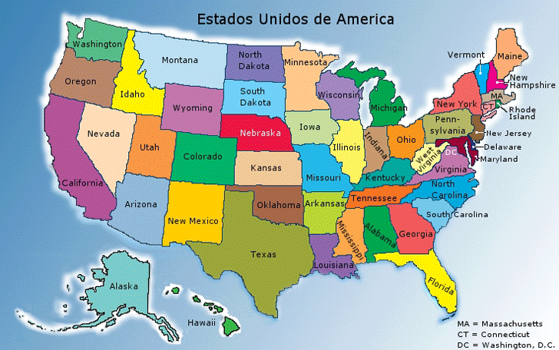
Salt Lake City | Las Vegas | 421 | 677.53214 | 0.0067753214 | 0.0115796607
San Antonio | Houston1 | 195 | 313.8213 | 0.003138213 | 0.0097611065
San Diego | Phoenix | 354 | 569.70636 | 0.0056970636 | 0.0110405318
Seattle | Olympia | 61 | 98.16974 | 0.0009816974 | 0.0086828487
Seattle | Boise | 499 | 803.06066 | 0.0080306066 | 0.0122073033
Seattle | Spokane | 279 | 449.00586 | 0.0044900586 | 0.0104370293
Spokane | Missoula | 197 | 317.03998 | 0.0031703998 | 0.0097771999
St Louis | Chicago1 | 297 | 477.97398 | 0.0047797398 | 0.0105818699
Sunnyvale | San Luis Obispo | 196 | 315.43064 | 0.0031543064 | 0.0097691532
Tucson | Phoenix | 116 | 186.68344 | 0.0018668344 | 0.0091254172
Tulsa | Dallas | 257 | 413.60038 | 0.0041360038 | 0.0102600019
WashingtonDC | Baltimore | 39 | 62.76426 | 0.0006276426 | 0.0085058213
WashingtonDC | Raleigh | 281 | 452.22454 | 0.0045222454 | 0.0104531227
CIDADE1 | CIDADE2 | DISTANCIA (MI) | DISTANCIA (KM) | J/bit | latencia (ms)

https://www,distance-cities,com/
 |  |  |  | 3.6016690392

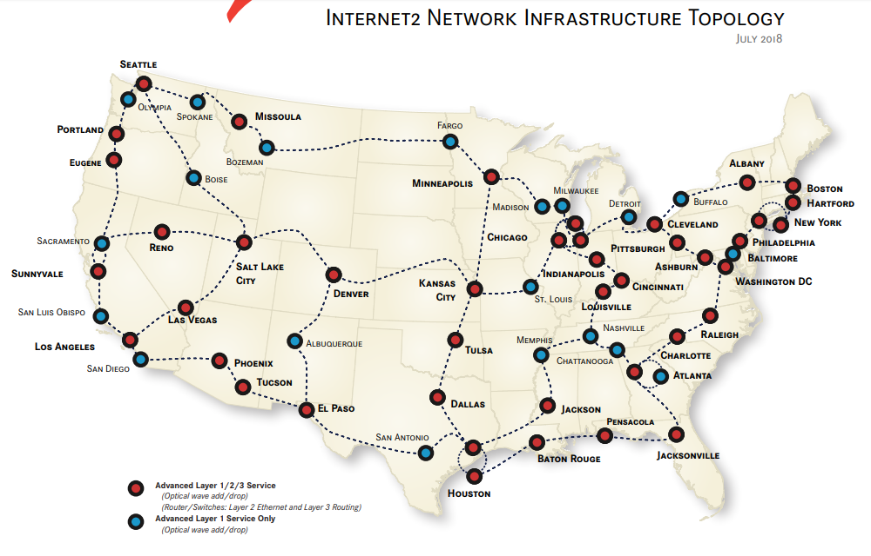

 |  |  |  |  |  |  |  |  |  | $/Kwh | 1/square miles

