Test Cases
TEST CASE IDENTIFICATION |  |  |  | TEST CASE DETAILS |  |  |  | BUG OVERVIEW |  |  |  | ENVIRONMENT |  |  |  | BUG TRACKING |  |  |  | FIX
CASE ID | DATE REPORTED | REPORTED BY | DESCRIPTION (TITLE) | STEPS TO REPRODUCE | EXPECTED RESULT | ACTUAL RESULT | CONCLUSION | SW MODULE NAME | URL / PATH | SCREENSHOT | QA COMMENTS | PLATFORM | OPERATING SYSTEM | Fix version | BROWSER | DEFECT SEVERITY | DEFECT PRIORITY | ASSIGNED TO | STATUS | RESOLUTION | DATE OF FIX
1.1 | 2023-02-09 | Alexandru Dotu | saving the empty data | 1. Open the application 2. Click File/Save | Entered data was saved. This process could be followed by any visual sign from application side. Real saving of data can be checked after restarting of application. | Nothing visual happenned, application didn't fail | PASSED | Save | File/Save | - | Application could give a confirmatioon notice about data Saving. But anyway, application saves all data after Save is clicked even after it crashes. | test application "Windows Manager" | Windows 10 | 1.0.0.14 | - |  |  | - | Open | - | -
1.2 | 2023-02-09 | Alexandru Dotu | export of empty data | 1. Click File/Export passwords 2. Confirm the saving direction or choose another one 3. Modify the offered file name or just click Save | program should notice the user about empty data exporting or to create a file with empty fields | An .xls file was created and saved in direction: C:\Users\Работа\Password Manager\ | PASSED | Export Passwords | File/Export Passwords | 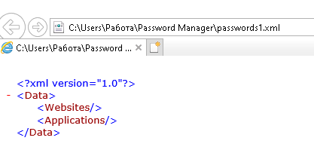 | Sometimes application crashes even during attempt to export any empty data !!! | test application "Windows Manager" | Windows 10 | 1.0.0.14 | - |  |  | - | Open | - | -
1.3 | 2023-02-09 | Alexandru Dotu | export of empty data without final confirmation | 1. Click File/Export passwords 2. Confirm the saving direction or choose another one 3. Modify the offered file name if you need 4. Click Cancel | program should notice the user about the cancel of exporting or just to stop creating any new files | Program gave a warning "Application crashed!" and has closed | FAILED | Export Passwords | File/Export Passwords | 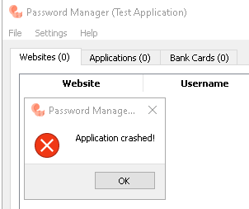 |  | test application "Windows Manager" | Windows 10 | 1.0.0.14 | - |  |  | - | Open | - | -
2.1 | 2023-02-09 | Alexandru Dotu | Unnecessary creation of new record in "Website" tab with empty data | 1. Click “Websites” tab 2. Click “New” button at the bottom line of the application 3. Click “cancel” without entering any data in any field | The window for entering the new data should close. No new lines should be created or other changes in application should happen | The window for entering the new data was closed, but new lines was created every time when “Cancel” button was clicked. These new lines contain some unknown masked passwords, but the lines are open to be edited (a new window with empty data appears each time when you click “Edit” button) | FAILED | Websites | 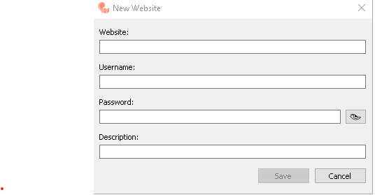 Websites/New | 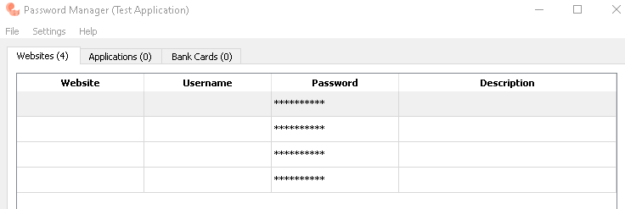 | This procedure has repeated for 4 times | test application "Windows Manager" | Windows 10 | 1.0.0.14 | - |  |  | - | Open | - | -
2.2 | 2023-02-09 | Alexandru Dotu | Creation of new record in "Website" tab with almost empty data (The new record is created when leaving all fields emty on Creation of new record in "Website" tab) | 1. Navigate to website (url) 1.Click “Websites” tab 2. Click “New” button at the bottom line of the application 3. Skip filling up all fields with any data (Leave all the fields empty) 4. In password field enter "space" button, or any other symbol, so the "space" button become active (Enter the space ( ) symbol in the 'Password' field) 4. Click “Save” button | The system should warn you about adding of the new line with epty data. Window for entering the new data shouldn't close when “Save” button is clicked. No new lines should should be created. | The window for entering the of new data is closed. New line are created every time when “Save” button is clicked. All new lines contain empty data and are allowed for editing. In Edit mode, if the “space’ was entered in password field, when you click the "eye" sign, so the new line form looks empty! -> it is another BUG! | FAILED | Websites | Websites/New | 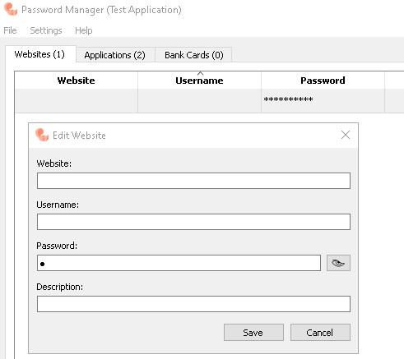 |  | test application "Windows Manager" | Windows 10 | 1.0.0.14 | - |  |  | - | Open | - | -
2.3 | 2023-02-09 | Alexandru Dotu | Creating a new record in "Website" tab with random data | 1. Click “Websites” tab 2. Click “New” button at the bottom line of the application 3. Fill up all fields with any random data. 4. Click “Save” button | The window for entering the new data should be closed every time when “Save” button was clicked. New line should be created afterwards. These new lines should contain proper data | The window for entering the of new data is closed. New line are created every time when “Save” button is clicked. All new lines contain proper data | PASSED | Websites | Websites/New |  |  | test application "Windows Manager" | Windows 10 | 1.0.0.14 | - |  |  | - | Open | - | -
2.4 | 2023-02-09 | Alexandru Dotu | Creating a new record in "Website" tab with complicated (or probably system restricted) password | 1. Click “Websites” tab 2. Click “New” button at the bottom line of the application 3. Fill up all fields with random data. In “password” field, along with letters and numbers enter special symbols like !@#$% etc. 4. Click “Save” button | The window for entering the new data should be closed every time when “Save” button was clicked. New line should be created afterwards. These new lines should contain password with special symbols | The window for entering the of new data is closed. New line are created every time when “Save” button is clicked. All new lines contain password with special symbols | PASSED | Websites | Websites/New |  | Unfortunately, due to the lack of program Specification, it’s impossible to get the proper requirements face to the password set up. During pointing on the password field during entering, no explication notes are shown. Therefore, I’m using ‘monkey’ testing approach during testing | test application "Windows Manager" | Windows 10 | 1.0.0.14 | - |  |  | - | Open | - | -
2.5 | 2023-02-09 | Alexandru Dotu | Creating a new record in "Website" tab by entering of "shift+!" symbol in password field | 1. Click “Websites” tab 2. Click “New” button at the bottom line of the application 3. Fill up all fields with valid data. In “password” field, along with letters and numbers enter combination Shift + ! 4. Click “Save” button | The window for entering the new data should be closed every time when “Save” button was clicked. New line should be created afterwards. These new lines should contain password with special symbols (including "shift+!" symbol) | The application crashes without saving any previously entered data. A fail warning message appears. | FAILED | Websites | Websites/New | 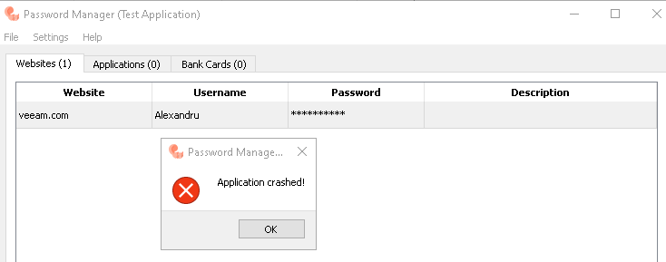 | Entering of "Shift + !" combination in password field crashes the applcation all the times with any Encryption applied! Button "Save" wasn't clicked before this particular test. | test application "Windows Manager" | Windows 10 | 1.0.0.14 | - |  |  | - | Open | - | -
2.6 | 2023-02-09 | Alexandru Dotu | Editing of any record in "Website" tab by entering of symbol combinaiton "shift+!" in password field | 1. Click “Websites” tab 2. Click “Edit” button at the bottom line of the application 3. In password field type “!” symbol holding shift button. 4. Click “Save” button | The window with editing data should be closed every time when “Save” button was clicked. The edited line should remain in the application list. New password should contain any special symbols, including "!" symbol | The application crashes without saving any previously entered data as soon as combination of "shift+!" is entered. A fail warning message appears. | FAILED | Websites | Websites/Edit | 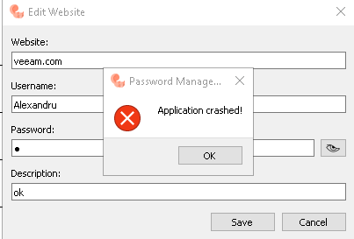 | Sometimes the application allow to create the record containing “shift+!” symbol combination. But anyway it crashes while attempting to Edit such line. So the only way is to delete such line from the application. | test application "Windows Manager" | Windows 10 | 1.0.0.14 | - |  |  | - | Open | - | -
2.7 | 2023-02-11 | Alexandru Dotu | Creating of new line with invalid or nonconforming web page. | 1. Click “Websites” tab 2. Click “New” button at the bottom line of the application 3. Fill up all fields with valid data. In “Website” field enter the any desired symbol 4. Click “Save” button | Application should only accept the entered web sites in common format, or to highlight the link in case of real web site (or to show a worning message about unproper web format). | Application accept any symbol as a web sites description, doesn't highlight the link in case of real web site and doesn't show any worning message about unproper web format. | FAILED | Websites | Websites/New | 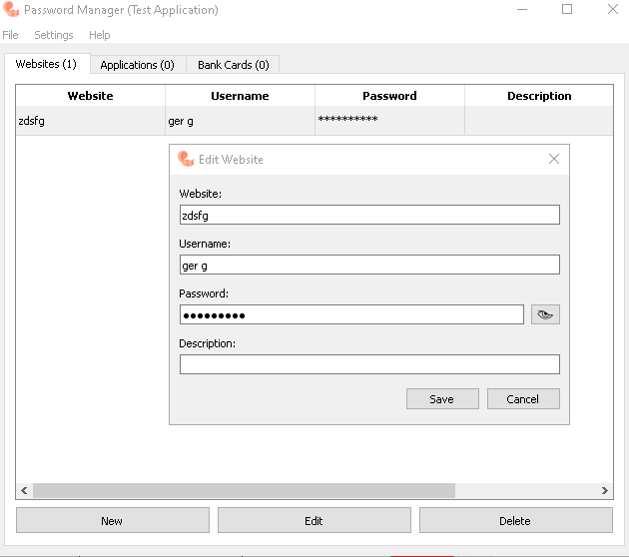 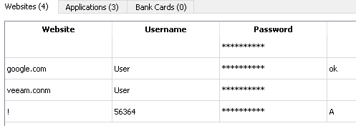 | Due to the lack of specification, it’s impossible to find out if the requirement to enter a valid website is mentioned in Specification. So it is not clear either this is a defect or not. Anyway, I treat it as a bug since no warning message appear. | test application "Windows Manager" | Windows 10 | 1.0.0.14 | - |  |  | - | Open | - | -
2.8 | 2023-02-11 | Alexandru Dotu | Creating of new line by entering just "space" symbol in password field. | 1. Click “Websites” tab 2. Click “New” button at the bottom line of the application 3. Fill up all fields with valid data. In “password” field enter the "space" symbol 4. Click “Save” button | The window for entering the new data shouldn't be closed when “Save” button was clicked. The application should give a warning about saving unproper password. New password should be entered. | The window for entering the of new data is closed. New line was created after “Save” button was clicked. New line contain "space" as a password and is allowed for editing | FAILED | Websites | Websites/New | 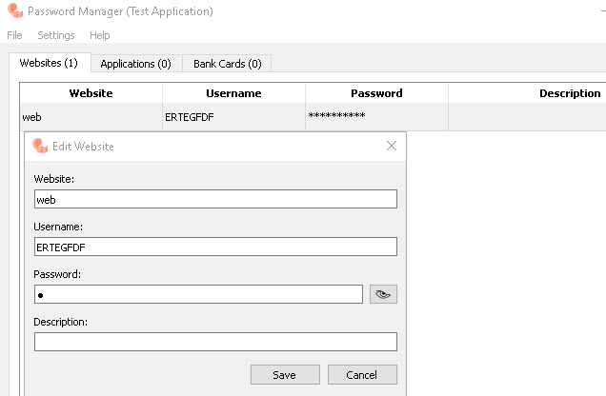 | Unfortunately, due to the lack of program Specification, it’s impossible to get the proper requirements face to the password set up. But, anyway, I think that entering the “space” symbol in password field is not acceptable, therefore I’m reporting it as a bug | test application "Windows Manager" | Windows 10 | 1.0.0.14 | - |  |  | - | Open | - | -
2.9 | 2023-02-11 | Alexandru Dotu | Creating of new line by entering in password field maximal symbols that could fit in the password field. | 1. Click “Websites” tab 2. Click “New” button at the bottom line of the application 3. Fill up all fields with valid data. In “password” field enter the maximal symbols that could fit in that field 4. Click “Save” button | The window for entering the new data should be closed when “Save” button was clicked. New line should be created afterwards. These new line should contain password with maximal possible number of symbols (30psc), without "shift+!" symbol | The window for entering the of new data is closed. New line was created after “Save” button was clicked. New line contain empty field instead of masked password symbols | FAILED | Websites | Websites/New | 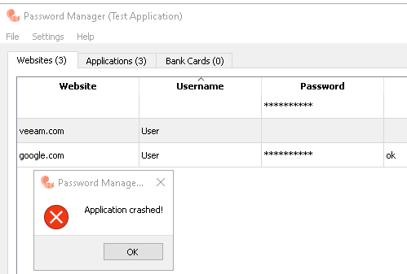 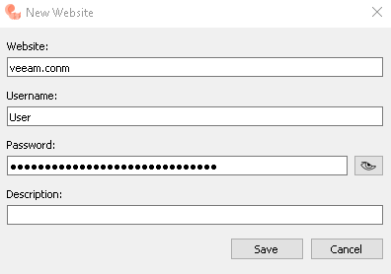 |  | test application "Windows Manager" | Windows 10 | 1.0.0.14 | - |  |  | - | Open | - | -
2.10 | 2023-02-11 | Alexandru Dotu | Editing of record in "Website" tab without any symbol in password field | 1. Click “Websites” tab 2.Choose the line with empty Password field 3. Click “Edit” button at the bottom line of the application | The window with editing data should be open after Edit is clicked and to be closed every time when “Save” button was clicked. The edited line should remain in the application list. New password should contain any special symbols, including "!" symbol | The application crashes with saving previously entered data as soon as Edit button is clicked. A fail warning message appears. | FAILED | Websites | Websites/Edit |  | Button "Save" was cklicked before this test. | test application "Windows Manager" | Windows 10 | 1.0.0.14 | - |  |  | - | Open | - | -
2.11 | 2023-02-11 | Alexandru Dotu | Creation of new record in "Websites" tab with special symbols | 1. Click “Websites” tab 2. Click “New” button at the bottom line of the application 3. Fill all fields with special symbols, including regular ones 4. Click “Save” | The window for entering of new data should be closed every time when “Save” button was clicked. New line should be created afterwards. These new lines should contain special sybmols in a row with regular ones | The window for entering the of new data is closed. New lines are created every time when “Save” button is clicked. All new lines contain some data with special symbols and are allowed for editing. | PASSED | Websites | Websites/New | 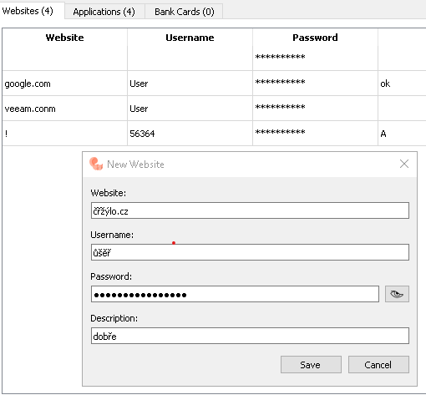 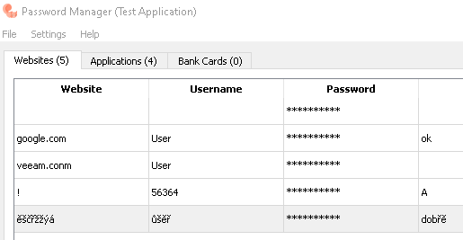 |  | test application "Windows Manager" | Windows 10 | 1.0.0.14 | - |  |  | - | Open | - | -
2.12 | 2023-02-11 | Alexandru Dotu | Creating of new line by entering in password field maximal symbols that could fit in the password field. | 1. Click “Websites” tab 2. Click “New” button at the bottom line of the application 3. Fill up all fields with valid data. In “password” field enter the maximal symbols that could fit in that field 4. Click “Save” button | The window for entering the new data should be closed when “Save” button was clicked. New line should be created afterwards. These new line should contain password with maximal possible number of symbols (30psc), without "shift+!" symbol | The window for entering the of new data is closed. New line was created after “Save” button was clicked. New line contain empty field instead of masked password symbols | PASSED | Websites | Websites/New | 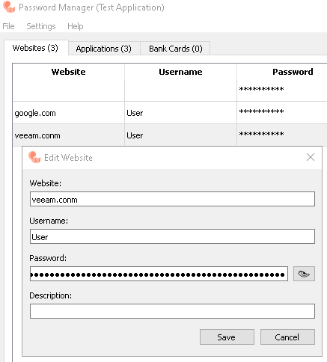 | Gorilla testing | test application "Windows Manager" | Windows 10 | 1.0.0.14 | - |  |  | - | Open | - | -
2.13 | 2023-02-11 | Alexandru Dotu | In Websites tab creating of new line by entering maximal symbols that could fit in all fields. | 1. Click “Websites” tab 2. Click “New” button at the bottom line of the application 3. Fill up all fields with maximum permitted data (enter the maximal symbols that could fit in that field) 4. Click “Save” button | The window for entering the new data should be closed when “Save” button was clicked. New line should be created afterwards. These new line should contain all fields with maximal possible number of symbols, permitted by the application | The window for entering the of new data is closed. New line was created after “Save” button was clicked. New line contain maximal symbols permitted by the application | PASSED | Websites | Websites/New |  |  | test application "Windows Manager" | Windows 10 | 1.0.0.14 | - |  |  | - | Open | - | -
2.14 | 2023-02-11 | Alexandru Dotu | In Websites tab editing of the record line containing maximal symbols that could fit in any field. | 1. Click “Websites” tab 2. Click “Edit” button at the bottom line of the application | The window with editing data should be open after Edit is clicked and to be closed every time when “Save” button was clicked. The edited line should remain in the application list. New edited data should be displayed in respective fields of the application (except Password field) | The application freezes for long time as soon as Edit button is clicked. No warning messages appears. Application could be closed using Task Manager only ! | FAILED | Websites | Websites/Edit | 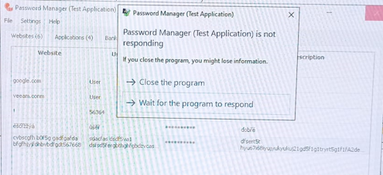 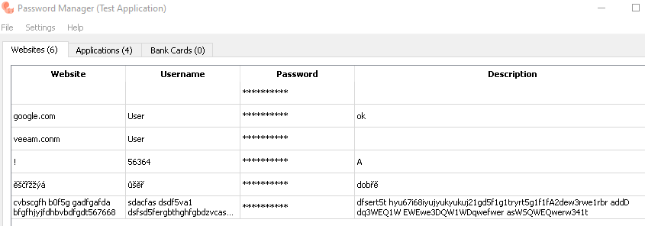 | Gorilla testing | test application "Windows Manager" | Windows 10 | 1.0.0.14 | - |  |  | - | Open | - | -
3.1 | 2023-02-11 | Alexandru Dotu | Creation of new record in "Application" tab with valid data | 1. Click “Application” tab 2. Click “New” button at the bottom line of the application 3. Fill all fields with walid data 4. Click “Save” | The window for entering the new data should be closed every time when “Save” button was clicked. New line should be created afterwards. These new lines should contain proper data | The window for entering the of new data is closed. New lines are created every time when “Save” button is clicked. All new lines contain some data and are allowed for editing. But not all entered data are corresponding to the entered during creating the line. All passwords are equal to the "Username" column data! This could be checked only in Edit mode, after opening edit window and clicking on "eye" sign. | FAILED | Applications | Applications/New | 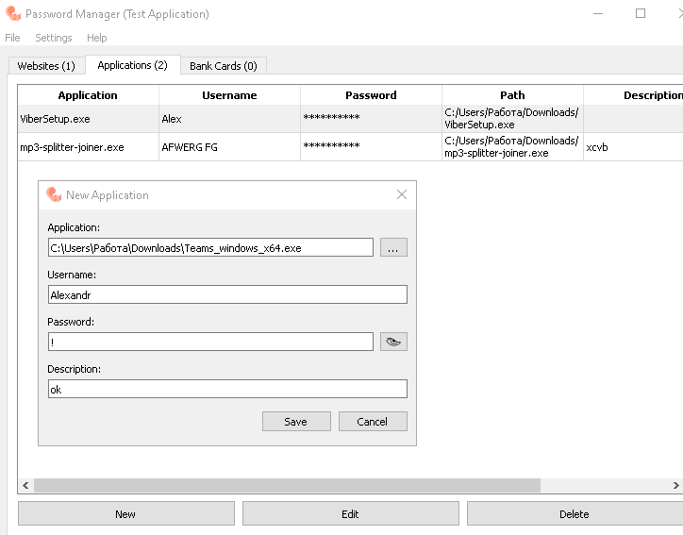 | Formally the test passed, but the failure is revealed after checking in Edit mode | test application "Windows Manager" | Windows 10 | 1.0.0.14 | - |  |  | - | Open | - | -
3.2 | 2023-02-11 | Alexandru Dotu | Editing of the record in "Application" tab with valid data | 1. Click “Application” tab 2. Choose a line from the list 3. Click “Edit” button at the bottom line of the application 4. Click "eye" sign next to the password field (it should be equal to "Username" field data) 5. Update the field with walid data 6. Click “Save” | The window for entering the new data should be closed every time when “Save” button was clicked. New password should be saved. | The Edit window with updated password data is closed. The edited line is saved after “Save” button is clicked. Edited lines are stored in Application field and allowed for reediting. Hence, updated data with new password doesn't save, but remain as before and is equal to the "Username" column data. This issue could be checked only in Edit mode, after opening edit window and clicking on "eye" sign. | FAILED | Applications | Applications/Edit | 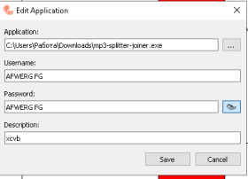 |  | test application "Windows Manager" | Windows 10 | 1.0.0.14 | - |  |  | - | Open | - | -
3.3 | 2023-02-11 | Alexandru Dotu | Ccreation of new record in "Application" tab with special symbols | 1. Click “Application” tab 2. Click “New” button at the bottom line of the application 3. In Application field click "..." and choose needed file from the list 4. Fill all next fields with special symbols, including regular ones 5. Click “Save” | The window for entering of new data should be closed every time when “Save” button was clicked. New line should be created afterwards. These new lines should contain special sybmols in a row with regular ones | The window for entering the of new data is closed. New lines are created every time when “Save” button is clicked. All new lines contain some data with special symbols and are allowed for editing. | PASSED | Applications | Applications/New |  | Formally the test passed, but not all entered data is corresponding to the entered one during creating. All passwords are still equal to the "Username" column data. This could be checked only in Edit mode, after opening edit window and clicking on "eye" sign. | test application "Windows Manager" | Windows 10 | 1.0.0.14 | - |  |  | - | Open | - | -
3.4 | 2023-02-11 | Alexandru Dotu | In Applications tab creating of new line by entering maximal symbols that could fit in all fields. | 1. Click Applications” tab 2. Click “New” button at the bottom line of the application 3. Fill up all fields with maximum permitted data (enter the maximal symbols that could fit in that field) 4. Click “Save” button | The window for entering the new data should be closed when “Save” button was clicked. New line should be created afterwards. These new line should contain all fields with maximal possible number of symbols, permitted by the application | The window for entering the of new data doesn't close and no new line is created. The application crashed when Username field reaches it's maximal symbol capacity - 25 pcs during creating a new line application | FAILED | Applications | Applications/New | 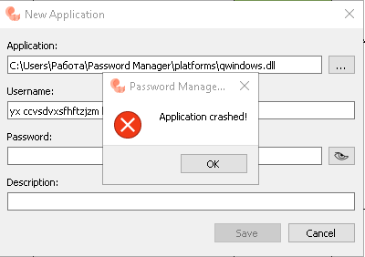 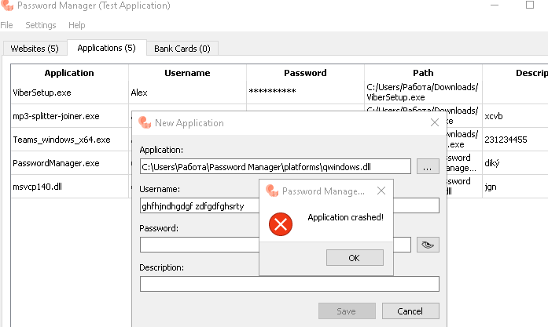 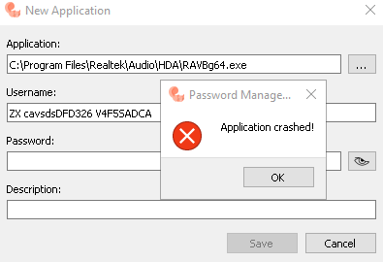 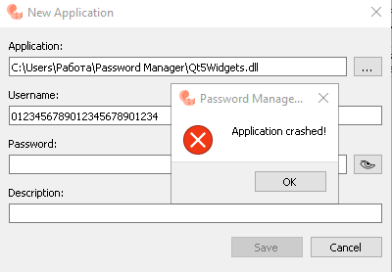 | Test repeated for 4 times in order to understand the reason of failure | test application "Windows Manager" | Windows 10 | 1.0.0.14 | - |  |  | - | Open | - | -
3.5 | 2023-02-11 | Alexandru Dotu | In Applications tab editing of the record line containing maximal symbols that could fit in all fields (except Username field - it has up to 25 symbols). | 1. Click “Applications” tab 2. Click “Edit” button at the bottom line of the application 3. Make necessary adjustments 4. Click Save | The window with editing data should be open after Edit is clicked and to be closed every time when “Save” button was clicked. The edited line should remain in the application list. New edited data should be displayed in respective fields of the application (except Password field) | The window for editing the of the data is closed. New lines remain in Application records every time when “Save” button is clicked. Edited lines contain entered data and are allowed for reediting. | PASSED | Applications | Applications/Edit |  | During creation of new record, the maximal length of the password is about 23 symbols. But when you Edit the same line, application allow to add up to 50 symbols, though they doesn’t save in final version and could be checked only during next Edit session. | test application "Windows Manager" | Windows 10 | 1.0.0.14 | - |  |  | - | Open | - | -
3.6 | 2023-02-11 | Alexandru Dotu | In "Application" tab program allow to create new records for applications with extensions other than “exe” | 1. Click “Application” tab 2. Click “New” button at the bottom line of the application 3. In Application field click "..." button 4. Choose any file from the offered list of “exe” and “dll” files 4. Fill all next fields with special symbols, including regular ones 5. Click “Save” | By clicking "..." button In “Application” field, it should be shown the list with “exe” files only! Rest of the files, such as “.dll”, “.ini”, “.dat” etc. don’t have to be part of the list. As well, application shouldn’t let to add in the list the files with “.dll” extension and to create the new records for such files. | In open New Application window after clicking "..." button In “Application” field there is a list with “.exe” and “.dll” files only. Application permit to add in the list the files with “.dll” extension and to create the new records for such files. | FAILED | Applications | Applications/New |  | Due to the lack of program Specification, it’s impossible to get the proper requirements face to the allowed applications to be stored. Anyway, I think that storing the applications with “.dll” extension is not acceptable, therefore I’m reporting it as a bug | test application "Windows Manager" | Windows 10 | 1.0.0.14 | - |  |  | - | Open | - | -
 | 2023-02-11 | Alexandru Dotu |  |  |  |  |  |  |  |  |  | test application "Windows Manager" | Windows 10 | 1.0.0.14 | - | Minor | Low | - | Open | - | -
 | 2023-02-11 | Alexandru Dotu |  |  |  |  |  |  |  |  |  | test application "Windows Manager" | Windows 10 | 1.0.0.14 | - |  |  | - | Open | - | -
4.1 | 2023-02-12 | Alexandru Dotu | Create a new record in “Bank Cards” tab with any random symbol | 1. Click “Bank Cards” tab 2. Click “New” button at the bottom line of the application 3. Fill up all fields with any random data. 4. Click “Save” button | The window for entering the new data should be closed every time when “Save” button is clicked. New line should be created in Bank Cards tab afterwards. | The window for entering the of new data in Bank Cards tab is closed. New line are created every time when “Save” button is clicked. | PASSED | Bank Cards | Bank Cards/New |  |  | test application "Windows Manager" | Windows 10 | 1.0.0.14 | - |  |  | - | Open | - | -
4.2 | 2023-02-12 | Alexandru Dotu | Allowing to enter proper data in Bank and Card Holder fields | 1. Click “Bank Cards” tab 2. Click “New” button at the bottom line of the application 3. Fill up Bank field with any random data. 4. Fill up Card number field with any random data. 5. Click “Save” button | The Bank field could accept the letters and number symbols only. The card Number field should accept the digits and "space" symbol only. The maximal length of this field should be limited to 23 symbols. | The Bank field accepts any possible symbols. The card Number field accepts any possible symbols, including space symbol. The maximal length of this field is 50 symbols. | FAILED | Bank Cards | Bank Cards/New | 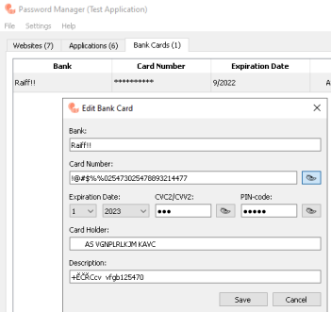 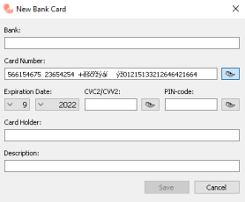 | * Regular length of banking card number is 16-19 digits. Taking in consideration the maximal length of 19 digits and 4 possible space symbols between 4-blocks of digits, I would recommend to limit the max. length up to 23 symbols. | test application "Windows Manager" | Windows 10 | 1.0.0.14 | - |  |  | - | Open | - | -
4.3 | 2023-02-12 |  | don't allow to add numbers and other symbols in Card Holder field, but allow it during Edit |  |  |  |  | Bank Cards | Bank Cards/New
4.3 | 2023-02-12 | Alexandru Dotu | CVV |  |  |  |  |  |  | 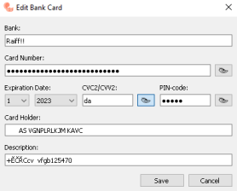 |  | test application "Windows Manager" | Windows 10 | 1.0.0.14 | - |  |  | - | Open | - | -
4.4 | 2023-02-12 |  | PIN |  |  |  |  |  |  | 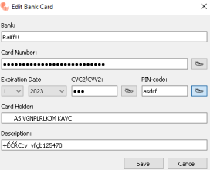
4.5 | 2023-02-12 |  | Card Holder name - possible to edit and add numbers !!!
4.6 | 2023-02-12 | Alexandru Dotu | fill with space symbols possible to Edit! |  |  |  |  | Bank Cards | Bank Cards/New | 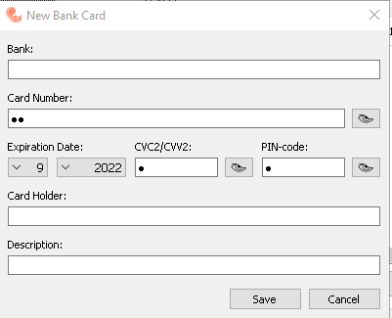 |  | test application "Windows Manager" | Windows 10 | 1.0.0.14 | - |  |  | - | Open | - | -
4.7. | 2023-02-11 | Alexandru Dotu |  |  |  |  |  |  |  |  |  | test application "Windows Manager" | Windows 10 | 1.0.0.14 | - |  |  | - | Open | - | -
4.8 | 2023-02-11 | Alexandru Dotu |  |  |  |  |  |  |  |  |  | test application "Windows Manager" | Windows 10 | 1.0.0.14 | - |  |  | - | Open | - | -
 | 2023-02-11 | Alexandru Dotu |  |  |  |  |  |  |  |  |  | test application "Windows Manager" | Windows 10 | 1.0.0.14 | - |  |  | - | Open | - | -
 | 2023-02-11 | Alexandru Dotu |  |  |  |  |  |  |  |  |  | test application "Windows Manager" | Windows 10 | 1.0.0.14 | - |  |  | - | Open | - | -
 | 2023-02-11 | Alexandru Dotu |  |  |  |  |  |  |  |  |  | test application "Windows Manager" | Windows 10 | 1.0.0.14 | - |  |  | - | Open | - | -
 | 2023-02-11 | Alexandru Dotu |  |  |  |  |  |  |  |  |  | test application "Windows Manager" | Windows 10 | 1.0.0.14 | - |  |  | - | Open | - | -
 | 2023-02-11 | Alexandru Dotu |  |  |  |  |  |  |  |  |  | test application "Windows Manager" | Windows 10 | 1.0.0.14 | - |  |  | - | Open | - | -
 | 2023-02-11 | Alexandru Dotu |  |  |  |  |  |  |  |  |  | test application "Windows Manager" | Windows 10 | 1.0.0.14 | - |  |  | - | Open | - | -
 | 2023-02-11 | Alexandru Dotu |  |  |  |  |  |  |  |  |  | test application "Windows Manager" | Windows 10 | 1.0.0.14 | - |  |  | - | Open | - | -
 | 2023-02-11 | Alexandru Dotu |  |  |  |  |  |  |  |  |  | test application "Windows Manager" | Windows 10 | 1.0.0.14 | - |  |  | - | Open | - | -
 | 2023-02-11 | Alexandru Dotu |  |  |  |  |  |  |  |  |  | test application "Windows Manager" | Windows 10 | 1.0.0.14 | - |  |  | - | Open | - | -
 | 2023-02-11 | Alexandru Dotu |  |  |  |  |  |  |  |  |  | test application "Windows Manager" | Windows 10 | 1.0.0.14 | - |  |  | - | Open | - | -
 | 2023-02-11 | Alexandru Dotu |  |  |  |  |  |  |  |  |  | test application "Windows Manager" | Windows 10 | 1.0.0.14 | - |  |  | - | Open | - | -
 | 2023-02-11 | Alexandru Dotu |  |  |  |  |  |  |  |  |  | test application "Windows Manager" | Windows 10 | 1.0.0.14 | - |  |  | - | Open | - | -
 | 2023-02-11 | Alexandru Dotu |  |  |  |  |  |  |  |  |  | test application "Windows Manager" | Windows 10 | 1.0.0.14 | - |  |  | - | Open | - | -
 | 2023-02-11 | Alexandru Dotu |  |  |  |  |  |  |  |  |  | test application "Windows Manager" | Windows 10 | 1.0.0.14 | - |  |  | - | Open | - | -
 | 2023-02-11 | Alexandru Dotu |  |  |  |  |  |  |  |  |  | test application "Windows Manager" | Windows 10 | 1.0.0.14 | - |  |  | - | Open | - | -
 | 2023-02-11 | Alexandru Dotu |  |  |  |  |  |  |  |  |  | test application "Windows Manager" | Windows 10 | 1.0.0.14 | - |  |  | - | Open | - | -
 | 2023-02-11 | Alexandru Dotu |  |  |  |  |  |  |  |  |  | test application "Windows Manager" | Windows 10 | 1.0.0.14 | - |  |  | - | Open | - | -
 | 2023-02-11 | Alexandru Dotu |  |  |  |  |  |  |  |  |  | test application "Windows Manager" | Windows 10 | 1.0.0.14 | - |  |  | - | Open | - | -
 | 2023-02-11 | Alexandru Dotu | delete Master password |  |  |  | PASSED | Set master password | Settings/Set master password |  |  | test application "Windows Manager" | Windows 10 | 1.0.0.14 | - |  |  | - | Open | - | -
 | 2023-02-11 | Alexandru Dotu |  |  |  |  |  |  |  | 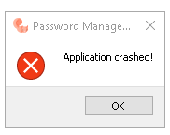 |  | test application "Windows Manager" | Windows 10 | 1.0.0.14 | - |  |  | - | Open | - | -
 | 2023-02-11 | Alexandru Dotu |  |  |  |  |  |  |  |  |  | test application "Windows Manager" | Windows 10 | 1.0.0.14 | - |  |  | - | Open | - | -
 | 2023-02-11 | Alexandru Dotu |  |  |  |  |  |  |  |  |  | test application "Windows Manager" | Windows 10 | 1.0.0.14 | - |  |  | - | Open | - | -
 | 2023-02-11 | Alexandru Dotu | after deleting or clearing of te lines, the numerotaton remain the same |  |  |  | FAILED | Clear all passwords |  | 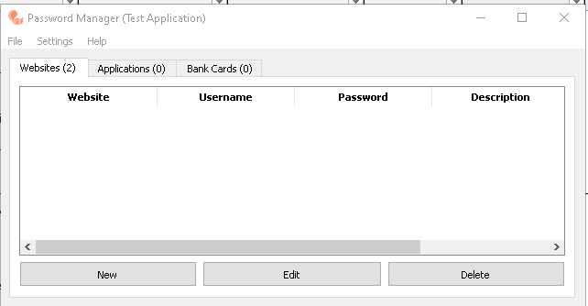 |  | test application "Windows Manager" | Windows 10 | 1.0.0.14 | - |  |  | - | Open | - | -
 | 2023-02-11 | Alexandru Dotu | after attempt to delete the empty lines, the application fails after confirmation of all files clearing |  |  |  | FAILED |  |  | 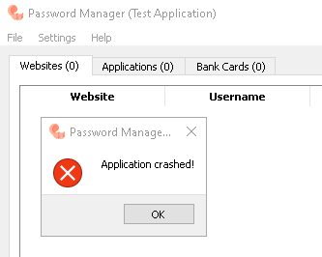 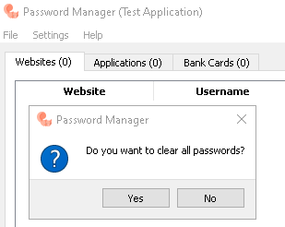 | When you cancel clearing all passwords, application continue working | test application "Windows Manager" | Windows 10 | 1.0.0.14 | - |  |  | - | Open | - | -
 | 2023-02-11 | Alexandru Dotu |  |  |  |  |  |  |  |  |  | test application "Windows Manager" | Windows 10 | 1.0.0.14 | - |  |  | - | Open | - | -
 | 2023-02-11 | Alexandru Dotu |  |  |  |  |  |  |  |  |  | test application "Windows Manager" | Windows 10 | 1.0.0.14 | - |  |  | - | Open | - | -
 |  | Alexandru Dotu |  |  |  |  |  |  |  |  |  | test application "Windows Manager" | Windows 10 | 1.0.0.14 | - |  |  | - | Open | - | -
 |  | Alexandru Dotu |  |  |  |  |  |  |  |  |  | test application "Windows Manager" | Windows 10 | 1.0.0.14 | - |  |  | - | Open | - | -
 |  | Alexandru Dotu |  |  |  |  |  |  |  |  |  | test application "Windows Manager" | Windows 10 | 1.0.0.14 | - |  |  | - | Open | - | -
 |  | Alexandru Dotu |  |  |  |  |  |  |  |  |  | test application "Windows Manager" | Windows 10 | 1.0.0.14 | - |  |  | - | Open | - | -
 |  | Alexandru Dotu |  |  |  |  |  |  |  |  |  | test application "Windows Manager" | Windows 10 | 1.0.0.14 | - |  |  | - | Open | - | -
 |  | Alexandru Dotu |  |  |  |  |  |  |  |  |  | test application "Windows Manager" | Windows 10 | 1.0.0.14 | - |  |  | - | Open | - | -
 |  | Alexandru Dotu |  |  |  |  |  |  |  |  |  | test application "Windows Manager" | Windows 10 | 1.0.0.14 | - |  |  | - | Open | - | -
 |  | Alexandru Dotu |  |  |  |  |  |  |  |  |  | test application "Windows Manager" | Windows 10 | 1.0.0.14 | - |  |  | - | Open | - | -
 |  | Alexandru Dotu |  |  |  |  |  |  |  |  |  | test application "Windows Manager" | Windows 10 | 1.0.0.14 | - |  |  | - | Open | - | -
 |  | Alexandru Dotu |  |  |  |  |  |  |  |  |  | test application "Windows Manager" | Windows 10 | 1.0.0.14 | - |  |  | - | Open | - | -
 |  | Alexandru Dotu |  |  |  |  |  |  |  |  |  | test application "Windows Manager" | Windows 10 | 1.0.0.14 | - |  |  | - | Open | - | -
 | 2023-02-12 | Alexandru Dotu |  |  |  |  |  |  |  |  |  | test application "Windows Manager" | Windows 10 | 1.0.0.14 | - |  |  | - | Open | - | -
 |  |  |  |  |  |  |  |  |  |  |  | test application "Windows Manager" | Windows 10 | 1.0.0.14 | - |  |  | - | Open | - | -

1.2.1
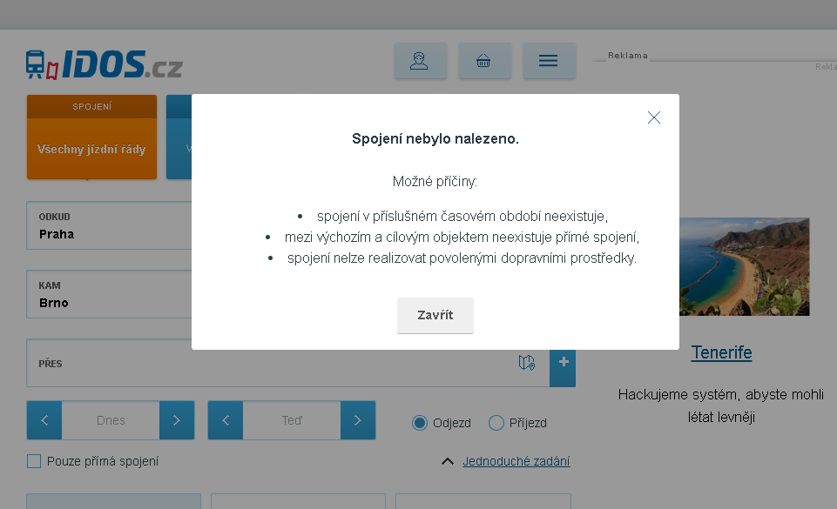
 | ВЕРНУТЬСЯ к ТЕСТ КЕЙСУ
Скриншот ошибки "Такие рейсы не найдены"

1.3.3
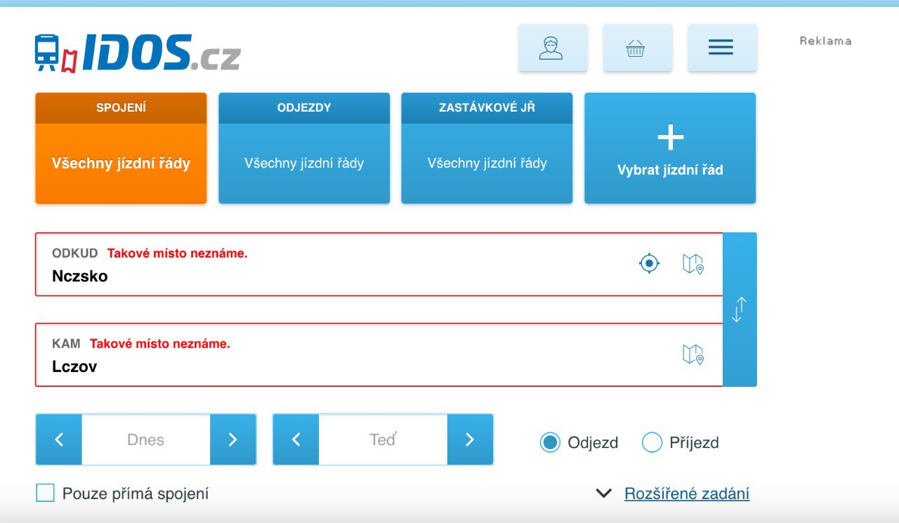
ВЕРНУТЬСЯ к ТЕСТ КЕЙСУ

Скриншот предупреждения "Такие адреса неизвестны"

