1.2.1
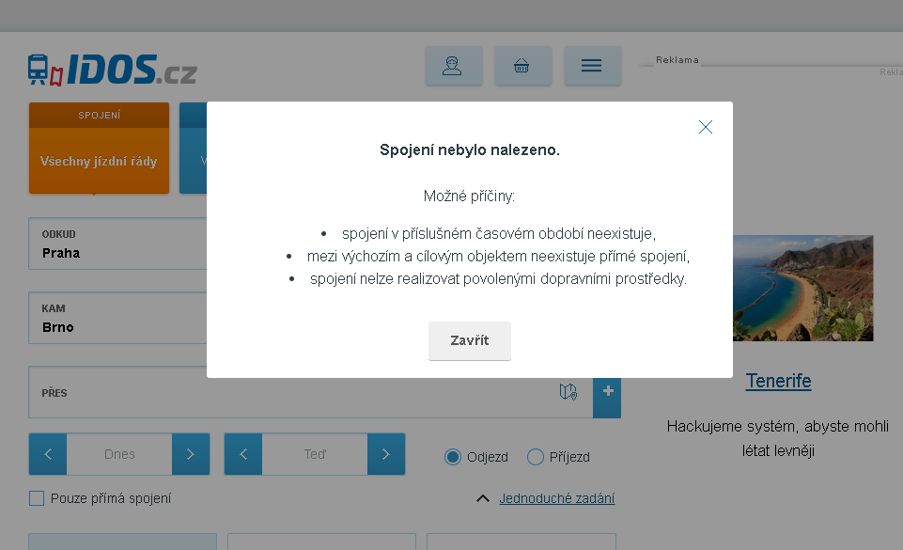
 | ВЕРНУТЬСЯ к ТЕСТ КЕЙСУ
Скриншот ошибки "Такие рейсы не найдены"

1.3.3
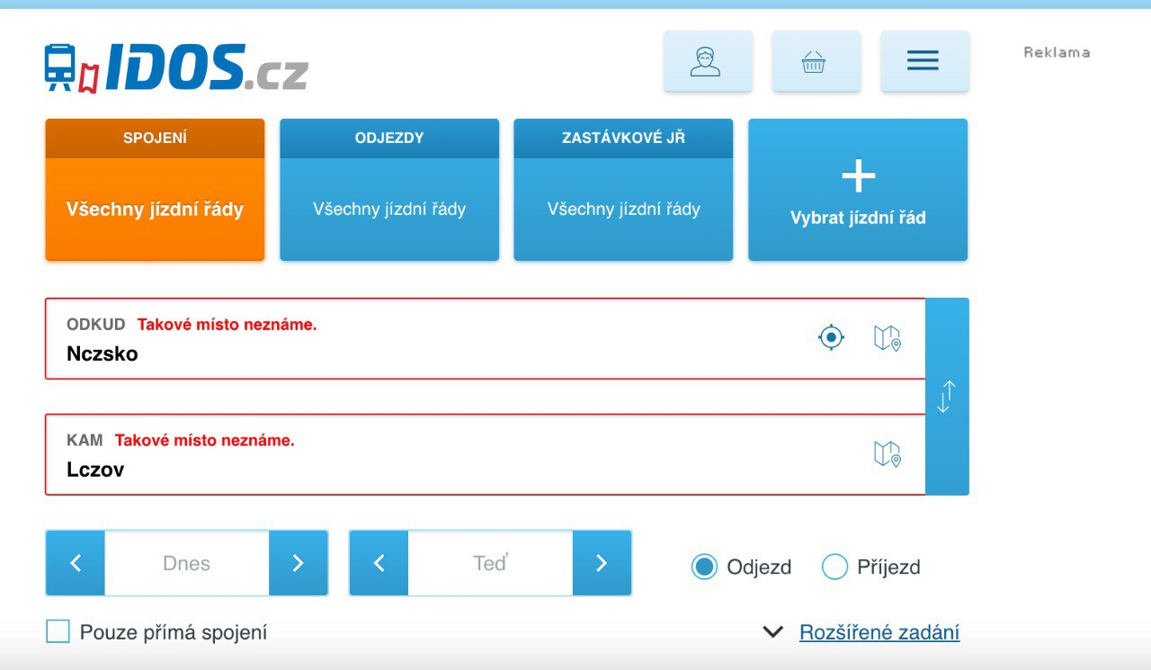
ВЕРНУТЬСЯ к ТЕСТ КЕЙСУ

Скриншот предупреждения "Такие адреса неизвестны"

