Sheet1
MPPC_1 Ch | FARICH Cube_1(top-left) | FARICH Cube_2(bottom-left) | MPPC_2 Ch | FARICH Cube_1(top-right) | FARICH Cube_2(bottom-right)
128 | N/A | N/A | 128
127 | A_G8 | N/A | 127
126 | N/A | A_G1 | 126
128------------------1
128------------------1
128------------------1
128------------------1
125 | N/A | A_H1 | 125
124 | A_G8 | N/A | 124
MPPC_3
MPPC_4
123 | A_H8 | N/A | 123
MPPC_1
MPPC_2
122 | N/A | A_H1 | 122
121 | N/A | A_H2 | 121
120 | A_H8 | N/A | 120
119 | A_H7 | N/A | 119
118 | N/A | A_H2 | 118
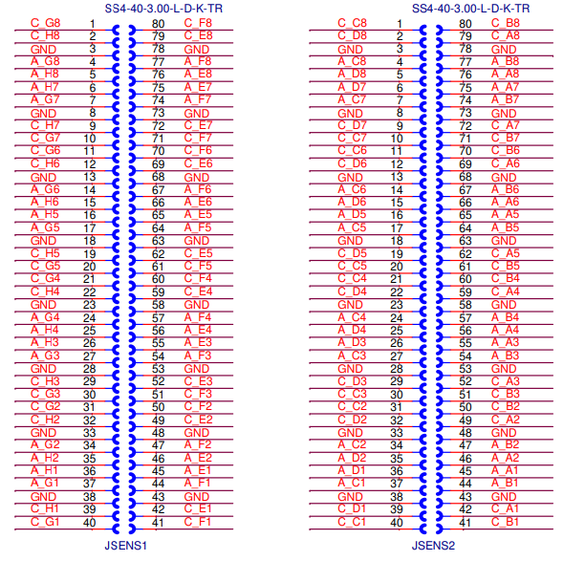
117 | N/A | A_G2 | 117
116 | A_H7 | N/A | 116
115 | A_G7 | N/A | 115
114 | N/A | A_G2 | 114
113 | N/A | A_G3 | 113
112 | A_G7 | N/A | 112
111 | A_G6 | N/A | 111
110 | N/A | A_G3 | 110
109 | N/A | A_H3 | 109
108 | A_G6 | N/A | 108
107 | A_H6 | N/A | 107
106 | N/A | A_H3 | 106
105 | N/A | A_H4 | 105
104 | A_H6 | N/A | 104
103 | A_H5 | N/A | 103
102 | N/A | A_H4 | 102
101 |  |  | 101
100 |  |  | 100
99 |  |  | 99
98 |  |  | 98
97 |  |  | 97
96 |  |  | 96
95 |  |  | 95
94 |  |  | 94
93 |  |  | 93
92 |  |  | 92
91 |  |  | 91
90 |  |  | 90
89 |  |  | 89
88 |  |  | 88
87 |  |  | 87
86 |  |  | 86
85 |  |  | 85
84 |  |  | 84
83 |  |  | 83
82 |  |  | 82
81 |  |  | 81
80 |  |  | 80
79 |  |  | 79
78 |  |  | 78
77 |  |  | 77
76 |  |  | 76
75 |  |  | 75
74 |  |  | 74
73 |  |  | 73
72 |  |  | 72
71 |  |  | 71
70 |  |  | 70
69 |  |  | 69
68 |  |  | 68
67 |  |  | 67
66 |  |  | 66
65 |  |  | 65
64 |  |  | 64
63 |  |  | 63
62 |  |  | 62
61 |  |  | 61
60 |  |  | 60
59 |  |  | 59
58 |  |  | 58
57 |  |  | 57
56 |  |  | 56
55 |  |  | 55
54 |  |  | 54
53 |  |  | 53
52 |  |  | 52
51 |  |  | 51
50 |  |  | 50
49 |  |  | 49
48 |  |  | 48
47 |  |  | 47
46 |  |  | 46
45 |  |  | 45
44 |  |  | 44
43 |  |  | 43
42 |  |  | 42
41 |  |  | 41
40 |  |  | 40
39 |  |  | 39
38 |  |  | 38
37 |  |  | 37
36 |  |  | 36
35 |  |  | 35
34 |  |  | 34
33 |  |  | 33
32 |  |  | 32
31 |  |  | 31
30 |  |  | 30
29 |  |  | 29
28 |  |  | 28
27 |  |  | 27
26 |  |  | 26
25 |  |  | 25
24 |  |  | 24
23 |  |  | 23
22 |  |  | 22
21 |  |  | 21
20 |  |  | 20
19 |  |  | 19
18 |  |  | 18
17 |  |  | 17
16 |  |  | 16
15 |  |  | 15
14 |  |  | 14
13 |  |  | 13
12 |  |  | 12
11 |  |  | 11
10 |  |  | 10
9 |  |  | 9
8 |  |  | 8
7 |  |  | 7
6 |  |  | 6
5 |  |  | 5
4 |  |  | 4
3 |  |  | 3
2 |  |  | 2
1 |  |  | 1

