Sheet1

Cube_1 (Top)
MPPC_1 Ch | FARICH Cube_1(top) | FARICH Cube_2(bottom) | MPPC_2 Ch | FARICH Cube_1(top) | FARICH Cube_2(bottom)
128 | N/A | N/A | 128 | N/A | N/A
127 | A_G8 | N/A | 127 | A_G8 | N/A
126 | N/A | A_G1 | 126 | N/A | A_G1
128------------------1
128------------------1
128------------------1
128------------------1
125 | N/A | A_H1 | 125 | N/A | A_H1
124 | A_G8 | N/A | 124 | A_G8 | N/A
MPPC_3
MPPC_4
123 | A_H8 | N/A | 123 | A_H8 | N/A
MPPC_1
MPPC_2
122 | N/A | A_H1 | 122 | N/A | A_H1
121 | N/A | A_H2 | 121 | N/A | A_H2
120 | A_H8 | N/A | 120 | A_H8 | N/A
Cube_2 (Bottom)
119 | A_H7 | N/A | 119 | A_H7 | N/A
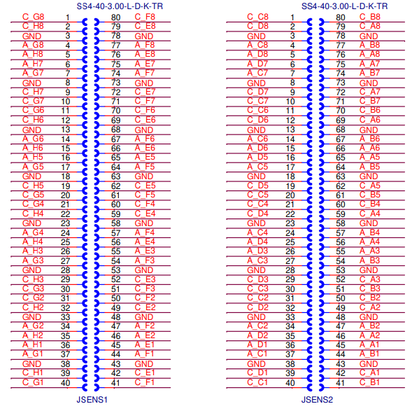
118 | N/A | A_H2 | 118 | N/A | A_H2
117 | N/A | A_G2 | 117 | N/A | A_G2
116 | A_H7 | N/A | 116 | A_H7 | N/A
115 | A_G7 | N/A | 115 | A_G7 | N/A
114 | N/A | A_G2 | 114 | N/A | A_G2
113 | N/A | A_G3 | 113 | N/A | A_G3
112 | A_G7 | N/A | 112 | A_G7 | N/A
111 | A_G6 | N/A | 111 | A_G6 | N/A
110 | N/A | A_G3 | 110 | N/A | A_G3
109 | N/A | A_H3 | 109 | N/A | A_H3
108 | A_G6 | N/A | 108 | A_G6 | N/A
107 | A_H6 | N/A | 107 | A_H6 | N/A
106 | N/A | A_H3 | 106 | N/A | A_H3
105 | N/A | A_H4 | 105 | N/A | A_H4
104 | A_H6 | N/A | 104 | A_H6 | N/A
103 | A_H5 | N/A | 103 | A_H5 | N/A
102 | N/A | A_H4 | 102 | N/A | A_H4
101 | N/A | A_G4 | 101 | N/A | A_G4
100 | A_H5 | N/A | 100 | A_H5 | N/A
99 | A_G5 | N/A | 99 | A_G5 | N/A
98 | N/A | A_G4 | 98 | N/A | A_G4
97 | N/A | A_G5 | 97 | N/A | A_G5
96 | A_G5 | N/A | 96 | A_G5 | N/A
95 | A_G4 | N/A | 95 | A_G4 | N/A
94 | N/A | A_G5 | 94 | N/A | A_G5
93 | N/A | A_H5 | 93 | N/A | A_H5
92 | A_G4 | N/A | 92 | A_G4 | N/A
91 | A_H4 | N/A | 91 | A_H4 | N/A
90 | N/A | A_H5 | 90 | N/A | A_H5
89 | N/A | A_H6 | 89 | N/A | A_H6
88 | A_H4 | N/A | 88 | A_H4 | N/A
87 | A_H3 | N/A | 87 | A_H3 | N/A
86 | N/A | A_H6 | 86 | N/A | A_H6
85 | N/A | A_G6 | 85 | N/A | A_G6
84 | A_H3 | N/A | 84 | A_H3 | N/A
83 | A_G3 | N/A | 83 | A_G3 | N/A
82 | N/A | A_G6 | 82 | N/A | A_G6
81 | N/A | A_G7 | 81 | N/A | A_G7
80 | A_G3 | N/A | 80 | A_G3 | N/A
79 | A_G2 | N/A | 79 | A_G2 | N/A
78 | N/A | A_G7 | 78 | N/A | A_G7
77 | N/A | A_H7 | 77 | N/A | A_H7
76 | A_G2 | N/A | 76 | A_G2 | N/A
75 | A_H2 | N/A | 75 | A_H2 | N/A
74 | N/A | A_H7 | 74 | N/A | A_H7
73 | N/A | A_H8 | 73 | N/A | A_H8
72 | A_H2 | N/A | 72 | A_H2 | N/A
71 | A_H1 | N/A | 71 | A_H1 | N/A
70 | N/A | A_H8 | 70 | N/A | A_H8
69 | N/A | A_G8 | 69 | N/A | A_G8
68 | A_H1 | N/A | 68 | A_H1 | N/A
67 | A_G1 | N/A | 67 | A_G1 | N/A
66 | N/A | A_G8 | 66 | N/A | A_G8
65 | N/A | A_F1 | 65 | N/A | A_F1
64 | A_G1 | N/A | 64 | A_G1 | N/A
63 | A_F8 | N/A | 63 | A_F8 | N/A
62 | N/A | A_F1 | 62 | N/A | A_F1
61 | N/A | A_E1 | 61 | N/A | A_E1
60 | A_F8 | N/A | 60 | A_F8 | N/A
59 | A_E8 | N/A | 59 | A_E8 | N/A
58 | N/A | A_E1 | 58 | N/A | A_E1
57 | N/A | A_E2 | 57 | N/A | A_E2
56 | A_E8 | N/A | 56 | A_E8 | N/A
55 | A_E7 | N/A | 55 | A_E7 | N/A
54 | N/A | A_E2 | 54 | N/A | A_E2
53 | N/A | A_F2 | 53 | N/A | A_F2
52 | A_E7 | N/A | 52 | A_E7 | N/A
51 | A_F7 | N/A | 51 | A_F7 | N/A
50 | N/A | A_F2 | 50 | N/A | A_F2
49 | N/A | A_F3 | 49 | N/A | A_F3
48 | A_F7 | N/A | 48 | A_F7 | N/A
47 | A_F6 | N/A | 47 | A_F6 | N/A
46 | N/A | A_F3 | 46 | N/A | A_F3
45 | N/A | A_E3 | 45 | N/A | A_E3
44 | A_F6 | N/A | 44 | A_F6 | N/A
43 | A_E6 | N/A | 43 | A_E6 | N/A
42 | N/A | A_E3 | 42 | N/A | A_E3
41 | N/A | A_E4 | 41 | N/A | A_E4
40 | A_E6 | N/A | 40 | A_E6 | N/A
39 | A_E5 | N/A | 39 | A_E5 | N/A
38 | N/A | A_E4 | 38 | N/A | A_E4
37 | N/A | A_F4 | 37 | N/A | A_F4
36 | A_E5 | N/A | 36 | A_E5 | N/A
35 | A_F5 | N/A | 35 | A_F5 | N/A
34 | N/A | A_F4 | 34 | N/A | A_F4
33 | N/A | A_F5 | 33 | N/A | A_F5
32 | A_F5 | N/A | 32 | A_F5 | N/A
31 | A_F4 | N/A | 31 | A_F4 | N/A
30 | N/A | A_F5 | 30 | N/A | A_F5
29 | N/A | A_E5 | 29 | N/A | A_E5
28 | A_F4 | N/A | 28 | A_F4 | N/A
27 | A_E4 | N/A | 27 | A_E4 | N/A
26 | N/A | A_E5 | 26 | N/A | A_E5
25 | N/A | A_E6 | 25 | N/A | A_E6
24 | A_E4 | N/A | 24 | A_E4 | N/A
23 | A_E3 | N/A | 23 | A_E3 | N/A
22 | N/A | A_E6 | 22 | N/A | A_E6
21 | N/A | A_F6 | 21 | N/A | A_F6
20 | A_E3 | N/A | 20 | A_E3 | N/A
19 | A_F3 | N/A | 19 | A_F3 | N/A
18 | N/A | A_F6 | 18 | N/A | A_F6
17 | N/A | A_F7 | 17 | N/A | A_F7
16 | A_F3 | N/A | 16 | A_F3 | N/A
15 | A_F2 | N/A | 15 | A_F2 | N/A
14 | N/A | A_F7 | 14 | N/A | A_F7
13 | N/A | A_E7 | 13 | N/A | A_E7
12 | A_F2 | N/A | 12 | A_F2 | N/A
11 | A_E2 | N/A | 11 | A_E2 | N/A
10 | N/A | A_E7 | 10 | N/A | A_E7
9 | N/A | A_E8 | 9 | N/A | A_E8
8 | A_E2 | N/A | 8 | A_E2 | N/A
7 | A_E1 | N/A | 7 | A_E1 | N/A
6 | N/A | A_E8 | 6 | N/A | A_E8
5 | N/A | A_F8 | 5 | N/A | A_F8
4 | A_E1 | N/A | 4 | A_E1 | N/A
3 | N/A | A_F1 | 3 | A_F1 | N/A
2 | N/A | A_F8 | 2 | N/A | A_F8
1 | N/A | N/A | 1 | N/A | N/A

