1. Title Page
Grocery Basket Analysis

Project Name: Instacart Grocery Basket Analysis
Date: September 30, 2023
Analyst Name: Alexander Koba

Contents:
1. Population Flow
2. Consistency checks
3. Wrangling steps
4. Column derivations
5. Visualizations
6. Recommendations

2. Population Flow
Title page

Population flow

Exclusion flag
Condition: max_order < 5
Obervations to be removed: 2884
Final total count of order_products_all: 32401975

Orders_products_combined
Orders_products_merged
Orders_products_all

Total: 32404859
Total: 32434489
Total: 32401975

1.) The grey boxes in the first row of the population flow represent the original data sets as they were when you downloaded them. In the Total fields you need to add the count of the rows when you imported the data set into Jupyter.
2.) The second row of boxes (coloured) represents the data sets after you manipulated them, e.g., removed missing values and duplicates. In the Total fields you need to add the count of the rows after conducting these operations. This offers a visual oveview of how the data flows throughout the data consistency checks.
3.) The third row, where also the arrows are coloured, represents the merges you performed between the datasets. In the Total fields you need to add the count of the rows in the merged datasets, so that you end up with the final dataset (in the red box). Keep in mind the final dataset should be without exclusions (based on the exclusion flag).

3. Consistency checks
 |  |  |  | Title page
Consistency checks

Dataset | Missing values | Missing values treatment | Duplicates
orders | days_since_prior_order - 206209 | Created a new Flag column | no duplicates
products | product_name - 16 | deleted 16 rows | deleted 5 duplicate rows
orders_products_prior | No missing values | No actions | no duplicates
customers | 11,259 missing values in the 'first_name' column. | The column was deleted. | no duplicates

4. Wrangling steps
 |  |  |  | Title page
Wrangling steps on the dataframe df_prods

Columns dropped | Columns renamed | Columns' type changed | Comment/Reason
Dropped the column 'eval_set' in the df_ords |  |  | The unnecessary column
 | Renamed 'order_dow' to 'orders_day_of_week' in the df_ords |  | More self-explanatory
 |  | In the "order_id" column of df_ords I changed the type from a number to a string | To ignore when calculating descriptive statistics
 |  | In the "user_id" column of df_ords I changed the type from a number to a string | To ignore when calculating descriptive statistics

5. Column derivations
 |  |  |  | Title page

Column derivations and aggregations

In this tab you should add tables below that the frequences of flags/label variables that you produced after deriving them. NB: don't do this for continuous variables, only for flags.
Dataset | New column | Column/s it was derived from | Conditions
df_ords_prods_merge | loyalty_flag | max_order | if 'max_order' > 40 then flag 'Loyal customer'
 |  |  | if 'max_order' <= 40 and 'max_order' > 10 then flag 'loyalty_flag'
 |  |  | if 'max_order'< 10 then flag 'New customer'

df_ords_prods_merge | order_frequency_flag | median_prior_orders | Frequent customer: median_prior_orders <= 10 Regular customer: median_prior_orders > 10 and <= 20 Non-frequent customer: median_prior_orders > 20

df_ords_prods_merge | spending_flag | price | Low spender: price < 10 High spender: price >= 10

df_orders_products_region | exclusion flag | orders_number | ['orders_number'] < 5 ['orders_number'] >= 5

df_orders_products_region | order_sum_flag | order_sum | ['order_sum'] < 200 ['order_sum'] >= 200 & ['order_sum'] < 400 ['order_sum'] >= 400 & ['order_sum'] < 2000 ['order_sum'] >= 2000

6. Visualizations
 |  | Title page

Visualisations

1 | Line chart: dependency of the mean price from hour of day.

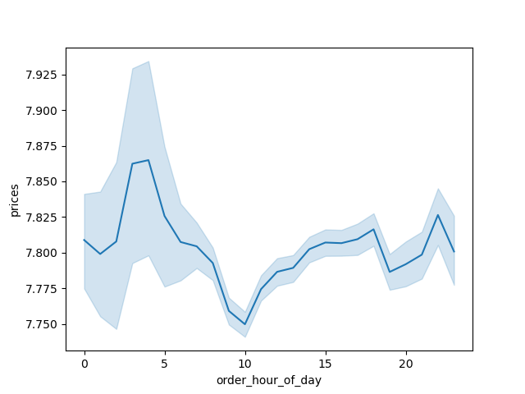

2 | Scatter plot: dependency of the income from the customer age.

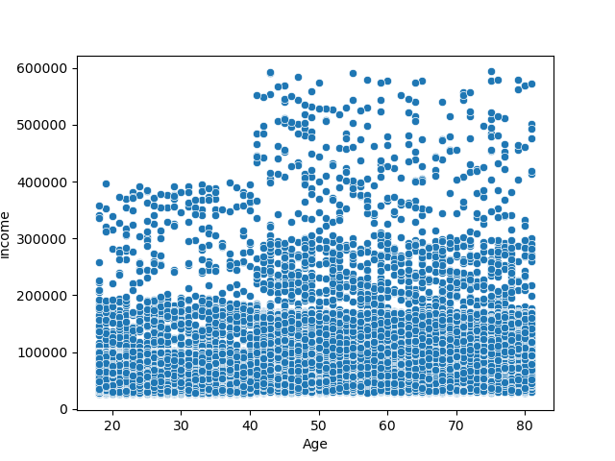

3 | Line chart: dependency of the income from the customer age.

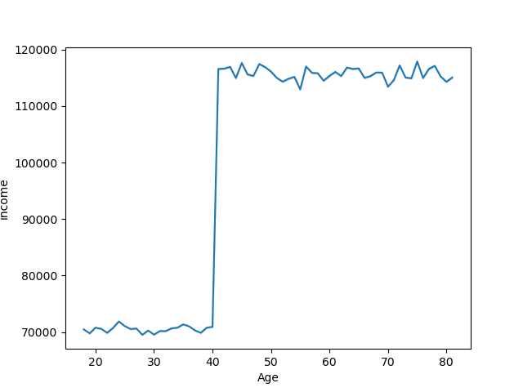

4 | Bar chart: dependency of the order numbers from day of the week.

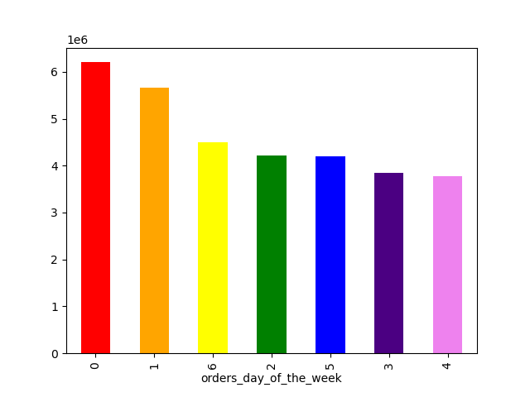

5 | Line chart: relation number of dependents from the customer age.

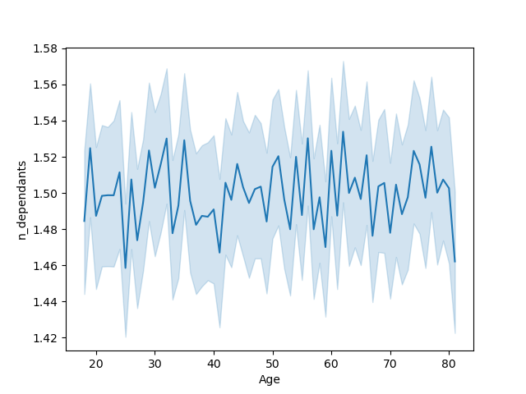

6 | Bar chart: total sales in each of the departments.

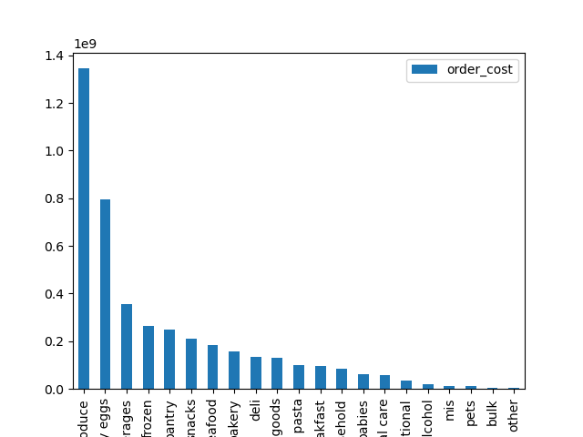

7 | Bar chart: order sizes in different U.S. regions: big, medium, small, and very small orders.
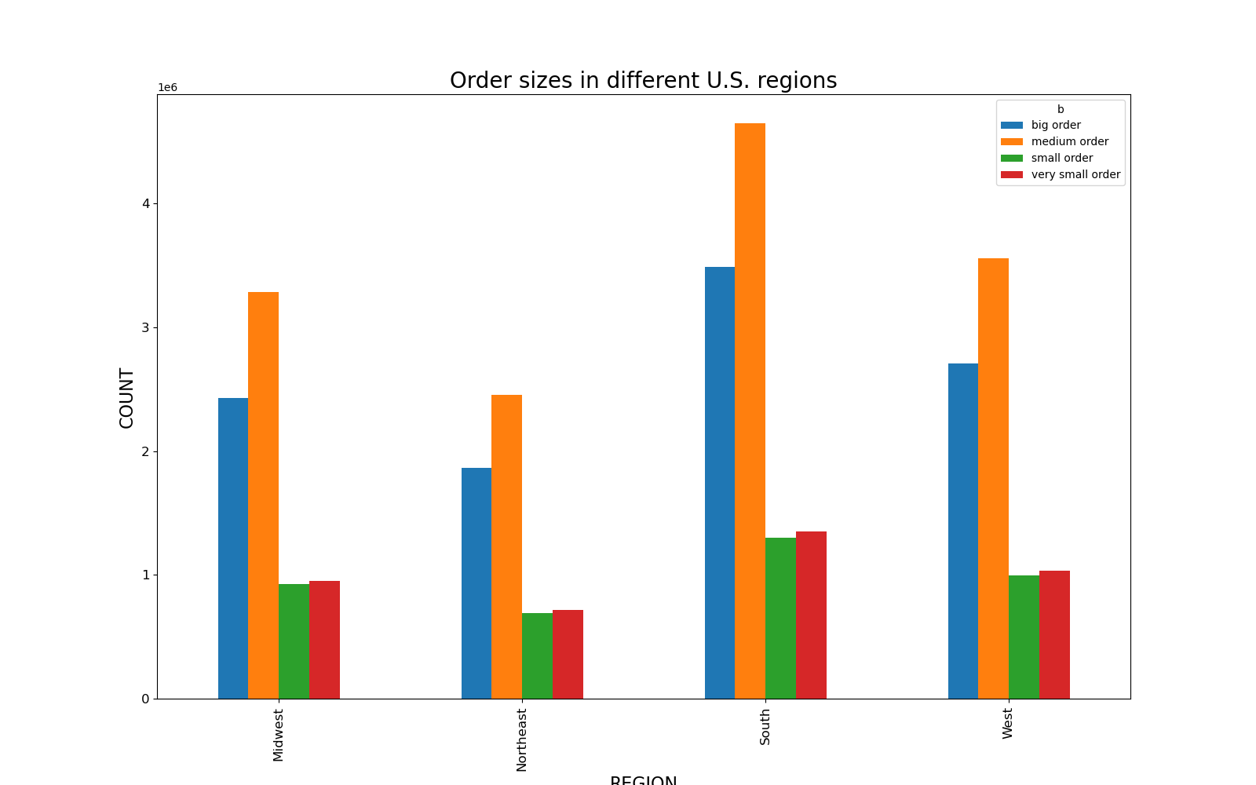

8 | Bar chart: number of big, medium, small, and very small orders for different numbers of dependants.
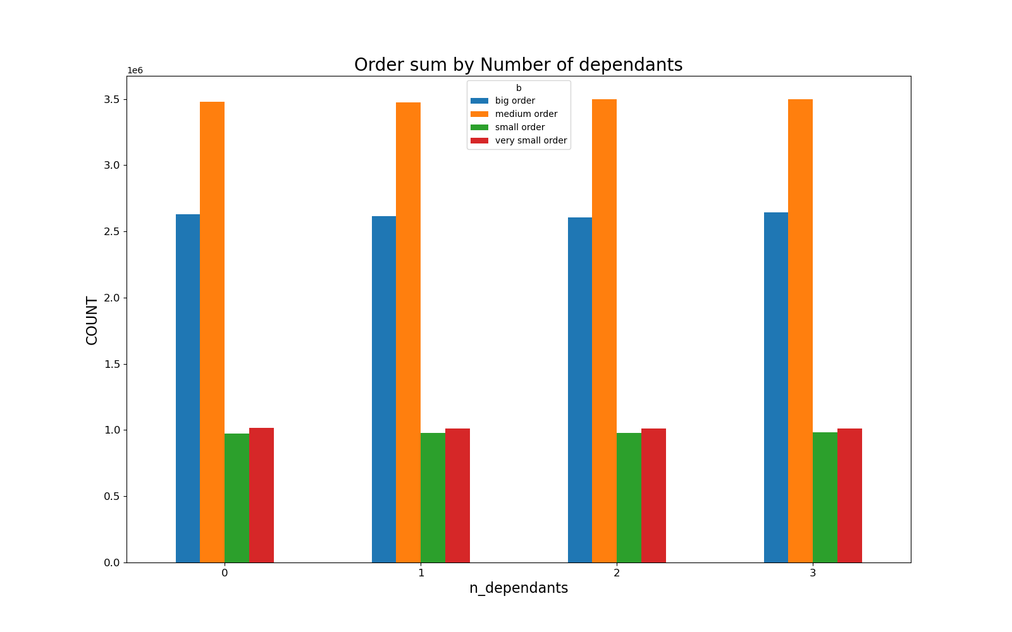

9 | Bar chart: order size by family status.

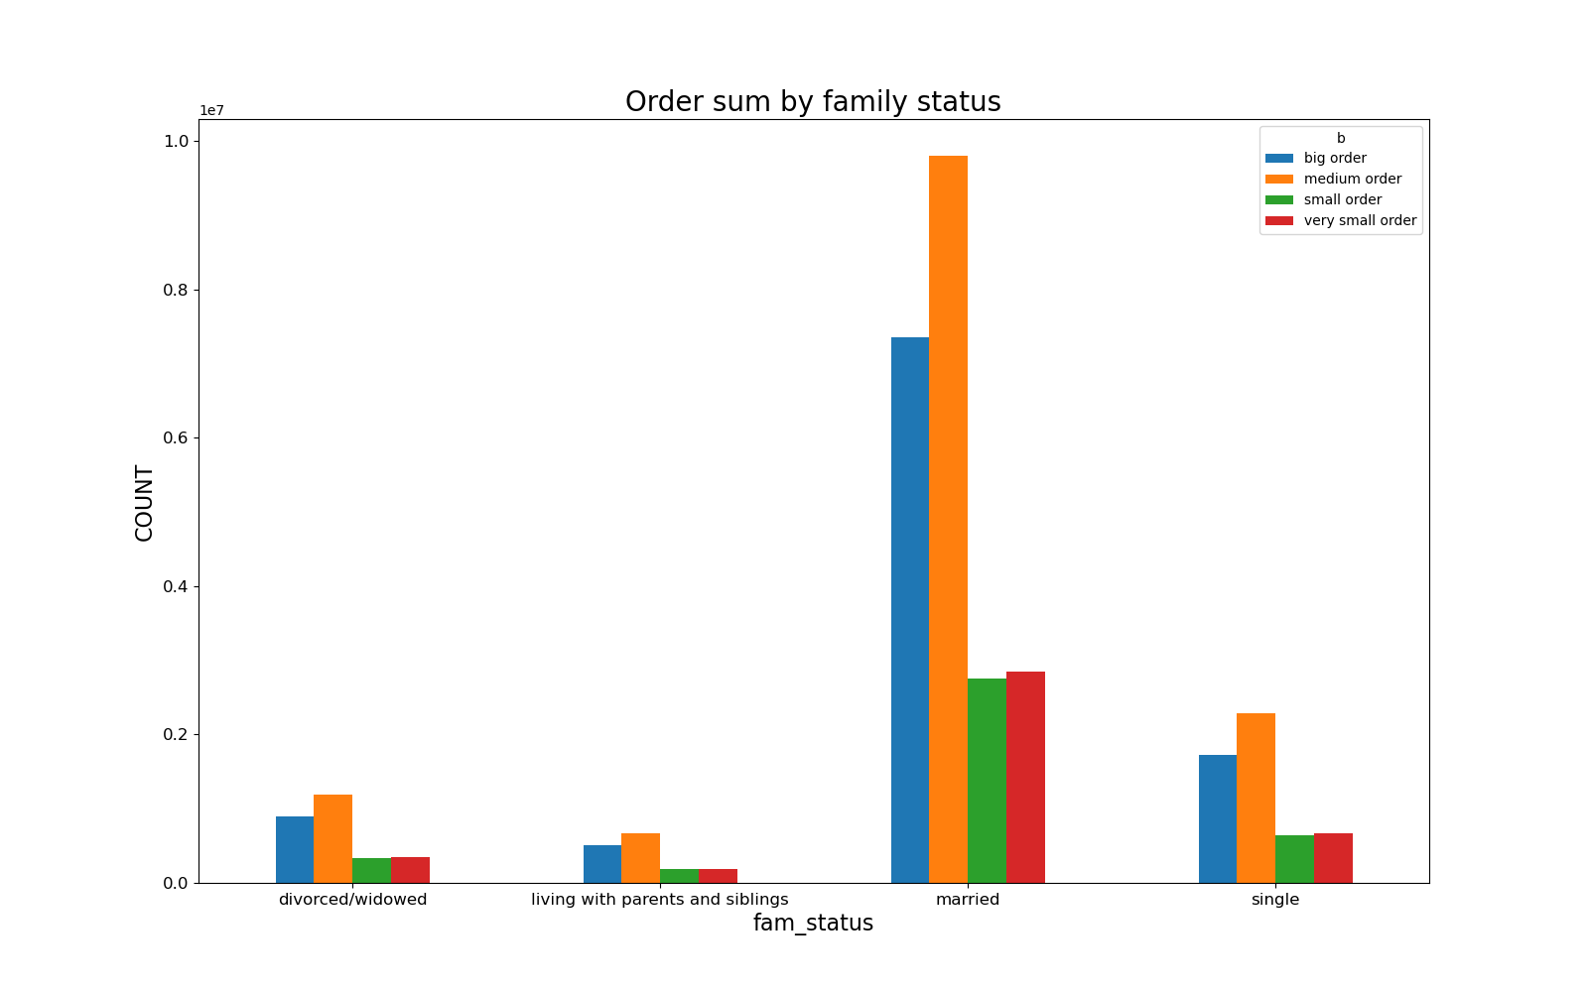

10 | Pause between orders for big, medium, small, and very small orders.

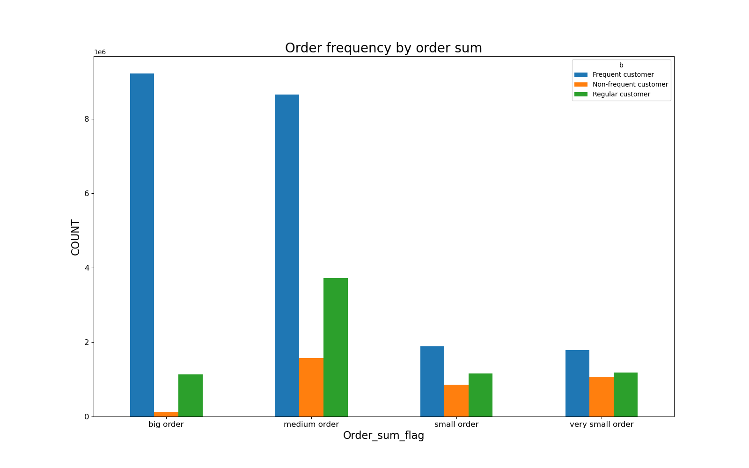

11 | Bar chart: order sizes for different frequency flags.

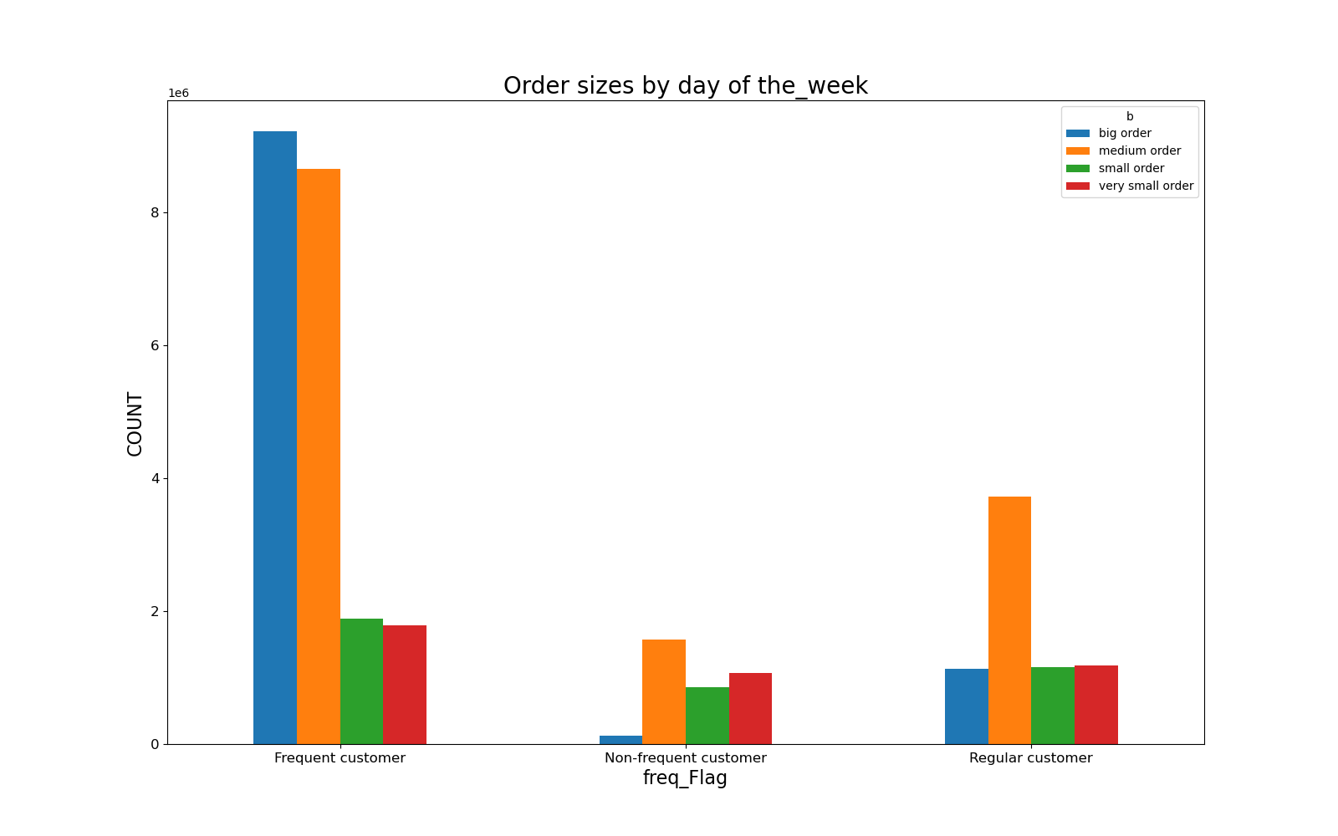

12 | Bar chart: order sizes by day of the week.

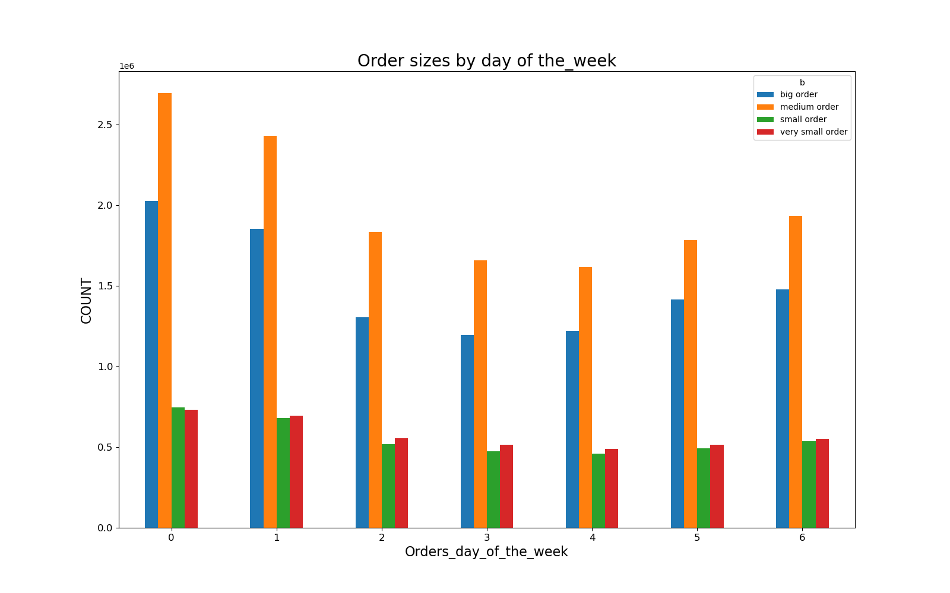

13 | Histogram: Orders per hour of day

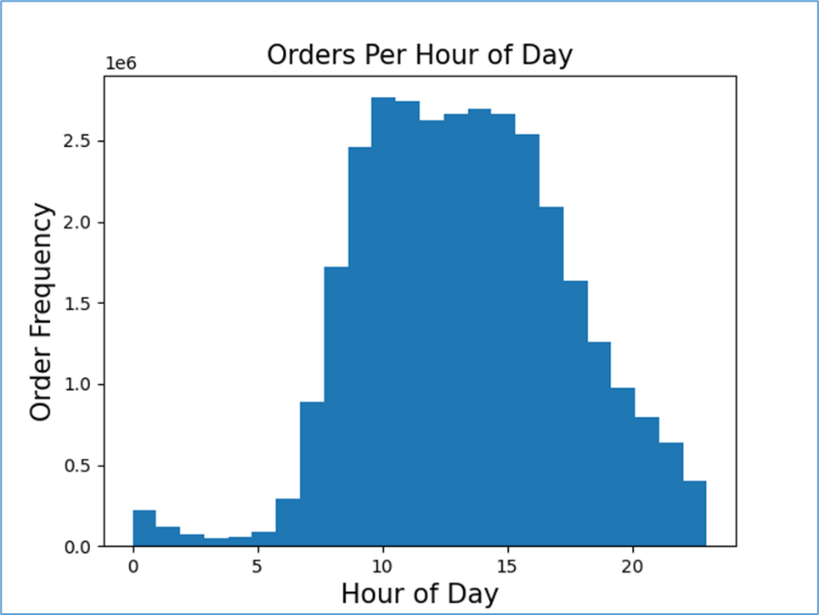

14 | Bar chart: Loyalty flags distribution.

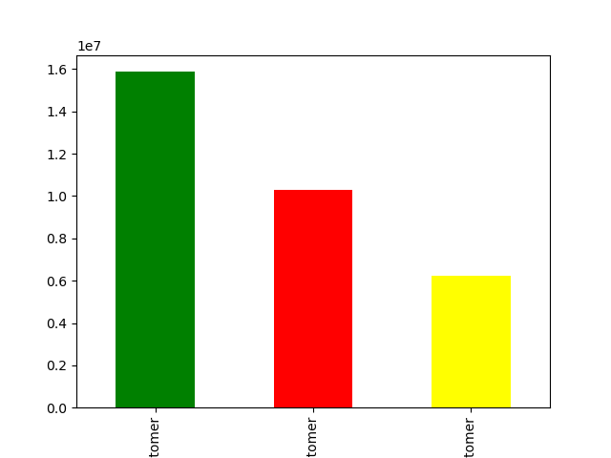

 | Regular customers Loyal customers New customers

7. Recommendations
 | Title page

Recommendations

In this tab you should include any recommendations you would made to Instcart in terms of their marketing strategy based on the questions posed in the brief. Every key question has been covered in the Tasks of the Exercises - here you need to add an item - a visualisation or table/crosstable that is showing the answer in the data, acompanied by a comment from you. Please, list the questions below and add the answer underneath.

Key Question 1: The sales team needs to know what the busiest days of the week and hours of the day are in order to schedule ads at times when there are fewer orders. Observation: The histogram 13 shows the orders start to peak between 10 & 11AM. Then slowly decreases during the afternoon hours. The busiest days of the week are Saturdy and Sunday. Recommendations: Run ads and promotions that target slowest days Tuesday and Wednesday, and not busy hours 16 -20.
Key Question 2: Whether there are particular times of the day when people spend the most money, as this might inform the type of products they advertise at these times. Observation: Customers spend the most money (mean price) between 2 and 4am (Line chart 1). The lowest mean price is between 9 and 12. Recommendations: This requires additional analysis.
Key Question 3: Are there certain types of products that are more popular than others? Observation: The top 3 departments in order count are produce, snacks, and beverages (Bar Chart 6). The bottom departments are other, bulk, pets, miscellaneous, and alcohol. Recommendations: I think that some bottom departments should be merged for reducing expenses.
Key Question 4: What’s the distribution among users in regards to their brand loyalty? Observation: The bar chart 14 shows the distribution of loyalty flags. Regular customers make the most orders, then follow Loyal customers and New customers. Recommendations: Provide some incentives and promotions for regular customers to move to loyal customer position.
Comment: The column 'price' contains values which do not show the full cost of orders. I created two new columns 'order_cost ' and 'order_sum_flag'. The former one is the full cost of the order. The second contains 4 ranges: big order, medium order, small order, and very small order. This allowed to perform a more useful analysis.
Key Question 5: Are there differences in ordering habits based on a customer’s region? Observation: The bar chart 7 shows order sizes in different U.S. regions: big, medium, small, and very small orders. We see that differences depend on population size. Recommendations: Provide marketing resources proportionally to the state populations.
Key Question 6: What differences can you find in ordering habits of different customer profiles? Observation: The bar chart 10 shows that customers that have big intervals between orders make more expensive orders. Recommendations: The marketing department can provide some incentives and promotions for such customers to make more frequent orders.

