Sheet1
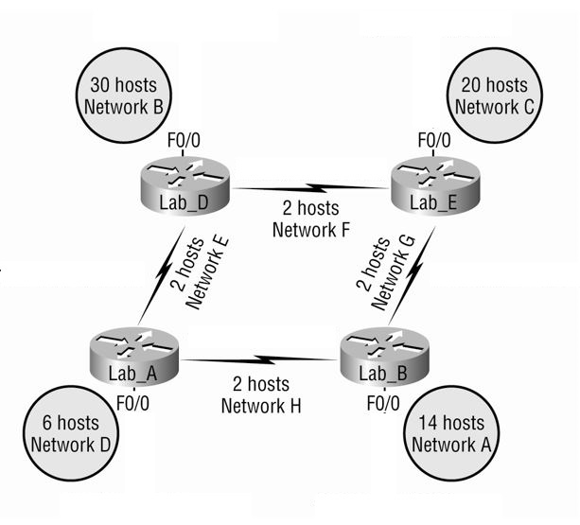
Network | No. Hosts | Subnet ID | First Host | Last Host | Broadcast IP | CIDR | Mask
A | 14 | 192.168.51.64 | 192.168.51.65 | 192.168.51.78 | 192.168.51.79 | 28 | 255.255.255.240
B | 30 | 192.168.51.0 | 192.168.51.1 | 192.168.51.30 | 192.168.51.31 | 27 | 255.255.255.224
C | 20 | 192.168.51.32 | 192.168.51.33 | 192.168.51.62 | 192.168.51.63 | 27 | 255.255.255.224
D | 6 | 192.168.51.80 | 192.168.51.81 | 192.168.51.86 | 192.168.51.87 | 29 | 255.255.255.248
E | 2 | 192.168.51.88 | 192.168.51.89 | 192.168.51.90 | 192.168.51.91 | 30 | 255.255.255.252
F | 2
G | 2
H | 2

IP | 192.168.51.0
Mascara 24 | 255.255.255.0 | 11111111.11111111.11111111.xxxxxxxx
IP DISPONIBLES | 256
 |  |  |  |  |  |  | 14

A | 14 | host | 256 | 128 | 64 | 32 | 16 | 8 | 4 | 2 |  | 1

2^4 | 16

Subnet A
 |  |  |  |  | a | 10.254.16.100 | 10.254.15.100
192.168.51.0/27 |  |  |  |  | b | 10.254.15.175 | 10.254.16.xxx

CIDR | 27
INICIO | FIN
192.168.51.1 | 192.168.51.14 |  | 14

BROADCAST | 192.168.51.15

IP | 192.168.51.0
Mascara 24 | 255.255.255.0 | 11111111.11111111.11111111.xxxxxxxx
 |  |  |  |  |  | 30
B | 30
 |  |  |  | 128 | 64 | 32 | 16 | 8 | 4 | 2 |  | 1
2^5 | 32

Subnet B

192.168.51.0/26

CIDR | 26

INICIO | FIN

192.168.51.1 | 192.168.51.30 |  | 30

IP | 192.168.51.0
Mascara 24 | 255.255.255.0 | 11111111.11111111.11111111.xxxxxxxx

B | 20

2^5 | 32

Subnet C

192.168.51.0/26

CIDR | 26

INICIO | FIN

192.168.51.1 | 192.168.51.30 |  | 30

IP | 192.168.51.0
Mascara 24 | 255.255.255.0 | 11111111.11111111.11111111.xxxxxxxx

D | 6 |  |  |  |  |  |  |  |  | 6

2^3 | 8 |  |  |  |  | 128 | 64 | 32 | 16 | 8 | 4 | 2 |  | 1

Subnet D

192.168.51.0/28

CIDR | 28

INICIO | FIN

192.168.51.1 | 192.168.51.6 |  | 6

IP | 192.168.51.0
Mascara 24 | 255.255.255.0 | 11111111.11111111.11111111.xxxxxxxx

E,F,G,H | 2 |  |  |  |  |  |  |  |  |  |  | 2

2^1 | 4 |  |  |  |  |  | 128 | 64 | 32 | 16 | 8 | 4 | 2 |  | 1

Subnet E,F,G,H

192.168.51.0/29

CIDR | 29

INICIO | FIN

192.168.51.1 | 192.168.51.2 |  | 2

BROADCAST
192.168.51.3

IP | 200.100.100.0
Mascara 25 | 255.255.255.128 | 11111111.11111111.11111111.1xxxxxxx

IP |  | 200 | 100 | 100 | 0
BIN IP |  | 11001000 | 1100100 | 1100100 | 0
MASCARA |  | 255 | 255 | 255 | 128
BIN MASCARA |  | 11111111 | 11111111 | 11111111 | 10000000

Subnet 1
200.100.100.0/25
IP INICIO | 200.100.100.1
IP FIN | 200.100.100.126 |  | 126

Subnet 2

IP INICIO | 200.100.100.128
IP FIN | 200.100.100.254 |  | 254

