Sheet1
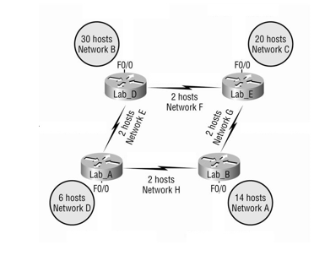

 |  |  |  |  |  |  | Network | No. Hosts | Subnet ID | First Host | Last Host | Broadcast IP | CIDR | Mask
 |  |  |  |  |  |  | A | 14 | 192.168.51.64/28 | 192.168.51.65 | 192.168.51.78 | 192.168.51.79 | /28 | 255.255.255.240
 |  |  |  |  |  |  | B | 30 | 192.168.51.0/27 | 192.168.51.1 | 192.168.51.30 | 192.168.51.31 | /27 | 255.255.255.224
 |  |  |  |  |  |  | C | 20 | 192.168.51.32/27 | 192.168.51.33 | 192.168.51.62 | 192.168.51.63 | /27 | 255.255.255.224
 |  |  |  |  |  |  | D | 6 | 192.168.51.80/29 | 192.168.51.81 | 192.168.51.86 | 192.168.51.87 | /29 | 255.255.255.248
 |  |  |  |  |  |  | E | 2 | 192.168.51.88/30 | 192.168.51.89 | 192.168.51.90 | 192.168.51.91 | /30 | 255.255.255.252
 |  |  |  |  |  |  | F | 2 | 192.168.51.92/30 | 192.168.51.93 | 192.168.51.94 | 192.168.51.95 | /30 | 255.255.255.252
 |  |  |  |  |  |  | G | 2 | 192.168.51.96/30 | 192.168.51.97 | 192.168.51.98 | 192.168.51.99 | /30 | 255.255.255.252
 |  |  |  |  |  |  | H | 2 | 192.168.51.100/30 | 192.168.51.101 | 192.168.51.102 | 192.168.51.103 | /30 | 255.255.255.252

 |  |  |  |  |  | 2.00E+08 | 2.00E+07 | 2.00E+06 | 2.00E+05 | 2.00E+04 | 2.00E+03 | 2.00E+02 | 2.00E+01
A | 192.168.51.0 |  |  |  |  | 256 | 128 | 64 | 32 | 16 | 8 | 4 | 2
 | /24 |  |  |  |  |  |  |  |  | 14
 | 11111111.11111111.11111111.XXXXXXXX
 | Para A necesito 14 host
 | Rango |  | 2.00E+04 | 16
 | Subnet para A
 | 192.168.51.0/27 |  | CIDR | 27
 | Inicio | 192.168.51.1 |  |  |  | 16-2 | 14
 | Fin | 192.168.51.14
 | Broadcast | 192.168.51.15
 | Mask | 255.255.255.224
 |  |  |  |  |  |  |  |  |  | 11111111.11111111.11111111.1111XXXX
B | 11111111.11111111.11111111.XXXXXXXX
 | Para B necesitamos 30 host
 | Rango |  | 2.00E+05 | 32
 | Subnet para B
 | 192.168.51.0/27 |  | CIDR | 27
 | Inicio | 192.168.51.1
 | Fin | 192.168.51.30 |  |  |  | 32-2 | 30
 | Broadcast | 192.168.51.31
 | Mask | 255.255.255.224

C | 11111111.11111111.11111111.XXXXXXXX
 | Para C necesito 20 host
 | Rango |  | 2.00E+05 | 32
 | Subnet para C
 | 192.168.51.0/26 |  | CIDR | 26
 | Inicio | 192.168.51.1
 | Fin | 192.168.51.30
 | Broadcast | 192.168.51.31
 | Mask | 255.255.255.192

D | 11111111.11111111.11111111.XXXXXXXX
 | Para D necesito 6 host
 | Rango |  | 2.00E+03 | 8
 | Subnet para D
 | 192.168.51.0/28 |  | CIDR | 28
 | Inicio | 192.168.51.1
 | Fin | 192.168.51.6
 | Broadcast | 192.168.51.7
 | Mask | 255.255.255.240

EFGH | 11111111.11111111.11111111.XXXXXXXX
 | Necesito 2 host
 | Rango |  | 2.00E+02 | 4
 | Subnet
 | 192.168.51.0/29 |  | CIDR | 29
 | Inicio | 192.168.51.1
 | Fin | 192.168.51.2
 | Broadcast | 192.168.51.3
 | Mask | 255.255.255.248

200.100.100.0/25
Como utiliza 25 |  | 11111111.11111111.11111111.10000000
Subnet 1
200.100.100.0/25
IP inicio | 200.100.100.1
IP Fin | 200.100.100.126 |  | 2.00E+07 | 128-2 | 126
Broadcast | 200.100.100.127

Subnet 2
IP Inicio | 200.100.100.128
IP Fin | 200.100.100.254 |  |  | 254

255.255.128.0 |  |  | /17 debido a que tiene 17 unos
11111111.11111111.10000000.00000000
Clasles inter domain routing: Permite agrupar bloques de direcciones en una sola entrada de la tabla de rutas. Identifica las Ips que pertenecen a una red.

Hoja1
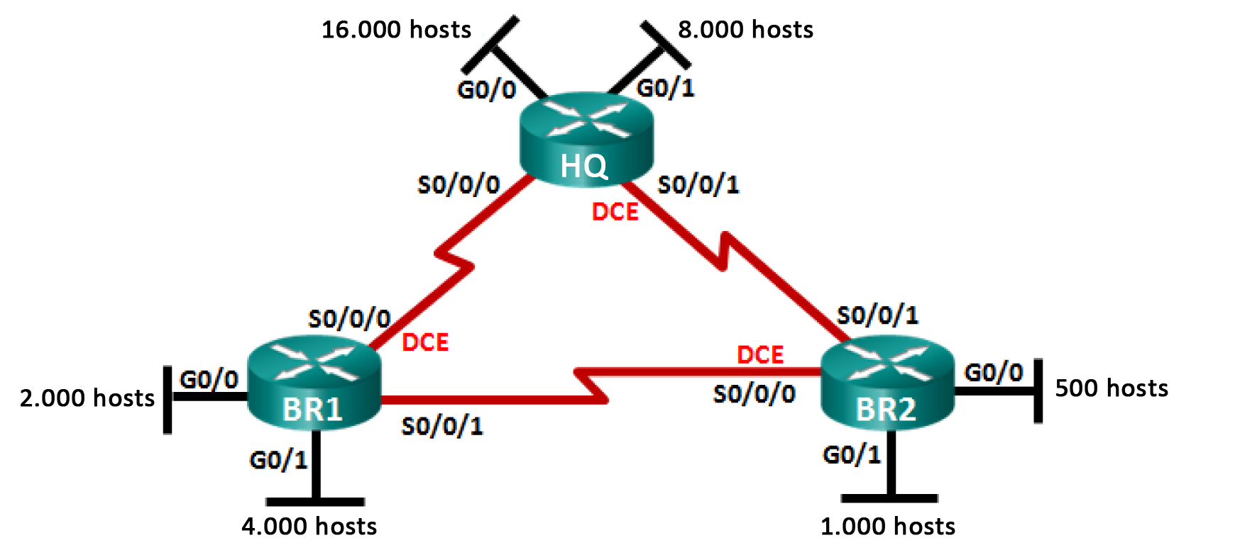
 |  |  |  |  |  |  | Network | No. Hosts | Subnet ID | First Host | Last Host | Broadcast IP | CIDR | Mask
 |  |  |  |  |  |  | A | 16000 | 172.16.128.0 | 172.16.128.1 | 172.16.191.254 | 172.16.191.255 | 18 | 255.255.192.0
 |  |  |  |  |  |  | B | 8000 | 172.16.192.0 | 172.16.192.1 | 172.16.223.254 | 172.16.223.255 | 19 | 255.255.224.0
 |  |  |  |  |  |  | C | 4000 | 172.16.224.0 | 172.16.224.1 | 172.16.239.254 | 172.16.239.255 | 20 | 255.255.240.0
 |  |  |  |  |  |  | D | 2000 | 172.16.240.0 | 172.16.240.1 | 172.16.247.254 | 172.16.247.255 | 21 | 255.255.248.0
 |  |  |  |  |  |  | E | 1000 | 172.16.248.0 | 172.16.248.1 | 172.16.251.254 | 172.16.251.255 | 22 | 255.255.252.0
 |  |  |  |  |  |  | F | 500 | 172.16.252.0 | 172.16.252.1 | 172.16.253.254 | 172.16.253.255 | 23 | 255.255.254.0
 |  |  |  |  |  |  | G | 2 | 172.16.254.0 | 172.16.254.1 | 172.16.254.2 | 172.16.254.3 | 30 | 255.255.248.0
 |  |  |  |  |  |  | H | 2 | 172.16.254.4 | 172.16.254.5 | 172.16.254.6 | 172.16.254.7 | 30 | 255.255.252.0
 |  |  |  |  |  |  | I | 2 | 172.16.254.8 | 172.16.254.9 | 172.16.254.10 | 172.16.254.11 | 30 | 255.255.254.0
 | 172.16.128.0/17

 | A

 | 16000 | hosts

ID RED | 172.16.128.0
 | 172.16.128.255 |  | 15745
 | 172.16.129.0 |  | 61.7
 | 172.16.190.0 |  | 191 | faltan

 | First Host | 172.16.128.1
 | Last Host | 172.16.190.190
 | Broadcast IP | 172.16.190.191
 |  |  |  |  |  | 8000 | hosts
 | B
 |  | 172.16.191.192
 |  | 172.16.192.0 | 63
 |  |  | 7937 | faltantes
 |  |  | 31.125490196
 |  |  | 222 | tercer octeto
 |  |  | 7905
 |  |  | 32
 |  |  | 223

 | Last Host | 172.16.222.32
 | Broadcast IP | 172.16.222.33

 | C |  |  |  | 4000 | hosts
 |  | 172.16.224.0 | 255
 |  | 172.16.225.0 | 3745 | faltantes
 |  |  | 14.7 | suma a tercer octeto
 |  |  | 239
 |  |  | 3570 |  | 175 | faltantes
 | Last Host | 172.16.237.209
 | Broadcast IP | 172.16.237.210

 |  |  |  |  |  |  |  |  |  |  | 190
 | D
 |  | 172.16.240.0 |  | 2000 | hosts
 |  | 172.16.241.0 | 255
 |  |  | 1745 | faltantes
 |  |  | 6.8431372549
 |  |  | 247 | octeto sumado
 |  |  | 1530
 | Last Host | 172.16.245.171
 | Broadcast IP | 172.16.245.172 | 215 | faltantes

 | E |  |  | 1000 hosts
 |  | 172.16.248.0
 |  |  | 255
 |  | 172.16.249.0 | 745 | faltantes
 |  |  | 2.9215686275
 |  | 172.16.250.0 | 251 | octeto sumado
 |  |  | 510 | hosts usados
 | Last Host | 172.16.249.153 | 235 | host faltantes
 | Broadcast IP | 172.16.249.154

 | F |  |  | 500 | hosts

 |  | 172.16.252.0
 |  |  | 255 | usados
 |  | 172.16.253.0 | 245 | faltantes
 |  |  | 0.96078431373
 |  |  | 251 | octeto sumado
 |  |  | 255 | usados
 | Last Host | 172.16.251.145 | 145 | faltantes
 | Broadcast IP | 172.16.251.146

Hoja2
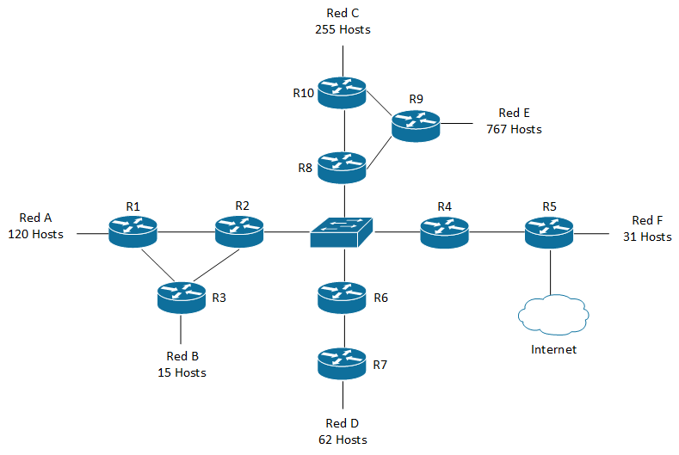
 |  | Network | No. Hosts | Subnet ID | First Host | Last Host | Broadcast IP | CIDR | Mask
 |  | A | 120 | 192.168.56.0 | 192.168.56.1 | 192.168.56.126 | 192.168.56.127 | 25 | 255.255.255.128
 |  | B | 15 | 192.168.57.0 | 192.168.57.1 | 192.168.57.30 | 192.168.57.31 | 27 | 255.255.255.224
 |  | C | 255 | 192.168.54.0 | 192.168.54.1 | 192.168.55.254 | 192.168.55.255 | 23 | 255.255.254.0
 |  | D | 62 | 192.168.56.128 | 192.168.56.129 | 192.168.56.190 | 192.168.56.191 | 26 | 255.255.255.192
 |  | E | 767 | 192.168.50.0 | 192.168.50.1 | 192.168.53.254 | 192.168.53.255 | 22 | 255.255.252.0
 |  | F | 31 | 192.168.56.192 | 192.168.56.193 | 192.168.56.254 | 192.168.56.255 | 26 | 255.255.255.192
 |  | R2-R8-R4-R6 | 4 | 192.168.57.32 | 192.168.57.33 | 192.168.57.38 | 192.168.57.39 | 29 | 255.255.255.248
 |  | R1-R2 | 2 | 192.168.57.40 | 192.168.57.41 | 192.168.57.42 | 192.168.57.43 | 30 | 255.255.255.252
 |  | R1-R3 | 2 | 192.168.57.44 | 192.168.57.45 | 192.168.57.46 | 192.168.57.47 | 30 | 255.255.255.252
 |  | R3-R2 | 2 | 192.168.57.48 | 192.168.57.49 | 192.168.57.50 | 192.168.57.51 | 30 | 255.255.255.252
 |  | R10-R9 | 2 | 192.168.57.52 | 192.168.57.53 | 192.168.57.54 | 192.168.57.55 | 30 | 255.255.255.252
 |  | R10-R8 | 2 | 192.168.57.56 | 192.168.57.57 | 192.168.57.58 | 192.168.57.59 | 30 | 255.255.255.252
192.168.50.0/21 |  | R8-R9 | 2 | 192.168.57.60 | 192.168.57.61 | 192.168.57.62 | 192.168.57.63 | 30 | 255.255.255.252
 |  | R4-R5 | 2 | 192.168.57.64 | 192.168.57.65 | 192.168.57.66 | 192.168.57.67 | 30 | 255.255.255.252
 |  | R6-R7 | 2 | 192.168.57.68 | 192.168.57.69 | 192.168.57.70 | 192.168.57.71 | 30 | 255.255.255.252

110010 | 48

