Server Information
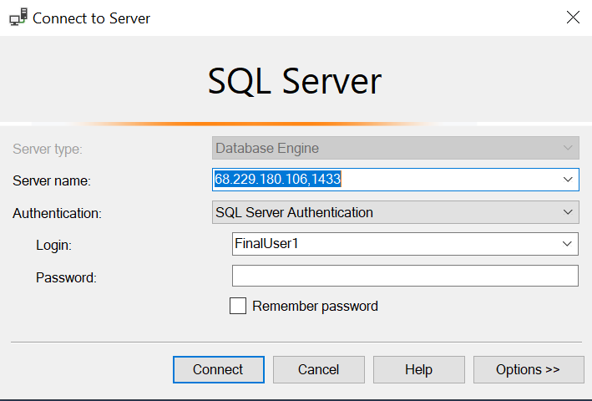
Server: | DE-CODE-IT-001
IP: | 68.229.180.106
Port: | 1433

UserName: | FinalUser1
Password: | password1

Database: | DECODEIT_Final

