Sheet1
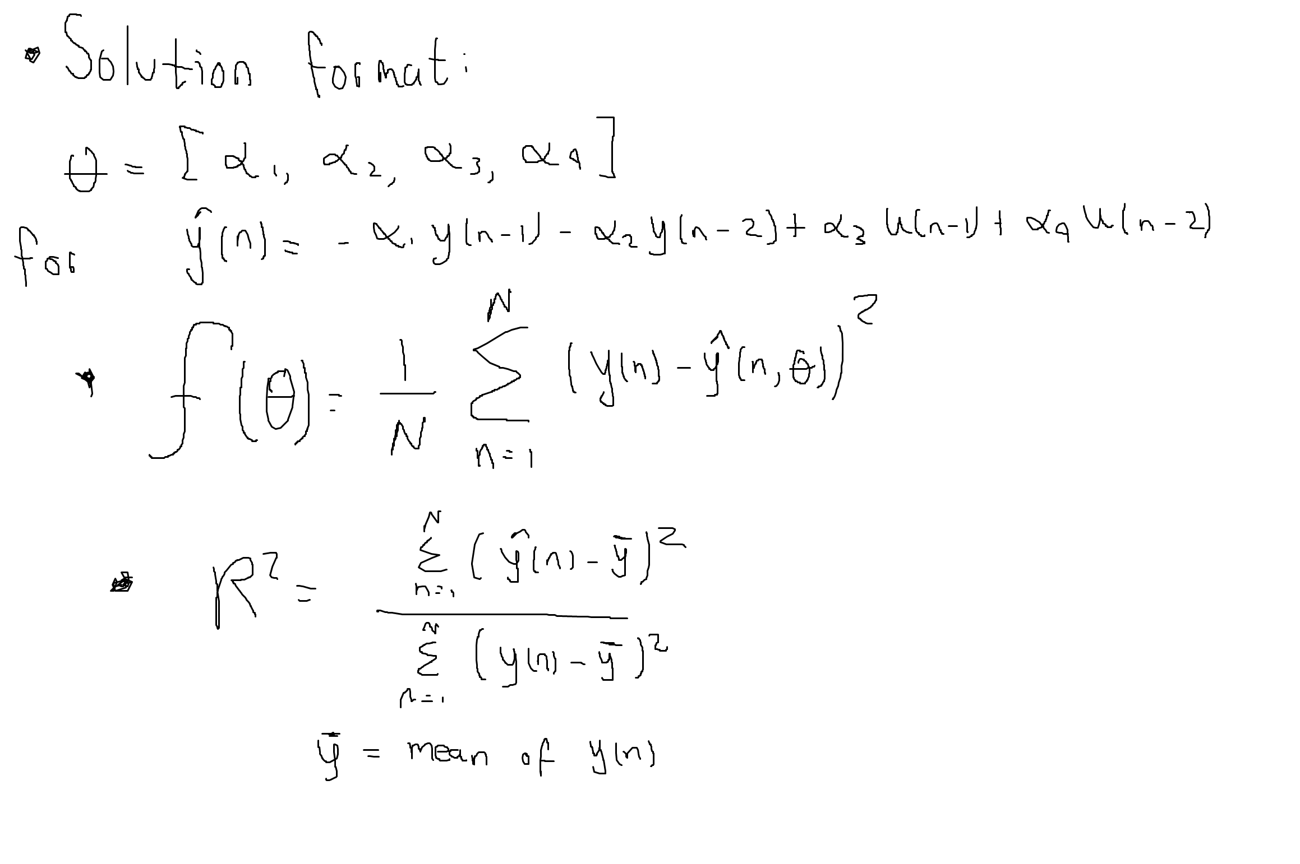
ID | Strategy | Initial Condition | Epsilon (tolerance) | Method Used | Method iters (100 max) * | Order | Solution | f(θ) Achieved (all data) | R^2 coef | Comments
1 | Just taking the first 200 points of data (delta = 0.5) | [-0.235, -0.579, 0.082, 0.094] | 0.001 | Levenberg Marquadt (delta = 0.5) | 14 | 2 | [-1.5054493 , 0.57916328, -0.04113794, 0.11164111] | 0.030500918 | 1.028142182 | Nice first try! First 200 samples have good info about the system
2 | Just taking points from [200:400] (python) (delta = 0.5) | [-0.235, -0.579, 0.082, 0.094] | 0.001 | Levenberg Marquadt (delta = 0.5) | 100 | 2 | [-0.4033283 , -0.43338868, -0.04274262, 0.20177627] | 0.130893279 | 0.674003374 | Does not converge but achieves a relative good solution.
3 | Just taking points from [400:600] (python) (delta = 0.5) | [-0.235, -0.579, 0.082, 0.094] | 0.001 | Levenberg Marquadt (delta = 0.5) | 100 | 2 | [-0.39138205, -0.42346052, -0.03236465, 0.21528644] | 0.131301717 | 0.770931864 | Same as before.
4 | Just taking points from [600:800] (python) (delta = 1.1 for convergence) | [-0.235, -0.579, 0.082, 0.094] | 0.001 | Levenberg Marquadt (delta = 1.1) | 100 | 2 | [-1.24447314, 0.34400759, -0.09106451, 0.18987176] | 0.045297339 | 0.988358012 | delta coef adjusted to get a finite solution. However does not converge
5 | Just taking points from [800:1000] (python) (delta = 1.1 for convergence) | [-0.235, -0.579, 0.082, 0.094] | 0.001 | Levenberg Marquadt (delta = 1.1) | 100 | 2 | [-0.36838876, -0.46383491, -0.03366425, 0.19927999] | 0.133053473 | 0.692669128 | Same as before.
6 | Taking all the data (delta = 1.1) | [-0.235, -0.579, 0.082, 0.094] | 0.001 | Levenberg Marquadt (delta = 1.1) | 100 | 2 | [-0.34686109, -0.47381259, -0.03095618, 0.20668837] | 0.131912453 | 0.714629253 | All data doesn't have a improvement. Maybe information from 200 to 1000 adds error
7 | Taking all the data (delta = 0.5) | [-0.235, -0.579, 0.082, 0.094] | 0.001 | Levenberg Marquadt (delta = 0.5) | 100 | 2 | [-0.40721101, -0.41850587, -0.04180454, 0.21258203] | 0.127386403 | 0.725663655 | Trying to use delta = 0.5, doesn't really improve
8 | Taking all data and starting from solution found in 1 | [-1.5054493 , 0.57916328, -0.04113794, 0.11164111] | 0.001 | Levenberg Marquadt (delta = 0.5) | 5 | 2 | [-1.5086638 , 0.58159421, -0.04252176, 0.11380918] | 0.019197935 | 1.052611488 | To start from a closer solution as 1 with all data improves the solution. seems to work as a fine tunning.
9 | Same as 8 but reducing tolerance by ten times | [-1.5054493 , 0.57916328, -0.04113794, 0.11164111] | 0.0001 | Levenberg Marquadt (delta = 0.5) | 6 | 2 | [-1.50717278, 0.5802831 , -0.04290708, 0.11437081] | 0.019196271 | 1.052214397 | Trying to get better solution increasing resolution by ten times.
10 | Same as 8 but reducing tolerance by hundred times | [-1.5054493 , 0.57916328, -0.04113794, 0.11164111] | 0.00001 | Levenberg Marquadt (delta = 0.5) | 7 | 2 | [-1.50683576, 0.57998671, -0.04299386, 0.11449742] | 0.019196201 | 1.052124405 | Having a closer solution as given in 1, increasing resolution doesn't give a strong improve.
11 | Same as 8 but reducing tolerance by 10^4 times | [-1.5054493 , 0.57916328, -0.04113794, 0.11164111] | 0.0000001 | Levenberg Marquadt (delta = 0.5) | 94 | 2 | [-1.50679337, 0.57994944, -0.04300483, 0.11451339] | 0.019196200 | 1.052113310 | Proving last statement. Is true.
12 | Using last solution and removing mean from the data. | [-1.50679337, 0.57994944, -0.04300483, 0.11451339] | 0.001 | Levenberg Marquadt (delta = 0.3) | 3 | 2 | [-1.52183143, 0.59761894, -0.04742432, 0.11604525] + | 0.017089749 |  | Gets a little better
13 | Trying to use a higher order system. Adding arbitrary initial value to the 3rd order elements Using just first 200 points | [-1.5054493, 0.57916328, -0.1, -0.04113794, 0.11164111, 0.1] | 0.001 | Levenberg Marquadt (delta = 0.5) | 100 | 3 | [-1.47282209, 0.61794423, -0.05717705, -0.03548743, 0.06985378, 0.04972032] | 0.026281984 | 1.024136785 | Did not achieved a good result but I think is limited by initial condition
14 | Trying as before but starting from previous solution | [-1.47282209, 0.61794423, -0.05717705, -0.03548743, 0.06985378, 0.04972032] | 0.001 | Levenberg Marquadt (delta = 0.5) | 100 | 3 | [-1.48063857, 0.62634905, -0.05729691, -0.01189679, 0.02478854, 0.07164169] | 0.024048870 | 1.015671875 | Did not get better with new initial point. Gradient does not change with every iteration
15 | Trying as before but changin delta to 0.3 | [-1.48121385, 0.63232028, -0.06178258, -0.00666943, 0.013023, 0.07904908] | 0.001 | Levenberg Marquadt (delta = 0.3) | 100 | 3 | [-1.48334537e+00, 6.45004878e-01, -7.08807073e-02, 8.62231787e-04, -4.32689192e-03, 9.02570285e-02] | 0.023460846 | 1.013906005 | It gets a little better but not too much
16 | Starting from previous sol but using all data. | [-1.48334537e+00, 6.45004878e-01, -7.08807073e-02, 8.62231787e-04, -4.32689192e-03, 9.02570285e-02] | 0.001 | Levenberg Marquadt (delta = 0.3) | 100 | 4 | [-1.50501741, 0.68417633, -0.08906884, 0.00452517, -0.01217004, 0.09573596] + | 0.011261041 | 1.035115757 | I guess this is the best 3rd order model I can achieve
17 | Trying a 4t order just to check | [-1.47282209, 0.61794423, -0.05717705, 0.001, -0.03548743, 0.06985378, 0.04972032, 0.001] | 0.001 | Levenberg Marquadt (delta = 1.1) | 100 | 4 | [-1.47245754, 0.62573865, -0.05028885, -0.01055831, -0.01780608, 0.04178908, 0.04833217, 0.01605214] | 0.023904601 | 1.013665908 | Seems to be good but order 2 still being better
18 | Starting from previous sol but reducing delta to 0.5 | [-1.47245754, 0.62573865, -0.05028885, -0.01055831, -0.01780608, 0.04178908, 0.04833217, 0.01605214] | 0.001 | Levenberg Marquadt (delta = 0.5) | 100 | 4 | [-1.47758376, 0.63444572, -0.03953152, -0.02307469, -0.0069757, 0.01976465, 0.05790899, 0.01941009] | 0.023206140 | 1.006537763 | Seems a little bit better, let's try to use all data
19 | Starting from previous sol but using all data. | [-1.47758376, 0.63444572, -0.03953152, -0.02307469, -0.0069757, 0.01976465, 0.05790899, 0.01941009] | 0.001 | Levenberg Marquadt (delta = 0.5) | 100 | 4 | [-1.52911193e+00, 6.66764838e-01, 5.63895118e-03, -5.54011999e-02, 2.13566916e-03, -6.37175115e-04, 7.44804487e-02, 9.97387636e-03] | 0.010682632 | 1.026759455 | I guess this is the best 4th order model I can achieve
20 | Last try: starting from prev sol. Using all data. Reducing delta to 0.1 | [-1.47758376, 0.63444572, -0.03953152, -0.02307469, -0.0069757, 0.01976465, 0.05790899, 0.01941009] | 0.001 | Levenberg Marquadt (delta = 0.1) | 100 | 4 | [-1.57757773, 0.68867778, 0.04108867, -0.07366942, 0.00197729, -0.0049589 , 0.08804496, -0.00827193] + | 0.010635255 | 1.027173411 | a lower delta doesn't really improve the obj function. Agree with last comment
21 | Last try: starting from prev sol. Using all data. Reducing delta to 0.1 | [-1.52911193e+00, 6.66764838e-01, 5.63895118e-03, -5.54011999e-02, 2.13566916e-03, -6.37175115e-04, 7.44804487e-02, 9.97387636e-03] | 0.001 | Levenberg Marquadt (delta = 0.1) | - | 4 | Did not converge :/ | - | - | I had to try

 | Notes:
 | * If the iterations achieved the max value of 100, that means the method doesn't achieve the expected resolution, however it returns a model. At the other side, the dash ( - ) means the calcs of the method thends to inf, so no model is provided by that scenario.
 | + The best model achieved at this order.

