Architecture
Software architecture
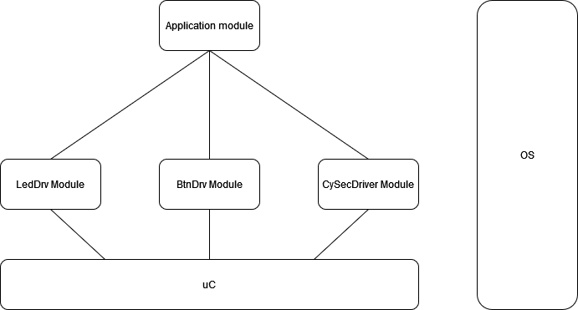
BtnDrv Module
Description | Module that debounce and analyze the state of buttons to PRESSED or NOT_PRESSED. It can be configured to have up to 8 buttons.
Interfaces with other components | 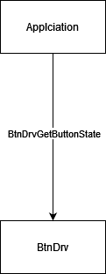

Functions | void BtnDrvInit() --> this will set all buttons to the init state.
 | void BthDrvMain() --> the main function of the driver
 | BtnStateDrv BtnDrvGetButtonState(BtnDrvID) --> return the state of the button channel

TypeDef | teBtnDrvID (enum) --> ButtonLeft, ButtonRight, ButtonMaxNo
 | teBtnDrvState (enum) --> PRESSED, NOT_PRESSED, INIT_STATE
LedDrv Module
Description | The LED driver can control up to 8 LED’s based on configuration. The LED’s can be turned on, off or toggle
Interfaces with other components | 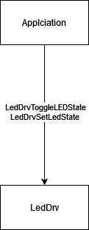

Functions | void LedDrvInit() -> will set the initial states of the LED driver
 | void LedDrvToggleLEDState(LedDrvID) -> will toggle the led based on parameter
 | void LedDrvSetLedState(LedDrvID, LedDrvState) -> will set a certain state of the LED based on parameters

TypeDef | LedDrvID(enum) --> ID of the LED’s (Left, Right, Max)
 | LedDrvState(enum) --> state of the LED’s: ON/OFF
CySecDrv Module
Description | The software component shall calculate a hash of the driver module to verify the integrity of the driver
Interfaces with other components | 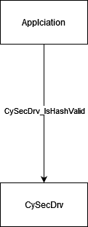

Functions | Void CySecDrvInit() → initialization function of the CySecDrv component
 | void CySecDrvMain() → the main function that will calculate the hash
 | boolean CySecDrvIsHashValid() → fuction that will return if the calculated hash is correct or not

TypeDef | CySecDrvState (enum) -> security state of the system: SECURED/NOT_SECURED

Application Module
Description | Module that read the buttons state from the module and will toggle the LED’s state. It will toggle the LED’s if the hash is valid.
Interfaces with other components | 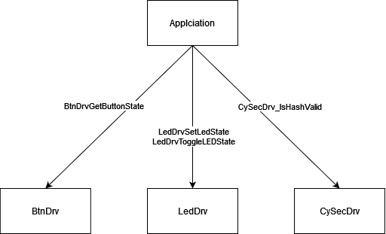

Functions | void Application_Init() → initialize the Application variables with init state
 | void Application_Main() → the main function of the Application module, called by OS

TypeDef

