Setup
Setup
1. Enable file extensions; this is necessary for certain macros to run properly (Windows limitation). To do this, open up the File Explorer, go to the View tab, and enable the "File name extensions" option.
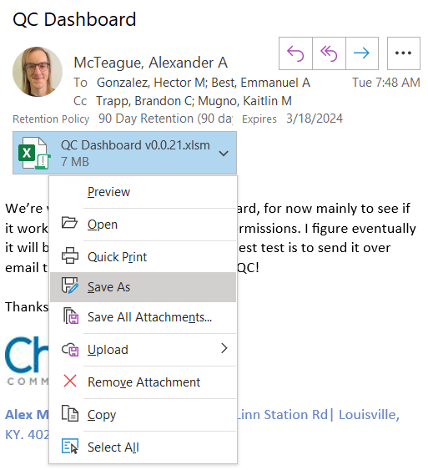 2. Don't open the spreadsheet in Outlook; instead use the dropdown and select Save As.
3. There are several popups you might get the first time you open this spreadsheet. Some of these popups happen only once per computer. Others appear every time you download a new file from Outlook. Here's a guide for each:
Press the Enable Editing button

Press the Enable Content button

Save and exit the file. Then right click the file and select Properties. In the Properties menu, check the Unblock box and click Apply.
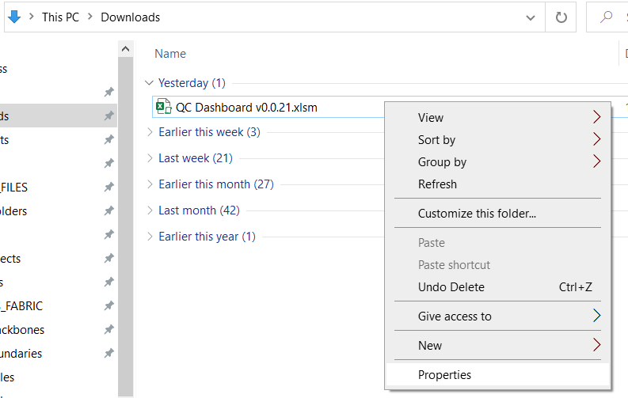 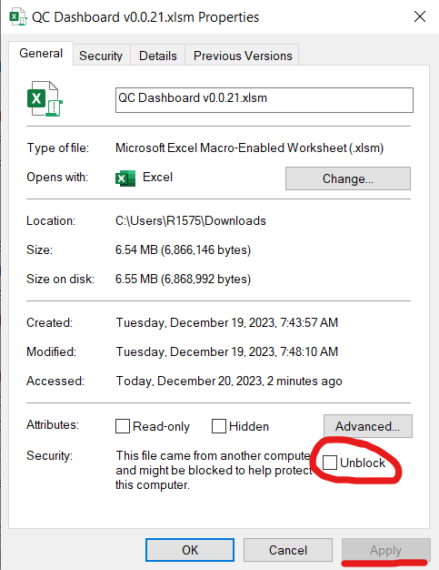
Click the Trust Center button in the popup
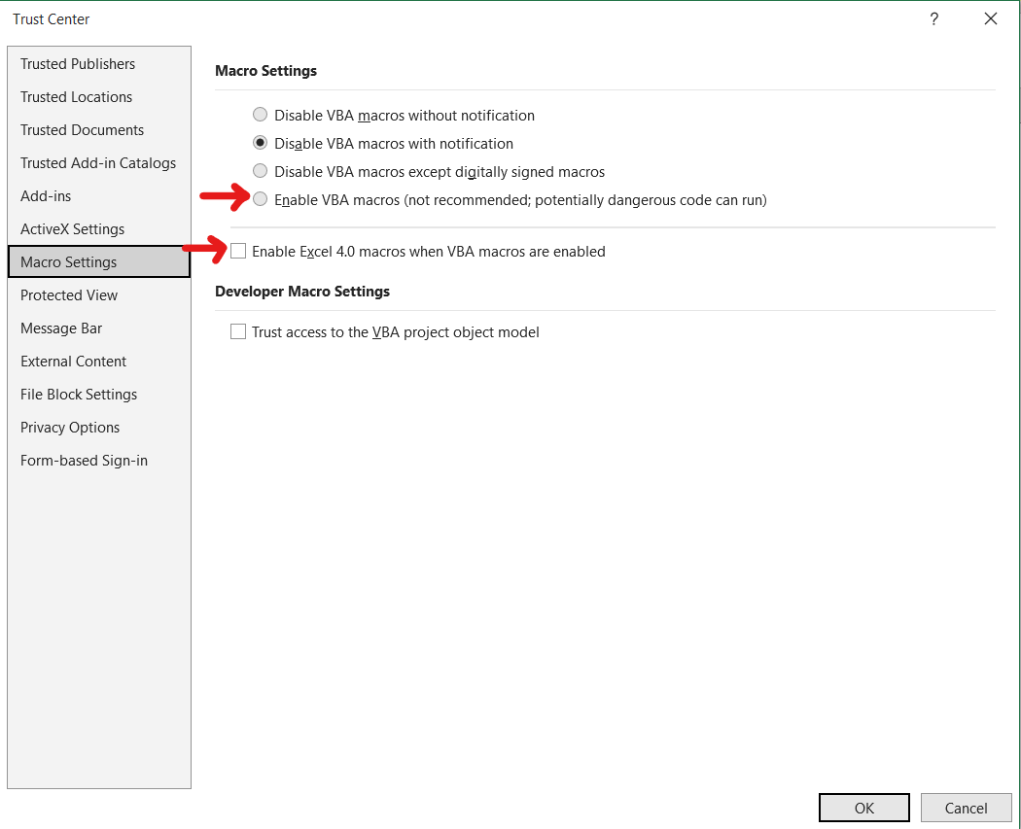 Select the fourth option in the top section, and the first checkbox. Then select OK to save changes

4. After resolving all the pop-ups, save this spreadsheet somewhere locally, and copy it for each new Design.

How-To
DESIGNSHARK
This Dashboard is meant to assist with Fiber RDOF Designs.

GENERAL INSTRUCTIONS
The “Data Entry” tab has an “Input” and “Output” column. Not every field on the Input side is used by a macro (yet), but it's still a helpful place to store information. You can use the "Copy" button to copy data to your clipboard from either side, without accidentally copying inivisble "cell border" characters. Most of the information needed for the Input side can be found in the Project Details in MQMS.
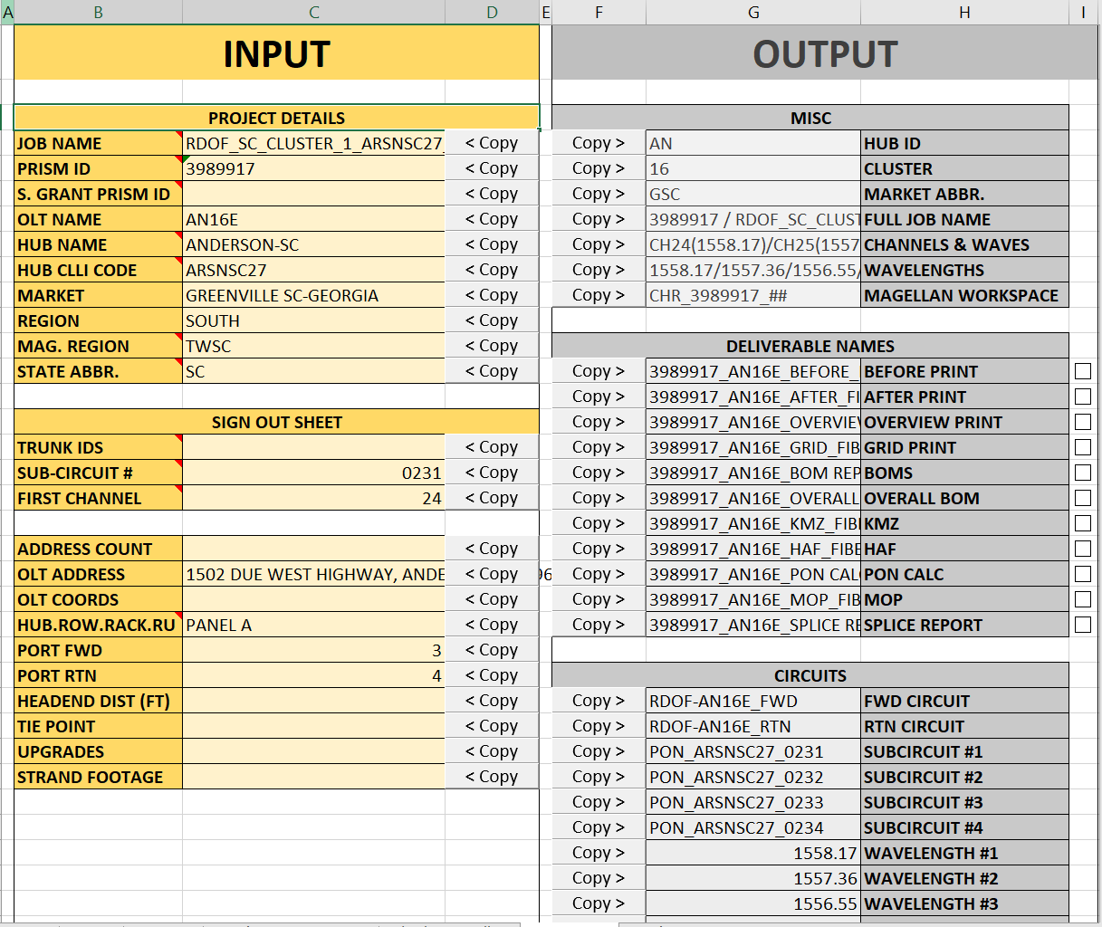
With the left side filled out, the right side populates with information. This makes it easy to generate the deliverable names, circuit names, wavelengths, and more. This also enables certain other tools as detailed below.

NAMING TOOL INSTRUCTIONS
The only fields which are required for the naming tool are the OLT NAME and MARKET fields.
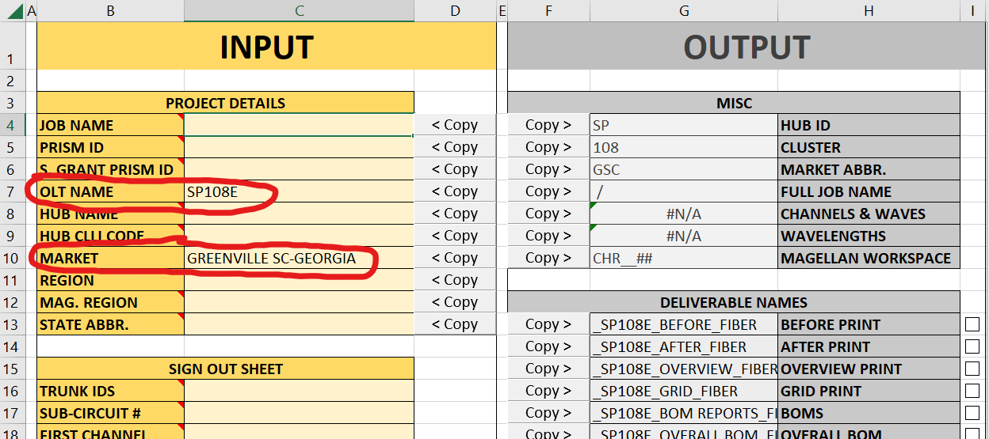
To generate the correct prefix for naming, the Market field must match one of the values in the hidden “Market Abbreviations” tab. In most cases, copying from MQMS works:

If you find a Market that isn’t recognized, this can be updated for future releases of the tool.
Equipment Naming Tab
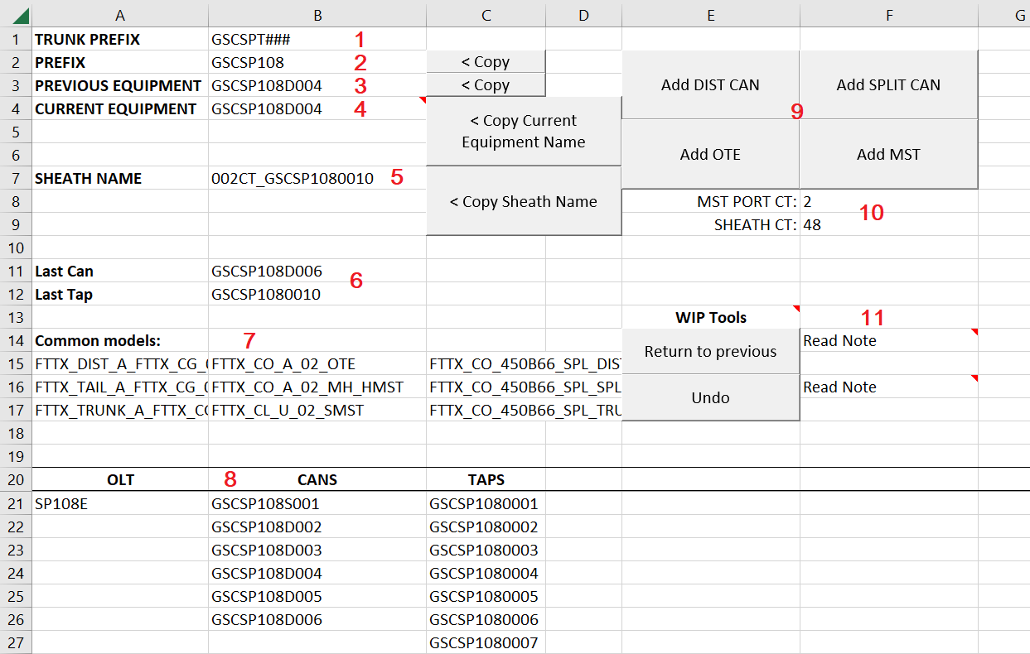
1 – Trunk Prefix: Shows the prefix for adding a Trunk can (which this tab doesn’t assist with)
2 – Prefix: The prefix for all distribution equipment. This is used by the naming tool functions, or you can copy it to name manually using the Copy button.
3 – Previous Equipment: The previous equipment you named with the tool. When you add new, the Current Equipment cell value (4) will be moved to this cell.
4 – Current Equipment: You can think of this as “where you are” while naming. While using the naming tool, you will frequently alternate between the “Copy Current Equipment Name” and “Add ____” buttons (more detail in How-To section). This cell has a dropdown with a list of all previously named Cans. This allows you to change your current location, so you can resume naming from an earlier fork in the fiber.
5 – Sheath Name: When you add new equipment, the sheath name between your Current Equipment and the new one is automatically generated in this cell. If you add an MST, it will be the tail name. Adding new equipment also copies the sheath name to your clipboard, so you can immediately paste it into Magellan.
6 – Last Can/Tap: These fields simply list the most recent can and node placed (the last cell in each column in section 8).
7 – Common Models: A list of commonly used models when drafting Fiber equipment (essentially a note-taking zone). Very useful when I first started working here.
8 – Cans / Taps: Below this header is where the naming tool lists equipment that you’ve placed. This is how the tool keeps track of which name to use next, so if you ever need to undo several names, you can manually edit the columns. Make sure there are no empty spaces in these columns (when you delete cells, shift the other cells Up).
9 – Add Equipment buttons: Each of these buttons finds the appropriate name for the next equipment of that type and adds it to the table (8). It also generates the sheath name between the previous equipment and the new one and copies it to your clipboard. To copy the name of the equipment you just created, you must then push the “Copy Current Equipment Name” button. While naming, you will usually alternate between the four Add Equipment buttons and the Copy Current Equipment Name button.
10 – MST Port / Sheath Ct: Change these values to generate the correct sheath name when adding new equipment.
11 – WIP Tools: This section is named “WIP” because the functionality is limited. “Return to previous” sets the Current Equipment cell equal to the “Previous Equipment” cell. This is useful when you name an MST and want to return to the can to continue naming. “Undo” deletes the Current Equipment from the list of used names, then returns to previous name. This is useful when making a mistake. The button ONLY works when the Current Equipment is the last name in its column, and doesn’t work more than once in a row.

Naming Process
Begin naming after you’ve drafted the fiber for the whole project. Start at the OLT, then use the buttons to name the next device in the direction you want to continue naming. After finishing a “branch”, you can return to a previous can to resume naming from there.
Step 1 Start at the OLT. The naming tool assumes that the first thing you need to name is the 12CT tail and the first splitter can. To do this, click the “Add SPLIT CAN” button. This will generate the sheath name between the OLT and the Split Can, and automatically copy it to your clipboard. So after hitting the button, you can immediately paste it into the name field in Magellan.
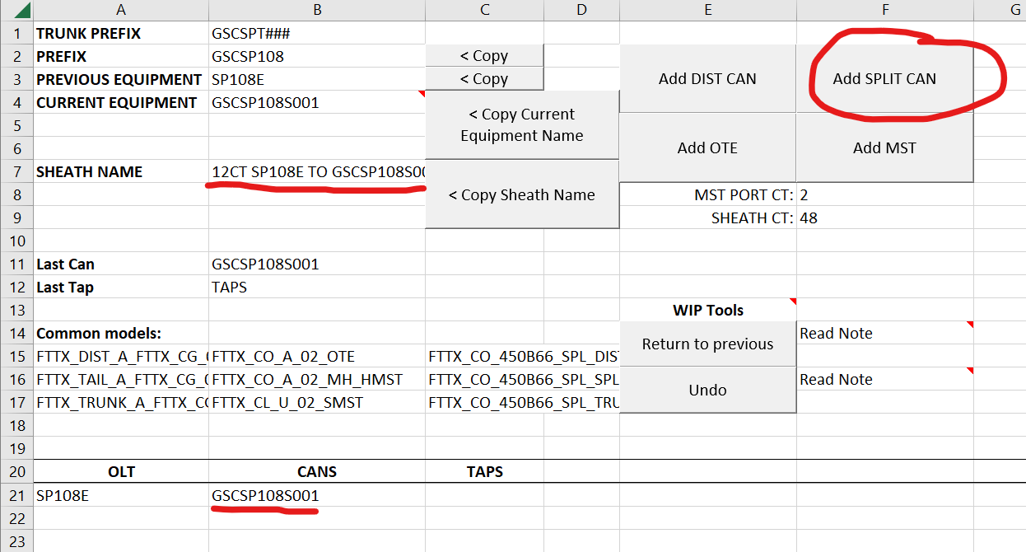
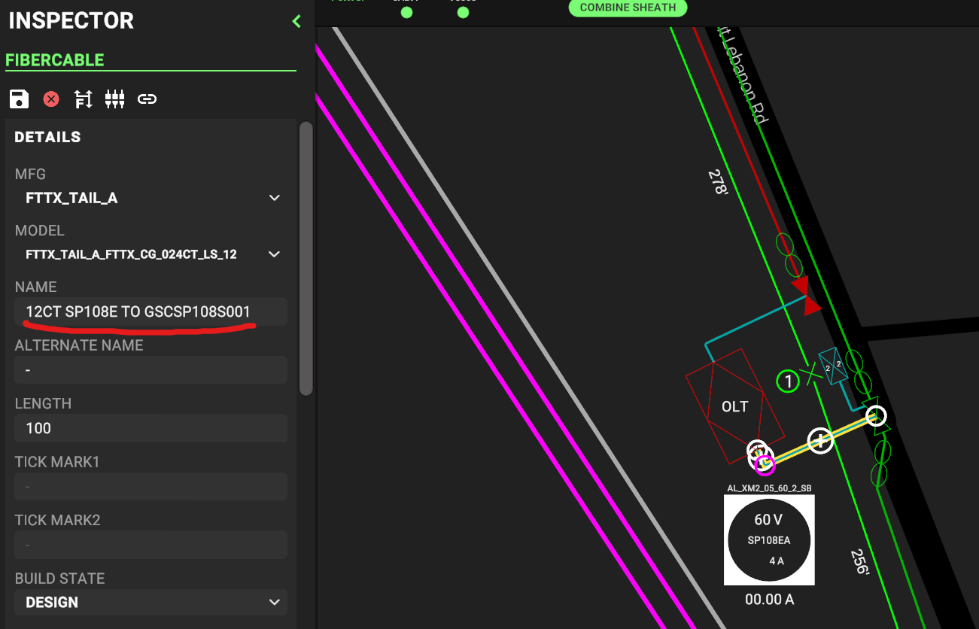
Step 2 The next thing to name is the split can itself. This name was already generated when you pressed the “Add Split Can” button, so all you need to do is click the “Copy Current Equipment Name” button. This copies the name to your clipboard, again allowing you to paste it into Magellan.
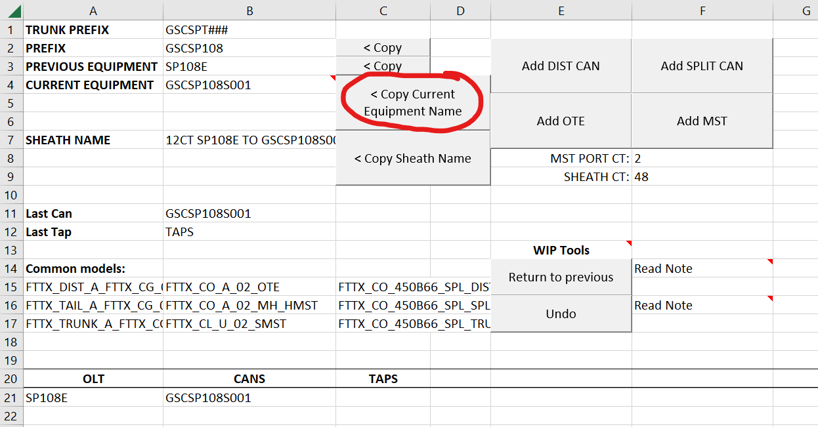
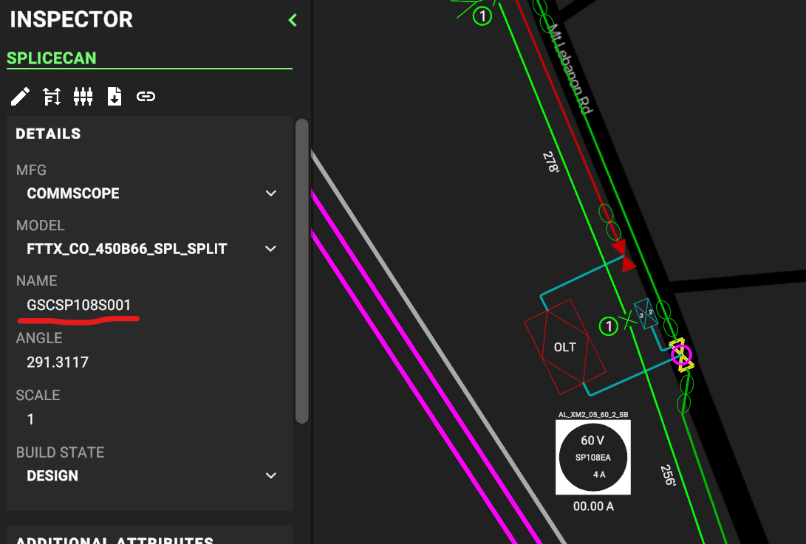
Step 3 Pick a direction to continue naming. Look ahead to the next piece of equipment in that direction, and press the matching button. For example, if I continue naming to the South, I can see that the next equipment is an OTE, so I’ll press the Add OTE button. For every piece of equipment except the first, make sure the “Sheath Ct” field matches the fiber count you want (usually 48). If adding an MST, make sure the “MST Port Ct” field matches. There are dropdowns for both cells.
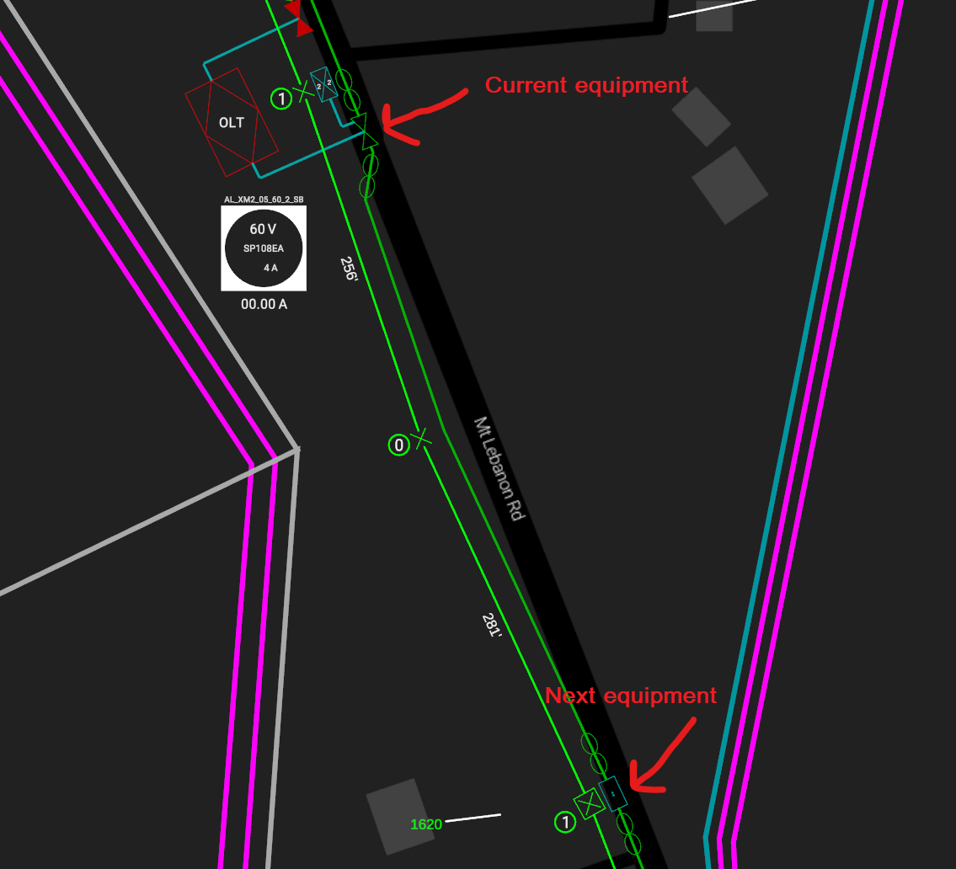
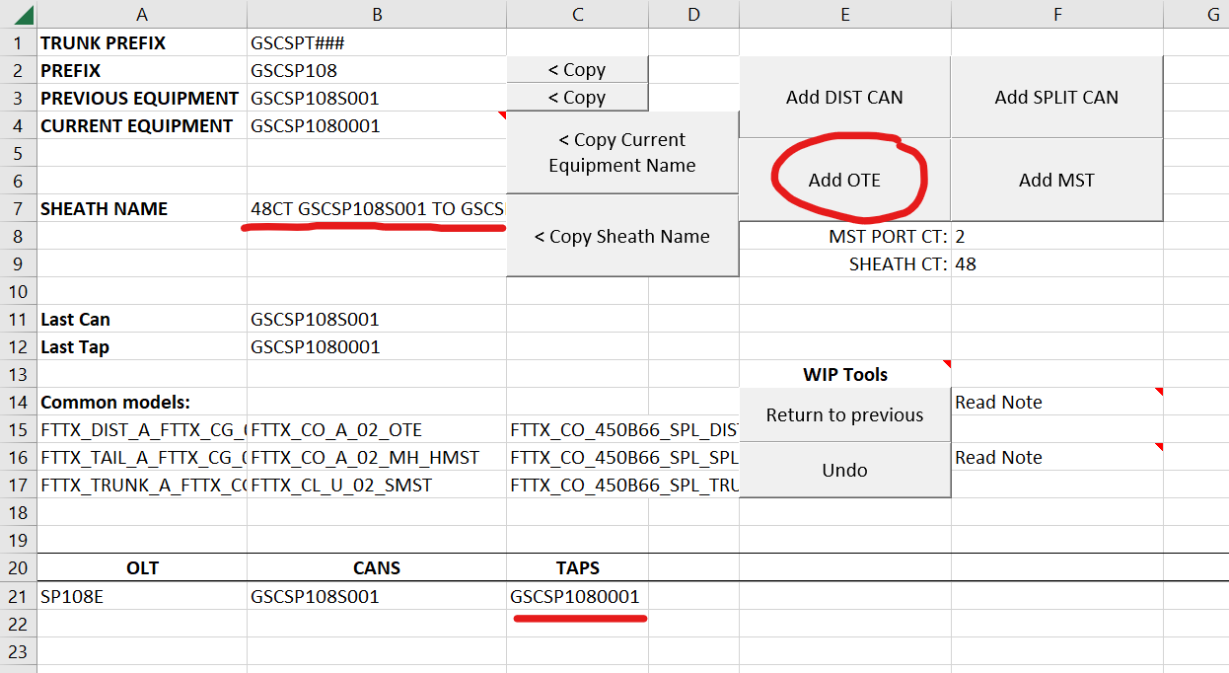
Step 4 Pressing an “Add” button copies the sheath name to your clipboard, so you can paste it in Magellan.
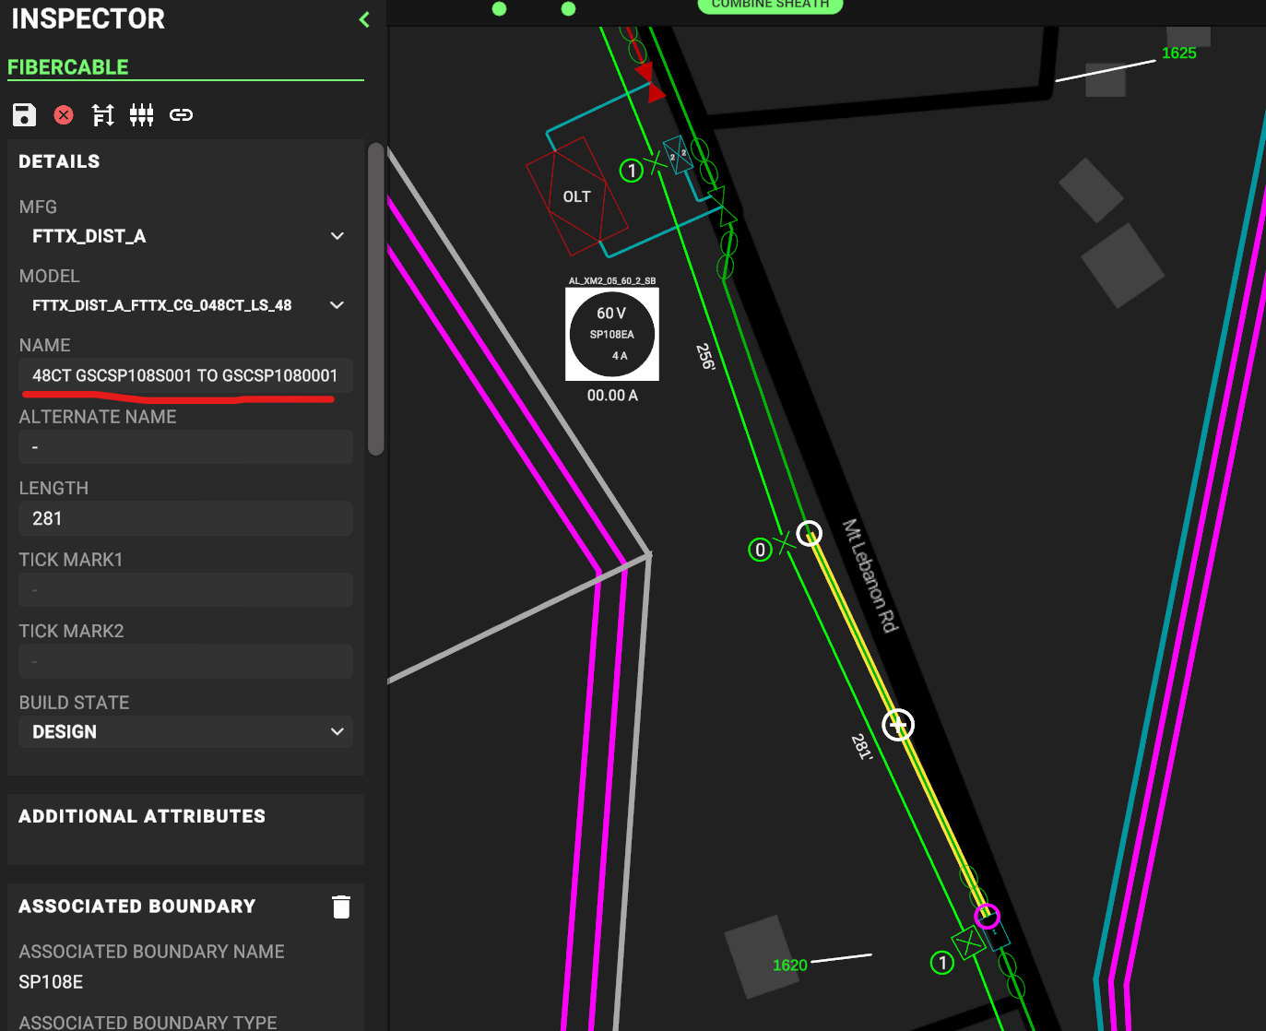
Step 5 Press the Copy Current Equipment Name button, and paste that into Magellan.
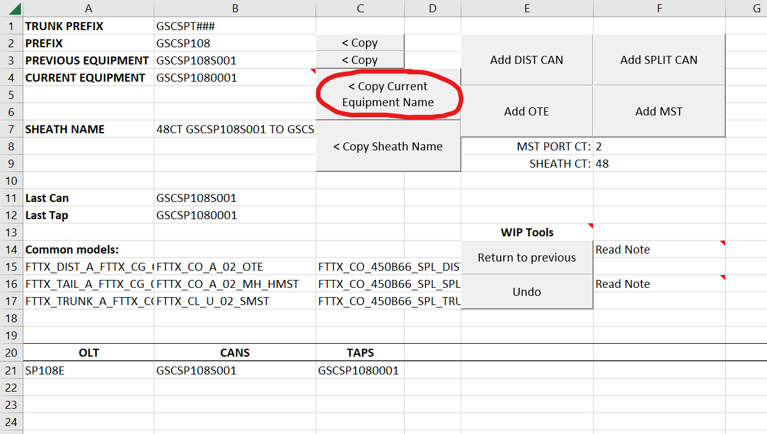
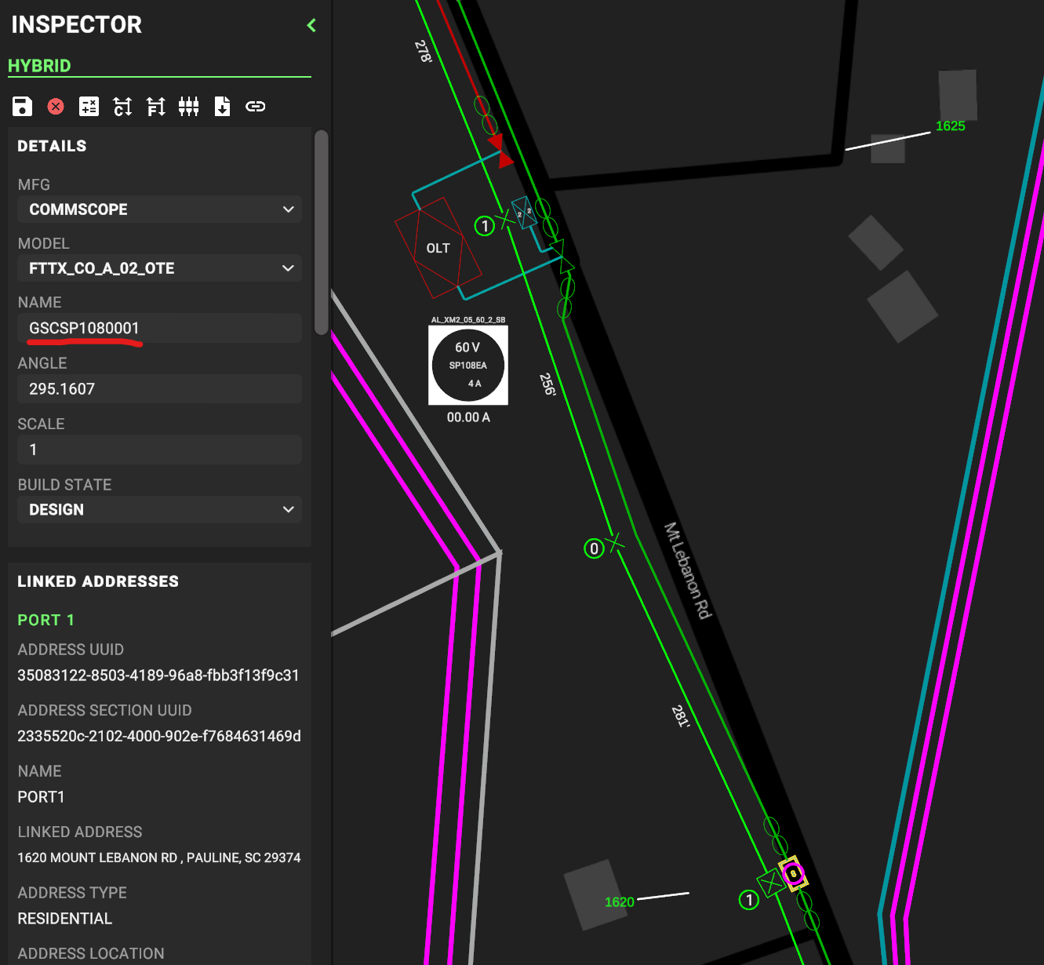
Step 6 Repeat steps 3-5 until you reach a fork in the fiber. Pick a direction and continue naming until reaching the end of that fork.
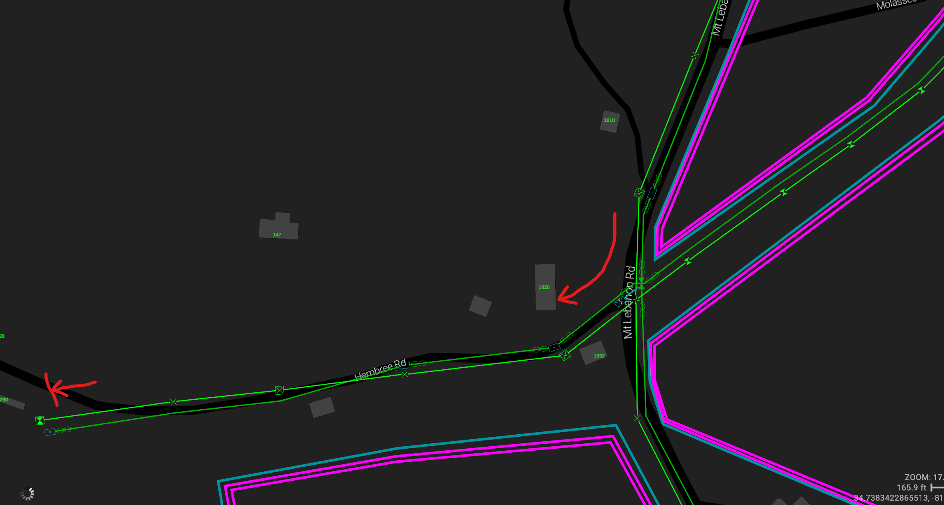
Step 7 When you reach the end of a fork, you’ll need to return to the fork and continue naming in a different direction. To do that, check the name of the can you’re returning to, and select it in the dropdown of the Current Equipment cell. Once the Current Equipment cell matches the can you’ve returned to, repeat steps 3-7 until the entire project is named.
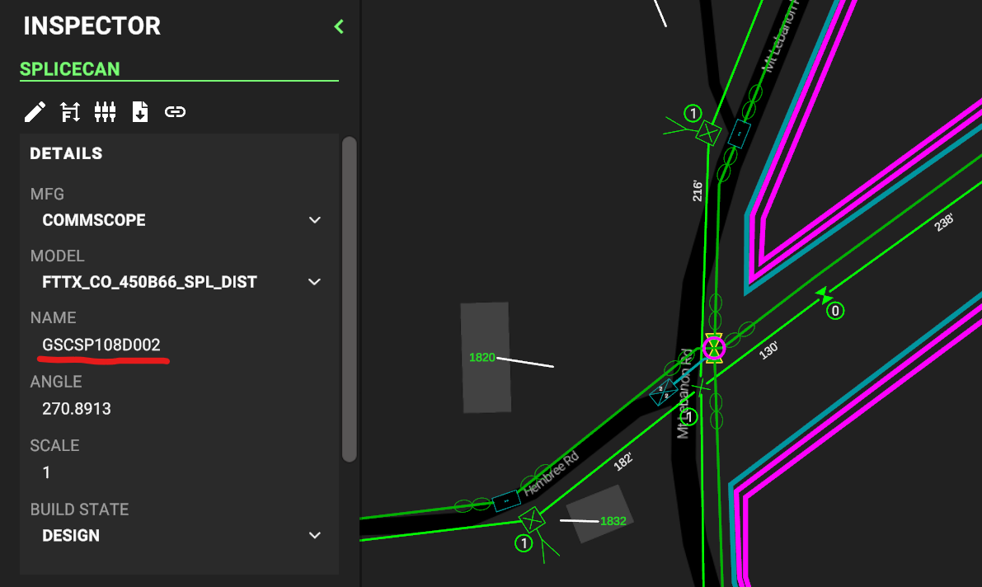
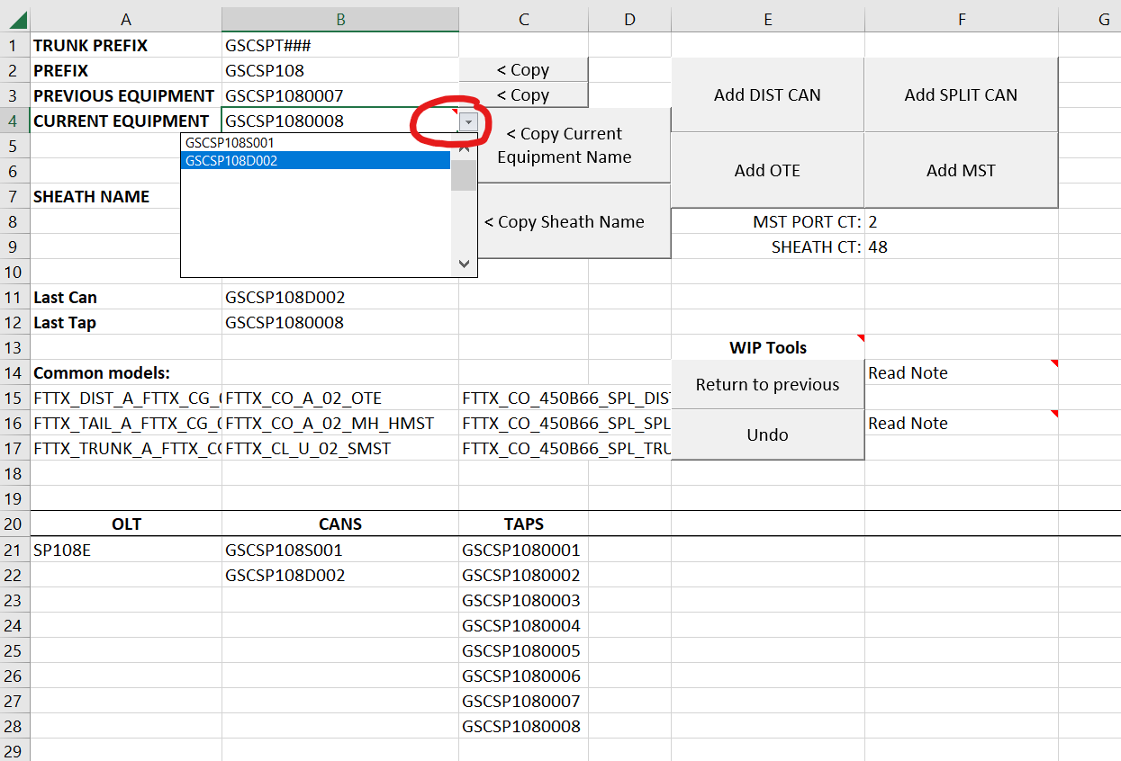
Tips & Tricks
· When naming MSTs, you will usually need to return to the previous splice can to resume naming. There is a WIP button for exactly that purpose: “Return to previous”. This saves the trouble of needing to use the Current Equipment dropdown every time.
· Sometimes Magellan fails to save your data when you try to re-name a sheath or piece of equipment. When this happens, remember that the name you were trying to paste is still in your clipboard, so you can just try again!
· If you map a button on your mouse to Paste (Ctrl+V), you can use this tool without ever using the keyboard.
· When switching windows between Magellan and the spreadsheet, your first click will “focus the window”, meaning you’ll usually have to double-click the spreadsheet to press the button you want.
· It’s possible to use this tool while placing the fiber, with a slight adjustment to workflow (though this increases the odds of making a mistake).

CBG TOOL HOW-TO GUIDE
The only fields which are required for the CBG tool are the PRISM ID and OLT fields, which are used by the “Split HAF” button. If you have just a State Grant project and no RDOF project, the “split HAF” button likely won’t work properly.
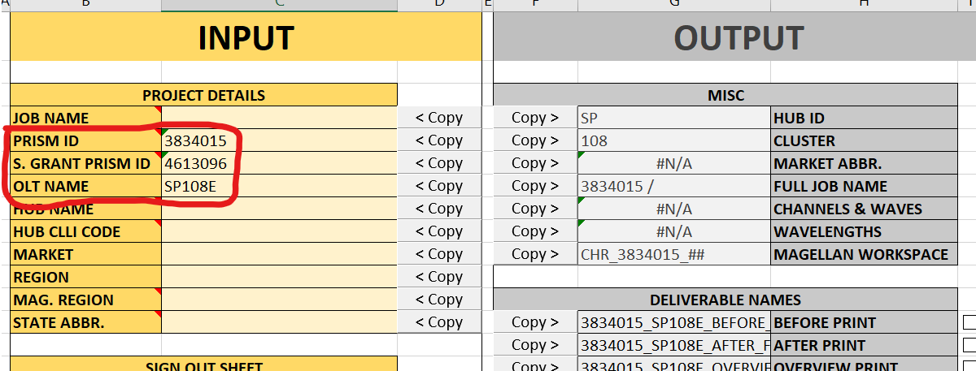
HAF Tab
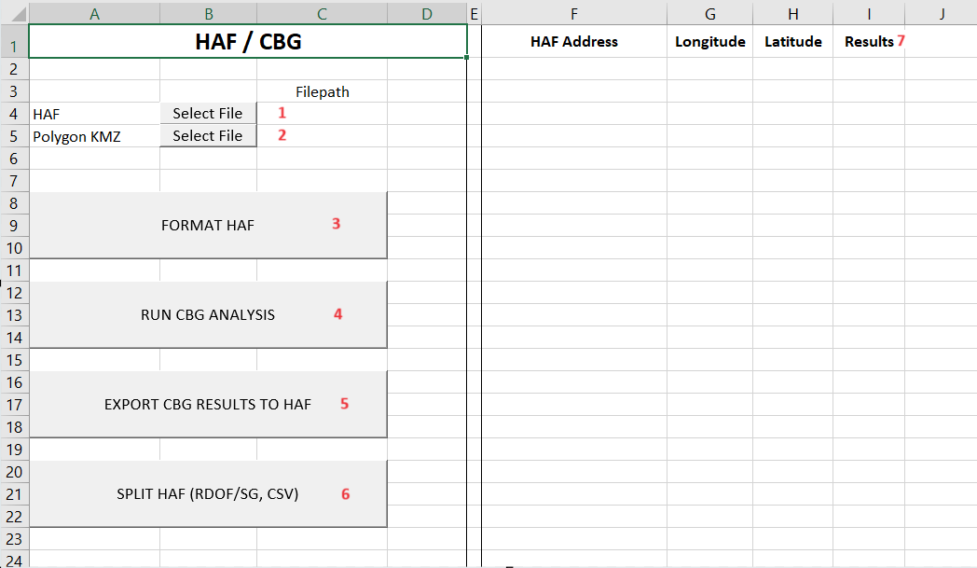
1 – HAF File: Click the Select File button and select the HAF file you’d like to use this tool for. If you have both an RDOF and State Grant project, this tool is designed to work with one HAF that has both sets of addresses.
2 – Polygon KMZ File: This can be any KMZ, as long as it contains the blue CBG areas for your OLT. If you're doing QC, you can usually use the KMZ deliverable. If you haven't made a final KMZ yet, you can save a folder with just the CBG areas as a separate file and use that here. State Grants are trickier to use with this tool, since addresses are considered SG when they have a "Pink Dot", not when they're in the orange "footprint". You will need to manually create a polygon to enclose the SG addresses, but this is still usually much faster than manually checking each address. This is discussed in more detail later in the instructions.
3 – Format HAF button: This button opens the selected HAF file, and does much of the common required formatting for the HAF, listed below. This button is meant to work with a HAF downloaded straight from Magellan. If you make any manual edits to the HAF, avoid using the Format HAF button afterwards, as it may replace some of your changes. • Replaces RESIDENTIAL in the Dwelling Type column with “HOUSE”, and replaces COMMERCIAL with BUS SINGLE (STAND-ALONE LOCATION). Note: Magellan only exports addresses as Residential or Commercial, if you want your HAF to have more detail (for example RELIGIOUS dwelling type for churches), you will have to do that manually. • Sets the Status column to NEW • Puts the OLT name in the AMP column • Puts the OLT name plus “_A” in the Power Supply column. This function doesn’t check what you actually named the power port in Magellan, so if you used a different name you should edit this manually. • Formats the Lat/Long columns to be numbers with 6 decimal places. • Formats the CBG column to be numbers with no decimal places. • If any addresses have “NA1” or “-NA1” at the end of the house number, these are extracted as REAR units. This function does not work if there are more than 2 unknown units at the same house number (WIP feature) • Extracts the street type from the Address column into the Street Type column. Doesn’t work for all street types, you should still double-check manually. Doesn’t account for different rules in TX (TX requires street type to also be in the street name column?). • Sorts the HAF by street, then by house number • There are often inconsistencies with how addresses are listed in Magellan (usually from spelling issues or other mistakes in the rideout). This sheet tries its best, but can’t resolve all of them, so make sure to double-check for streets with “similar” but different street names; these need to be manually fixed.
4 – Run CBG Analysis: This will use the Polygon KMZ file you selected. It will clear the right side of the sheet, fill out a row for every address in the HAF, and create a new column for each CBG boundary / State Grant. After it’s done, you should be able to see whether each address is CBG, State Grant, or Synergy in the Results column. Any errors will be listed in this column in red text.
5 – Export Results to HAF: Only works after running the CBG analysis. It will copy the results to the HAF (filling out the CBG column). It will then fill out the Award Type column to match the results (FULL/NONE). If there are any errors with the export, they will appear in red in the CBG/Award Type columns in the HAF. Errors will happen if the coordinates in the HAF don’t match the coordinates in the Results – this can happen if you changed or moved the HAF after running the CBG analysis.
6 – Split HAF: This will split the HAF file you selected into a XSLX and CSV file in your downloads folder. Each file will be named using the correct HAF filename according to the Data Entry tab. If you filled out the State Grant PID cell in the Data Entry tab, it will also split State Grant addresses into their own set of files. So you will have either 2 or 4 files in your Downloads after using the Split button. If there are any files in your Downloads with the correct HAF names already, this button will error.
7 – Results: After using the Run CBG Analysis button, there should be several new columns to the right of this one (one for each polygon you created). The Results column should show one of four things: a CBG number, STATE GRANT, Synergy, or an error in red.
State Grant KMZ
The KMZ tool works by checking whether addresses from the HAF are inside a “polygon”, but there are no State Grant polygons available (SG “footprints” aren’t always accurate to which addresses are really considered to be SG). That means you have to create the State Grant polygon.
To do this, create a new folder in Google Earth. If you also have blue CBG regions in this OLT, copy those polygons into the new folder too. With the folder selected, click the “create new Polygon” button on the toolbar. Name the new polygon “STATE GRANT”.
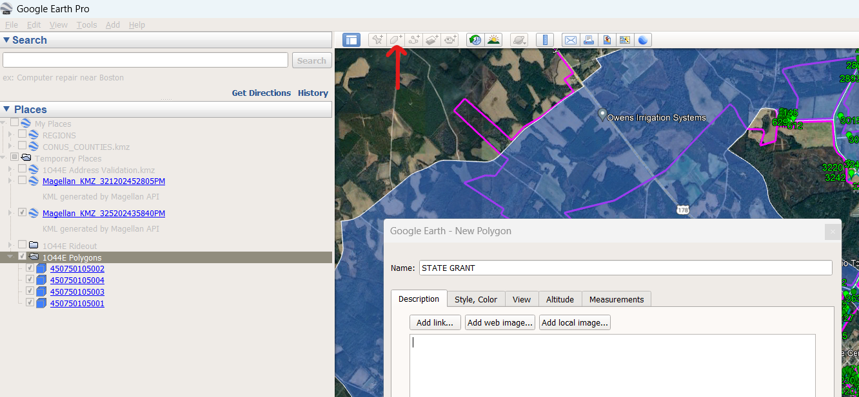
With the New Polygon menu open, you can left-click to draw a shape. The goal is to cover all the State Grant addresses with the shape, without covering any CBG addresses.
In the example below, the blue boundaries are CBG from the rideout, and the orange boundary was manually drawn for State Grant.
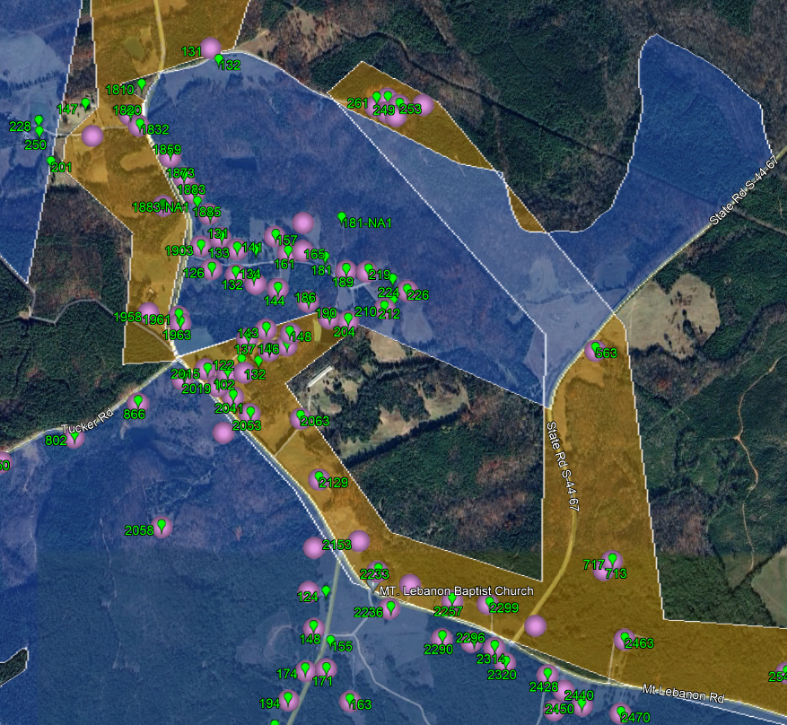
Save the folder you created to a new .kmz file.
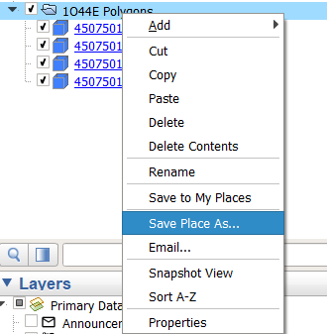
Select your HAF and the file you just saved using the CBG sheet in DesignShark If you have both CBG and State Grant addresses, make sure the HAF you select is one that has BOTH sets of addresses.
Tips & Tricks
• When drawing polygons, you may find it convenient to set the Area opacity to 50%, and change the color to • You can draw multiple State Grant polygons, just make sure they are all named "STATE GRANT" • Any address that isn’t in a boundary will be considered Synergy in the results column – you don’t need to make a separate Synergy polygon

Shark Controller


QC
QC |  |  | Class | Name | Model | Length | Coordinates
 |  | Filepath
Fiber KML

Get KML Data

 | Your Team Lead Email: | emmanuel.best@charter.com
 | Your Manager Email: | jan.m.ison@charter.com
 | Company: | APEX

 | TO: | granganathan@apexgrp.us;pshinde@apexgrp.us;ApexRDOF.DL@aei.apexadvancedtech.com;
 | CC: | Eglal.Ahmed@charter.com;Mawada.Ali@charter.com;George.Bozzo@charter.com;Quang.Chau@charter.com;DAVID.A.FLORES@charter.com;Dylan.Leighner@charter.com;Luis.Zavala@charter.com;Willie.Moreland@charter.com;Adam.Peavy@charter.com;Adrian.Reyes2@charter.com;Ethan.Snyder@charter.com;Timothy.Rucker@charter.com;Yoftahe.Gedion@charter.com;Juan.Zapata1@charter.com;Christa.Jordan@charter.com;Kiyana.Parsan@charter.com;Emily.D.Leach@charter.com;Toni.Mullins@charter.com;Ahmed.Alaswad@charter.com;lonnie.sicat@charter.com;
 | Subject | QC Submittal: --

In House | Designer;Designer Sup; | Eglal.Ahmed@charter.com;Mawada.Ali@charter.com;George.Bozzo@charter.com;Quang.Chau@charter.com;DAVID.A.FLORES@charter.com;Dylan.Leighner@charter.com;Luis.Zavala@charter.com;Willie.Moreland@charter.com;Adam.Peavy@charter.com;Adrian.Reyes2@charter.com;Ethan.Snyder@charter.com;Timothy.Rucker@charter.com;Yoftahe.Gedion@charter.com;Juan.Zapata1@charter.com;Christa.Jordan@charter.com;Kiyana.Parsan@charter.com;Emily.D.Leach@charter.com;Toni.Mullins@charter.com;Ahmed.Alaswad@charter.com;
CCI | RDOFInternalQC@ccisystems.com; | Eglal.Ahmed@charter.com;Mawada.Ali@charter.com;George.Bozzo@charter.com;Quang.Chau@charter.com;DAVID.A.FLORES@charter.com;Dylan.Leighner@charter.com;Luis.Zavala@charter.com;Willie.Moreland@charter.com;Adam.Peavy@charter.com;Adrian.Reyes2@charter.com;Ethan.Snyder@charter.com;Timothy.Rucker@charter.com;Yoftahe.Gedion@charter.com;Juan.Zapata1@charter.com;Christa.Jordan@charter.com;
TechServ | TS.RDOF.MGMT@techservltd.net; | Eglal.Ahmed@charter.com;Mawada.Ali@charter.com;George.Bozzo@charter.com;Quang.Chau@charter.com;DAVID.A.FLORES@charter.com;Dylan.Leighner@charter.com;Luis.Zavala@charter.com;Willie.Moreland@charter.com;Adam.Peavy@charter.com;Adrian.Reyes2@charter.com;Ethan.Snyder@charter.com;Timothy.Rucker@charter.com;Yoftahe.Gedion@charter.com;Juan.Zapata1@charter.com;Christa.Jordan@charter.com;Kiyana.Parsan@charter.com;Emily.D.Leach@charter.com;Toni.Mullins@charter.com;Ahmed.Alaswad@charter.com;lonnie.sicat@charter.com;
APEX | granganathan@apexgrp.us;pshinde@apexgrp.us;ApexRDOF.DL@aei.apexadvancedtech.com; | Eglal.Ahmed@charter.com;Mawada.Ali@charter.com;George.Bozzo@charter.com;Quang.Chau@charter.com;DAVID.A.FLORES@charter.com;Dylan.Leighner@charter.com;Luis.Zavala@charter.com;Willie.Moreland@charter.com;Adam.Peavy@charter.com;Adrian.Reyes2@charter.com;Ethan.Snyder@charter.com;Timothy.Rucker@charter.com;Yoftahe.Gedion@charter.com;Juan.Zapata1@charter.com;Christa.Jordan@charter.com;Kiyana.Parsan@charter.com;Emily.D.Leach@charter.com;Toni.Mullins@charter.com;Ahmed.Alaswad@charter.com;lonnie.sicat@charter.com;
GTS | smadhlom@gts-yes.com; | Eglal.Ahmed@charter.com;Mawada.Ali@charter.com;George.Bozzo@charter.com;Quang.Chau@charter.com;DAVID.A.FLORES@charter.com;Dylan.Leighner@charter.com;Luis.Zavala@charter.com;Willie.Moreland@charter.com;Adam.Peavy@charter.com;Adrian.Reyes2@charter.com;Ethan.Snyder@charter.com;Timothy.Rucker@charter.com;Yoftahe.Gedion@charter.com;Juan.Zapata1@charter.com;Christa.Jordan@charter.com;
ESPC | Ashly.DeVoe@espcflorida.com; | Eglal.Ahmed@charter.com;Mawada.Ali@charter.com;George.Bozzo@charter.com;Quang.Chau@charter.com;DAVID.A.FLORES@charter.com;Dylan.Leighner@charter.com;Luis.Zavala@charter.com;Willie.Moreland@charter.com;Adam.Peavy@charter.com;Adrian.Reyes2@charter.com;Ethan.Snyder@charter.com;Timothy.Rucker@charter.com;Yoftahe.Gedion@charter.com;Juan.Zapata1@charter.com;Christa.Jordan@charter.com;

 | Hyperlink: | mailto:granganathan@apexgrp.us;pshinde@apexgrp.us;ApexRDOF.DL@aei.apexadvancedtech.com;?cc=Eglal.Ahmed@charter.com;Mawada.Ali@charter.com;George.Bozzo@charter.com;Quang.Chau@charter.com;DAVID.A.FLORES@charter.com;Dylan.Leighner@charter.com;Luis.Zavala@charter.com;Willie.Moreland@charter.com;Adam.Peavy@charter.com;Adrian.Reyes2@charter.com;Ethan.Snyder@charter.com;Timothy.Rucker@charter.com;Yoftahe.Gedion@charter.com;Juan.Zapata1@charter.com;Christa.Jordan@charter.com;Kiyana.Parsan@charter.com;Emily.D.Leach@charter.com;Toni.Mullins@charter.com;Ahmed.Alaswad@charter.com;lonnie.sicat@charter.com;emmanuel.best@charter.com;jan.m.ison@charter.com&subject=QC Submittal: --

Please update design per QC notes uploaded to the internal files of MQMS

Node Portal
Node Validation
Step 1
Tap on Node Portal from the ellipses at the top right of the MQMS record.
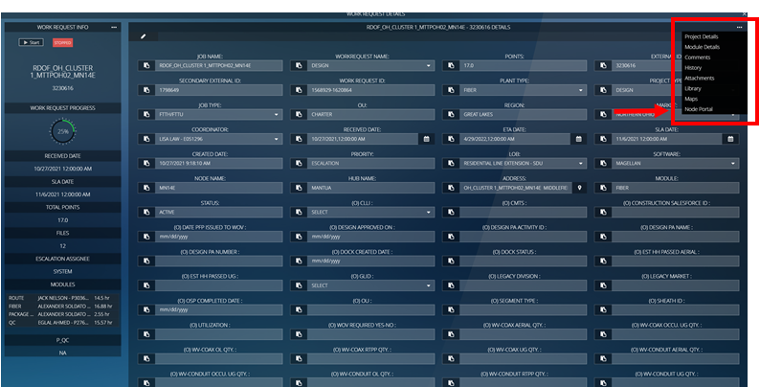

Step 2
From this screen you will see any edits that have been made on this record through the Node Portal. To edit/check if the information is correct, tap on ADD/EDIT.

Step 3
The REGION/MARKET should be default to the correct Region/Market, but you will need to find the HUB you are getting plugged into. Once the information has been selected, tap Search.

Step 4
From this screen scroll down to the bottom.
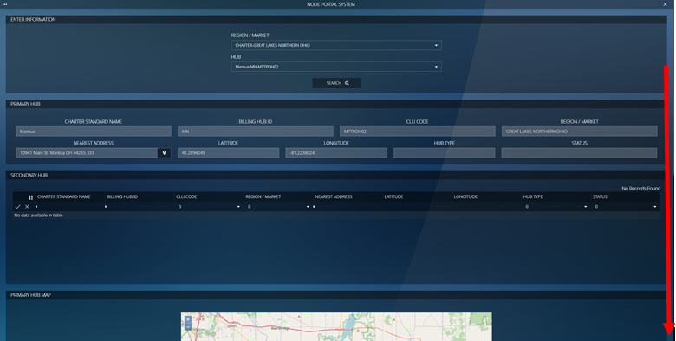

Step 5
Now that you have scrolled to the bottom, tap the cell under NAME. Then type in the OLT you are designing. Afterwards, tap the check mark to the left of it to search it.

Step 6
If this is the correct OLT, then tap on the name of it

Step 7
While on this screen, this is where most of the edits/verifications will be made. The top 2 rows are usually set in stone and shouldn’t have to be changed. The verification/edits start on CONFIG. This is where you select how many PON Groups are being used.
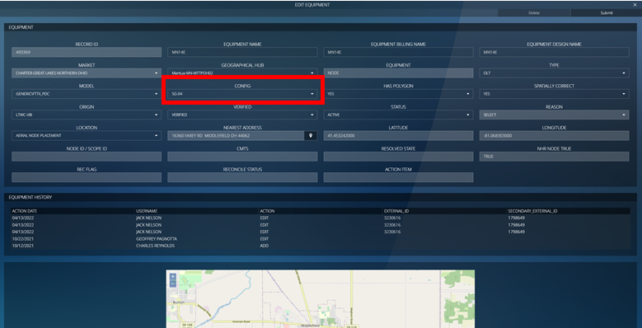

Next will be check HAS POLYGON and SPATIALLY CORRECT. They should both be YES.
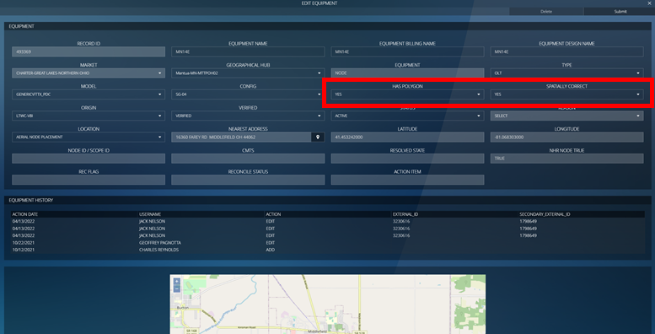

Then the ORIGIN should be set to LTWC-V8I. Which should normally be set to this by default since we do not currently have an option for Magellan.
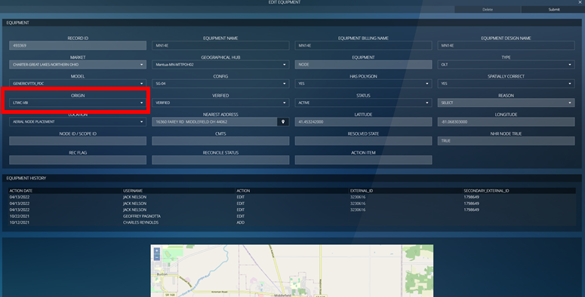

VERIFIED should be set to VERIFIED.


STATUS will be set to ACTIVE.
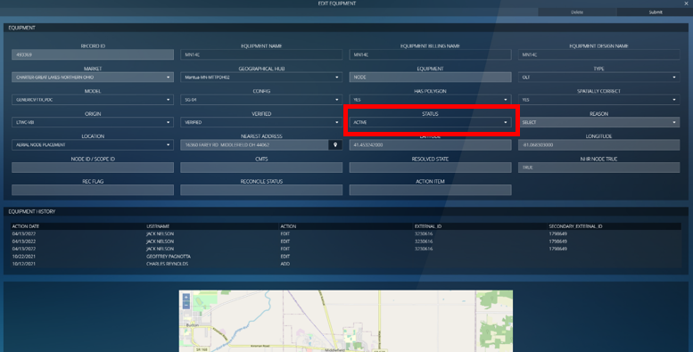

And second to last, LOCATION, this should be set to AERIAL NODE PLACEMENT if setup on a pole or UNDERGROUND NODE PLACEMENT if setup on a PED (or UG structure).
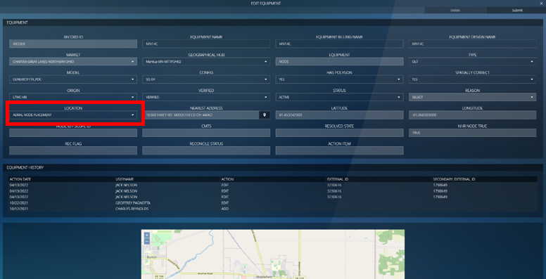

Lastly, select the pin on the right of NEAREST ADDRESS. On the next screen you should be able to place a pin on a location based off whatever address you input.
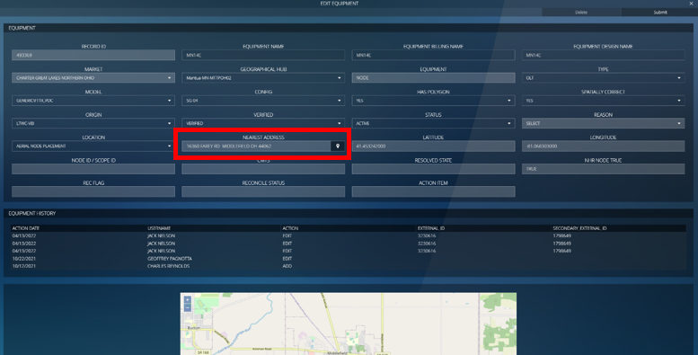

Step 8
Once every step has been done above, you may tap on SUBMIT at the top right.
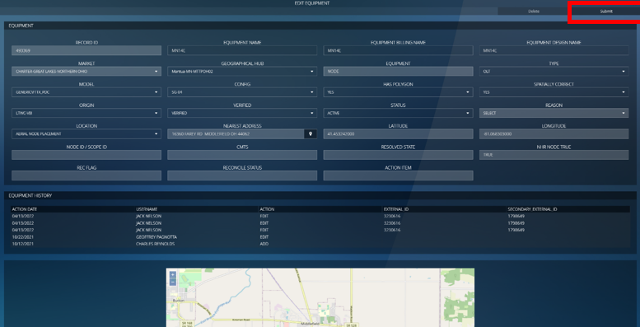

Step 9
You should be back on this screen at this point and you may tap the X at the top right.
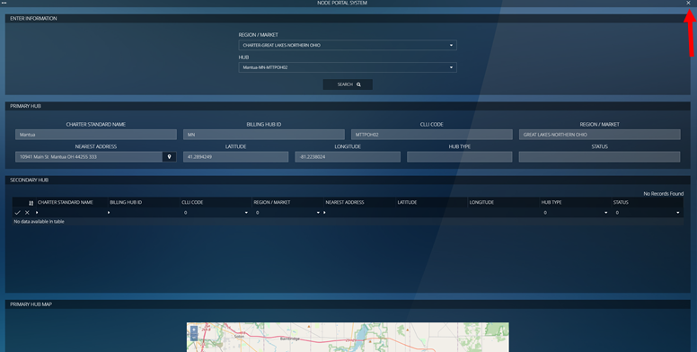

Step 10
Once everything has been completed, you will see a new EDIT on this screen below and that means you are done with Node Validation.

OLT Power
