Лист1
iD | Subject | Preconditions | Step | Expected result | Video / photo | История редактирования
1 | Open the application | Application installed on PC | 1.Click on the application launch button | Failed
2 | Finding a field to identify a new sheet | The cursor is on unsigned window # 2 | 2. Does the field for the new sheet have a name? | 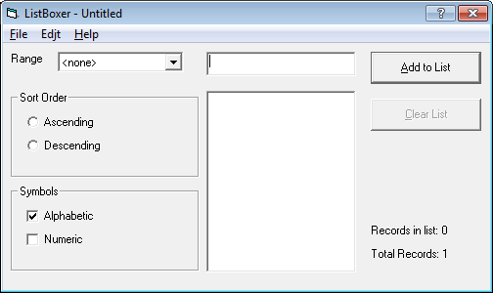 PASSED
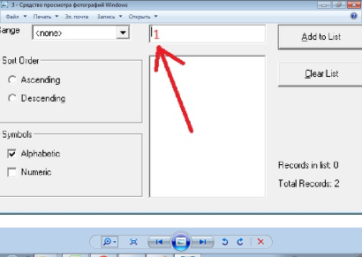
3 | Checking the input of different characters in the sheet name | The cursor is on unsigned window # 2 | 1. Enter the name of the new sheet = 1 | PASSED
 |  |  | 2. Enter the name of the new sheet of more than 7 letters = Aaaaaaaa | PASSED
 |  |  | 3. Enter the name of the new sheet =! "No.;%:? * () _ + = -, * / | PASSED
 |  |  | 4. Enter two words separated by a space in the title of the new sheet | PASSED
4 | Add a new sheet | The cursor is on unsigned window # 2 | 1. Enter the name of the new sheet = A | Failed
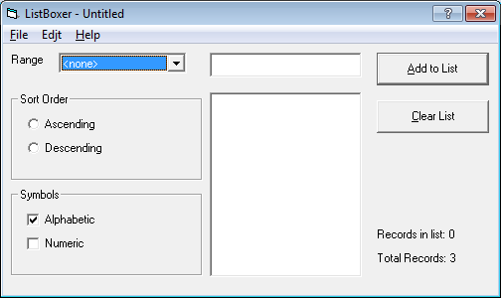
5 | Checking the display of sheet A by default on the screen immediately | Application open | 1. Is sheet A visible by default immediately in the program | PASSED

6 | Select sheet A |  | 1. Click on sheet A in the "Range" field | Failed
7 | Is sheet A displayed in the program after activating it? |  | 1. Look for sheet A in the program | Failed
8 | Checking the name for fields |  | 1. Does the Name of the field for displaying sheet A | PASSED
 |  |  |  |  | 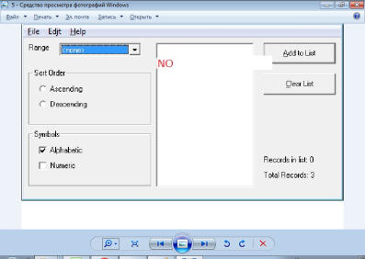
9 | Will we see sheet A in the program after its activation? | Let's select the All values in the listing | 1. Is the unnamed field formatted vertically along the top with the inscription A | PASSED | 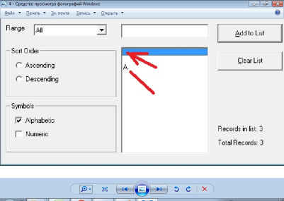
 |  | Let's choose in the listing the values A-M | 2. Displays lcn A without a name vertically along the top edge with the inscription A | Failed
 |  | Let's select the values n-z in the listing | 3. Absence of a sheet A without a name along the vertical along the upper edge with an inscription A | Failed | 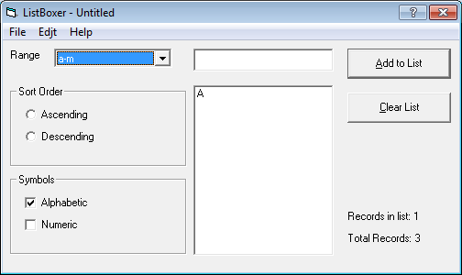
 |  | Let's select the values ____ in the listing | 4. The presence of empty unnecessary values ​​in the listing | PASSED

