Sheet1
Web Design Project 3

Explorers Southwest

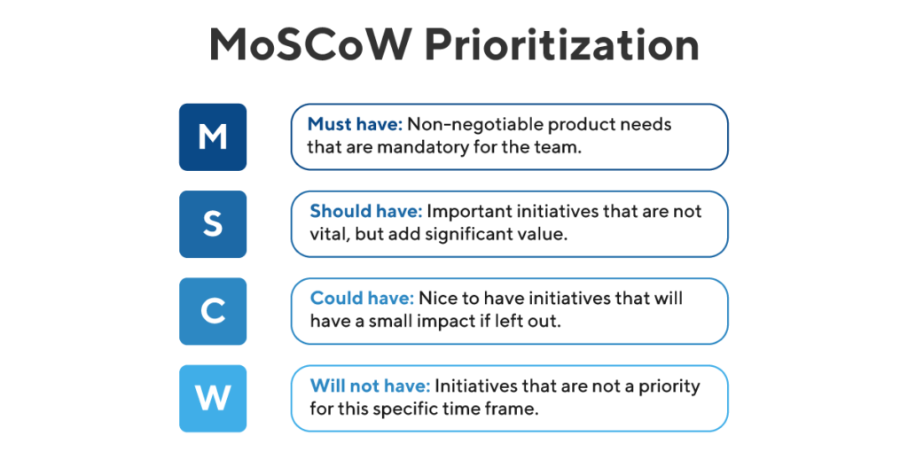
 | Must Have | Should Have | Could Have | Won't Have

 | Contact information | Gallery | Lightboxes | Server side scripting

 | Working navigation between |  | More than one form
 | pages
 |  | Different methods of navigation
 | Multiple pages

 | Images

 | Fluent informative copy to expand business, promote new guided tours to Mesa Verde and attract clients from other states.

 | A validated form

 | Location information

