Máquina de Estados - Itens
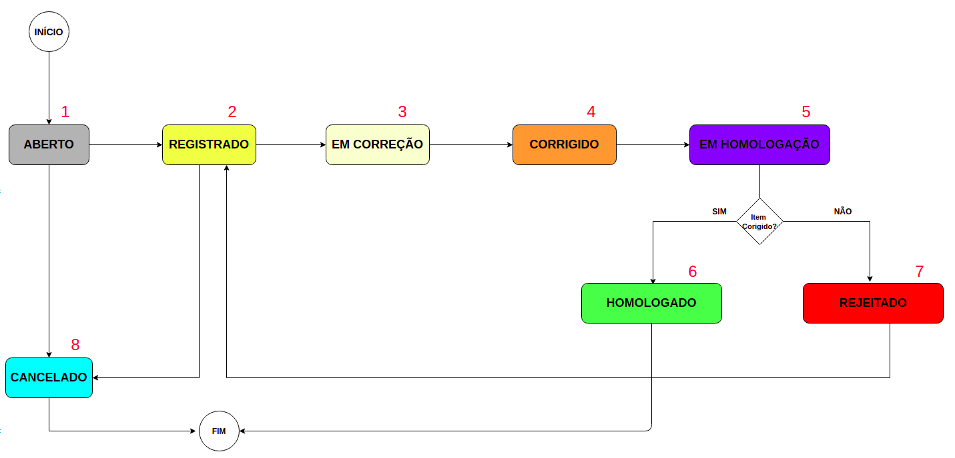
MÁQUINA DE ESTADOS - ITENS HOMOLOGAÇÃO
1
ABERTO | 2
Time de HML cria o item na planilha | REGISTRADO | 3
 | Time Sensedia registra o item no JIRA interno para avaliação/correção | EM CORREÇÃO | 4
 |  | Time Sensedia começa a atuar na correção do bug | CORRIGIDO | 5
 |  |  | Bug corrigido e disponibilizado para validação em ambiente HML. Preencher coluna "Liberado para HML" | EM HOMOLOGAÇÃO | 6
 |  |  |  | Time de HML inicia a validação do item que foi corrigido e disponibilizado | HOMOLOGADO | 7
 |  |  |  |  | Item validado com sucesso pelo time de HML | REJEITADO | 8
 |  |  |  |  |  | Item foi validado pelo time de HML, porém não foi corrigido, ou seja, ainda está com erro | CANCELADO
 |  |  |  |  |  |  | Item cancelado pelo time de HML ou Sensedia após alinhamento | ALTERADO SQUAD
 |  |  |  |  |  |  |  | Item alterado pelo SQUAD após entrega oficial Sensedia em 31/05

