DataTypes
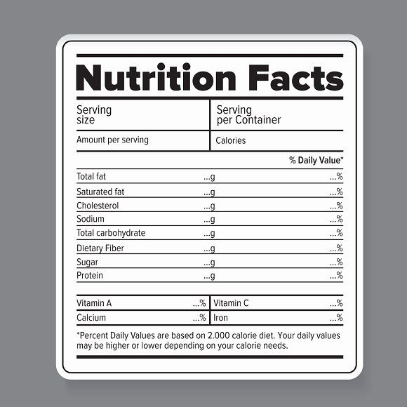
UTF-16 Encoding | https://www.fda.gov/food/buy-store-serve-safe-food/what-you-need-know-about-food-allergies
 | Type | Length | Size (bytes) | Total (bytes) | Total (KiB)
Meal |  |  |  | 6200 | 138 | Order |  |  |  | 139
Id | guid | 1 | 16 | 16 |  | order id | guid | 1 | 16 | 16
Description | string | 500 | 4 | 2000 |  | user id | guid | 1 | 16 | 16
KitchenId | guid | 1 | 16 | 16 |  | meal id | guid | 3 | 16 | 48
Price | float + currency | 1 | 8 | 8 |  | time | datetime | 1 | 8 | 8
Nutrition Info |  |  |  | 0 |  | source | byte | 1 | 1 | 1
Energy | float + float | 2 | 4 | 8 |  | promo id | guid | 2 | 16 | 32
Protein | float + float | 2 | 4 | 8 |  | type | byte | 1 | 1 | 1
Fat | float + float | 2 | 4 | 8 |  | state | byte | 1 | 1 | 1
Saturated fat | float + float | 2 | 4 | 8 |  | feedbackid | guid | 1 | 16 | 16
Carbohydrate | float + float | 2 | 4 | 8 |  | Feedback |  |  |  | 4043
Sugar | float + float | 2 | 4 | 8 |  | id | guid | 1 | 16 | 16
Sodium | float + float | 2 | 4 | 8 |  | order id | guid | 1 | 16 | 16
Vitamins | float + float | 20 | 4 | 80 |  | date | datetime | 1 | 8 | 8
Ingridients | string | 1000 | 4 | 4000 |  | rate | byte | 3 | 1 | 3
Alergens | List<byte> | 8 | 1 | 8 |  | description | string | 1000 | 4 | 4000
Type | guid | 1 | 16 | 16 |  | Promo |  |  |  | #VALUE!
Catalog |  |  |  | 124016 |  | id | guid | 1 | 16 | 16
KitchenId | guid | 1 | 16 | 16 |  | kitchen | list of guid | 1 | 16 | 16
Meals | meal | 20 | 6200 | 124000 |  | meal type | list of guid | 1 | 16 | 16
User |  |  |  | 7364 |  | meal list | list of guid | 3 | 16 | 48
id | guid | 1 | 16 | 16 |  | date range | datetime | 2 | 16 | 32
Name | string | 200 | 4 | 800 |  | description | string | 1000 | 4 | 4000
Login | string | 100 | 4 | 400 |  | discount | float | 4 | 8 | 32
Payment info | Payment info | 1 | 1024 | 1024 |  | rules | list of rules | 2 | 16 | 32
Type | int | 1 | 4 | 4
Preference | preference | 5 | 1024 | 5120

 |  |  |  | #records per day | #records per month | size | unit
 |  |  |  | 500 | 15000 | 1.98 | GiB/Month
 |  |  |  | 1000 | 30000 | 3.96 | GiB/Month
 |  |  |  | 5000 | 150000 | 19.80 | GiB/Month
 |  |  |  | 10000 | 300000 | 39.61 | GiB/Month

 |  |  |  |  |  | #VALUE!

