DataTypes
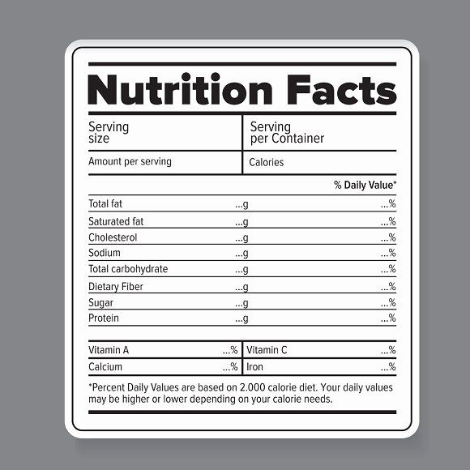
UTF-16 Encoding | https://www.fda.gov/food/buy-store-serve-safe-food/what-you-need-know-about-food-allergies
 |  | Type | Length | Size (bytes) | Total (bytes) | Total (KiB)
 | Meal |  |  |  | 6200 | 6
 | Id | guid | 1 | 16 | 16
 | Description | string | 500 | 4 | 2000
 | KitchenId | guid | 1 | 16 | 16
 | Price | float + currency | 1 | 8 | 8
 | Nutrition Info |  |  |  | 0
 | Energy | float + float | 2 | 4 | 8
 | Protein | float + float | 2 | 4 | 8
 | Fat | float + float | 2 | 4 | 8
 | Saturated fat | float + float | 2 | 4 | 8
 | Carbohydrate | float + float | 2 | 4 | 8
 | Sugar | float + float | 2 | 4 | 8
 | Sodium | float + float | 2 | 4 | 8
 | Vitamins | float + float | 20 | 4 | 80
 | Ingridients | string | 1000 | 4 | 4000
 | Alergens | List<byte> | 8 | 1 | 8
 | Type | guid | 1 | 16 | 16

 | Catalog |  |  |  | 124016 | 121
 | KitchenId | guid | 1 | 16 | 16
 | Meals | meal | 20 | 6200 | 124000 | 121

 | User |  |  |  | 7364 | 7
 | id | guid | 1 | 16 | 16
 | Name | string | 200 | 4 | 800
 | Login | string | 100 | 4 | 400
 | Payment info | Payment info | 1 | 1024 | 1024
 | Type | int | 1 | 4 | 4
 | Preference | preference | 5 | 1024 | 5120

 | Order |  |  |  | 139 | 0.1
 | order id | guid | 1 | 16 | 16
 | user id | guid | 1 | 16 | 16
 | meal id | guid | 3 | 16 | 48
 | time | datetime | 1 | 8 | 8
 | source | byte | 1 | 1 | 1
 | promo id | guid | 2 | 16 | 32
 | type | byte | 1 | 1 | 1
 | state | byte | 1 | 1 | 1
 | feedbackid | guid | 1 | 16 | 16

 | Feedback |  |  |  | 4043 | 3.9
 | id | guid | 1 | 16 | 16
 | order id | guid | 1 | 16 | 16
 | date | datetime | 1 | 8 | 8
 | rate | byte | 3 | 1 | 3
 | description | string | 1000 | 4 | 4000

 | Promo |  |  |  | 8192 | 8.0
 | id | guid | 1 | 16 | 16
 | kitchen | list of guid | 1 | 16 | 16
 | meal type | list of guid | 1 | 16 | 16
 | meal list | list of guid | 3 | 16 | 48
 | date range | datetime | 2 | 16 | 32
 | description | string | 1000 | 4 | 4000
 | discount | float | 4 | 8 | 32
 | rules | list of rules | 2 | 16 | 32

