Bug Report B-001
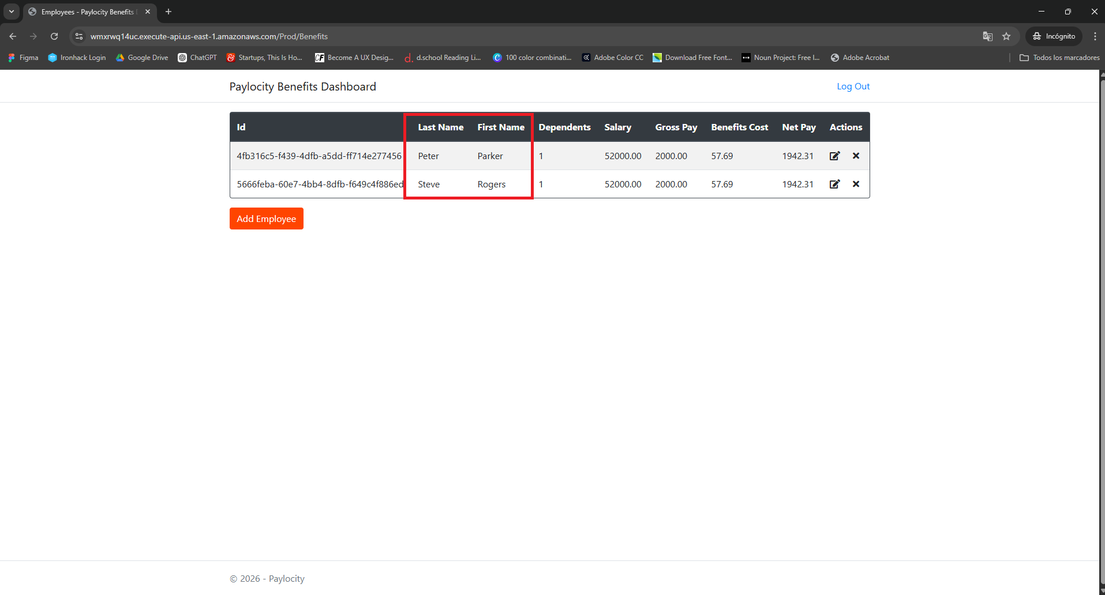
Defect ID | Severity | Priority | Attachments
B-001 | Low | Low
Defect Title
UI - Inverted data display in the columns First Name and Last Name
Enviroment
Windows 11 Home - Chrome
Issue Type | Frequency
Visual | Everytime
Summary
The data displayed in the columns of First Name and Last Name in the dashboard are inverted putting the data of "First Name" in the column of "Last Name" and the "Last Name" in the "First Name" column

Steps to Reproduce
Preconditions: 1. Navigate to: https://wmxrwq14uc.execute-api.us-east-1. amazonaws.com/Prod/Account/Login 2. Login in with valid user and valid password in the Paylocity Benefits Dashboard page 1. Click "Add Employee" button 2. Fill the field "First Name" example: "Peter" 3. Fill the field "Last Name" example: "Parker" 4. Fill the field dependants example: "1" 5. Click "Add" button

Expected Result
User expects to see the First Name (Ex. "Peter") in the column "First Name" and the last name (Ex."Parker") in the column "Last Name"

Actual Result
The First name is displayed in the column "Last Name" (Ex. "Peter") and the last name appears displayed in the column "First Name" (Ex. "Parker")

Bug Report B-002
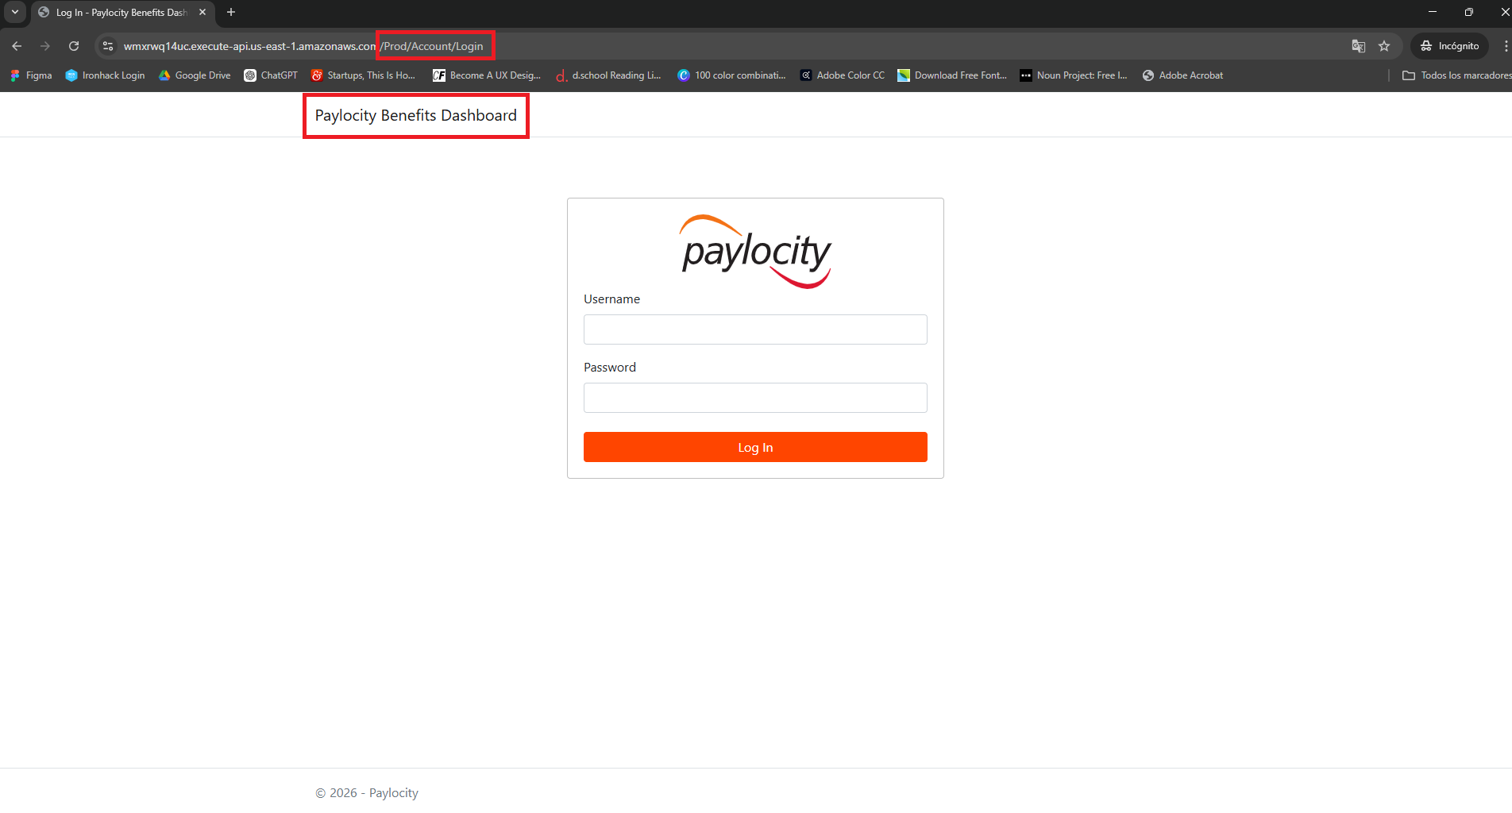
Defect ID | Severity | Priority | Attachments
B-002 | High | High
Defect Title
Security - Authentication bypass via Paylocity Benefits Dashboard link in Login Page
Enviroment
Windows 11 Home - Chrome
Issue Type | Frequency
Functional | Everytime
Summary
In the Login page when a user is not logged in and click the Paylocity Benefits Dashboard header, the links send them to an empty dashboard

Steps to Reproduce
1. Navigate to https://wmxrwq14uc.execute-api.us-east- 1. amazonaws.com/Prod/Account/Login 2. Click in "Paylocity Benefits Dashboard" header

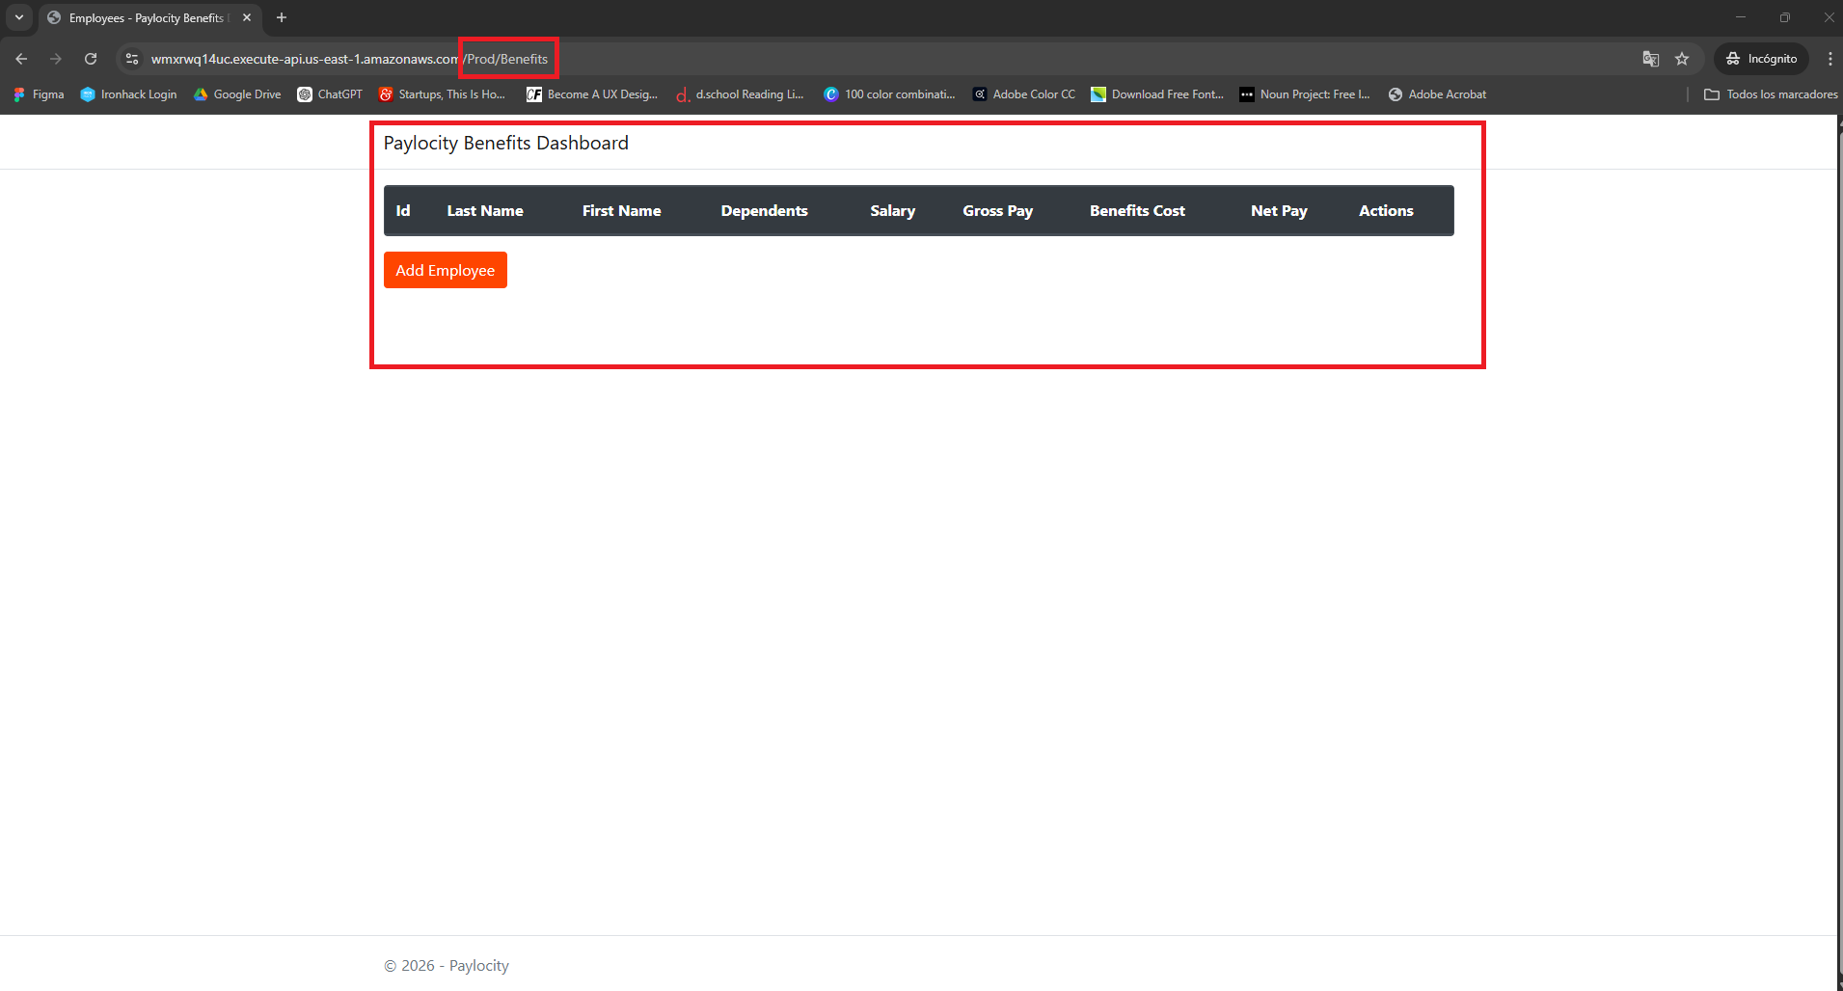

Expected Result
User expects the "Paylocity Benefits Dashboard" header not to be a functional link since no valid credentials have been entered in the login process

Actual Result
The user gets redirected to an empty Benefits Dashboard: https://wmxrwq14uc.execute-api.us-east-1.amazonaws.com /Prod/Benefits without entering the valid credentials

Bug Report B-003
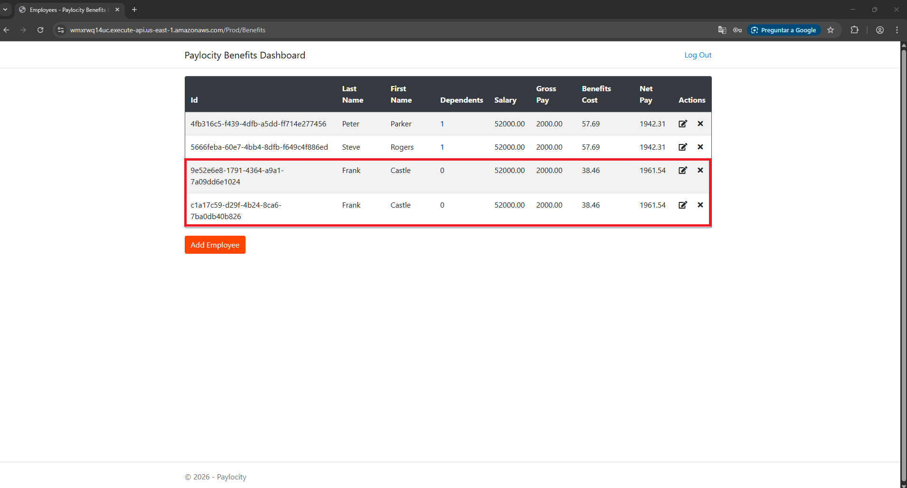
Defect ID | Severity | Priority | Attachments
B-003 | High | High
Defect Title
UI - Duplicate records in the Benefits Dashboard
Enviroment
Windows 11 Home - Chrome
Issue Type | Frequency
Functional | Everytime
Summary
The system lacks of a validation mechanism to prevent the duplication of employee records

Steps to Reproduce
Preconditions: 1. Navigate to: https://wmxrwq14uc.execute-api.us-east-1. amazonaws.com/Prod/Account/Login 2. Login in with valid user and valid password in the Paylocity Benefits Dashboard page 1. Click "Add Employee" button 2. Fill the field "First Name" example: "Frank" 3. Fill the field "Last Name" example: "Castle" 4. Fill the field dependants example: "0" 5. Click "Add" button 6. Click "Add Employee" button 7.Fill the field "First Name" example: "Frank" 8. Fill the field "Last Name" example: "Castle" 9. Fill the field dependants example: "0" 10. Click "Add" button

Expected Result
User expects a warning or error message when trying to add duplicate records in the dashboard

Actual Result
User can add duplicate values in the Dashboard without a warning / error message and without a validation such as "Employee Number" to avoid duplicates in case two different workers share same First Name, Last Name and same dependants

Bug Report B-004
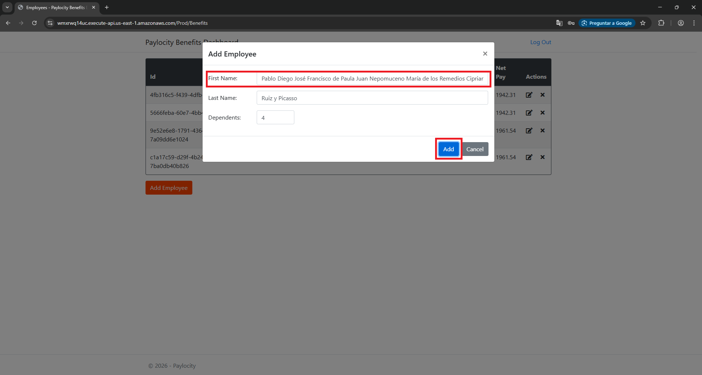
Defect ID | Severity | Priority | Attachments
B-004 | High | High
Defect Title
UI - Missing error message / alert in First Name / Last Name fields
Enviroment
Windows 11 Home - Chrome
Issue Type | Frequency
Functional | Everytime
Summary
The system blocks the Add action without explaining the restriction for the user when it tries to fill the fields of First Name / Last Name with 50+ characters missing error message / alert for the character limit restriction

Steps to Reproduce
Preconditions: 1. Navigate to: https://wmxrwq14uc.execute-api.us-east-1. amazonaws.com/Prod/Account/Login 2. Login in with valid user and valid password in the Paylocity Benefits Dashboard page 1. Click "Add Employee" button 2. Fill the field "First Name" example: "Pablo Diego José Francisco de Paula Juan Nepomuceno María de los Remedios Cipriano de la Santísima" 3. Fill the field "Last Name" example: "Ruiz y Picasso" 4. Fill the field dependants example: "4" 5. Click "Add" button

Expected Result
User can see the register of the employee after clicking "Add" button or can see an alert of character limitations for the fields of First Name and Last Name

Actual Result
User gets no feedback message about whats wrong blocking the action of Add an employee to the dashboard

Bug Report B-005
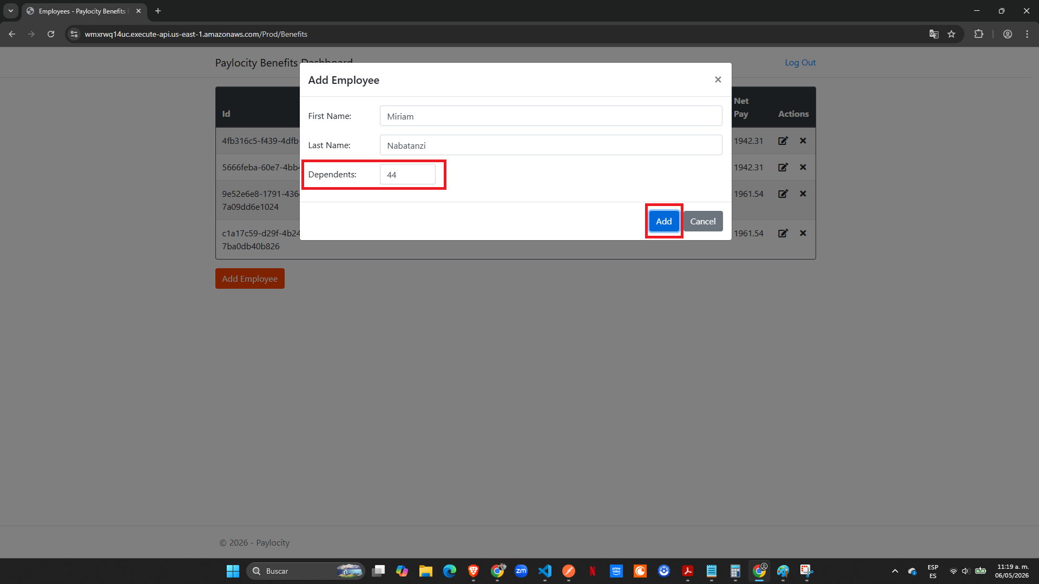
Defect ID | Severity | Priority | Attachments
B-005 | High | High
Defect Title
UI - The system blocks the input without validating it or indicating the allowed limit to the user in Dependants fields
Enviroment
Windows 11 Home - Chrome
Issue Type | Frequency
Functional | Everytime
Summary
The system blocks the Add action without explaining the restriction for the user when it tries to fill the filed of Dependants missing error message / alert for the limit restriction

Steps to Reproduce
Preconditions: 1. Navigate to: https://wmxrwq14uc.execute-api.us-east-1. amazonaws.com/Prod/Account/Login 2. Login in with valid user and valid password in the Paylocity Benefits Dashboard page 1. Click "Add Employee" button 2. Fill the field "First Name" example: "Miriam" 3. Fill the field "Last Name" example: "Nabatanzi" 4. Fill the field dependants example: "44" 5. Click "Add" button

Expected Result
User can see the register of the employee after clicking "Add" button or can see an alert of Dependents imitations for the field of Dependents

Actual Result
User gets no feedback message about whats wrong blocking the action of Add an employee to the dashboard

Bug Report B-006
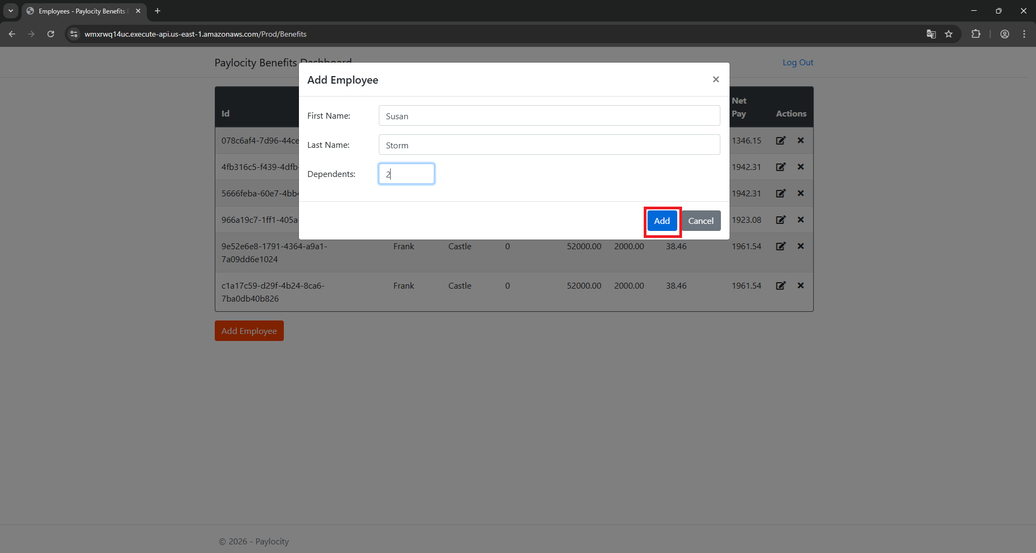
Defect ID | Severity | Priority | Attachments
B-006 | High | High
Defect Title
UI - Session Management Timeout Blocker
Enviroment
Windows 11 Home - Chrome
Issue Type | Frequency
Functional | Everytime
Summary
The Session Management doesnt alert the user that the time out close his session when user gets away from keyboard

Steps to Reproduce
Preconditions: 1. Navigate to: https://wmxrwq14uc.execute-api.us-east-1. amazonaws.com/Prod/Account/Login 2. Login in with valid user and valid password in the Paylocity Benefits Dashboard page 1. Click "Add Employee" button 2. Fill the field "First Name" example: "Reed" 3. Fill the field "Last Name" example: "Richards" 4. Fill the field dependants example: "2" 5. Click "Add" button 6. User goes AFK(Away from keyboard) example: 5 minutes 7. User click "Add Employee" button 8. Fill the field "First Name" example: "Susan" 9. Fill the field "Last Name" example: "Storm" 10. Fill the field dependants example: "2" 11. Click "Add" button

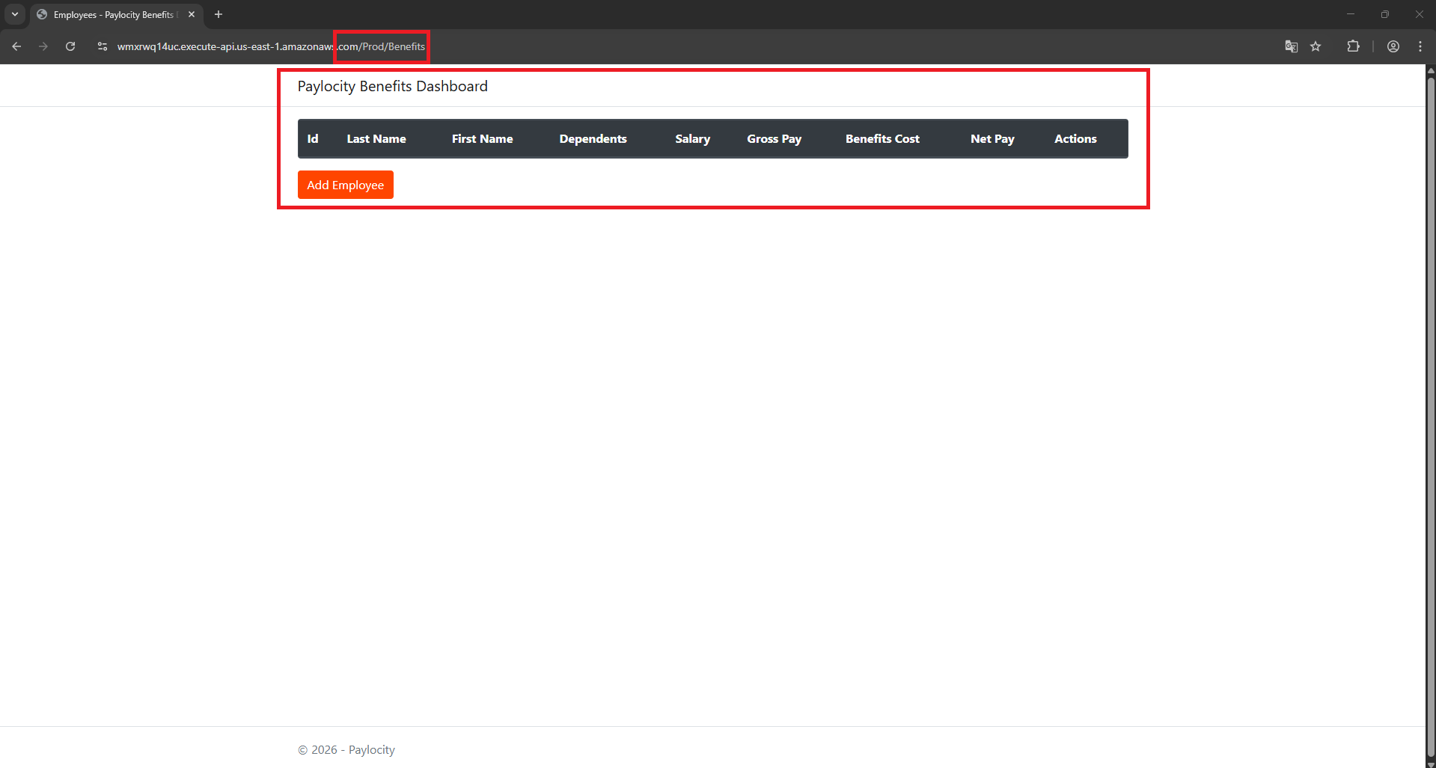
Expected Result
User expects to be able to continue working adding the new employee or be alert by a message of session expired and gets redirected to the Login Page

Actual Result
User gets no feedback message about session expired and block the action of Add an employee to the dashboard, when user clicks the Header "Paylocity Benefits Dashboard" gets redirected to an empty Dashboard

Bug Report B-007
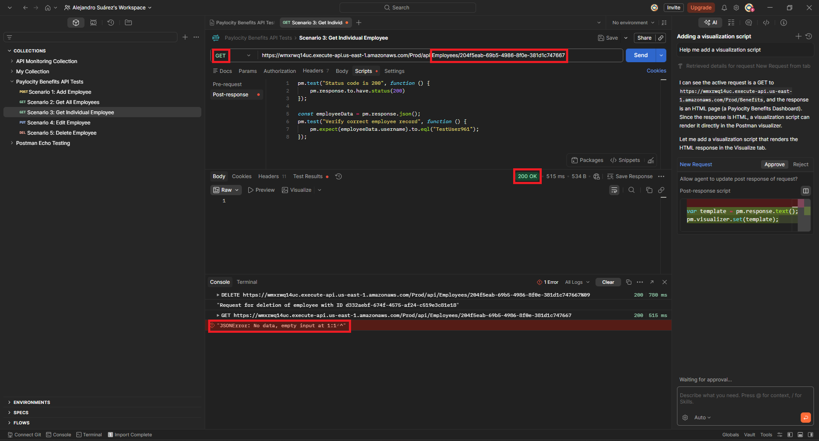
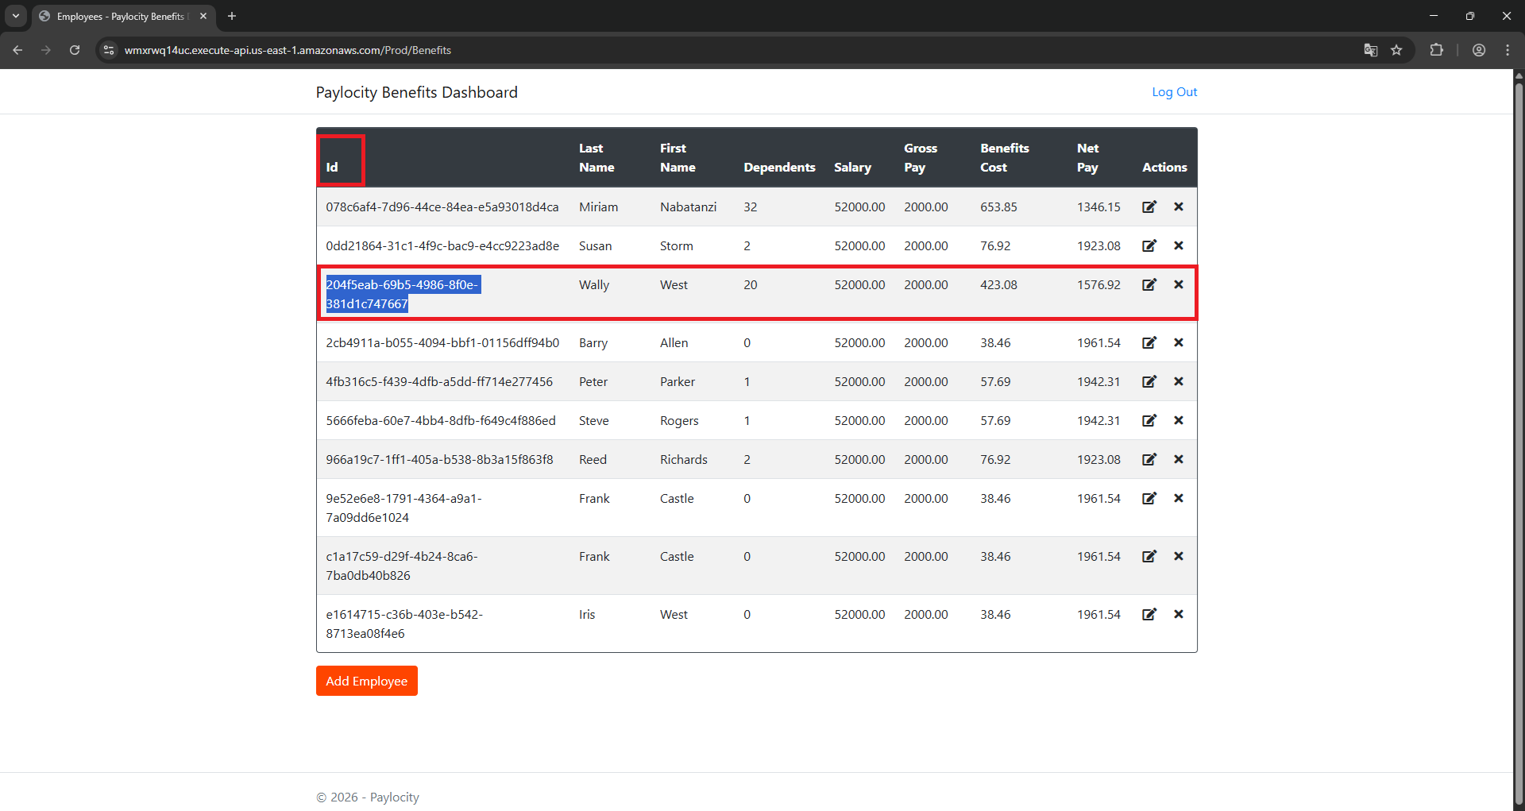
Defect ID | Severity | Priority | Attachments
B-007 | Medium | Low
Defect Title
API - Request Status Code Misalignment (Code 200) after successful DELETE
Enviroment
Windows 11 Home - Chrome
Issue Type | Frequency
Functional | Everytime
Summary
When the user delete an employee record it shows status 200 instead of 404 when consulting about that employee record in Postman

Steps to Reproduce
Preconditions: 1. Navigate to: https://wmxrwq14uc.execute-api.us-east-1. amazonaws.com/Prod/Account/Login 2. Login in with valid user and valid password in the Paylocity Benefits Dashboard page 3. Postman is open in Paylocity Benefits API Test collection in the "Get Individual Employee" test 1. Click "Add Employee" button 2. Fill the field "First Name" example: "Wally" 3. Fill the field "Last Name" example: "West" 4. Fill the field dependants example: "20" 5. Click "Add" button 6. Click "Add Employee" button 7. Copy the "Id" of the new employee Wally West 8. Delete the employee of the dashboard (Wally West) 9. In Postman in the test "Get Individual Employee" copy the ID to retrieve the information corresponding to that ID

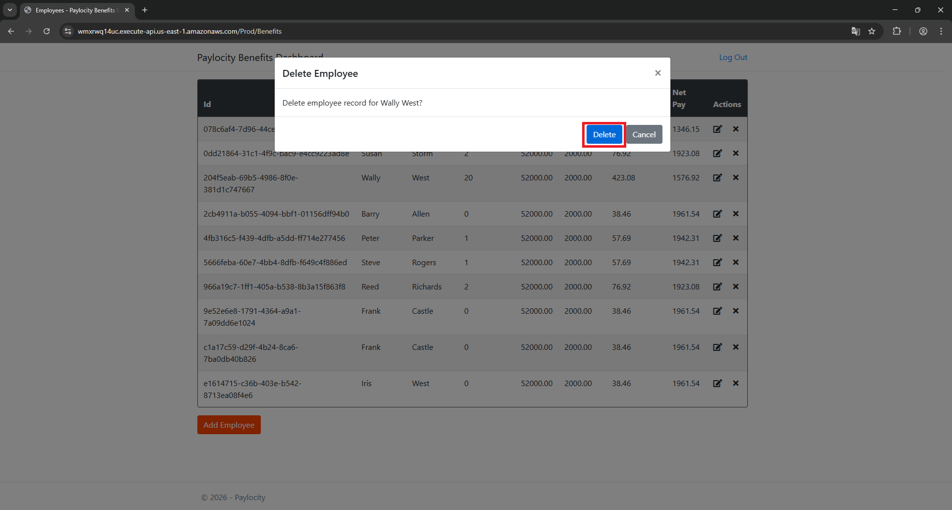
Expected Result
User expects a 404 error code for a deleted record

Actual Result
User gets a 200 OK code

