Sheet1
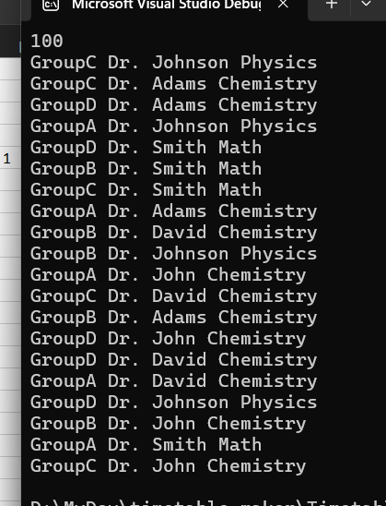
 |  |  |  |  |  | asta e datele pentru mai sus
GA |  |  | GB
 |  | john 0, david 1 |  | smith 1

 | adam 1 |  |  |  | adam 0,john 1
 | json 0 | smith 1 |  | david 1
 |  |  |  | json 1

GC |  |  | GD
 | json 0
 | adam 0, smith1 | david 0 |  |  | json 1
 |  |  |  | adam 0
 |  |  |  |  | john 0
 |  | john |  | smith 0 | david 0

