Test case template
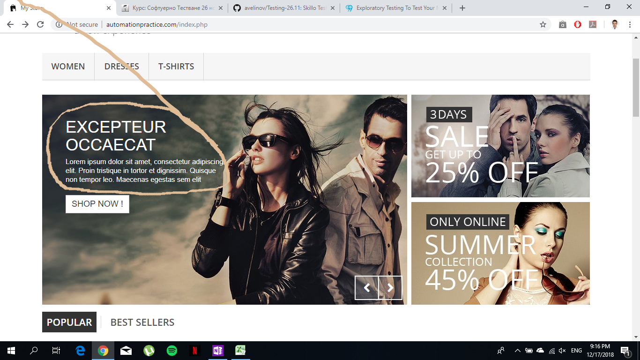
Център за обучение по софтуерно тестване Website: http://skillo-bg.com

Bug ID | B001
Name | [Banner] Text in banner in different language
Priority | P2
Severity | S2
Description | -
Steps to reproduce | Load: http://automationpractice.com/index.php / Go to banner / Expected result: Text in english language/ Acutual result: Text in French language
Attachment | Below
Status | Opened
Component | Banner with offers
Version/Build number (Found in) | -
Environment | Firefox 58.0.2, Chrome 66.0.3359.181, Internet Explorer 11.1
Comments | Text in bannershould be in English when the used chose English for language
Date Created | 17.12.2018
Author | Stefan Tanev
Audit Log | Stefan Tanev created the bug on 12 Dec 2018

