Export as CSV instructions
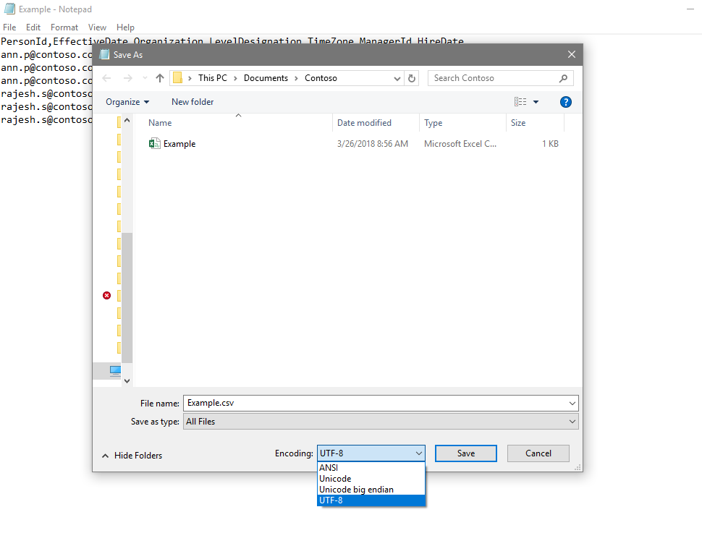
Before you upload organizational data:
Workplace Analytics uses comma-separated values files with UTF-8 encoding. UTF-8 encoding ensures that Workplace Analytics can correctly decode any non-Western characters that can appear in the organizational data. To upload an organizational data file, first export the file as comma-separated values with UTF-8 encoding.
In recent versions of Excel, select File and Save As, then choose CSV UTF-8.
If that option is not available, choose CSV (Comma delimited) from the list. Open Notepad, then select File and Save As, and choose UTF-8. Change the file name extension to ".csv" instead of ".txt".
If you use this file to create your organizational data file, delete this tab before saving your file.
Saving a UTF-8 encoded CSV using Microsoft Excel:

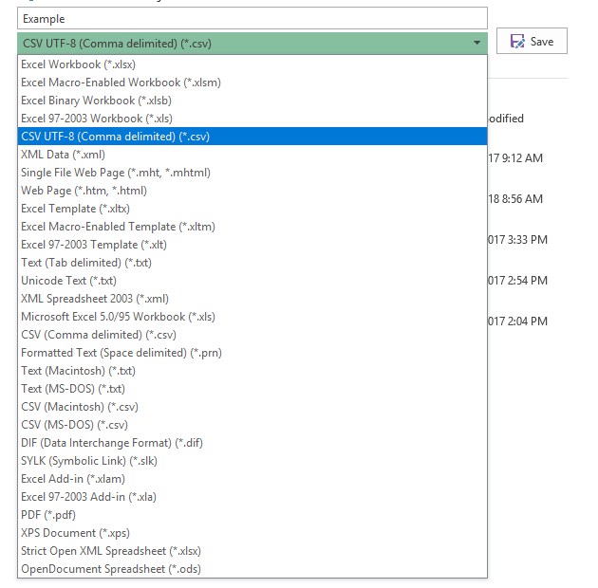

Saving a UTF-8 encoded CSV using Notepad:

