Instructions
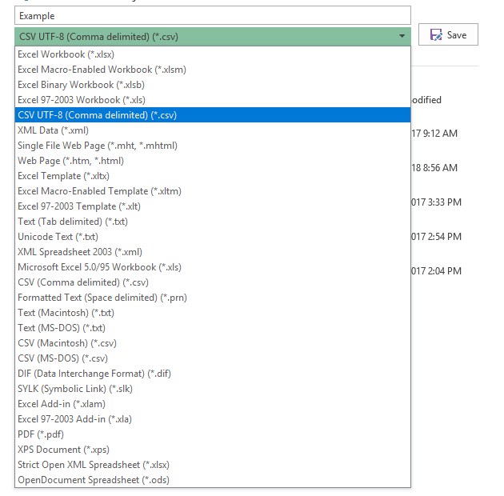
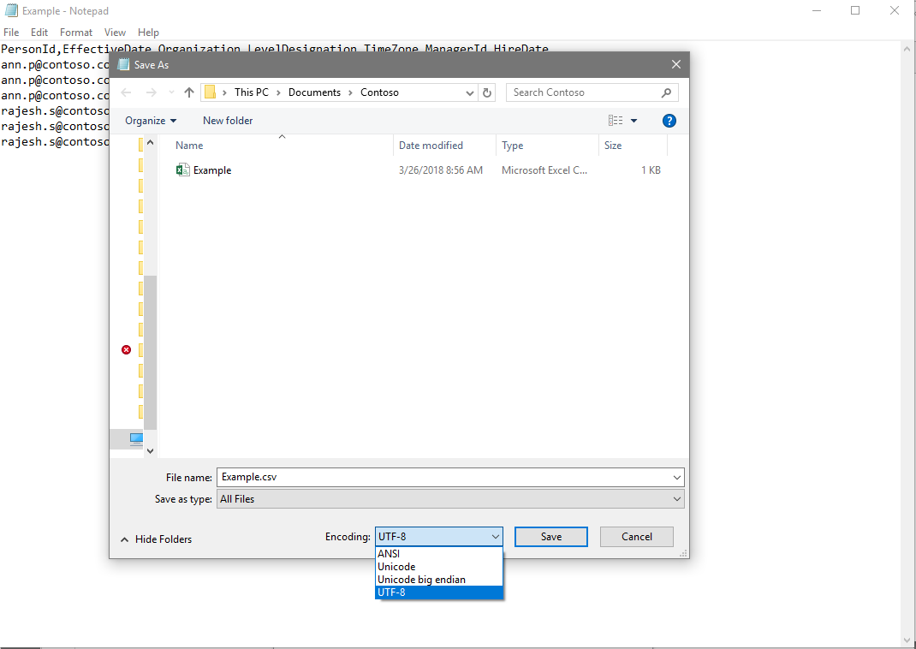
Before you upload organizational data:
Workplace Analytics accepts .XLSX files
OR
comma-separated values (.CSV) files with UTF-8 encoding. UTF-8 encoding ensures that Workplace Analytics can correctly decode any non-Western characters that can appear in the organizational data.
(1) To create a valid .XLSX file In Excel, select File and Save As, then choose Excel Workbook (.XLSX)
Please note that only the first sheet of the file will be processed.
File should not contain formulaes, pictures, pivot tables & other such entities in the file.
Please refer to instructions in the Workplace Analytics docs to format data correctly.
If you use this file to create your organizational data file, delete this tab before saving your file.
Saving a .XLSX file using Microsoft Excel:

(2) To create a valid comma-separated values files with UTF-8 encoding
To upload an organizational data file, first export the file as comma-separated values with UTF-8 encoding.
In recent versions of Excel, select File and Save As, then choose CSV UTF-8.
If that option is not available, choose CSV (Comma delimited) from the list. Open Notepad, then select File and Save As, and choose UTF-8. Change the file name extension to ".csv" instead of ".txt".
Dates must be formatted as MM/DD/YYYY, numbers must be per USA conventions. Comma must be used as column separator. Please refer to instructions in the Workplace Analytics docs to format data correctly.
If you use this file to create your organizational data file, delete this tab before saving your file.
Saving a UTF-8 encoded CSV using Microsoft Excel:
Saving a UTF-8 encoded CSV using Notepad:

