Reference
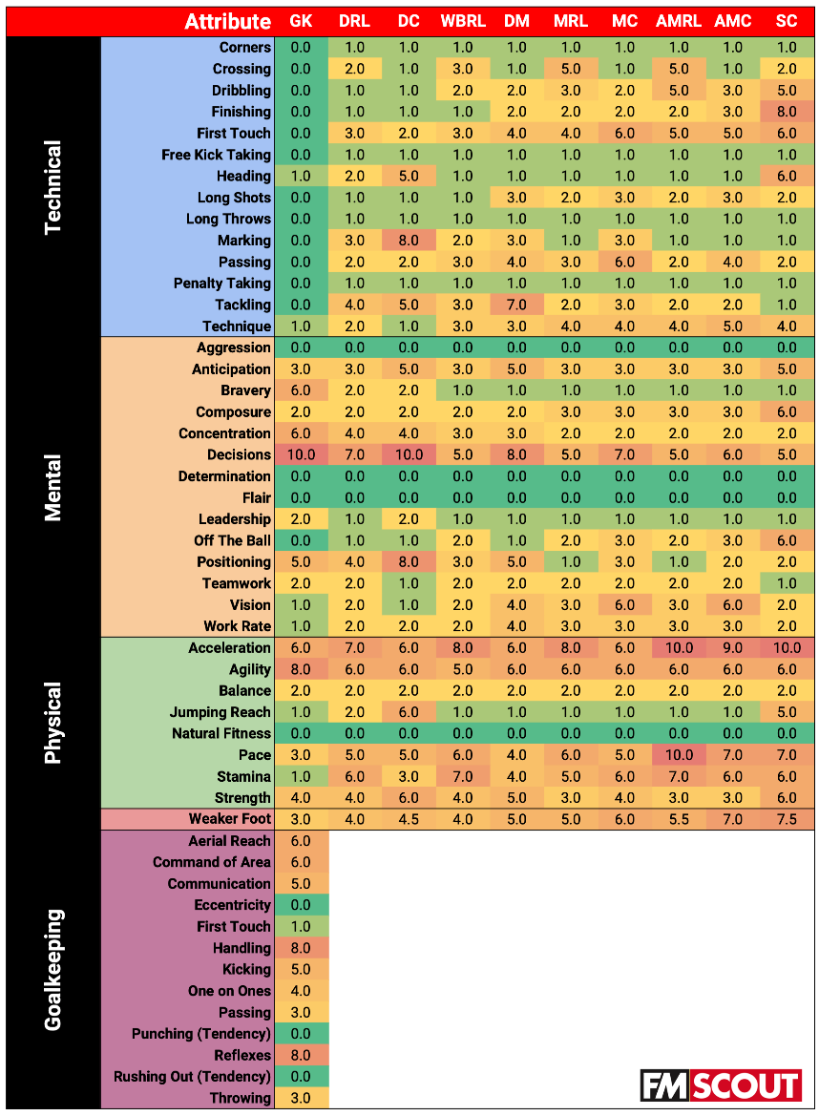
GoalKeepers
 | Decisions | Agility | Reflexes | Handling | Ariel Reach | Command of Area | Acc | Concent | Bravery | Positioning | Communication | Kicking | 1x1 | Strength | Anticipation | Pace | Passing | Throwing | TWPS | WPSAA

Weights | 1 | 0.8 | 0.8 | 0.8 | 0.6 | 0.6 | 0.6 | 0.6 | 0.6 | 0.5 | 0.5 | 0.5 | 0.4 | 0.4 | 0.3 | 0.3 | 0.3 | 0.3 | N/A | N/A
10 Score | 10 | 8 | 8 | 8 | 6 | 6 | 6 | 6 | 6 | 5 | 5 | 5 | 4 | 4 | 3 | 3 | 3 | 3 | 99 | 0.83
12 Score | 12 | 9.6 | 9.6 | 9.6 | 7.2 | 7.2 | 7.2 | 7.2 | 7.2 | 6 | 6 | 6 | 4.8 | 4.8 | 3.6 | 3.6 | 3.6 | 3.6 | 118.8 | N/A
15 Score | 15 | 12 | 12 | 12 | 9 | 9 | 9 | 9 | 9 | 7.5 | 7.5 | 7.5 | 6 | 6 | 4.5 | 4.5 | 4.5 | 4.5 | 148.5 | 1.25
18 Score | 18 | 14.4 | 14.4 | 14.4 | 10.8 | 10.8 | 10.8 | 10.8 | 10.8 | 9 | 9 | 9 | 7.2 | 7.2 | 5.4 | 5.4 | 5.4 | 5.4 | 178.2 | 1.5
20 Score | 20 | 16 | 16 | 16 | 12 | 12 | 12 | 12 | 12 | 10 | 10 | 10 | 8 | 8 | 6 | 6 | 6 | 6 | 198 | 1.67
Best In World | 16 | 15 | 17 | 15 | 14 | 12 | 12 | 14 | 14 | 18 | 13 | 15 | 19 | 14 | 16 | 12 | 15 | 16 | 267 | N/A
Weighted BIW | 16 | 12 | 13.6 | 12 | 8.4 | 7.2 | 7.2 | 8.4 | 8.4 | 9 | 6.5 | 7.5 | 7.6 | 5.6 | 4.8 | 3.6 | 4.5 | 4.8 | 147.1 | 1.24
Positional Difficulty | 0.74

Defenders R/L
 | Decisions | Acceleration | Agility | Stamina | Pace | Tackling | Strength | Positioning | Concentration | Marking | 1st Touch | Anticipation | TWPS | WPSAA

Weights | 0.7 | 0.7 | 0.6 | 0.6 | 0.5 | 0.4 | 0.4 | 0.4 | 0.4 | 0.3 | 0.3 | 0.3 | N/A | N/A
10 Score | 7 | 7 | 6 | 6 | 5 | 4 | 4 | 4 | 4 | 3 | 3 | 3 | 56 | 0.83
12 Score | 8.4 | 8.4 | 7.2 | 7.2 | 6 | 4.8 | 4.8 | 4.8 | 4.8 | 3.6 | 3.6 | 3.6 | 67.2 | N/A
15 Score | 10.5 | 10.5 | 9 | 9 | 7.5 | 6 | 6 | 6 | 6 | 4.5 | 4.5 | 4.5 | 84 | 1.25
18 Score | 12.6 | 12.6 | 10.8 | 10.8 | 9 | 7.2 | 7.2 | 7.2 | 7.2 | 5.4 | 5.4 | 5.4 | 100.8 | 1.50
20 Score | 14 | 14 | 12 | 12 | 10 | 8 | 8 | 8 | 8 | 6 | 6 | 6 | 112 | 1.67
Best In World | 16 | 16 | 17 | 15 | 15 | 14 | 14 | 16 | 16 | 15 | 15 | 15 | 184 | N/A
Weighted BIW | 11.2 | 11.2 | 10.2 | 9 | 7.5 | 5.6 | 5.6 | 6.4 | 6.4 | 4.5 | 4.5 | 4.5 | 86.6 | 1.29
Positional Difficulty | 0.77

DC
 | Decisions | Marking | Positioning | Acceleration | Agility | Jumping Reach | Strength | Heading | Tackling | Anticipation | Pace | Concentration | Stamina | TWPS | WPSAA

Weights | 1 | 0.8 | 0.8 | 0.6 | 0.6 | 0.6 | 0.6 | 0.5 | 0.5 | 0.5 | 0.5 | 0.4 | 0.3 | N/A | N/A
10 Score | 10 | 8 | 8 | 6 | 6 | 6 | 6 | 5 | 5 | 5 | 5 | 4 | 3 | 77 | 0.83
12 Score | 12 | 9.6 | 9.6 | 7.2 | 7.2 | 7.2 | 7.2 | 6 | 6 | 6 | 6 | 4.8 | 3.6 | 92.4 | N/A
15 Score | 15 | 12 | 12 | 9 | 9 | 9 | 9 | 7.5 | 7.5 | 7.5 | 7.5 | 6 | 4.5 | 115.5 | 1.25
18 Score | 18 | 14.4 | 14.4 | 10.8 | 10.8 | 10.8 | 10.8 | 9 | 9 | 9 | 9 | 7.2 | 5.4 | 138.6 | 1.50
20 Score | 20 | 16 | 16 | 12 | 12 | 12 | 12 | 10 | 10 | 10 | 10 | 8 | 6 | 154 | 1.67
Best In World | 14 | 17 | 17 | 13 | 14 | 15 | 15 | 15 | 18 | 17 | 14 | 17 | 17 | 203 | N/A
Weighted BIW | 14 | 13.6 | 13.6 | 7.8 | 8.4 | 9 | 9 | 7.5 | 9 | 8.5 | 7 | 6.8 | 5.1 | 119.3 | 1.29
Positional Difficulty | 0.77

WBRL
 | Acceleration | Pace | Stamina | Decisions | Agility | Strength | 1st Touch | Passing | Tackling | Technique | Anticipation | Positioning | Crossing | TWPS | WPSAA

Weights | 0.8 | 0.6 | 0.7 | 0.5 | 0.5 | 0.4 | 0.3 | 0.3 | 0.3 | 0.3 | 0.3 | 0.3 | 0.3 | N/A | N/A
10 Score | 8 | 6 | 7 | 5 | 5 | 4 | 3 | 3 | 3 | 3 | 3 | 3 | 3 | 56 | 0.83
12 Score | 9.6 | 7.2 | 8.4 | 6 | 6 | 4.8 | 3.6 | 3.6 | 3.6 | 3.6 | 3.6 | 3.6 | 3.6 | 67.2 | N/A
15 Score | 12 | 9 | 10.5 | 7.5 | 7.5 | 6 | 4.5 | 4.5 | 4.5 | 4.5 | 4.5 | 4.5 | 4.5 | 84 | 1.25
18 Score | 14.4 | 10.8 | 12.6 | 9 | 9 | 7.2 | 5.4 | 5.4 | 5.4 | 5.4 | 5.4 | 5.4 | 5.4 | 100.8 | 1.50
20 Score | 16 | 12 | 14 | 10 | 10 | 8 | 6 | 6 | 6 | 6 | 6 | 6 | 6 | 112 | 1.67
Best In World | 14 | 13 | 15 | 14 | 17 | 15 | 14 | 12 | 12 | 13 | 15 | 15 | 9 | 178 | N/A
Weighted BIW | 11.2 | 7.8 | 10.5 | 7 | 8.5 | 6 | 4.2 | 3.6 | 3.6 | 3.9 | 4.5 | 4.5 | 2.7 | 78 | 0.66
Positional Difficulty | 0.70

DM
 | Decisions | Tackling | Acceleration | Agility | Strength | Positioning | Anticipation | Pace | Stamina | Passing | 1st Touch | Vision | Work Rate | Marking | Technique | Concentration | Long Shots | TWPS | WPSAA

Weights | 0.8 | 0.7 | 0.6 | 0.6 | 0.5 | 0.5 | 0.5 | 0.4 | 0.4 | 0.4 | 0.4 | 0.4 | 0.4 | 0.3 | 0.3 | 0.3 | 0.3 | N/A | N/A
10 Score | 8 | 7 | 6 | 6 | 5 | 5 | 5 | 4 | 4 | 4 | 4 | 4 | 4 | 3 | 3 | 3 | 3 | 78 | 0.83
12 Score | 9.6 | 8.4 | 7.2 | 7.2 | 6 | 6 | 6 | 4.8 | 4.8 | 4.8 | 4.8 | 4.8 | 4.8 | 3.6 | 3.6 | 3.6 | 3.6 | 93.6 | N/A
15 Score | 12 | 10.5 | 9 | 9 | 7.5 | 7.5 | 7.5 | 6 | 6 | 6 | 6 | 6 | 6 | 4.5 | 4.5 | 4.5 | 4.5 | 117 | 1.25
18 Score | 14.4 | 12.6 | 10.8 | 10.8 | 9 | 9 | 9 | 7.2 | 7.2 | 7.2 | 7.2 | 7.2 | 7.2 | 5.4 | 5.4 | 5.4 | 5.4 | 140.4 | 1.50
20 Score | 16 | 14 | 12 | 12 | 10 | 10 | 10 | 8 | 8 | 8 | 8 | 8 | 8 | 6 | 6 | 6 | 6 | 156 | 1.67
Best In World | 16 | 17 | 14 | 14 | 13 | 18 | 17 | 14 | 17 | 16 | 16 | 15 | 18 | 16 | 14 | 17 | 9 | 261 | N/A
Weighted BIW | 12.8 | 11.9 | 8.4 | 8.4 | 6.5 | 9 | 8.5 | 5.6 | 6.8 | 6.4 | 6.4 | 6 | 7.2 | 4.8 | 4.2 | 5.1 | 2.7 | 120.7 | 1.29
Positional Difficulty | 0.77

MC
 | Decisions | Vision | Pasing | Acceleration | Agility | Stamina | Pace | Strength | Technique | Long Shots | Marking | Tackling | Anticipation | Composure | Off The Ball | Positioning | Work Rate | TWPS | WPSAA

Weights | 0.7 | 0.6 | 0.6 | 0.6 | 0.6 | 0.6 | 0.5 | 0.4 | 0.4 | 0.3 | 0.3 | 0.3 | 0.3 | 0.3 | 0.3 | 0.3 | 0.3 | N/A | N/A
10 Score | 7 | 6 | 6 | 6 | 6 | 6 | 5 | 4 | 4 | 3 | 3 | 3 | 3 | 3 | 3 | 3 | 3 | 74 | 0.62
12 Score | 8.4 | 7.2 | 7.2 | 7.2 | 7.2 | 7.2 | 6 | 4.8 | 4.8 | 3.6 | 3.6 | 3.6 | 3.6 | 3.6 | 3.6 | 3.6 | 3.6 | 88.8 | N/A
15 Score | 10.5 | 9 | 9 | 9 | 9 | 9 | 7.5 | 6 | 6 | 4.5 | 4.5 | 4.5 | 4.5 | 4.5 | 4.5 | 4.5 | 4.5 | 111 | 0.93434343434
18 Score | 12.6 | 10.8 | 10.8 | 10.8 | 10.8 | 10.8 | 9 | 7.2 | 7.2 | 5.4 | 5.4 | 5.4 | 5.4 | 5.4 | 5.4 | 5.4 | 5.4 | 133.2 | 1.1212121212
20 Score | 14 | 12 | 12 | 12 | 12 | 12 | 10 | 8 | 8 | 6 | 6 | 6 | 6 | 6 | 6 | 6 | 6 | 148 | 1.25
Best In World | 17 | 16 | 18 | 15 | 17 | 15 | 18 | 16 | 12 | 16 | 15 | 18 | 17 | 14 | 14 | 15 | 16 | 269 | N/A
Weighted BIW | 11.9 | 9.6 | 10.8 | 9 | 10.2 | 9 | 9 | 6.4 | 4.8 | 4.8 | 4.5 | 5.4 | 5.1 | 4.2 | 4.2 | 4.5 | 4.8 | 118.2 | 0.99
Positional Difficulty | 0.55

AMLR
 | Acceleration | Pace | Stamina | Agility | Dribbling | Decisions | Crossing | 1st Touch | Technique | Anticipation | Composure | Vision | Work Rate | Strength | TWPS | WPSAA

Weights | 1 | 1 | 0.7 | 0.6 | 0.5 | 0.5 | 0.5 | 0.5 | 0.4 | 0.3 | 0.3 | 0.3 | 0.3 | 0.3 | N/A | N/A
10 Score | 10 | 10 | 7 | 6 | 5 | 5 | 5 | 5 | 4 | 3 | 3 | 3 | 3 | 3 | 72 | 0.61
12 Score | 12 | 12 | 8.4 | 7.2 | 6 | 6 | 6 | 6 | 4.8 | 3.6 | 3.6 | 3.6 | 3.6 | 3.6 | 86.4 | N/A
15 Score | 15 | 15 | 10.5 | 9 | 7.5 | 7.5 | 7.5 | 7.5 | 6 | 4.5 | 4.5 | 4.5 | 4.5 | 4.5 | 108 | 0.90909090909
18 Score | 18 | 18 | 12.6 | 10.8 | 9 | 9 | 9 | 9 | 7.2 | 5.4 | 5.4 | 5.4 | 5.4 | 5.4 | 129.6 | 1.0909090909
20 Score | 20 | 20 | 14 | 12 | 10 | 10 | 10 | 10 | 8 | 6 | 6 | 6 | 6 | 6 | 144 | 1.21
Best In World | 16 | 16 | 15 | 19 | 16 | 14 | 14 | 16 | 16 | 15 | 15 | 13 | 14 | 15 | 214 | N/A
Weighted BIW | 16 | 16 | 10.5 | 11.4 | 8 | 7 | 7 | 8 | 6.4 | 4.5 | 4.5 | 3.9 | 4.2 | 4.5 | 111.9 | 0.94
Positional Difficulty | 0.67

AMC
 | Acceleration | Pace | Agility | Stamina | Decisions | Vision | 1st Touch | Technique | Passing | Dribbling | Finishing | Long Shots | Anticipation | Composure | Off The Ball | Work Rate | Strength | TWPS | WPSAA

Weights | 0.9 | 0.7 | 0.6 | 0.6 | 0.6 | 0.6 | 0.5 | 0.5 | 0.4 | 0.3 | 0.3 | 0.3 | 0.3 | 0.3 | 0.3 | 0.3 | 0.3 | N/A | N/A
10 Score | 9 | 7 | 6 | 6 | 6 | 6 | 5 | 5 | 4 | 3 | 3 | 3 | 3 | 3 | 3 | 3 | 3 | 78 | 0.66
12 Score | 10.8 | 8.4 | 7.2 | 7.2 | 7.2 | 7.2 | 6 | 6 | 4.8 | 3.6 | 3.6 | 3.6 | 3.6 | 3.6 | 3.6 | 3.6 | 3.6 | 93.6 | N/A
15 Score | 13.5 | 10.5 | 9 | 9 | 9 | 9 | 7.5 | 7.5 | 6 | 4.5 | 4.5 | 4.5 | 4.5 | 4.5 | 4.5 | 4.5 | 4.5 | 117 | 0.98484848485
18 Score | 16.2 | 12.6 | 10.8 | 10.8 | 10.8 | 10.8 | 9 | 9 | 7.2 | 5.4 | 5.4 | 5.4 | 5.4 | 5.4 | 5.4 | 5.4 | 5.4 | 140.4 | 1.1818181818
20 Score | 18 | 14 | 12 | 12 | 12 | 12 | 10 | 10 | 8 | 6 | 6 | 6 | 6 | 6 | 6 | 6 | 6 | 156 | 1.31
Best In World | 16 | 16 | 19 | 13 | 15 | 17 | 16 | 18 | 17 | 20 | 13 | 15 | 16 | 15 | 17 | 16 | 11 | 270 | N/A
Weighted BIW | 14.4 | 11.2 | 11.4 | 7.8 | 9 | 10.2 | 8 | 9 | 6.8 | 6 | 3.9 | 4.5 | 4.8 | 4.5 | 5.1 | 4.8 | 3.3 | 124.7 | 1.05
Positional Difficulty | 0.35

STC
 | Acceleration | Finishing | Pace | Stamina | Strength | 1st Touch | Heading | Composure | Off The Ball | Dribbling | Anticipation | Decisions | Jumping Reach | Technique | TWPS | WPSAA

Weights | 1 | 1 | 0.7 | 0.6 | 0.6 | 0.6 | 0.6 | 0.6 | 0.6 | 0.5 | 0.5 | 0.5 | 0.5 | 0.4 | N/A | N/A
10 Score | 10 | 10 | 7 | 6 | 6 | 6 | 6 | 6 | 6 | 5 | 5 | 5 | 5 | 4 | 87 | 0.73
12 Score | 12 | 12 | 8.4 | 7.2 | 7.2 | 7.2 | 7.2 | 7.2 | 7.2 | 6 | 6 | 6 | 6 | 4.8 | 104.4 | N/A
15 Score | 15 | 15 | 10.5 | 9 | 9 | 9 | 9 | 9 | 9 | 7.5 | 7.5 | 7.5 | 7.5 | 6 | 130.5 | 1.0984848485
18 Score | 18 | 18 | 12.6 | 10.8 | 10.8 | 10.8 | 10.8 | 10.8 | 10.8 | 9 | 9 | 9 | 9 | 7.2 | 156.6 | 1.3181818182
20 Score | 20 | 20 | 14 | 12 | 12 | 12 | 12 | 12 | 12 | 10 | 10 | 10 | 10 | 8 | 174 | 1.46
Best In World | 19 | 18 | 20 | 15 | 12 | 18 | 7 | 19 | 19 | 18 | 18 | 16 | 8 | 17 | 224 | N/A
Weighted BIW | 19 | 18 | 14 | 9 | 7.2 | 10.8 | 4.2 | 11.4 | 11.4 | 9 | 9 | 8 | 4 | 6.8 | 141.8 | 1.19
Positional Difficulty | 0.78

