F02.CFG-Paths
 |  | VVSS, Info Romana, 2024-2025

F02. La inchiderea restaurantului se afiseaza totalul incasarilor realizate in ziua respectiva , pentru fiecare tip de plata in fisiere separate de forma raport_data

public void writeInFiles(PizzaService service){
File file_raport = new File("data/reports/raport_" + DateTimeFormatter.ofPattern("dd-MM-YYYY").format(LocalDate.now()) + ".txt"); try (BufferedWriter bufferedWriter = new BufferedWriter(new FileWriter(file_raport)))
{
int i = 0;
while (i < 1) {
if (service.getTotalAmount((PaymentType.Cash)) > 0) { bufferedWriter.write(String.valueOf(service.getTotalAmount(PaymentType.Cash)) + ",Cash");
bufferedWriter.newLine();
} else {
bufferedWriter.write("cash intake does not exist today!"); bufferedWriter.newLine();
}
if (service.getTotalAmount((PaymentType.Card)) > 0) { bufferedWriter.write(String.valueOf(service.getTotalAmount(PaymentType.Card)) + ",Card");
bufferedWriter.newLine();
} else {
bufferedWriter.write("card intake does not exist today!"); bufferedWriter.newLine();
} i++; }
} catch (Exception e) {
e.printStackTrace();
}
}
F02. Covered source code
 |  |  | F02. Control Flow Graph (CFG)
Line No. | Source code |  |  |  | F02. Cyclomatic Complexity (CC)
Req02_L01
Req02_L02 |  |  |  |  | CC1 = No. of regions = |  | 5
Req02_L03 |  |  |  | E=20 | CC2 = Edges - Nodes + 2 = |  | 20-17+2=5
Req02_L04 |  |  |  | N=17 | CC3 = No. of Conditions + 1 = |  | 4+1=5
Req02_L05
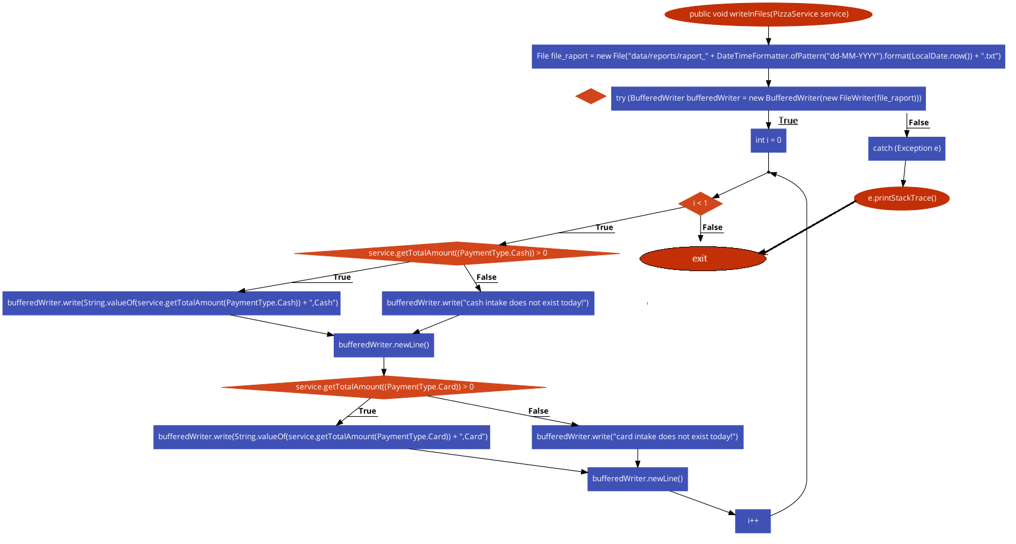
Req02_L06
1
Req02_L07 |  |  |  |  | F02. Individual Paths
1
2
Req02_L08
Req02_L09 |  |  |  |  | Path No. | Path
6
4
3
5
16
Req02_L10 |  |  |  |  | F02_P01 | 1-2-3(T)-4-6(T)-7(T)-8-10-11(T)-12-14-15-6(f)-17
8
7
Req02_L11 |  |  |  |  | F02_P02 | 1-2-3(T)-4-6(T)-7(F)-9-10-11(T)-12-14-15-6(f)-17
10
9
17
Req02_L12 |  |  |  |  | F02_P03 | 1-2-3(T)-4-6(T)-7(T)-8-10-11(F)-13-14-15-6(f)-17
11
12
13
Req02_L13 |  |  |  |  | F02_P04 | 1-2-3(T)-4-6(T)-7(F)-9-10-11(F)-13-14-15-6(f)-17
19
Req02_L14 |  |  |  |  | F02_P05 | 1-2-3(F)-5-16-17
14
15
0
Req02_L15
Req02_L16

21

18

