5. Automation
Automated Customer Service Request Handler |  |  |  |  |  |  | In Progress
Solution Design Document (SDD) |  |  |  |  |  |  | Built
5. Automation |  |  |  |  |  |  | Tested (Done)
 |  |  |  |  |  |  | Blocked
5.1 Description
Automation iterates through email inbox, downloads attachments from emails with subject lines that match filter, then reads information from downloaded files to create drafts of user access requests. Key steps: - Filter through inbox for matching User Access Requests - Download and read data from attachments - Iterate through each row and apply business rules - Create email drafts
5.2 Required packages
Package | Version | Notes
UiPath.Excel.Activities | 2.22.3
UiPath.Mail.Activities | 1.22.2
UiPath.System.Activities | 22.10.5
UiPath.UIAutomation.Activities | 22.10.5

5.3 Reused components
Item | Type | Original Project | Notes
N/A

5.4 Process Design
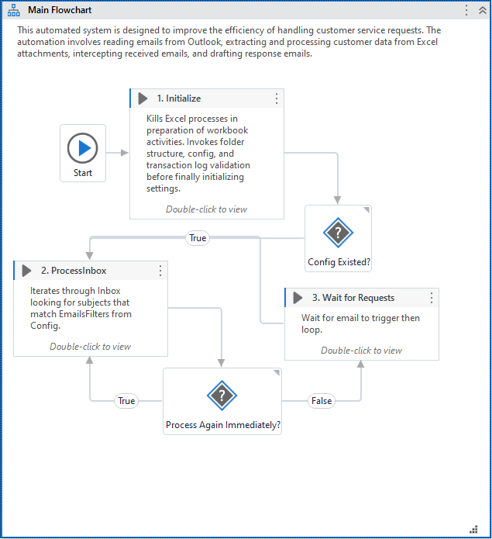

5.5 Components

Total Time Estimate | 0 Days
#Total | 7
#Completed | 6
#In Progress | 1
#Not Started | 0
#Blockers | 0
 |  |  |  |  | Optional - Work Tracker
Component | Inputs | Outputs | Description | Estimate (hrs) | Status | Start Date | End Date | Notes
Integration - REFramework |  |  |  |  | Tested (Done)
Integration - Exception Handling |  |  |  |  | Tested (Done)
Integration - Orchestrator Setup |  |  |  |  | Tested (Done)
Integration - End-to-End Testing |  |  |  |  | In Progress
Initialize |  | Transaction Log, Config, Browser, Master | Kills Excel processes in preparation of workbook activities. Invokes all validation sequences before finally initializing settings. |  | Tested (Done)
Process_Inbox | Config, Transaction Log, Browser, Master | Transaction Log, Master | Iterates through Inbox looking for subjects that match EmailsFilters from Config. Creates email drafts from attachments of emails that match filters and appropriate formats. Creates Transaction Log and updates MasterSheet. |  | Tested (Done)
Wait_UserAccessRequest | Config |  | Wait for email to trigger then loop back to Process_Inbox. |  | Tested (Done)

6. Initialize
Automated Customer Service Request Handler |  |  |  |  |  |  | In Progress
Solution Design Document (SDD) |  |  |  |  |  |  | Built
6. Initialize |  |  |  |  |  |  | Tested (Done)
 |  |  |  |  |  |  | Blocked
6.1 Description
This portion of the automation ensures that the required files exist and that the required folder structure is present. Key steps: - Ensure no Excel process is running to avoid conflicts - Ensure folder structure exists - Determine if Config file already exists. Download if not and end execution there - Ensure Transaction Log exists and import data from it - Ensure Master Sheet exists and import data from it - Import configuration settings from Config file and convert to dictionary - Check if RPA Flag is set in Config file. If True, open Browser for later use
6.2 Required packages
Package | Version | Notes
UiPath.Excel.Activities | 2.22.3
UiPath.Mail.Activities | 1.22.2
UiPath.System.Activities | 22.10.5
UiPath.UIAutomation.Activities | 22.10.5

6.3 Reused components
Item | Type | Original Project | Notes
N/A

6.4 Process Design
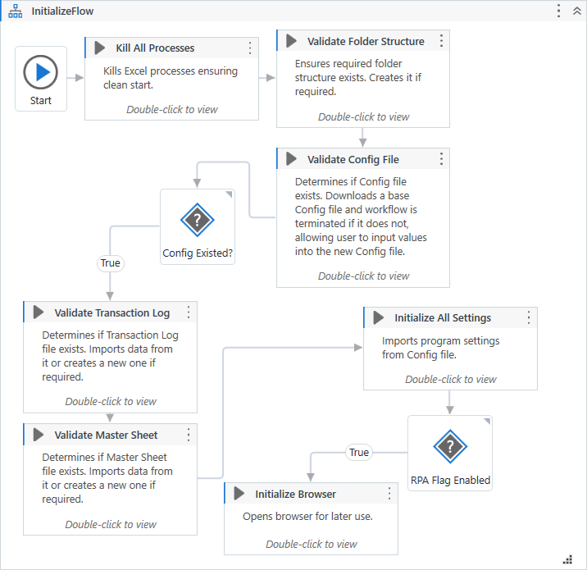

6.5 Components

Total Time Estimate | 0 Days
#Total | 9
#Completed | 8
#In Progress | 1
#Not Started | 0
#Blockers | 0
 |  |  |  |  | Optional - Work Tracker
Component | Inputs | Outputs | Description | Estimate (hrs) | Status | Start Date | End Date | Notes
Integration - Exception Handling |  |  |  |  | Tested (Done)
Integration - End-to-End Testing |  |  |  |  | In Progress
KillAllProcesses |  |  | Force the termination of the Windows processes representing applications used in the business process being automated (Excel). |  | Tested (Done)
Validate_FolderStructure |  |  | Ensures required folder structure exists. Creates it if required. |  | Tested (Done)
Validate_ConfigFile |  | bolConfigExisted | Determines if Config file exists. Downloads a base Config file and returns boolean value as false if it does not. |  | Tested (Done)
Validate_TransactionFile |  | Transaction Log | Determines if Transaction Log file exists. Imports data from it or downloads a new one if required. |  | Tested (Done)
Validate_MasterSheet |  | Master Sheet | Determines if Master Sheet file exists. Imports data from it or downloads a new one if required. |  | Tested (Done)
Initialize_AllSettings | Config Sheets, Config Path | Config | Initialize, populate and output a configuration Dictionary to be used throughout the project. Settings and constants are read from the local configuration file. |  | Tested (Done)
Initialize_Browser |  | Browser | Opens browser for later use. |  | Tested (Done)

7. Process_Inbox
Automated Customer Service Request Handler |  |  |  |  |  |  | In Progress
Solution Design Document (SDD) |  |  |  |  |  |  | Built
7. Process_Inbox |  |  |  |  |  |  | Tested (Done)
 |  |  |  |  |  |  | Blocked
7.1 Description
This portion of the automation iterates through the Inbox and extracts information from email attachments. This information is then processed and used to generate email drafts. Key steps: - Iterate through Inbox and find all emails with appropriate Subject Line - Download email if config option is set - download email attachments - Iterate through attachments and ensure they follow business rules (format, etc...) - Generate transaction entry into log - Move email from Inbox to specialized folder - Determine if automation should loop immediately
7.2 Required packages
Package | Version | Notes
UiPath.Excel.Activities | 2.22.3
UiPath.Mail.Activities | 1.22.2
UiPath.System.Activities | 22.10.5
UiPath.UIAutomation.Activities | 22.10.5

7.3 Reused components
Item | Type | Original Project | Notes
N/A

7.4 Transaction Log Design
Email ID | ID | Date | Time | Batch Type | Source | Action | User ID | Employee ID | Info | Email Status
1 | 1 | 2024/04/12 | 02:57 | User Access Request | Alexandre.Jobin@hc-sc.gc.ca | Create | Ronny.Lam | 1AB2C3 | Completed | Draft Created
1 | 2 | 2024/04/12 | 02:57 | User Access Request | Alexandre.Jobin@hc-sc.gc.ca | Create | Cornelia.Cervantes | 1AB2C4 | Completed | Draft Created
1 | 3 | 2024/04/12 | 02:57 | User Access Request | Alexandre.Jobin@hc-sc.gc.ca | Create | Marjorie.Riley | 1AB2C5 | Completed | Draft Created
1 | 4 | 2024/04/12 | 02:57 | User Access Request | Alexandre.Jobin@hc-sc.gc.ca | Modify | Adalberto.Chapman | 1AB2C6 | Cannot modify nonexistent account | Not Created
1 | 5 | 2024/04/12 | 02:57 | User Access Request | Alexandre.Jobin@hc-sc.gc.ca | Create | Judy.Perez | 1AB2C7 | Completed | Draft Created
1 | 6 | 2024/04/12 | 02:57 | User Access Request | Alexandre.Jobin@hc-sc.gc.ca | Create | Ismael.Hood | 1AB2C8 | User does not have clearance or exemption | Not Created
1 | 7 | 2024/04/12 | 02:57 | User Access Request | Alexandre.Jobin@hc-sc.gc.ca | Create | Adalberto.Chapman | 1AB2C6 | Completed | Draft Created
1 | 8 | 2024/04/12 | 02:57 | User Access Request | Alexandre.Jobin@hc-sc.gc.ca | Delete | Judy.Perez | 1AB2C7 | Completed | Draft Created
1 | 9 | 2024/04/12 | 02:57 | User Access Request | Alexandre.Jobin@hc-sc.gc.ca | Modify | Adalberto.Chapman | 1AB2C6 | Completed | Draft Created

7.5 Master Sheet Design
Employee ID | First Name | Given Name | User ID | Email | Access | Account Creation | Last Modified
1AB2C3 | Ronny | Lam | Ronny.Lam | Ronny.Lam@Test.com | Elevated | 2024/04/15 10:18 | N/A
1AB2C4 | Cornelia | Cervantes | Cornelia.Cervantes | Cornelia.Cervantes@Test.com | Elevated | 2024/04/15 10:18 | N/A
1AB2C5 | Marjorie | Riley | Marjorie.Riley | Marjorie.Riley@Test.com | Elevated | 2024/04/15 10:18 | N/A
1AB2C6 | Adalberto | Chapman | Adalberto.Chapman | Adalberto.Chapman@Test.com | Elevated | 2024/04/15 10:18 | 2024/04/15 10:22

7.6 Process Design
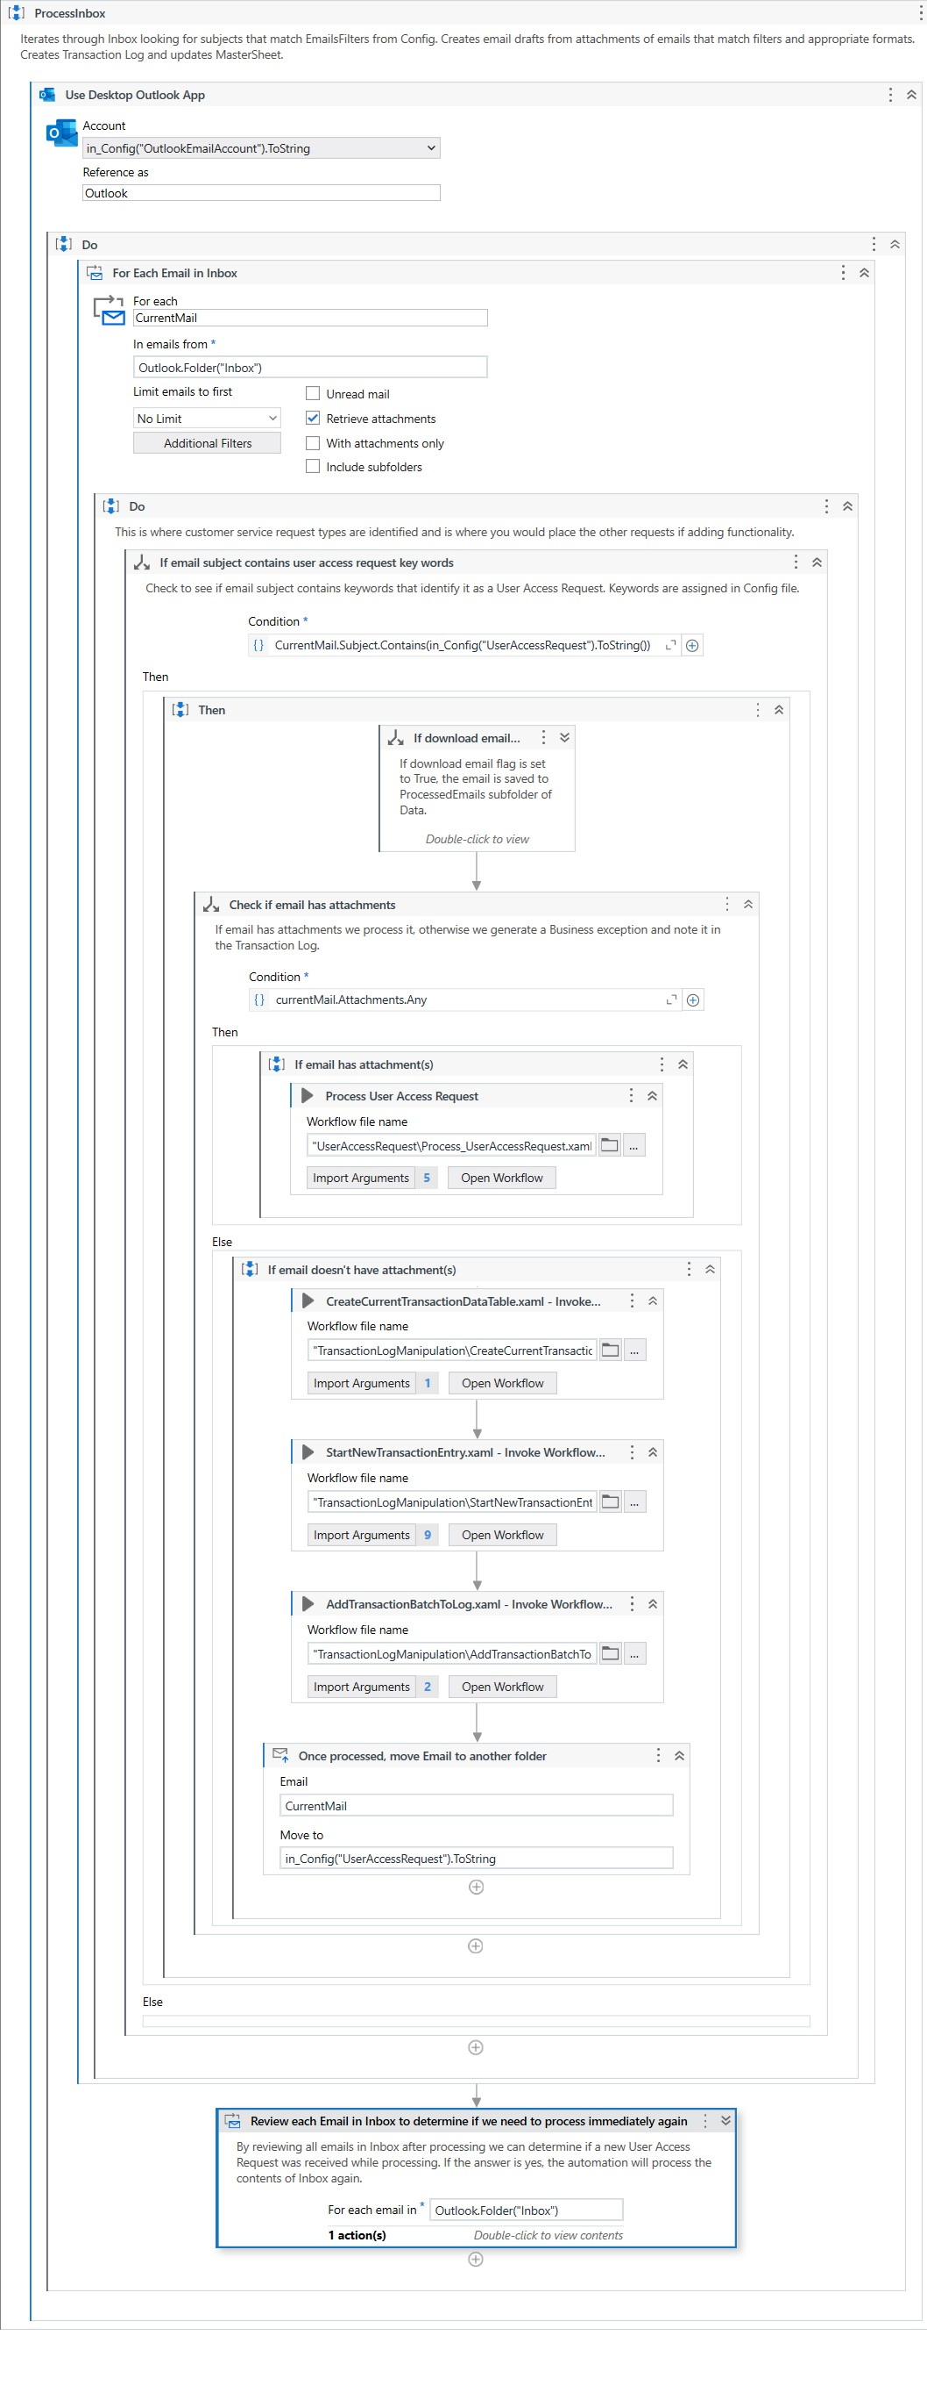
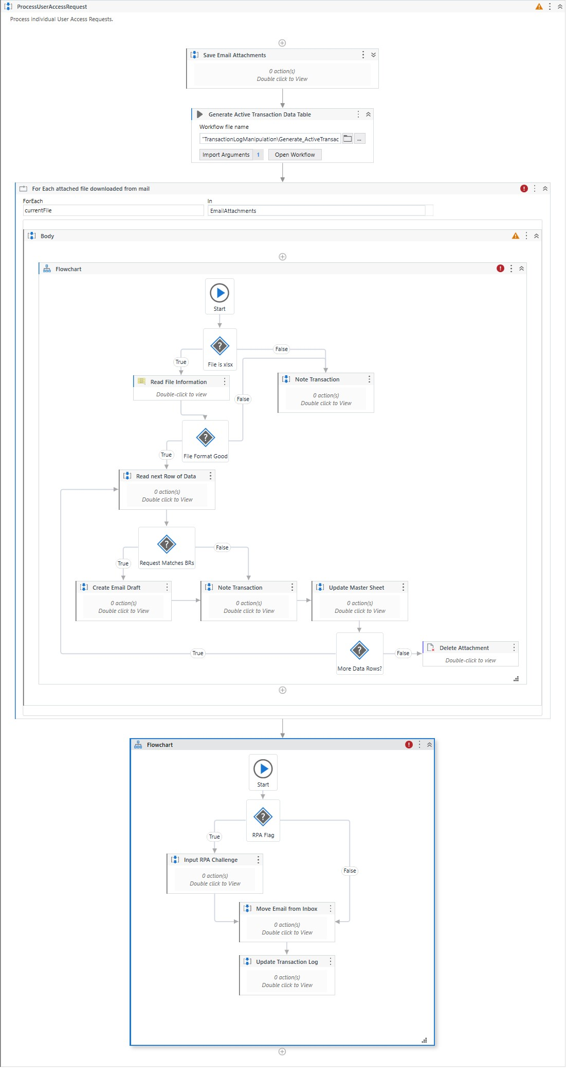

7.7 Components

Total Time Estimate | 0 Days
#Total | 9
#Completed | 8
#In Progress | 0
#Not Started | 0
#Blockers | 1
 |  |  |  |  | Optional - Work Tracker
Component | Inputs | Outputs | Description | Estimate (hrs) | Status | Start Date | End Date | Notes
Integration - Exception Handling |  |  |  |  | Tested (Done)
Integration - End-to-End Testing |  |  |  |  | Blocked
Process_UserAccessRequest | Mail, Config, Transaction Log, Browser, Master Sheet | Transaction Log, Master Sheet | Process individual User Access Requests. |  | Tested (Done)
Generate_ActiveTransactionDataTable |  | Transaction Entry | Creates the datatable that will be used to carry transaction information. |  | Tested (Done)
Expand_ActiveTransaction | Status of Transaction, bolWasDraftCreated, Batch Type, Email Source, Request Action Type, User ID, Employee ID, Transaction Entry | Transaction Entry | Adds transaction information to the currently active transaction. |  | Tested (Done)
Append_TransactionBatchToLog | Transaction Entry, Transaction Log | Transaction Log | Append the entirety of the transaction set to Log. |  | Tested (Done)
Validate_TransactionWithMaster | First Name, Last Name, Master Sheet, Employee ID, Action Type | Transaction Validity, Conflict Message | Determines if Transaction is valid considering Master Sheet information. |  | Tested (Done)
Update_Master | Action Type, Employee ID, First Name, Last Name, User ID, Email Address, Access Level, Master | Master | Updates the Master Sheet with modifications done through transactions. |  | Tested (Done)
Input_RPAChallenge | Transaction Entry, Browser | Browser | Refresh browser and input transaction information into the RPA Challenge website. |  | Tested (Done)

8. Wait_UserAccessRequest
Automated Customer Service Request Handler |  |  |  |  |  |  | In Progress
Solution Design Document (SDD) |  |  |  |  |  |  | Built
8. Wait_User AccessRequest |  |  |  |  |  |  | Tested (Done)
 |  |  |  |  |  |  | Blocked
8.1 Description
This portion of the automation waits for an email with an appropriate Subject Line before looping back to processing Inbox.
8.2 Required packages
Package | Version | Notes
UiPath.Excel.Activities | 2.22.3
UiPath.Mail.Activities | 1.22.2
UiPath.System.Activities | 22.10.5
UiPath.UIAutomation.Activities | 22.10.5

8.3 Reused components
Item | Type | Original Project | Notes
KillAllProcesses | Sequence | This project

8.4 Process Design
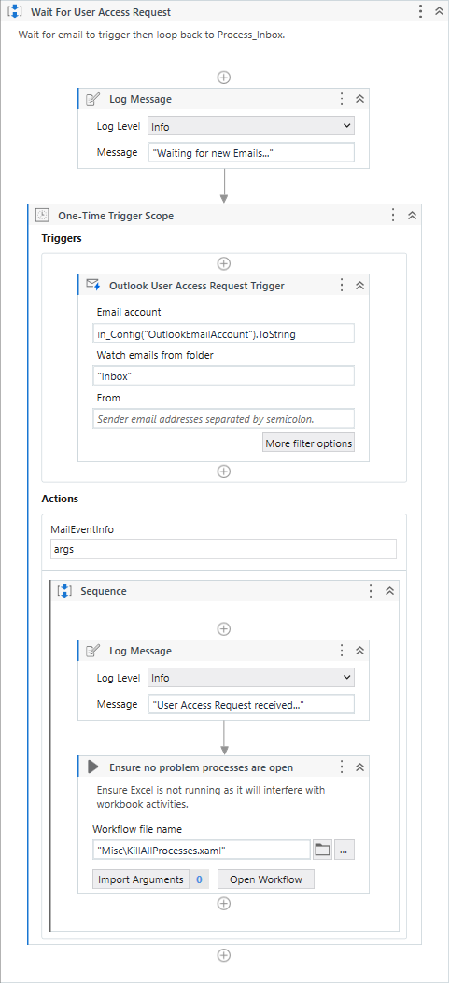

8.5 Components

Total Time Estimate | 0 Days
#Total | 2
#Completed | 1
#In Progress | 0
#Not Started | 0
#Blockers | 1
 |  |  |  |  | Optional - Work Tracker
Component | Inputs | Outputs | Description | Estimate (hrs) | Status | Start Date | End Date | Notes
Integration - Exception Handling |  |  |  |  | Tested (Done)
Integration - End-to-End Testing |  |  |  |  | Blocked

