input_event
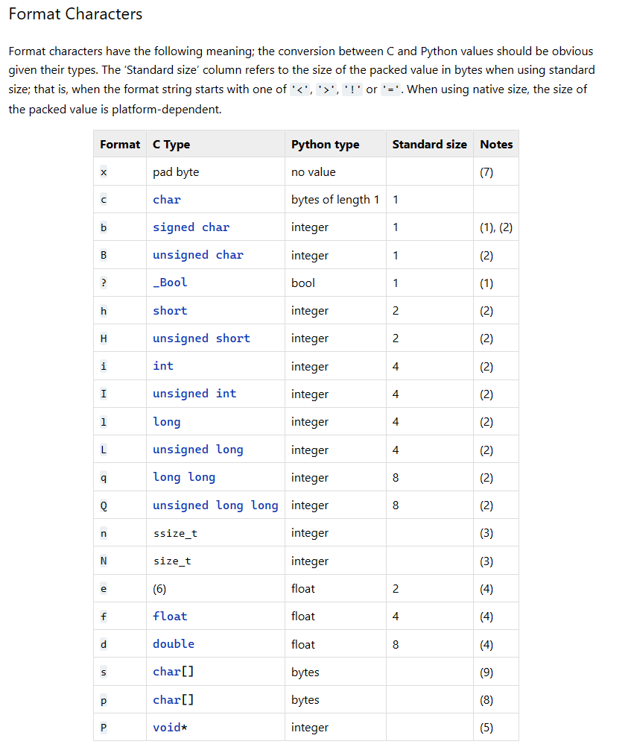
Byte | Data | Data type | Byte order | Data name |  | Complete 'format' value | 2q2hi
1 | 00 | q | 8 | tv_sec
2 | 00 |  | 7 |  |  | letter | dataType | Byte size Python
3 | 00 |  | 6 |  |  | l | long | 4
4 | 00 |  | 5 |  |  | q | long long | 8 | Replace 'l'
5 | 00 |  | 4 |  |  | h | short | 2
6 | 00 |  | 3 |  |  | i | integer | 4
7 | 00 |  | 2
8 | 00 |  | 1
9 | 00 | q | 8 | tv_usec |  | Sub part of 'format' value | Byte
10 | 00 |  | 7 |  |  | 2l | 8
11 | 00 |  | 6 |  |  | 2h | 4
12 | 00 |  | 5 |  |  | i | 4
13 | 00 |  | 4 |  |  | Sum | 16
14 | 00 |  | 3
15 | 00 |  | 2
16 | 00 |  | 1
17 | 15 | h | 2 | type
18 | 00 |  | 1 |  |  | New complete 'format' value | 2q2hi
19 | ff | h | 2 | code
20 | ff |  | 1 |  |  | Sub part of 'format' value | Byte
21 | 00 | i | 4 | value |  | 2q | 16
22 | 00 |  | 3 |  |  | 2h | 4
23 | 00 |  | 2 |  |  | i | 4
24 | 00 |  | 1 |  |  | Sum | 24

 | DataType |  |  | Data(10) | Data(16)
tv_sec | long long |  |  | 0 | 0x0000000000000000
tv_usec | long long |  |  | 0 | 0x0000000000000000
type_ | short (signed) |  |  | 21 | 0x0015
code | short (signed) |  |  | -1 | 0xFFFF
value | integer |  |  | 0 | 0x00000000

