Input
Nintendo Game: Dogs & Cats

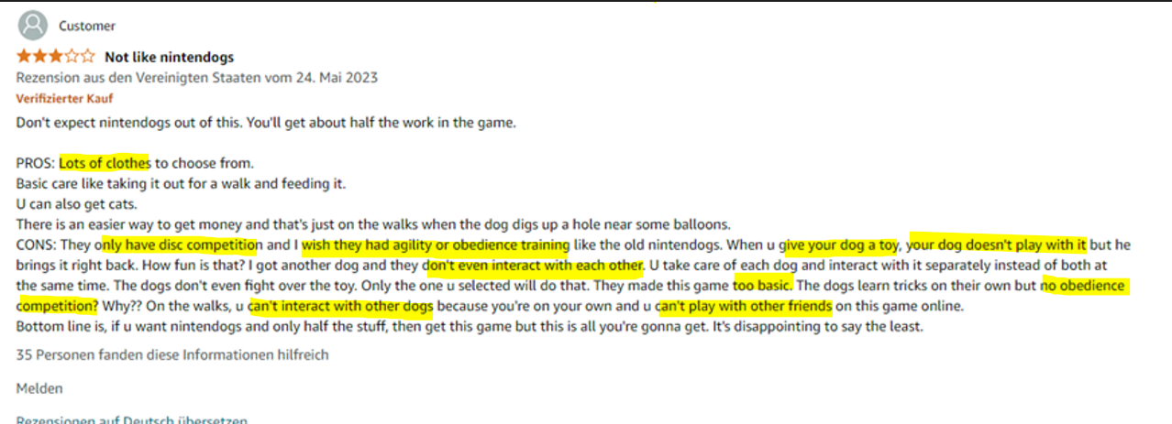
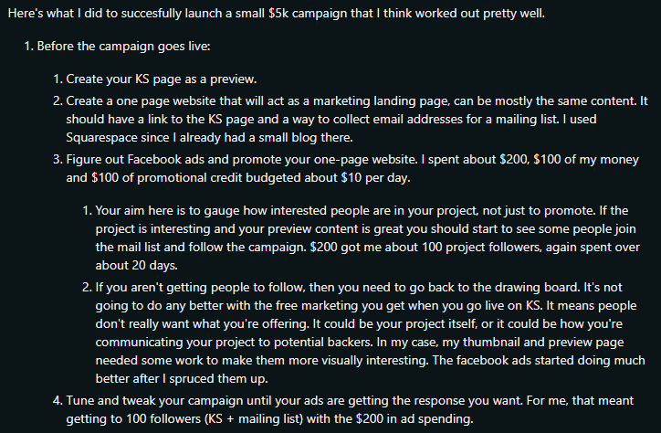

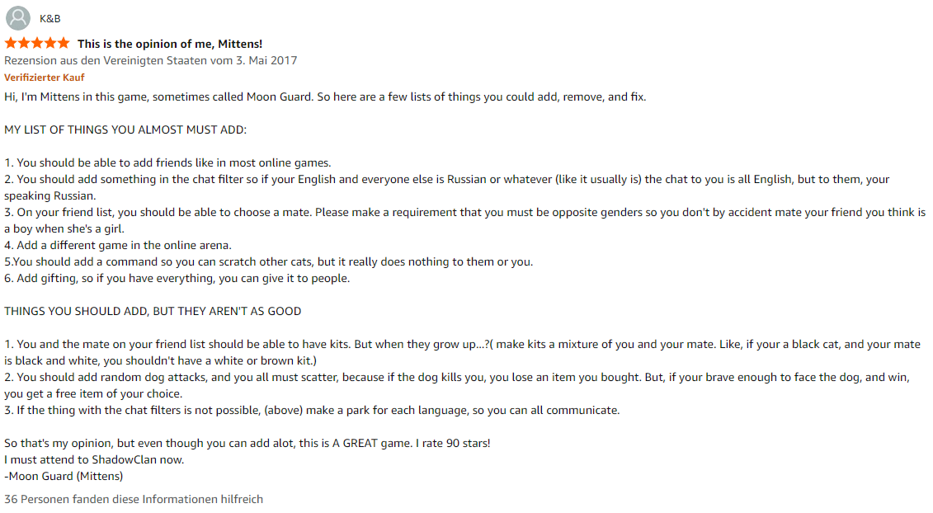
 |  | Please act as my co-developer for the app. We need to develop the game details and mechanics with the overall goal to keep players engaged and motivated to play, but as well as to make the most of money out of them using psychological tricks. Please answer to my thoughts and question and keep the holistic game play mechanics in mind.
 |  | Nintendogs-like mobile game app
 |  | Shop items pricing: collars, dog breeds, clothing, furniture, toys, food
 |  | What are prices (e.g., basic dog breed 800 points, more popular such as husky 1100 points)?
 |  | Prices should be made in a way that you need to buy point packages. For example, a dog breed costs 800 points, but you can only buy 500 or 1000 points packages. The player should always have a residue of premium currency, that enables them to buy more points ("to use their current balance up")
 |  | Option for random item (gacha mechanic): What should be price and drop rates for item categories?
 |  | Shop premium currency: pawpoints
 |  | How much money for points (e.g. 200 points for 1.99€)?
 |  | What are pricing packages (e.g., 5000 points for 29.99€)?
 |  | Users get exp and basic currency when playing. Exp used for leveling up the trainer level, to get items for free. What other elements could motivate to level up to keep players engaged?
 |  | Get exp by feeding dog, going for walk, giving water, clean the dog
 |  | How much exp should the user get for each interaction?
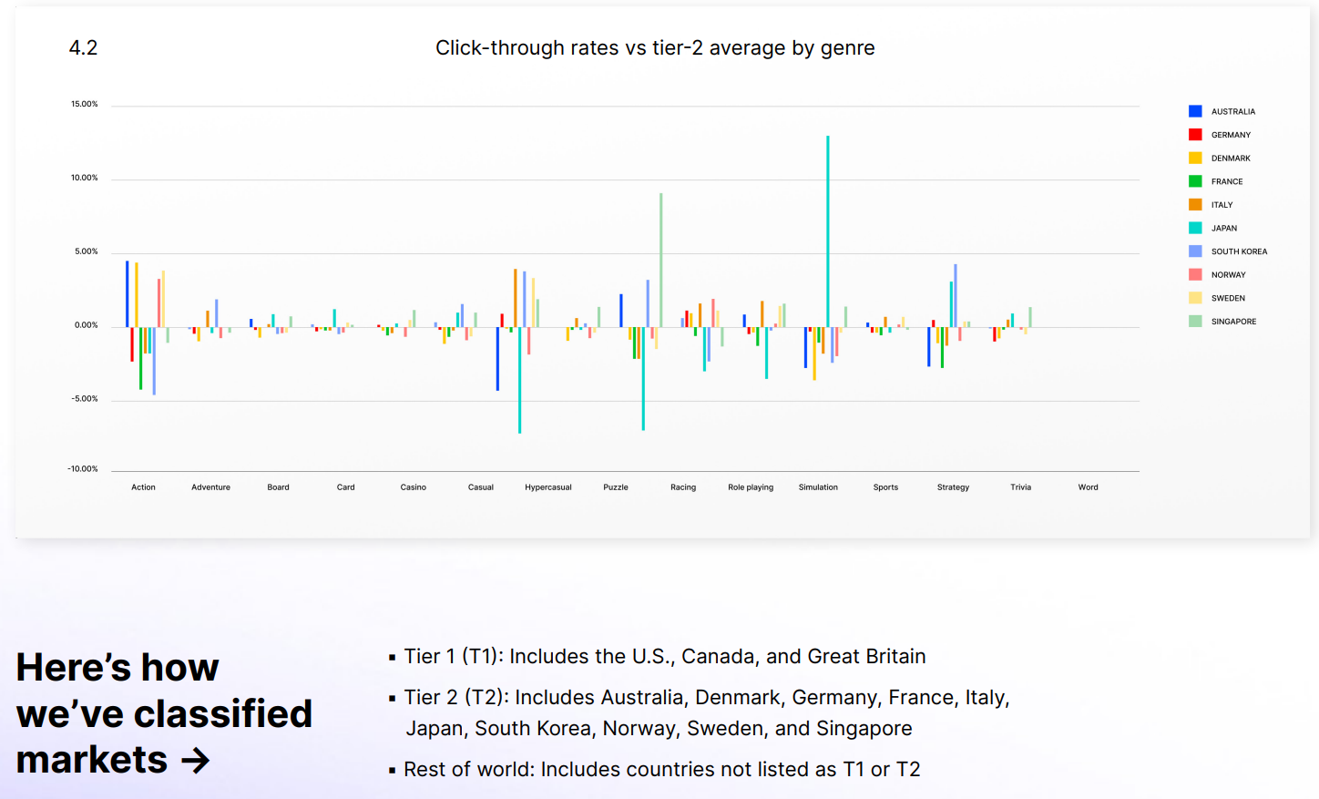
 |  | If user start at level one and it goes to level 50: how much exp is appropriate for each level to keep users engaged and motivated but it still takes time to get to level 50? At which levels should the player get pawpoints and items? Important because items can only be gained either buy the shop or through level progress. OR: should some basic items be sold via basic currency? What is more motivating (remember: goal is for people to buy items in the shop for real money)?
 |  | Give me a list of weekly activities for users to do and how much exp and basic currency they get for them
 |  | How much should basic food for the dog cost?
 |  | With how much money should the player start?
 |  | What should be prices for dogs (bought at kennel for basic and not premium currency)?
 |  | How much exp should the player get for a walk? What is the exp multiplicator (to calculate for how many movement units the exp the player gets)?
 |  | How much exp and money should players get for winning in competitions? Players can make 1st, 2nd or 3rd place in a competition, so rewards need to differ for them. In addition, there are several difficulties. How many should there be? For example, start at "Amateur" and peak at "Champion"? What are more cute names for this?
https://assetstore.unity.com/packages/3d/characters/animals/dogs-big-pack-194698 |  | Dog needs and stats
https://assetstore.unity.com/packages/3d/characters/animals/puppy-labrador-217867 | so we have the collars? | How much % of the total should dogs lose every hour of their needs (e.g., food and water)? How much more is used up for activities (e.g., after going for a walk)?
 |  | Dogs have stats that are required for learning tricks and progressing at competitions. My current Stats ideas are: Endurance, Speed, Mobility and Focus.
https://cloud.unity.com/home/organizations/9071252696140/projects/3d22a1e9-ea38-4fc2-b547-4103369c2e7b/details?tab=services |  | Focus is for learning tricks and thus competition in "obedience trials". Focus is leveled up by practicing dog tricks. Which tricks should be thought at what level? Which tricks should be then required for each trial difficulty? For the trial it is important that failure of the player to become 1st place is transparent
 |  | Speed is for disc competition
 |  | Mobility is for agility competition
 |  | Endurance could be required for all, but maybe it makes sense to only have the other three so that each competition has one stat. Or does it make sense to attribute more than one stat to competitions? We should keep it simple and motivating.

 |  | Can you do only one competition per day per dog?

 |  | Based on your input, I developed this pricing structure.
 |  | - Are prices reasonable / make sense for items?
 |  | - What should be the random drop probability for each item type?
 |  | - Are price packages appropriate? Do they encourage new buys to use up the currency balance?

