1. Title Page
Instacast Grocery Basket Analysis

Project Name: Instacast Grocery Basket Analysis
Date: 4/17/2021
Analyst Name: Alexei Khrol

Contents:
Population Flow
Consistency checks
Wrangling steps
Column derivations
Visualizations
Recommendations

2. Population Flow
Title page

Population flow

Exclusion flag
Condition: max_order <
Obervations to be removed:
Final total count of order_products_all:

Orders_products_combined
Orders_products_merged
Orders_products_all

Total: 32404859
Total: 32434489
Total: 32404859

1.) The grey boxes in the first row of the population flow represent the original data sets as they were when you downloaded them. In the Total fields you need to add the count of the rows when you imported the data set into Jupyter.
2.) The second row of boxes (coloured) represents the data sets after you manipulated them, e.g., removed missing values and duplicates. In the Total fields you need to add the count of the rows after conducting these operations. This offers a visual oveview of how the data flows throughout the data consistency checks.
3.) The third row, where also the arrows are coloured, represents the merges you performed between the datasets. In the Total fields you need to add the count of the rows in the merged datasets, so that you end up with the final dataset (in the red box). Keep in mind the final dataset should be without exclusions (based on the exclusion flag).

3. Consistency checks
 |  |  |  | Title page
Consistency checks

Dataset | Missing values | Missing values treatment | Duplicates
orders | 206209 | All the nan values were in the days since prior order column, for the first order for a customer, I've created a boolean tag that checks if the days_since_prior_order value is NaN | none
products | 16 | removed | none
orders_products_prior | none |  | none
customers | none |  | none

4. Wrangling steps
 |  |  |  | Title page
Wrangling steps

Columns dropped | Columns renamed | Columns' type changed | Comment/Reason
eval_set | order_dow - orders_day_of_week | order_id - string
 | order_hour_of_day - order_time | user_id - string
 | n_dependants - Number_of_dependants
 | Surnam - Surname

5. Column derivations
 |  |  |  | Title page

Column derivations and aggregations

In this tab you should add tables below that the frequences of flags/label variables that you produced after deriving them. NB: don't do this for continuous variables, only for flags.
Dataset | New column | Column/s it was derived from | Conditions
orders | is_first_order | days_since_prior_order | is null
orders products merged | price_label | prices | returns Low-range, Mid-range or High-range product depending on the price
orders products merged | busiest day | order_dow | if value = 0 'Busiest day', if value = 4 'Least busy' else: 'Regularly busy
orders products merged | max_order | order_number | max value
orders products merged | loyalty_flag | max_order | New, Regular or Loyal customer depending on how many orders they've made
orders products merged | spending_flag | average_spending | If under 10: low spender, if over 10:high spender
orders products all | Region | State | States sorted by the region of the country they are in
orders products all | Actvity | order_number | Over 5 - high activity, under 5 - low activity
orders products all | Parent Status | Number_of_dependants | Younger Parent, Older Parent or Single Adult dependent on number of dependants
orders products all | Income Level | income | Low, Medium, or High Income

6. Visualizations
 |  |  | Title page

Visualisations

In this tab you should include all the visualtions from Exercises 4.9 and 4.10, alongside the questions from the project brief that they answer. Include any commentary on the relationship between different variables.

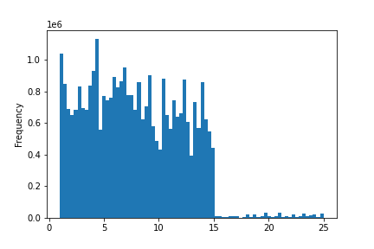

 | This is a frequency histogram of prices, shoving theat the majority of products cost under $15

Prices

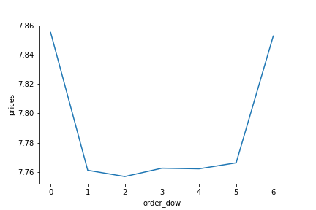

 | This shows that most orders are placed during the weekend



 | This represesnts the hours of the day during whitch the most orders were placed

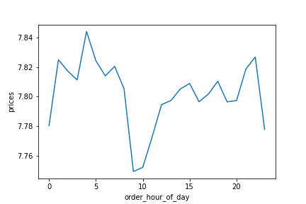

 | This shows how the price of items bought variates during the day

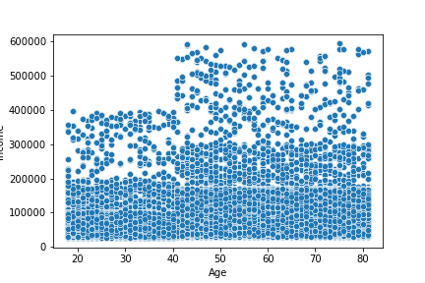

 | This scatterplot shows that spending power tends to go up after 40

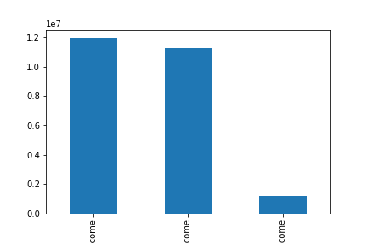

 | This shows that the majority of customers are either High or Medium income

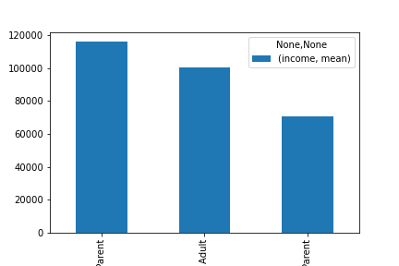

 | This shows that Older Parents are the group with the most income

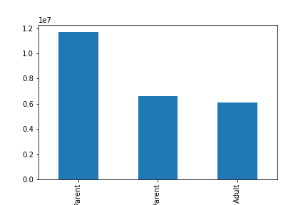

 |  | This shows that older parents are our largest customer group

7. Recommendations
 |  |  |  |  |  | Title page

Recommendations

In this tab you should include any recommendations you would made to Instcart in terms of their marketing strategy based on the questions posed in the brief. Every key question has been covered in the Tasks of the Exercises - here you need to add an item - a visualisation or table/crosstable that is showing the answer in the data, acompanied by a comment from you. Please, list the questions below and add the answer underneath.

Question | Answer
The sales team needs to know what the busiest days of the week and hours of the day are (i.e., the days and times with the most orders) in order to schedule ads at times when there are fewer orders | The busiest days of the week are on the weekend and the most orders are made between 9 a.m and 3 p.m. I recommend focusing our advertising around those times |  |  |  | Hour of the day
They also want to know whether there are particular times of the day when people spend the most money, as this might inform the type of products they advertise at these times | People seem to be buying the most expencive items later at night. I suggest we place more targeted ads between 9 p.m and 4 a.m
 |  |  |  | High-range product 42430
Instacart has a lot of products with different price tags. Marketing and sales want to use simpler price range groupings to help direct their efforts | Sorted the products into price ranges: <$5 - Low range; $5-$15 Mid range; >15 High range |  |  | Mid-range product 756450
 |  |  |  | Low-range product 243550
Are there certain types of products that are more popular than others? The marketing and sales teams want to know which departments have the highest frequency of product orders. | It seems like produce as well as dairy/eggs are the most popular departments, and we should focus on advertising some of the departments that get less sales | 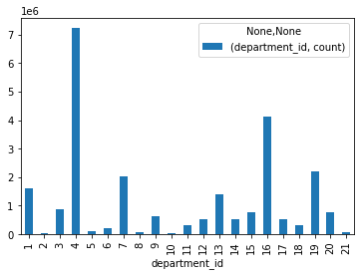 |  |  |  |  | 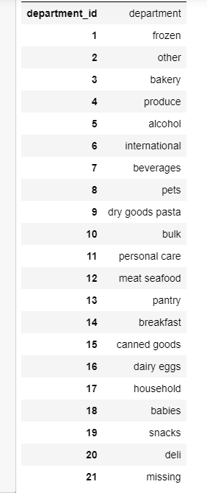
What’s the distribution among users in regards to their brand loyalty (i.e., how often do they return to Instacart)? | The majority of the customer base are loyal customers and we should work on retaining them longer |  | 