T1
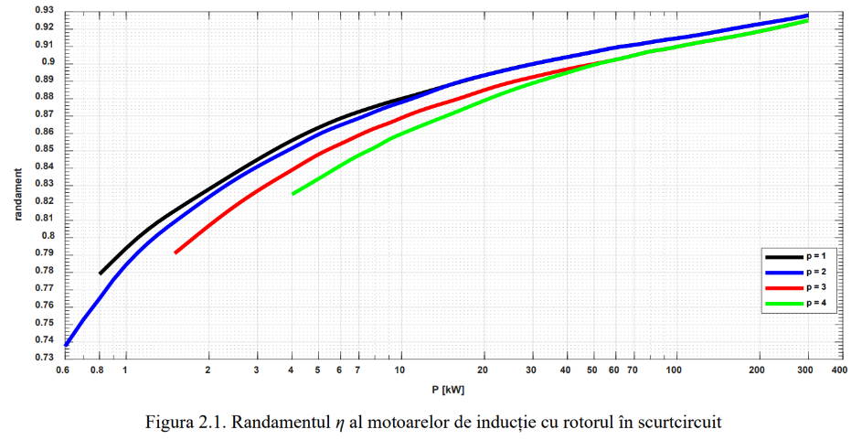
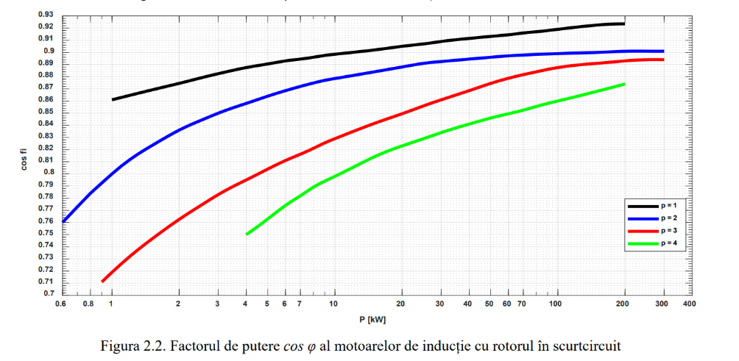
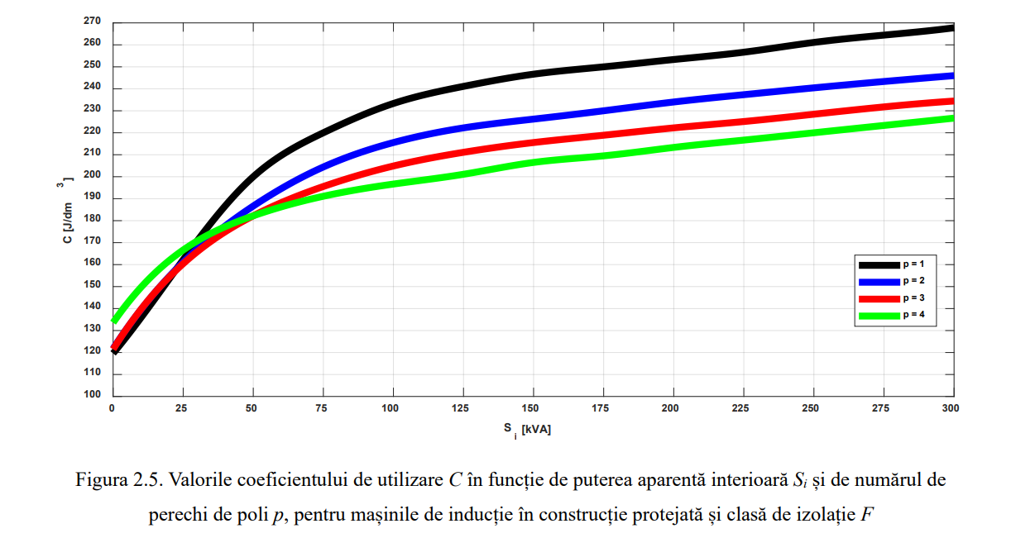
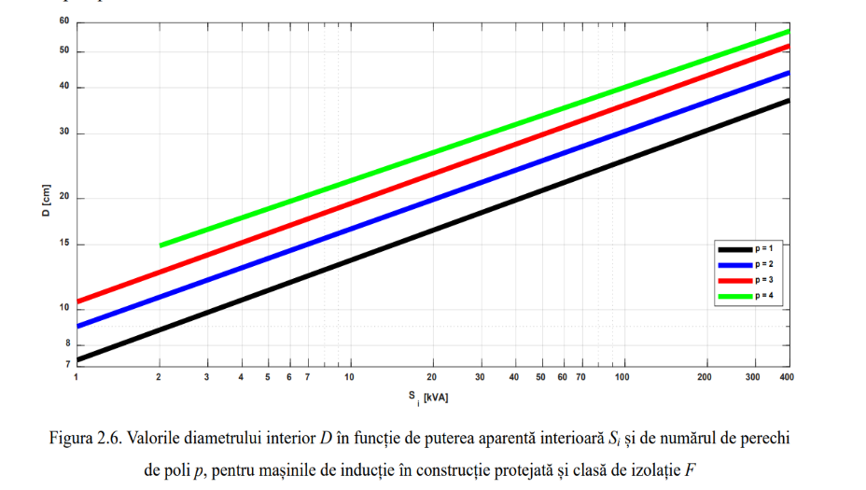
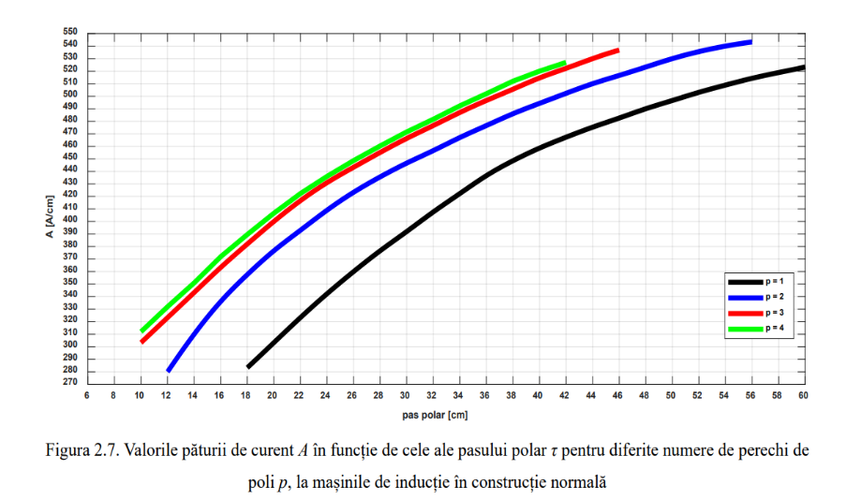
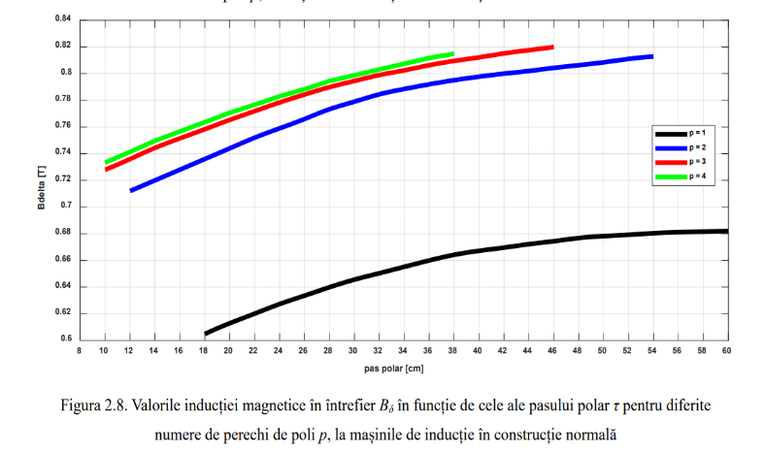
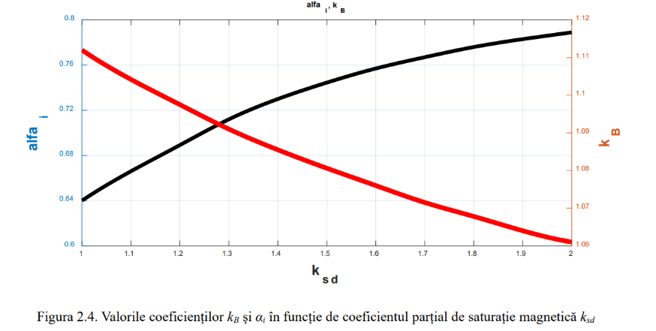

fig 2.1 |  |  |  |  | fig. 2.2 |  |  |  |  | fig. 2.4 |  |  | fig 2.5 |  |  |  |  | fig 2.6 |  |  |  |  | fig 2.7 |  |  |  |  | fig 2.8
P | randp1 | randp2 | randp3 | randp4 | P | cosFp1 | cosFp2 | cosFp3 | cosFp4 | ksd | alpfai | kB | SiN | Cp1 | Cp2 | Cp3 | Cp4 | Si | Dp1 | Dp2 | Dp3 | Dp4 | pas_polar | Ap1 | Ap2 | Ap3 | Ap4 | pas_polar | Bdelta_p1 | Bdelta_p2 | Bdelta_p3 | Bdelta_p4
1000 | 0.795 | 0.785 |  |  | 1000 | 0.86 | 0.8 | 0.72 |  | 1 | 0.64 | 1.111 | 10 | 134.17769338 |  | 138.54070043 | 148.59458626 | 11 | 13.862295354 | 16.890426328 | 19.808443447 | 22.83657442 | 10 |  |  | 303.46341463 | 303.46341463 | 10 |  |  | 0.72828325993 | 0.73351589413
2000 | 0.828 | 0.825 | 0.808 |  | 2000 | 0.875 | 0.835 | 0.76 |  | 1.1 | 0.665 | 1.104 | 20 | 150.68124181 |  | 153.33698523 | 160.92482359 | 21 | 16.560084767 | 20.028671154 | 23.552314469 | 26.910787002 | 12 |  | 282.29268293 | 323.47560976 | 323.47560976 | 12 |  | 0.71258535735 | 0.73587057951 | 0.74136484542
3000 | 0.845 | 0.84 | 0.825 |  | 3000 | 0.883 | 0.85 | 0.782 |  | 1.2 | 0.69 | 1.096 | 30 | 172.11688517 | 167.56418216 | 165.09813469 | 170.03022962 | 31 | 18.376963351 | 22.230948226 | 26.084933101 | 29.663633342 | 15 |  | 323.7804878 | 353.65853659 | 353.65853659 | 14 |  | 0.71991104522 | 0.74450442594 | 0.74973706013
4000 | 0.855 | 0.851 | 0.84 | 0.825 | 4000 | 0.888 | 0.86 | 0.795 | 0.75 | 1.3 | 0.71 | 1.09 | 40 | 185.77499422 | 178.37685182 | 173.44475688 | 176.47989223 | 41 | 19.75338652 | 23.827599102 | 28.177096318 | 31.755796559 | 18 | 285.02439024 | 357.92682927 | 382.31707317 | 382.31707317 | 16 |  | 0.72775999651 | 0.75130685039 | 0.75653948459
5000 | 0.862 | 0.86 | 0.85 | 0.835 | 5000 | 0.89 | 0.864 | 0.804 | 0.764 | 1.4 | 0.73 | 1.085 | 50 | 199.2434073 | 185.77499422 | 188.24104168 | 181.41198716 | 51 | 20.96463891 | 25.259079199 | 29.828804122 | 33.62773207 | 21 | 313.41463415 | 385.36585366 | 408.53658537 | 408.53658537 | 18 | 0.60459330144 | 0.7356089478 | 0.75810927484 | 0.76360354075
6000 | 0.87 | 0.865 | 0.854 | 0.843 | 6000 | 0.892 | 0.87 | 0.81 | 0.775 | 1.5 | 0.74 | 1.08 | 60 | 209.10759717 | 193.93192045 | 192.60404874 | 185.58529826 | 61 | 22.065777445 | 26.525388515 | 31.260284218 | 35.16932602 | 24 | 342.37804878 | 409.14634146 | 431.09756098 | 431.09756098 | 20 | 0.61263157895 | 0.74398116252 | 0.76543496272 | 0.77066759691
7000 | 0.872 | 0.87 | 0.86 | 0.848 | 7000 | 0.895 | 0.871 | 0.816 | 0.78 | 1.6 | 0.76 | 1.075 | 70 | 216.31604361 | 200.76097498 | 197.15675176 | 188.99982552 | 71 | 23.001745201 | 27.626527051 | 32.581650461 | 36.600806117 | 27 | 368.59756098 | 429.57317073 | 449.3902439 | 449.3902439 | 22 | 0.61996773209 | 0.75183011381 | 0.77171412375 | 0.77668512624
10000 | 0.88 | 0.877 | 0.87 | 0.86 | 8000 | 0.896 | 0.875 | 0.82 | 0.79 | 1.7 | 0.77 | 1.071 | 80 | 222.76570622 | 206.6415497 | 200.95067094 | 191.8452649 | 81 | 23.827599102 | 28.617551733 | 33.737845924 | 37.757001579 | 30 | 392.07317073 | 446.64634146 | 466.15853659 | 466.15853659 | 24 | 0.62703178825 | 0.75889416997 | 0.77851654821 | 0.78296428727
20000 | 0.894 | 0.894 | 0.885 | 0.88 | 9000 | 0.898 | 0.877 | 0.826 | 0.795 | 1.8 | 0.775 | 1.0675 | 90 | 228.26688903 | 211.38394868 | 204.3651982 | 194.12161641 | 91 | 24.598396077 | 29.498462561 | 34.783927533 | 38.913197041 | 33 | 415.24390244 | 461.8902439 | 482.01219512 | 482.01219512 | 26 | 0.63304931758 | 0.76595822614 | 0.78427244582 | 0.78819692147
30000 | 0.9 | 0.9 | 0.893 | 0.89 | 10000 | 0.9 | 0.88 | 0.83 | 0.8 | 1.9 | 0.78 | 1.064 | 100 | 233.19898396 | 215.17786786 | 207.02094162 | 196.018576 | 101 | 25.259079199 | 30.324316463 | 35.774952215 | 40.014335577 | 36 | 436.58536585 | 476.52439024 | 496.64634146 | 496.64634146 | 28 | 0.63959011032 | 0.77328391401 | 0.78976671173 | 0.7944760825
40000 | 0.905 | 0.905 | 0.895 | 0.893 | 20000 | 0.95 | 0.886 | 0.85 | 0.822 | 2 | 0.785 | 1.06 | 110 | 236.61351122 | 218.2130032 | 209.67668505 | 197.91553559 | 111 | 25.91976232 | 31.040056511 | 36.54574919 | 40.895246406 | 39 | 453.96341463 | 490.24390244 | 510.06097561 | 510.06097561 | 30 | 0.64534600794 | 0.77903981163 | 0.7944760825 | 0.79866218986
50000 | 0.908 | 0.908 | 0.9 | 0.9 | 30000 | 0.91 | 0.892 | 0.86 | 0.835 |  |  |  | 120 | 239.64864656 | 220.67905067 | 211.57364464 | 199.43310326 | 121 | 26.525388515 | 31.865910413 | 37.591830799 | 41.831214161 | 42 | 467.37804878 | 502.43902439 | 522.25609756 | 522.25609756 | 32 | 0.65005537871 | 0.78427244582 | 0.79892382157 | 0.80310992892
60000 | 0.91 | 0.91 | 0.902 | 0.902 | 40000 | 0.9105 | 0.895 | 0.868 | 0.84 |  |  |  | 130 | 242.30438999 | 222.95540218 | 213.47060423 | 201.70945477 | 131 | 27.075957783 | 32.471536608 | 38.307570847 | 42.657068063 | 45 | 478.96341463 | 513.41463415 | 533.84146341 | 533.84146341 | 34 | 0.6550263812 | 0.78845855318 | 0.8025866655 | 0.80729603628
70000 | 0.9102 | 0.9102 | 0.906 | 0.906 | 50000 | 0.912 | 0.896 | 0.874 | 0.846 |  |  |  | 140 | 244.5807415 | 224.47296985 | 215.17786786 | 203.98580628 | 141 | 27.681583977 | 33.132219729 | 39.133424749 | 43.427865038 | 48 | 489.93902439 | 523.47560976 | 537.02439024 | 537.02439024 | 36 | 0.65973575197 | 0.7918597654 | 0.80624950944 | 0.81174377535
100000 | 0.915 | 0.915 | 0.908 | 0.908 | 60000 | 0.914 | 0.898 | 0.88 | 0.85 |  |  |  | 150 | 246.47770109 | 225.99053752 | 216.50573957 | 205.88276587 | 151 | 28.177096318 | 33.737845924 | 39.79410787 | 44.308775866 | 51 | 500 | 532.92682927 |  |  | 38 | 0.66392185933 | 0.79499934592 | 0.80938908996 | 0.81531100478
200000 | 0.928 | 0.928 | 0.918 | 0.918 | 70000 | 0.91 | 0.899 | 0.882 | 0.853 |  |  |  | 160 | 247.99526876 | 227.50810519 | 218.02330724 | 207.40033354 | 161 | 28.727665586 | 34.343472118 | 40.509847918 | 44.859345134 | 54 | 508.84146341 | 539.93902439 |  |  | 40 | 0.66679980814 | 0.79761566302 | 0.81200540706
[W] |  |  |  |  | 100000 | 0.92 | 0.9 | 0.888 | 0.86 |  |  |  | 170 | 249.13344451 | 229.02567286 | 219.161483 | 208.53850929 | 171 | 29.058007147 | 34.838984459 | 41.115474113 | 45.740255963 | 57 | 516.76829268 | 544.53658537 |  |  | 42 | 0.66941612523 | 0.79997034841 | 0.81514498757
 |  |  |  |  | 200000 | 0.922 | 0.91 | 0.893 | 0.874 |  |  |  | 180 | 250.65101219 | 230.54324053 | 220.67905067 | 209.67668505 | 181 | 29.608576415 | 35.444610654 | 41.831214161 | 46.290825231 | 60 | 525 |  |  |  | 44 | 0.67177081062 | 0.80180177037 | 0.81749967296
 |  |  |  |  | [W] |  |  |  |  |  |  |  | 190 | 251.78918794 | 232.06080821 | 221.81722642 | 211.19425272 | 191 | 29.993974902 | 35.885066068 | 42.381783429 | 46.951508352 | cm |  |  |  |  | 46 | 0.67412549601 | 0.80415645576 | 0.81933109493
 |  |  |  |  |  |  |  |  |  |  |  |  | 200 | 253.30675561 | 233.76807184 | 222.95540218 | 212.90151635 | 201 | 30.434430317 | 36.380578409 | 42.932352697 | 47.557134547 |  |  |  |  |  | 48 | 0.6764801814 | 0.80624950944
 |  |  |  |  |  |  |  |  |  |  |  |  | 210 | 254.44493136 | 235.09594355 | 224.09357793 | 214.22938806 | 211 | 30.819828804 | 36.87609075 | 43.482921965 | 48.107703815 |  |  |  |  |  | 50 | 0.67804997166 | 0.80834256312
 |  |  |  |  |  |  |  |  |  |  |  |  | 220 | 255.96249904 | 236.61351122 | 225.6111456 | 215.74695573 | 221 | 31.205227292 | 37.316546165 | 44.088548159 | 48.658273082 |  |  |  |  |  | 52 | 0.67883486679 | 0.81095888022
 |  |  |  |  |  |  |  |  |  |  |  |  | 230 | 257.48006671 | 237.75168698 | 226.74932136 | 216.88513149 | 231 | 31.645682706 | 37.701944652 | 44.5840605 | 49.318956204 |  |  |  |  |  | 54 | 0.68014302533 | 0.81279030218
 |  |  |  |  |  |  |  |  |  |  |  |  | 240 | 259.3770263 | 238.88986273 | 228.26688903 | 218.40269916 | 241 | 31.976024267 | 38.197456993 | 45.079572841 | 49.759411618 |  |  |  |  |  | 56 | 0.68092792046
 |  |  |  |  |  |  |  |  |  |  |  |  | 250 | 261.08428993 | 240.4074304 | 229.40506478 | 219.54087491 | 251 | 32.306365827 | 38.582855481 | 45.464971329 | 50.144810106 |  |  |  |  |  | 58 | 0.68118955217
 |  |  |  |  |  |  |  |  |  |  |  |  | 260 | 262.41216164 | 241.54560615 | 230.92263245 | 221.05844259 | 261 | 32.636707388 | 38.968253968 | 46.070597523 | 50.695379373 |  |  |  |  |  | 60 | 0.68145118388
 |  |  |  |  |  |  |  |  |  |  |  |  | 270 | 263.92972931 | 242.68378191 | 232.06080821 | 222.19661834 | 271 | 32.967048949 | 39.298595529 | 46.511052938 | 51.301005568 |  |  |  |  |  | cm
 |  |  |  |  |  |  |  |  |  |  |  |  | 280 | 265.06790507 | 243.82195766 | 233.19898396 | 223.71418601 | 281 | 33.297390509 | 39.739050943 | 46.896451425 | 51.741460982
 |  |  |  |  |  |  |  |  |  |  |  |  | 290 | 266.20608082 | 244.96013342 | 234.33715971 | 224.85236177 | 291 | 33.62773207 | 40.124449431 | 47.33690684 | 52.236973323
 |  |  |  |  |  |  |  |  |  |  |  |  | 300 |  | 245.71891725 |  | 226.36992944 | 301 | 33.958073631 | 40.454790991 | 47.722305327 | 52.567314884
 |  |  |  |  |  |  |  |  |  |  |  |  | [kVA] |  |  |  |  | 311 | 34.178301338 | 40.840189479 | 48.162760741 | 53.007770298
 |  |  |  |  |  |  |  |  |  |  |  |  |  |  |  |  |  | 321 | 34.508642899 | 41.17053104 | 48.548159229 | 53.338111859
 |  |  |  |  |  |  |  |  |  |  |  |  |  |  |  |  |  | 331 | 34.838984459 | 41.445815674 | 48.988614643 | 53.8336242
 |  |  |  |  |  |  |  |  |  |  |  |  |  |  |  |  |  | 341 | 35.059212167 | 41.721100307 | 49.429070057 | 54.329136541
 |  |  |  |  |  |  |  |  |  |  |  |  |  |  |  |  |  | 351 | 35.3344968 | 42.161555722 | 49.759411618 | 54.714535029
 |  |  |  |  |  |  |  |  |  |  |  |  |  |  |  |  |  | 361 | 35.664838361 | 42.491897282 | 50.089753179 | 55.044876589
 |  |  |  |  |  |  |  |  |  |  |  |  |  |  |  |  |  | 371 | 35.885066068 | 42.767181916 | 50.58526552 | 55.54038893
 |  |  |  |  |  |  |  |  |  |  |  |  |  |  |  |  |  | 381 | 36.160350702 | 43.04246655 | 50.915607081 | 55.815673564
 |  |  |  |  |  |  |  |  |  |  |  |  |  |  |  |  |  | 391 | 36.325521483 | 43.262694257 | 51.245948641 | 56.146015125
 |  |  |  |  |  |  |  |  |  |  |  |  |  |  |  |  |  | [kVA]

T3
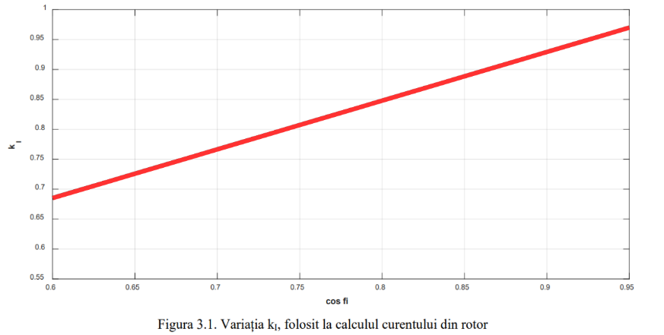

cosFi | ki
0.60065089133 | 0.6865951218
0.6025081688 | 0.68739873971
0.60436544628 | 0.68893291938
0.60622272375 | 0.69046709904
0.60808000122 | 0.6920012787
0.60993727869 | 0.69346240219
0.61179455617 | 0.69492352568
0.61365183364 | 0.69653076152
0.61550911111 | 0.69799188501
0.61736638858 | 0.6994530085
0.61922366606 | 0.70098718816
0.62108094353 | 0.70252136782
0.622938221 | 0.70405554749
0.62479549847 | 0.70551667098
0.62665277595 | 0.70712390681
0.62851005342 | 0.7085850303
0.63036733089 | 0.71004615379
0.63222460836 | 0.71158033345
0.63408188584 | 0.71318756929
0.63593916331 | 0.71464869278
0.63779644078 | 0.71610981627
0.63965371825 | 0.71764399593
0.64151099573 | 0.7191781756
0.6433682732 | 0.72063929909
0.64522555067 | 0.72217347875
0.64708282814 | 0.72370765841
0.64894010562 | 0.72531489425
0.65079738309 | 0.72677601774
0.65265466056 | 0.72823714123
0.65451193803 | 0.72984437707
0.65636921551 | 0.73130550055
0.65822649298 | 0.73276662404
0.66008377045 | 0.73430080371
0.66194104792 | 0.73583498337
0.6637983254 | 0.73736916303
0.66565560287 | 0.73883028652
0.66751288034 | 0.74043752236
0.66937015781 | 0.74189864585
0.67122743528 | 0.74335976934
0.67308471276 | 0.74482089283
0.67494199023 | 0.74642812866
0.6767992677 | 0.74788925215
0.67865654517 | 0.74942343182
0.68051382265 | 0.75095761148
0.68237110012 | 0.75249179114
0.68422837759 | 0.75395291463
0.68608565506 | 0.75541403812
0.68794293254 | 0.75702127396
0.68980021001 | 0.75848239745
0.69165748748 | 0.76001657711
0.69351476495 | 0.76155075677
0.69537204243 | 0.76308493644
0.6972293199 | 0.7646191161
0.69908659737 | 0.76608023959
0.70094387484 | 0.76761441925
0.70280115232 | 0.76914859892
0.70465842979 | 0.7706097224
0.70651570726 | 0.77207084589
0.70837298473 | 0.77375113791
0.71023026221 | 0.77521226139
0.71208753968 | 0.77667338488
0.71394481715 | 0.77813450837
0.71580209462 | 0.77974174421
0.7176593721 | 0.7812028677
0.71951664957 | 0.78266399119
0.72137392704 | 0.78427122702
0.72323120451 | 0.78580540669
0.72508848199 | 0.78726653018
0.72694575946 | 0.78872765367
0.72880303693 | 0.7903348895
0.7306603144 | 0.79179601299
0.73251759187 | 0.79325713648
0.73437486935 | 0.79479131614
0.73623214682 | 0.79632549581
0.73808942429 | 0.79785967547
0.73994670176 | 0.79932079896
0.74180397924 | 0.8009280348
0.74366125671 | 0.80246221446
0.74551853418 | 0.80392333795
0.74737581165 | 0.80538446144
0.74923308913 | 0.80699169728
0.7510903666 | 0.80845282077
0.75294764407 | 0.80991394425
0.75480492154 | 0.81144812392
0.75666219902 | 0.81305535976
0.75851947649 | 0.81451648324
0.76037675396 | 0.81605066291
0.76223403143 | 0.81758484257
0.76409130891 | 0.81911902223
0.76594858638 | 0.82058014572
0.76780586385 | 0.82204126921
0.76966314132 | 0.82364850505
0.7715204188 | 0.82510962854
0.77337769627 | 0.82657075203
0.77523497374 | 0.82810493169
0.77709225121 | 0.82963911135
0.77894952869 | 0.83110023484
0.78080680616 | 0.83256135833
0.78266408363 | 0.83416859417
0.7845213611 | 0.83562971766
0.78637863858 | 0.83716389732
0.78823591605 | 0.83869807698
0.79009319352 | 0.84030531282
0.79195047099 | 0.84176643631
0.79380774847 | 0.8432275598
0.79566502594 | 0.84476173946
0.79752230341 | 0.8463689753
0.79937958088 | 0.84775704262
0.80123685835 | 0.84929122228
0.80309413583 | 0.85089845812
0.8049514133 | 0.85243263778
0.80680869077 | 0.85389376127
0.80866596824 | 0.85535488476
0.81052324572 | 0.85696212059
0.81238052319 | 0.85842324408
0.81423780066 | 0.85988436757
0.81609507813 | 0.86141854724
0.81795235561 | 0.8629527269
0.81980963308 | 0.86441385039
0.82166691055 | 0.86594803005
0.82352418802 | 0.86755526589
0.8253814655 | 0.86901638938
0.82723874297 | 0.87047751287
0.82909602044 | 0.87193863636
0.83095329791 | 0.87361892837
0.83281057539 | 0.87508005186
0.83466785286 | 0.87654117535
0.83652513033 | 0.87807535501
0.8383824078 | 0.87960953467
0.84023968528 | 0.88107065816
0.84209696275 | 0.88260483782
0.84395424022 | 0.88413901749
0.84581151769 | 0.88567319715
0.84766879517 | 0.88713432064
0.84952607264 | 0.8886685003
0.85138335011 | 0.89027573614
0.85324062758 | 0.89173685963
0.85509790506 | 0.89319798312
0.85695518253 | 0.89473216278
0.85881246 | 0.89626634244
0.86066973747 | 0.89772746593
0.86252701495 | 0.89918858942
0.86438429242 | 0.90086888143
0.86624156989 | 0.90233000492
0.86809884736 | 0.90379112841
0.86995612483 | 0.9052522519
0.87181340231 | 0.90685948774
0.87367067978 | 0.90832061123
0.87552795725 | 0.90985479089
0.87738523472 | 0.91138897055
0.8792425122 | 0.91292315022
0.88109978967 | 0.91438427371
0.88295706714 | 0.9158453972
0.88481434461 | 0.91745263303
0.88667162209 | 0.91891375652
0.88852889956 | 0.92037488001
0.89038617703 | 0.92198211585
0.8922434545 | 0.92351629551
0.89410073198 | 0.924977419
0.89595800945 | 0.92643854249
0.89781528692 | 0.92804577833
0.89967256439 | 0.92957995799
0.90152984187 | 0.93104108148
0.90338711934 | 0.93250220497
0.90524439681 | 0.93410944081
0.90710167428 | 0.93557056429
0.90895895176 | 0.93710474396
0.91081622923 | 0.93856586745
0.9126735067 | 0.94017310328
0.91453078417 | 0.94163422677
0.91638806165 | 0.94309535026
0.91824533912 | 0.9447025861
0.92010261659 | 0.94623676576
0.92195989406 | 0.94769788925
0.92381717154 | 0.94915901274
0.92567444901 | 0.95076624858
0.92753172648 | 0.95222737207
0.92938900395 | 0.95368849556
0.93124628142 | 0.95522267522
0.9331035589 | 0.95675685488
0.93496083637 | 0.95821797837
0.93681811384 | 0.95975215804
0.93867539131 | 0.9612863377
0.94053266879 | 0.96282051736
0.94238994626 | 0.96435469702
0.94424722373 | 0.96581582051
0.9461045012 | 0.96742305635
0.94796177868 | 0.96888417984
0.9495095099 | 0.96935904497

T6
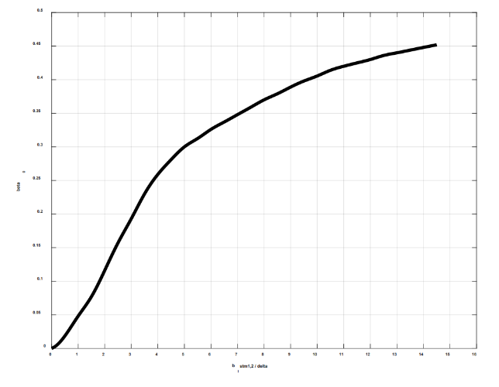
bistmdelta | beta
0.11922503726 | 0.0018903591682
0.21460506706 | 0.0056710775047
0.30998509687 | 0.0085066162571
0.35767511177 | 0.011342155009
0.42215176641 | 0.015063267426
0.57659192085 | 0.022947366756
0.70399204825 | 0.030604733818
0.85271219697 | 0.039921368844
1.0024723467 | 0.048733009272
1.1522324965 | 0.057080879151
1.3090126533 | 0.06552150314
1.4548727991 | 0.07331284836
1.5734329177 | 0.081166029654
1.68575303 | 0.089513899533
1.7963713225 | 0.098339593614
1.8933750558 | 0.10677178541
2.0022915284 | 0.11550753611
2.0975934419 | 0.12377108407
2.1928953553 | 0.13193344573
2.3035136478 | 0.14065233205
2.4158337601 | 0.14961856266
2.5281538724 | 0.15830653094
2.6404739847 | 0.16637613849
2.7599941043 | 0.17471449513
2.8744742187 | 0.18304096021
2.9791361416 | 0.19085760201
3.089754434 | 0.19893283102
3.2020745463 | 0.20743529108
3.3215946659 | 0.21612563768
3.4313947757 | 0.22459480139
3.5465228908 | 0.23277571387
3.6700750143 | 0.2415423023
3.8104751547 | 0.24973116514
3.9602353045 | 0.25756888741
4.128715473 | 0.26557356709
4.3159156602 | 0.27388433532
4.5031158474 | 0.28152727397
4.6996760439 | 0.28961543234
4.9055962499 | 0.29737304879
5.1115164558 | 0.30341049812
5.3174366617 | 0.30853727073
5.5233568676 | 0.31349539951
5.7292770735 | 0.31906064609
5.9351972795 | 0.32469335021
6.1411174854 | 0.32971893652
6.3470376913 | 0.33413740503
6.5529578972 | 0.33848841599
6.7588781031 | 0.3430080708
6.9647983091 | 0.34756145437
7.170718515 | 0.35208110917
7.3766387209 | 0.35663449274
7.5825589268 | 0.36122160508
7.7884791327 | 0.36584244618
7.9943993387 | 0.37026091468
8.2003195446 | 0.37403853661
8.4062397505 | 0.3776475147
8.6121599564 | 0.38145886539
8.8180801623 | 0.38564123252
9.0240003683 | 0.38978987089
9.2299205742 | 0.39373613665
9.4358407801 | 0.3972776572
9.641760986 | 0.40044816132
9.8476811919 | 0.40348375036
10.053601398 | 0.40672171201
10.259521604 | 0.4103306901
10.46544181 | 0.41373729559
10.671362016 | 0.41663796957
10.877282222 | 0.41903271204
11.083202427 | 0.4211238956
11.289122633 | 0.4231813504
11.495042839 | 0.4252388052
11.700963045 | 0.42722880247
11.906883251 | 0.42928625726
12.112803457 | 0.4317147285
12.318723663 | 0.43421065727
12.524643869 | 0.43653794221
12.730564075 | 0.43822438057
12.936484281 | 0.43980963263
13.142404487 | 0.44136115592
13.348324693 | 0.44301386551
13.554244899 | 0.44473403264
13.760165104 | 0.44638674223
13.96608531 | 0.44803945182
14.172005516 | 0.44969216141
14.377925722 | 0.45131114224
14.490245835 | 0.45100758333

