A1-6 Basic scenario data
Scenario data that has been employed. It shows the different parameters implemented in a specific year, how the table is translated to the parameters in the python code (see 'translation table'), with the introduction of the basis for the scenario development that follows Hill and Bates (2018).

 | S70 | S100 | S70-REU | S70-REU-REC | S70D | S70D-REU | S70D-REU-REC | S70D-LFT | S70D-REU-REC-LFT | S100-REU-REC-LFT |  | Translation table of scenarios to Python code read-in files and parameters |  | S70 | S100 | S70-REU | S70-REU_REC | S70D | S70D-REC | S70D-REU | S70D-LFT | S70D-REU-REC-LFT | S100-REU-REC-LFT
Share of EVs in 2050 (sales) 70% |  |  |  |  |  |  |  |  |  |  |  |  | Share of EVs in 2050 (sales) 70%
Share of EVs in 2050 (sales) 100% |  |  |  |  |  |  |  |  |  |  |  |  | Share of EVs in 2050 (sales) 100%
Demand reduction (from year 2025) |  |  |  |  |  |  |  |  |  |  |  |  | Demand reduction |  |  |  |  | Demand reduction | Demand reduction | Demand reduction | Demand reduction | Demand reduction | Demand reduction
Higher reuse of components |  |  |  |  |  |  |  |  |  |  |  |  | Higher reuse of components | TCs original (2010 - 2050) | TCs original (2010 - 2050) | TCs improved (2025 - 2050) | TCs improved (2025 - 2050) | TCs original (2010 - 2050) | TCs original (2010 - 2050) | TCs improved (2025 - 2050) | TCs original (2010 - 2050) | TCs improved (2025 - 2050) | TCs improved (2025 - 2050)
Improved ELV recycling (from year 2030) |  |  |  |  |  |  |  |  |  |  |  |  | Improved recycling (ELV stages) | TCs original (2010 - 2050) | TCs original (2010 - 2050) |  | TCs improved (2030 - 2050) | TCs original (2010 - 2050) | TCs improved (2030 - 2050) | TCs original (2010 - 2050) | TCs original (2010 - 2050) | TCs improved (2030 - 2050) | TCs improved (2030 - 2050)
Lifetime increase |  |  |  |  |  |  |  |  |  |  |  |  |  | 16 years | 16 years | 16 years | 16 years | 16 years | 16 years | 16 years | 18 years | 18 years | 18 years
 |  |  |  |  |  |  |  |  |  |  |  |  | Outflow of components | outflow_components_1 | outflow_components_2 | outflow_components_1 | outflow_components_1 | outflow_components_3 | outflow_components_3 | outflow_components_3 | outflow_components_4 | outflow_components_4 | outflow_components_5
 |  |  |  |  |  |  |  |  |  | Derived scenario data of EV penetration based on Hill and Bates (2018):
 |  |  |  |  |  |  |  |  |  | Hill, N., Bates, J., 2018. Europe ’ s Clean Mobility Outlook : Scenarios for the EU light-duty vehicle fleet , associated energy needs and emissions
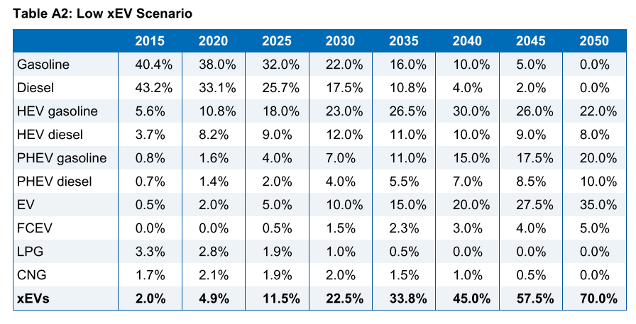
Ricardo energy low xEV scenario (aggregated categories)
 | 2015 | 2020 | 2025 | 2030 | 2035 | 2040 | 2045 | 2050
ICEV | 0.98 | 0.951 | 0.885 | 0.775 | 0.662 | 0.55 | 0.425 | 0.3
EV | 0.02 | 0.049 | 0.115 | 0.225 | 0.338 | 0.45 | 0.575 | 0.7
total | 1 | 1 | 1 | 1 | 1 | 1 | 1 | 1

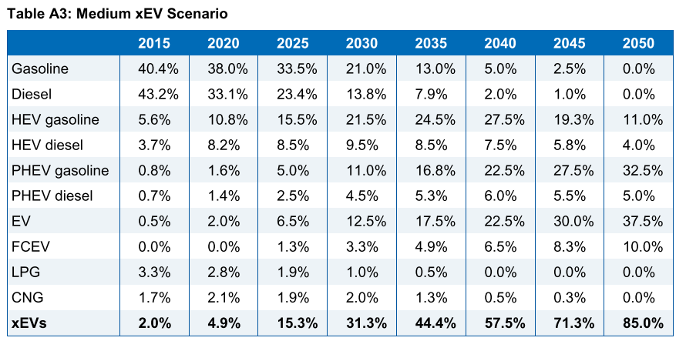
Ricardo energy medium xEV scenario (aggregated categories)
 | 2015 | 2020 | 2025 | 2030 | 2035 | 2040 | 2045 | 2050
ICEV | 0.98 | 0.951 | 0.847 | 0.687 | 0.556 | 0.425 | 0.287 | 0.15
EV | 0.02 | 0.049 | 0.153 | 0.313 | 0.444 | 0.575 | 0.713 | 0.85
total | 1 | 1 | 1 | 1 | 1 | 1 | 1 | 1

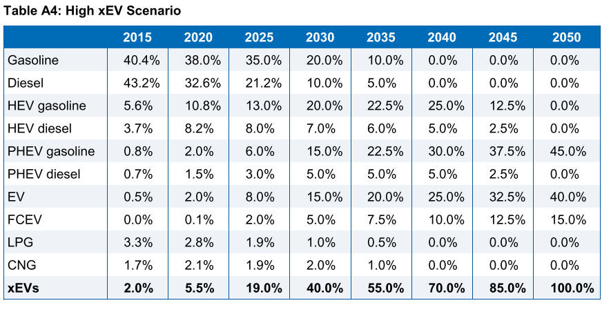
Ricardo energy high xEV scenario (aggregated categories)
 | 2015 | 2020 | 2025 | 2030 | 2035 | 2040 | 2045 | 2050
ICEV | 0.98 | 0.945 | 0.81 | 0.6 | 0.45 | 0.3 | 0.15 | 0
EV | 0.02 | 0.055 | 0.19 | 0.4 | 0.55 | 0.7 | 0.85 | 1
total | 1 | 1 | 1 | 1 | 1 | 1 | 1 | 1

Share of electric vehicles |  |  |  |  |  |  |  |  |  | New registrations of vehicles 2010 - 2018
Year | BEV [%] | PHEV [%] | Total [fraction]
2011 | 0.1 | 0 | 0.001 |  |  |  |  |  |  | 2010 | 13,372,917.00 | 13.37
2012 | 0.1 | 0.1 | 0.002 |  |  |  |  |  |  | 2011 | 13,148,076.00 | 13.15
2013 | 0.2 | 0.2 | 0.004 |  |  |  |  |  |  | 2012 | 12,051,805.00 | 12.05
2014 | 0.4 | 0.3 | 0.007 |  |  |  |  |  |  | 2013 | 11,873,302.00 | 11.87
2015 | 0.6 | 0.7 | 0.013 |  |  |  |  |  |  | 2014 | 12,542,492.00 | 12.54
2016 | 0.6 | 0.7 | 0.013 |  |  |  |  |  |  | 2015 | 13,696,221.00 | 13.70
2017 | 0.8 | 0.9 | 0.017 |  |  |  |  |  |  | 2016 | 14,629,934.00 | 14.63
2018 | 1.1 | 1.1 | 0.022 |  |  |  |  |  |  | 2017 | 15,118,269.00 | 15.12
2019 |  |  | 0.028 | extrapolated |  |  |  |  |  | 2018 | 15,140,526.00 | 15.14
2020 |  |  | 0.034 | extrapolated |  |  |  |  |  | https://www.acea.be/statistics/tag/category/by-country-registrations
https://www.eea.europa.eu/data-and-maps/indicators/total-population-outlook-from-unstat-3/assessment-1
(BEV = Battery electric vehicles, PHEV = Plug-in hybrid electric vehicles)

Description |  |  |  |  | Publication
This statistic illustrates the number of registered passenger cars in the 28 European Union member states from 1990 to 2017, in thousand units. In the period of consideration, stock of passenger cars presented a trend of continuous growth. In 2017, the number of registered passenger cars in the EU 28 reached its peak, at 264.2 million vehicles. |  |  |  |  | Published by | European Commission
 |  |  |  |  | Publication date | October 2019
 |  |  |  |  | Original source
 |  |  |  |  | ID | 452447

EU transport in figures - Statistical Pocketbook 2019, table 2.6.2
Number of registered passenger cars in Europe (EU-28) from 1990 to 2017 (in 1,000 units)
Registered passenger cars in Europe (EU28) 1990-2017
Number of registered passenger cars in Europe (EU-28) from 1990 to 2017 (in 1,000 units)
1990* | 163,628 |  | 1990 | 163,628
1995 | 182,462 |  | 1991 | 167,395
2000 | 201,993 |  | 1992 | 171,162
Inter-polated
2005 | 221,608 |  | 1993 | 174,928
2010 | 241,658 |  | 1994 | 178,695
2011 | 244,011 |  | 1995 | 182,462
2012 | 245,906 |  | 1996 | 186,368
2013 | 247,404 |  | 1997 | 190,274
2014 | 249,773 |  | 1998 | 194,181
2015 | 254,744 |  | 1999 | 198,087
2016 | 259,487 |  | 2000 | 201,993
2017 | 264,214 |  | 2001 | 205,916
 |  |  | 2002 | 209,839
Source | European Commission |  | 2003 | 213,762
Conducted by | European Commission; Eurostat; UNECE |  | 2004 | 217,685
Survey period | 1990 to 2017 |  | 2005 | 221,608
Region | Europe, EU |  | 2006 | 225,618
 |  |  | 2007 | 229,628
Stock at the end of each year shown. * Estimated value. |  |  | 2008 | 233,638
 |  |  | 2009 | 237,648
 |  |  | 2010 | 241,658
 |  |  | 2011 | 244,011
 |  |  | 2012 | 245,906
 |  |  | 2013 | 247,404
 |  |  | 2014 | 249,773
 |  |  | 2015 | 254,744
 |  |  | 2016 | 259,487
 |  |  | 2017 | 264,214
2017 | 45,804 |  |  |  | extrapolation based on growhrate of Germany for the years 2018 - 2019
2018 | 46,475 | 1.0146493756 | 2018 | 268,085 | https://de.statista.com/statistik/daten/studie/12131/umfrage/pkw-bestand-in-deutschland/
2019 | 47,096 | 1.0133620226 | 2019 | 271,667 | https://de.statista.com/statistik/daten/studie/12131/umfrage/pkw-bestand-in-deutschland/

https://ec.europa.eu/transport/sites/transport/files/pocketbook-2019.pdf

