Fixture
Item | Image | Color
Single-Object Task Fixture | 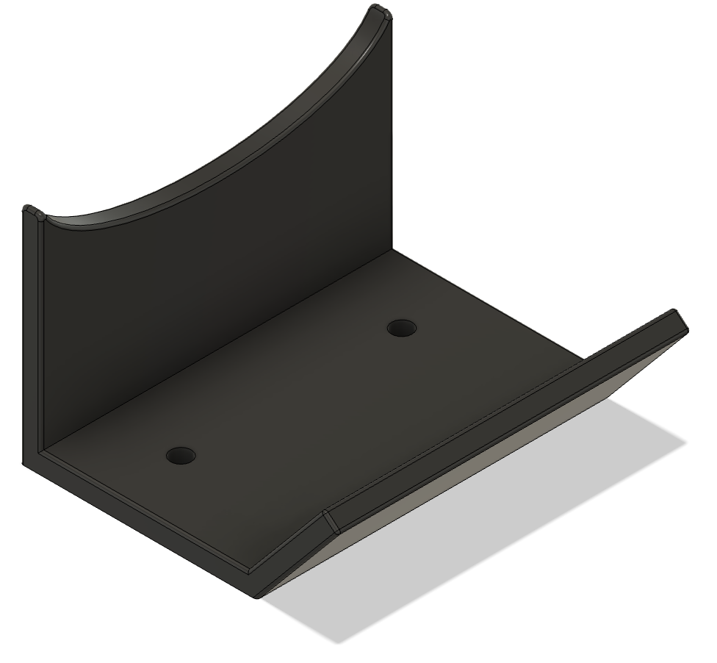 | Black
Multi-Object Task Fixture | 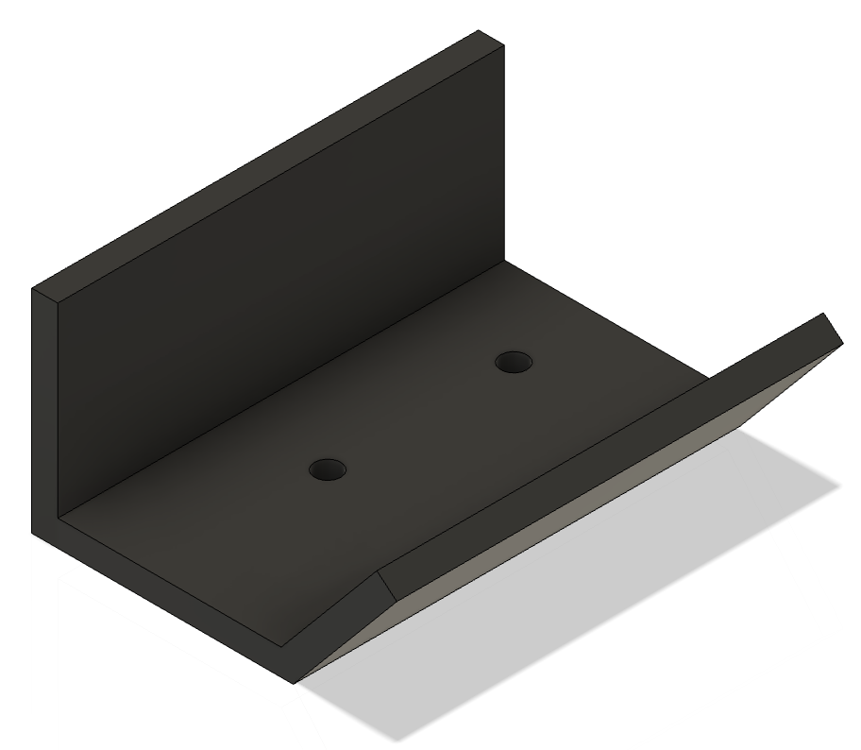 | Black

Assembly 1
Board | Object 1 | Object 2 | Object 3 | Object 4
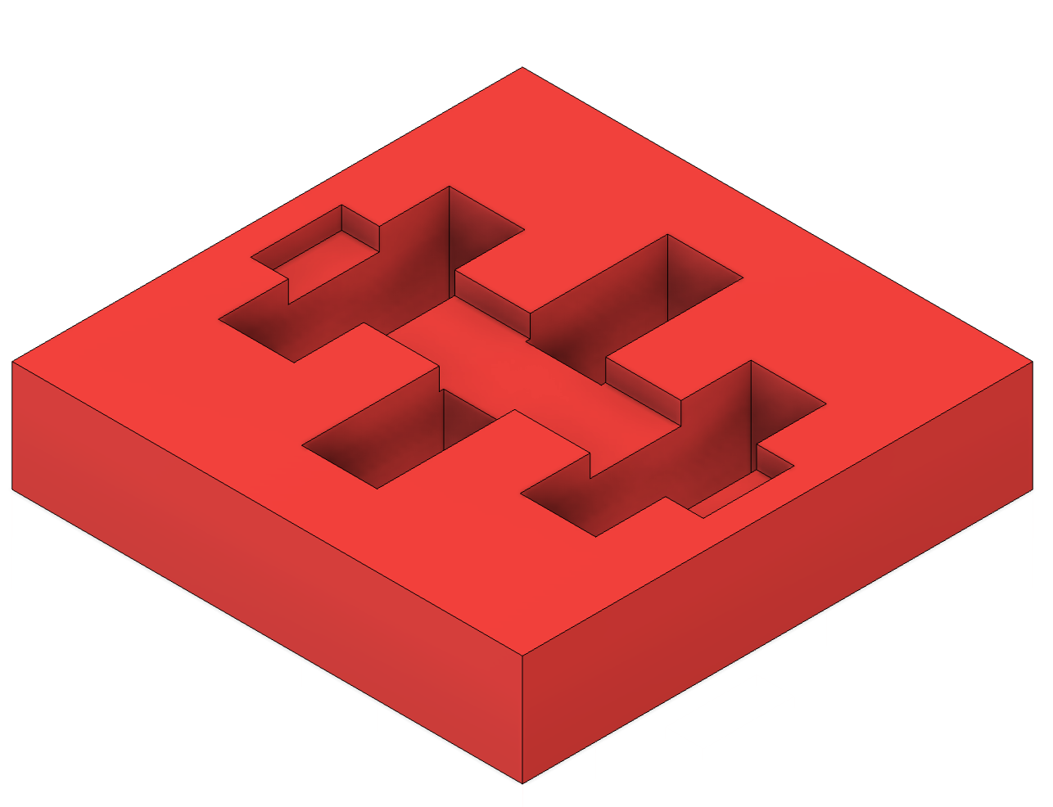 | 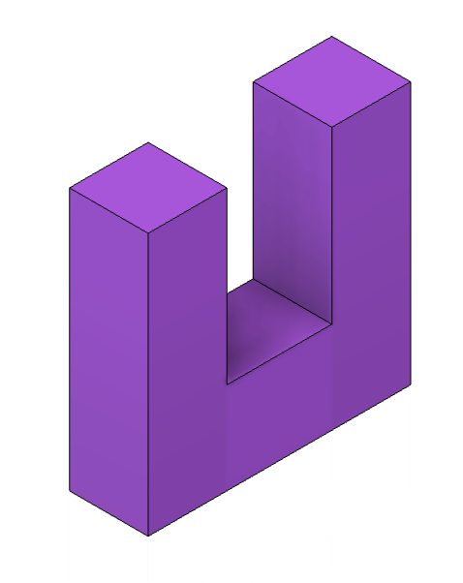 | 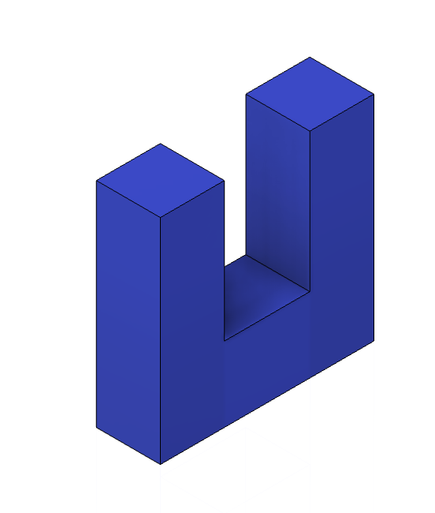 | 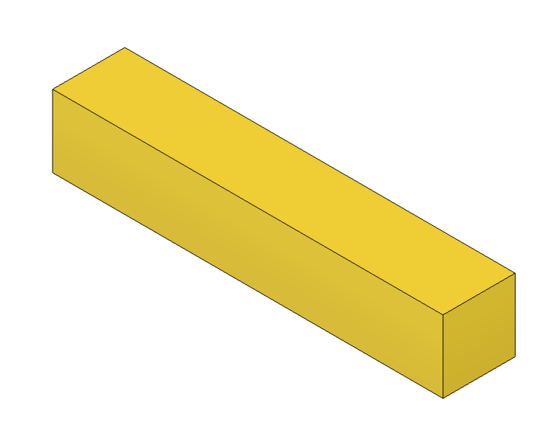 | 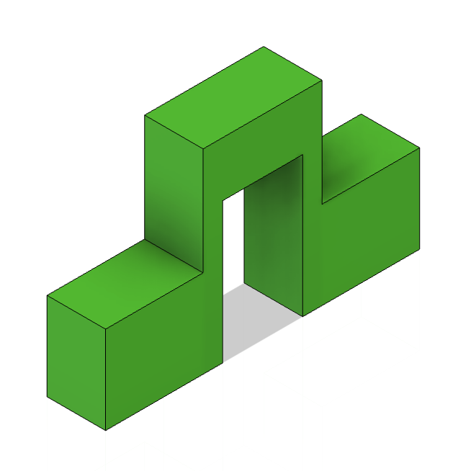
Red | Purple | Blue | Yellow | Green

Assembly 2
Board | Object 1 | Object 2 | Object 3 | Object 4
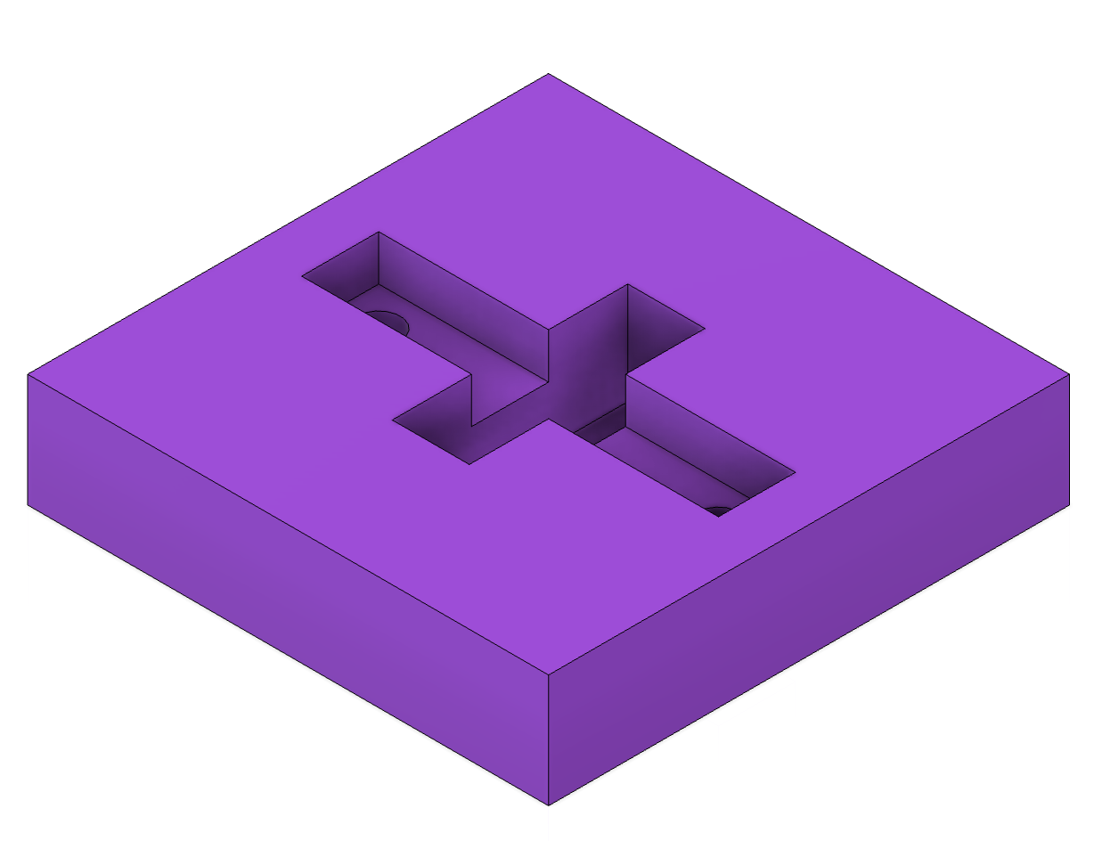 | 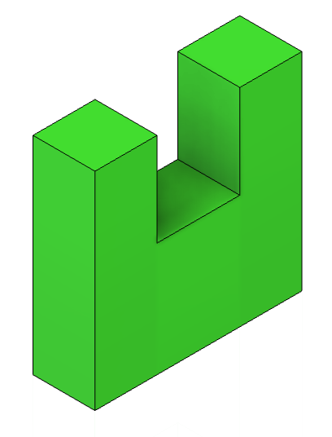 | 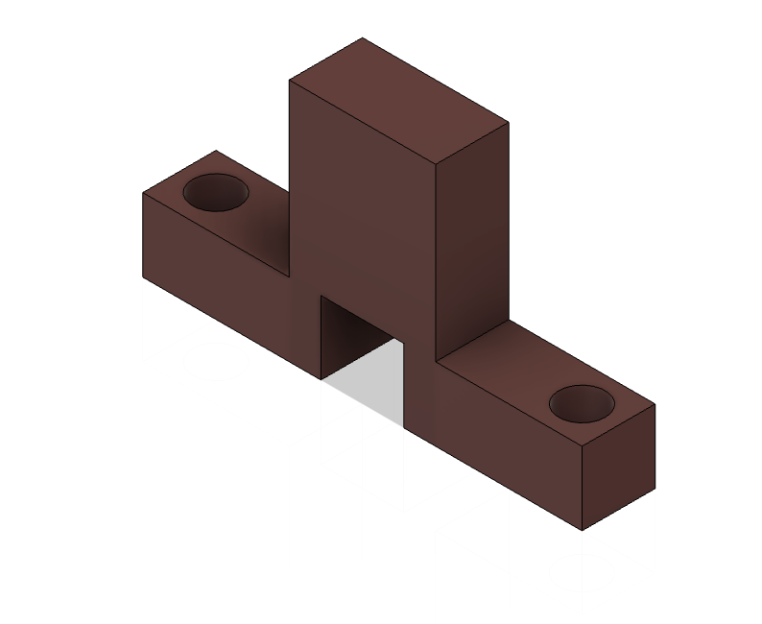
Purple | Green | Brown | Blue | Red

Assembly 3
Board | Object 1 | Object 2 | Object 3 | Object 4
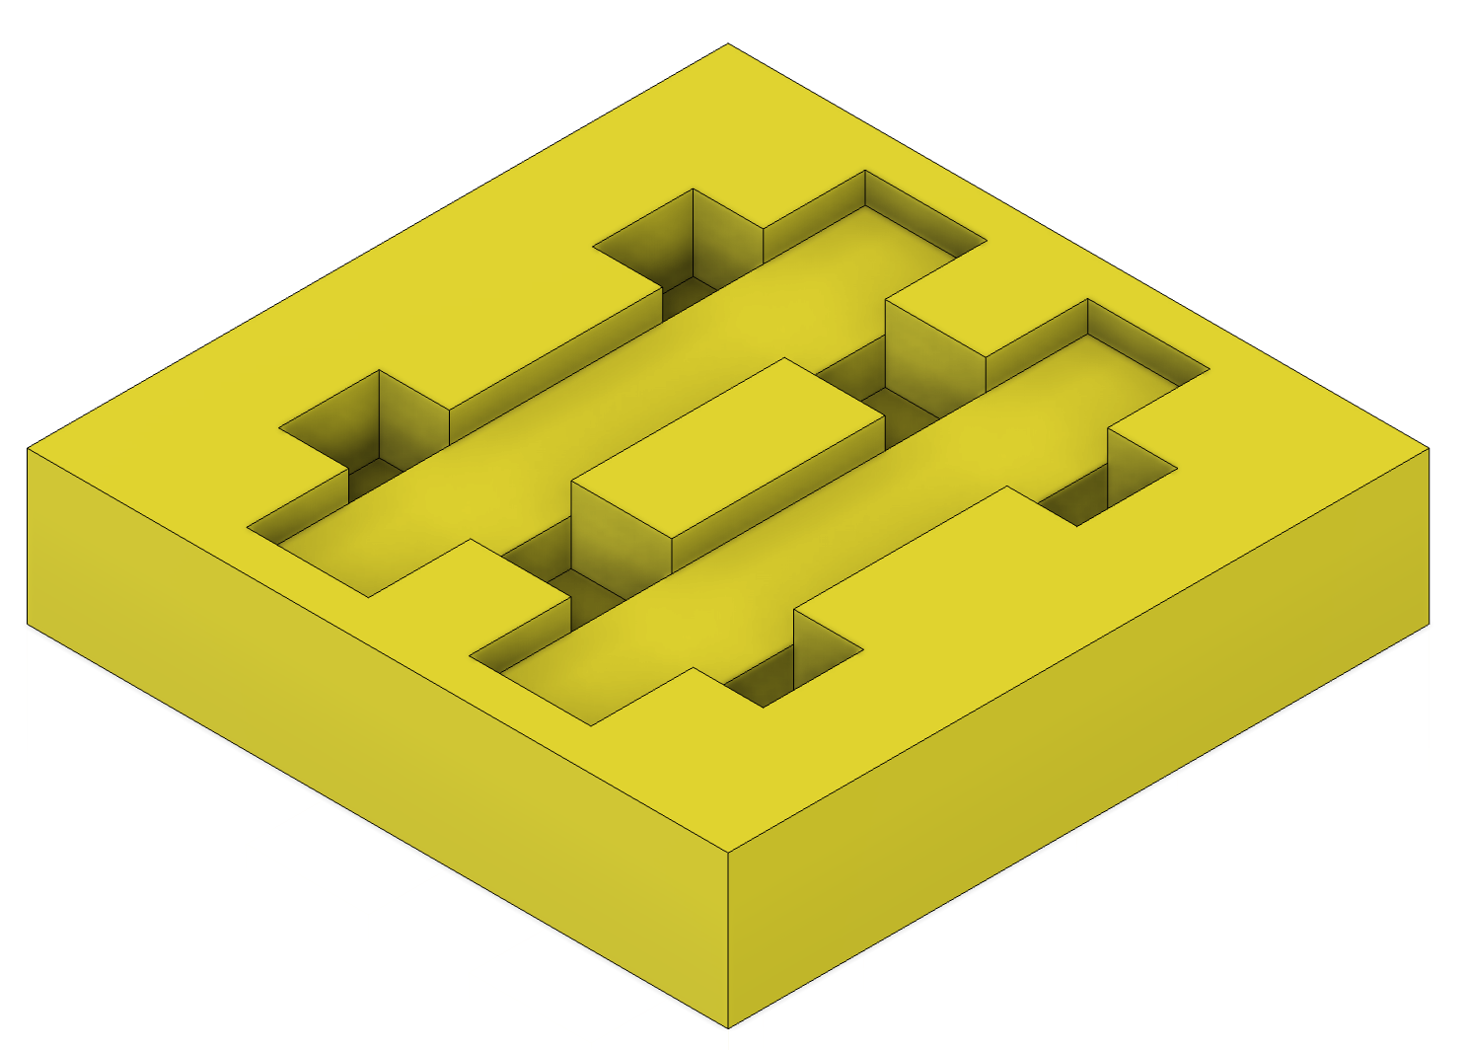 | 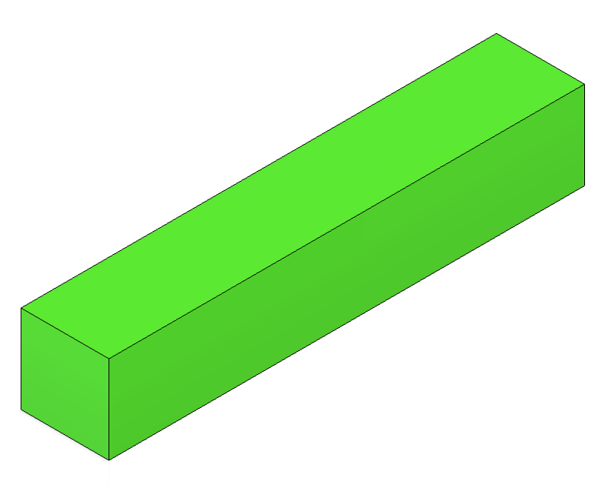 | 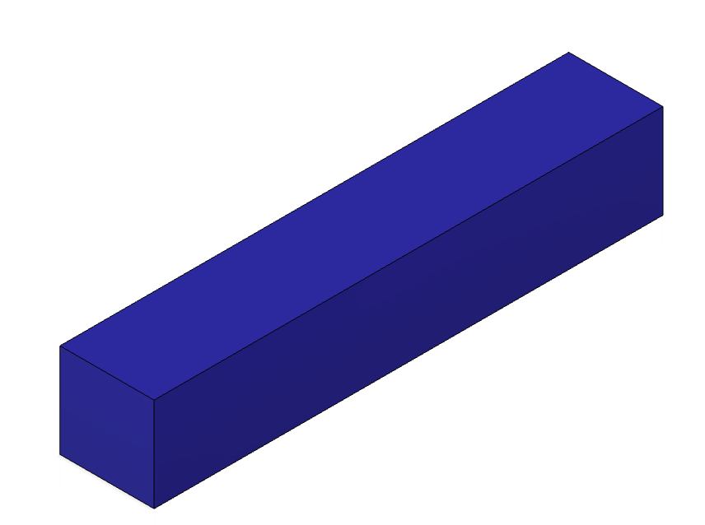 | 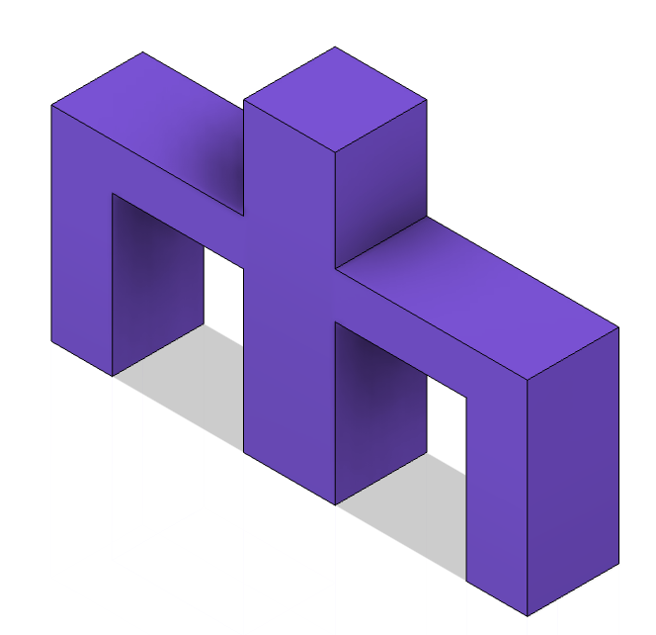 | 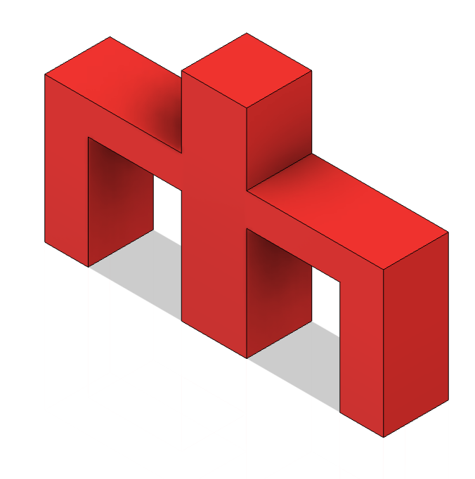
Yellow | Green | Blue | Purple | Red

