Sheet1
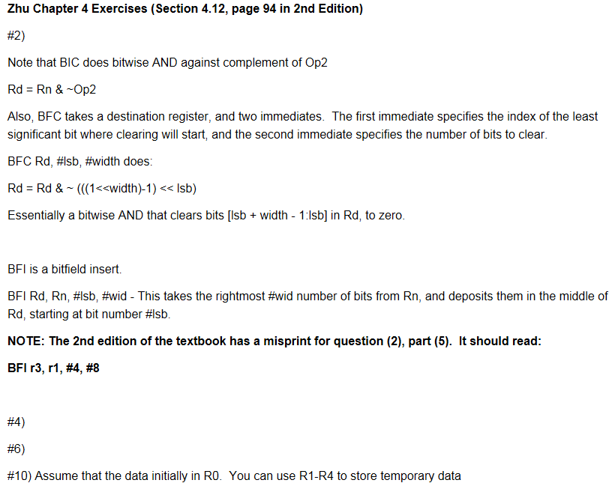
each part 0.2 pts | Problem | Value of r3 |  | Deductions
2.1 | EOR r3, 31, r0 | 0xF1D3B597
2.2 | ORR r3, r1, r0 | 0xFFDFBF9F
2.3 | AND r3, 31, r0 | 0x0E0C0A08
2.4 | BIC r3, 31, r0 | 0xF0D0B090
2.5 | BFI r3, r1, #4, #8 | 0xF0D0B980 or 0x00000980 |  | 0.2
2.6 | MVN r3, 31 | 0x01234567
2.7 | MVN r3, r0 | 0xF0F0F0F0
2.8 | MVN r3, r0 ADD r3, r1, r3 | 0xEFCDAB88

each part 0.3 pts | Problem | Code Expected | Comments | Deductions
4 | x=x*y+z-x | MUL r4, r0, r1 | r4 = x*y
 |  | ADD r4, r4, r2 | r4 = x*y+z
 |  | SUB r4, r4, r0 | r4 = x*y+z-x
 |  | SXTH r0, r4 | r0=(int16_t) r4 | 0.3

each part 0.2 pts | Problem | Code expected | Comments | Deductions
6 | y=3x3-7x2+10x-11 | MUL r2, r0, r0 | r2 = x2
 |  | MUL r3, r2, r0 | r3 = x3
 |  | MUL r0, r0, #10 | r0 = 10x
 |  | MUL r2, r2, #7 | r2 = 7x2
 |  | MUL r3, r3, #3 | r2 = 3x3
 |  | SUB r1, r3, r2 | y = 3x3-7x2
 |  | ADD r1, r1, r0 | y = 3x3-7x2+10x
 |  | SUB r1, r1, #11 | y = 3x3-7x2+10x-11

Total 1 pts | Problem | Code Expected | Comments | Deductions
10 | r0=0xAABBCCDD | SHL r1, r0, #24 | r1=0xDD000000 | 0.1 | Your LSRs should be in units of bits, not nibbles.
 | get: | SHR r2, r0, #24 | r2=0x000000AA |  | For example LSR r1, r1, #24, not LSR r1, r1, #6
 | r0=0xDDCCBBAA | SHR r3, r0, #8 | r3=0x00AABBCC
 |  | AND r3, r3, #0x0000FF00 | r3=0x0000BB00
 |  | SHL r4, r0, #8 | r4=0xBBCCDD00
 |  | AND r4, r4, #0x00FF0000 | r4=0x00CC0000
 |  | ORR r0, r1, r2 | r0=0xDD0000AA
 |  | ORR r0, r0, r3 | r0=0xDD00BBAA
 |  | ORR r0, r0, r4 | r0=0xDDCCBBAA

Chapter 5
each part 0.3 pts | Problem | Solution | Comments | Deductions
1.a | LDR r1, [r0] // little end. | 0x0DEB2C1A |  | 0.2
 | LDR r1, [r0] // big end. | 0x1A2CEB0D |  | 0.3
1.b | LDR r1, [r0, #4] | r1 = 0x79CDA3FD, r0 unchanged | pre-index
 | LDR r1, [r0], #4 | r1 = 0x0DEB2C1A r0 = 0x20008004 | post-index | 0.1 | You should not have a minus sign!
 | LDR r1, [r0, #4]! | r1 = 0x79CDA3FD r0 = 0x20008004 | pre-index & upd. |  | You did not show r0

Total 1.5 pts. |  |  | r0 = 0x20000004 | r0 = 0x20000008 | Deductions
3 | Address (Hex) | STR r1, [r0], 4 | STR r1, [r0, 4]! | STR r1, [r0, 4] | 1
 | 8000F | 0x00 | 0x00 | 0x12
 | 8000E | 0x00 | 0x00 | 0x34
 | 8000D | 0x00 | 0x00 | 0x56
 | 8000C | 0x00 | 0x00 | 0x78
 | 8000B | 0x00 | 0x12 | 0x12
 | 8000A | 0x00 | 0x34 | 0x34
 | 80009 | 0x00 | 0x56 | 0x56
 | 80008 | 0x00 | 0x78 | 0x78
 | 80007 | 0x00 | 0x00 | 0x00
 | 80006 | 0x00 | 0x00 | 0x00
 | 80005 | 0x00 | 0x00 | 0x00
 | 80004 | 0x00 | 0x00 | 0x00
 | 80003 | 0x12 | 0x12 | 0x12
 | 80002 | 0x34 | 0x34 | 0x34
 | 80001 | 0x56 | 0x56 | 0x56
 | 80000 | 0x78 | 0x78 | 0x78

each part 0.4 pts | Problem | Solution | Comments | Deductions
5.1 | LDRSB r1, r0 | 0xFFFFFFC3
5.2 | LDRSH r1, r0 | 0xFFFFB2C3 |  | 0.1
5.3 | LDRB r1, r0 | 0x000000C3
5.4 | LDRH r1, r0 | 0x0000B2C3 |  | 0.1

 |  | Final Score | 7.6

