Pivot1
country | (All)
 | canceled | failed | live | successful
film & video | 40 | 180 |  | 300
food | 20 | 140 | 6 | 34
games |  | 140 |  | 80
journalism | 24
music | 20 | 120 | 20 | 540
photography |  | 117 |  | 103
publishing | 30 | 127 |  | 80
technology | 178 | 213 |  | 209
theater | 37 | 493 | 24 | 839
Count of state | Column Labels
Row Labels | canceled | failed | live | successful | Grand Total
film & video | 40 | 180 |  | 300 | 520
food | 20 | 140 | 6 | 34 | 200
games |  | 140 |  | 80 | 220
journalism | 24 |  |  |  | 24
music | 20 | 120 | 20 | 540 | 700
photography |  | 117 |  | 103 | 220
publishing | 30 | 127 |  | 80 | 237
technology | 178 | 213 |  | 209 | 600
theater | 37 | 493 | 24 | 839 | 1393
Grand Total | 349 | 1530 | 50 | 2185 | 4114

Pivot2
country | (All)
Category | (All)

 | canceled | failed | live | successful
animation |  | 100
art books | 20
audio | 24
children's books |  | 40
classical music |  |  |  | 40
documentary |  |  |  | 180
drama |  | 80
electronic music |  |  |  | 40
faith |  | 40 | 20
fiction |  | 40
food trucks | 20 | 120
gadgets |  | 20
hardware |  |  |  | 140
indie rock |  | 20 |  | 140
jazz |  | 60
makerspaces |  | 11 |  | 9
metal |  |  |  | 20
mobile games |  | 40
musical | 20 | 60 |  | 60
nature |  | 20
nonfiction |  |  |  | 60
people |  | 20
photobooks |  | 57 |  | 103
places |  | 20
plays |  | 353 | 19 | 694
pop |  |  |  | 40
radio & podcasts |  |  |  | 20
restaurants |  | 20
rock |  |  |  | 260
science fiction | 40
shorts |  |  |  | 60
small batch |  |  | 6 | 34
space exploration | 18 | 2 |  | 40
spaces | 17 | 80 | 5 | 85
tabletop games |  |  |  | 80
television |  |  |  | 60
translations | 10 | 47
video games |  | 100
wearables | 60 | 120 |  | 20
web | 100 | 60
world music | 20
Count of state | Column Labels
Row Labels | canceled | failed | live | successful | Grand Total
animation |  | 100 |  |  | 100
art books | 20 |  |  |  | 20
audio | 24 |  |  |  | 24
children's books |  | 40 |  |  | 40
classical music |  |  |  | 40 | 40
documentary |  |  |  | 180 | 180
drama |  | 80 |  |  | 80
electronic music |  |  |  | 40 | 40
faith |  | 40 | 20 |  | 60
fiction |  | 40 |  |  | 40
food trucks | 20 | 120 |  |  | 140
gadgets |  | 20 |  |  | 20
hardware |  |  |  | 140 | 140
indie rock |  | 20 |  | 140 | 160
jazz |  | 60 |  |  | 60
makerspaces |  | 11 |  | 9 | 20
metal |  |  |  | 20 | 20
mobile games |  | 40 |  |  | 40
musical | 20 | 60 |  | 60 | 140
nature |  | 20 |  |  | 20
nonfiction |  |  |  | 60 | 60
people |  | 20 |  |  | 20
photobooks |  | 57 |  | 103 | 160
places |  | 20 |  |  | 20
plays |  | 353 | 19 | 694 | 1066
pop |  |  |  | 40 | 40
radio & podcasts |  |  |  | 20 | 20
restaurants |  | 20 |  |  | 20
rock |  |  |  | 260 | 260
science fiction | 40 |  |  |  | 40
shorts |  |  |  | 60 | 60
small batch |  |  | 6 | 34 | 40
space exploration | 18 | 2 |  | 40 | 60
spaces | 17 | 80 | 5 | 85 | 187
tabletop games |  |  |  | 80 | 80
television |  |  |  | 60 | 60
translations | 10 | 47 |  |  | 57
video games |  | 100 |  |  | 100
wearables | 60 | 120 |  | 20 | 200
web | 100 | 60 |  |  | 160
world music | 20 |  |  |  | 20
Grand Total | 349 | 1530 | 50 | 2185 | 4114

Pivot3
Category | (All)
Years | (All)

 | canceled | failed | live | successful
Jan | 34 | 149 | 2 | 182
Feb | 27 | 106 | 18 | 202
Mar | 28 | 108 | 30 | 180
Apr | 27 | 102 |  | 192
May | 26 | 126 |  | 234
Jun | 27 | 147 |  | 211
Jul | 43 | 150 |  | 194
Aug | 33 | 134 |  | 166
Sep | 24 | 127 |  | 147
Oct | 20 | 149 |  | 183
Nov | 37 | 114 |  | 183
Dec | 23 | 118 |  | 111
Count of state | Column Labels
Row Labels | canceled | failed | live | successful | Grand Total
Jan | 34 | 149 | 2 | 182 | 367
Feb | 27 | 106 | 18 | 202 | 353
Mar | 28 | 108 | 30 | 180 | 346
Apr | 27 | 102 |  | 192 | 321
May | 26 | 126 |  | 234 | 386
Jun | 27 | 147 |  | 211 | 385
Jul | 43 | 150 |  | 194 | 387
Aug | 33 | 134 |  | 166 | 333
Sep | 24 | 127 |  | 147 | 298
Oct | 20 | 149 |  | 183 | 352
Nov | 37 | 114 |  | 183 | 334
Dec | 23 | 118 |  | 111 | 252
Grand Total | 349 | 1530 | 50 | 2185 | 4114

Bonus
Goal | Number Successful | Number Failed | Number Canceled | Number Live | Total Projects | Percentage Successful | Percentage Failed | Percentage Canceled
Less than 1000 | 322 | 113 | 18 | 8 | 461 | 70% | 25% | 4%
1000 to 4999 | 931 | 420 | 60 | 13 | 1424 | 65% | 29% | 4%
5000 to 9999 | 381 | 282 | 51 | 6 | 720 | 53% | 39% | 7%
10000 to 14999 | 169 | 145 | 41 | 9 | 364 | 46% | 40% | 11%
15000 to 19999 | 94 | 90 | 17 | 4 | 205 | 46% | 44% | 8%
20000 to 24999 | 62 | 72 | 14 | 1 | 149 | 42% | 48% | 9%
5000 to 29999 | 55 | 64 | 18 | 1 | 138 | 40% | 46% | 13%
30000 to 34999 | 32 | 37 | 13 | 2 | 84 | 38% | 44% | 15%
35000 to 39999 | 26 | 22 | 7 | 0 | 55 | 47% | 40% | 13%
40000 to 44999 | 21 | 16 | 6 | 1 | 44 | 48% | 36% | 14%
45000 to 49999 | 6 | 11 | 4 | 0 | 21 | 29% | 52% | 19%
Greater than or equal to 50000 | 86 | 258 | 100 | 5 | 449 | 19% | 57% | 22%
**Check | 0 | 0 | 0 | 0 | 0
 | 2185 | 1530 | 349 | 50 | 4114 | 53% | 37% | 8%

assignment instructions
 |  | Unit 1 - Excel/Homework/Instructions/README.md

 |  | Unit 1 - Excel/Homework/Instructions/README.md

 |  | # Excel Homework: Kickstart My Chart

 |  | ## Background

 |  | Over $2 billion has been raised using the massively successful crowdfunding service, Kickstarter, but not every project has found success. Of the more than 300,000 projects launched on Kickstarter, only a third have made it through the funding process with a positive outcome.

 |  | Getting funded on Kickstarter requires meeting or exceeding the project's initial goal, so many organizations spend months looking through past projects in an attempt to discover some trick for finding success. For this week's homework, you will organize and analyze a database of 4,000 past projects in order to uncover any hidden trends.

 |  | ### Before You Begin

 |  | 1. Create a new space for this project called `excel-challenge` in either DropBox or Google Drive. **Do not add this homework to an existing space**.

 |  | 2. Store your excel workbooks in here and create a sharable link for submission.

 |  | ## Instructions

 |  | ![Kickstarter Table](Images/FullTable.PNG)

 |  | Using the Excel table provided, modify and analyze the data of 4,000 past Kickstarter projects as you attempt to uncover some market trends.
 | STATUS
 | Done | * Use conditional formatting to fill each cell in the `state` column with a different color, depending on whether the associated campaign was successful, failed, or canceled, or is currently live.

 | Done | * Create a new column O called `Percent Funded` that uses a formula to uncover how much money a campaign made to reach its initial goal.

 | Done | * Use conditional formatting to fill each cell in the `Percent Funded` column using a three-color scale. The scale should start at 0 and be a dark shade of red, transitioning to green at 100, and blue at 200.

 | Done | * Create a new column P called `Average Donation` that uses a formula to uncover how much each backer for the project paid on average.

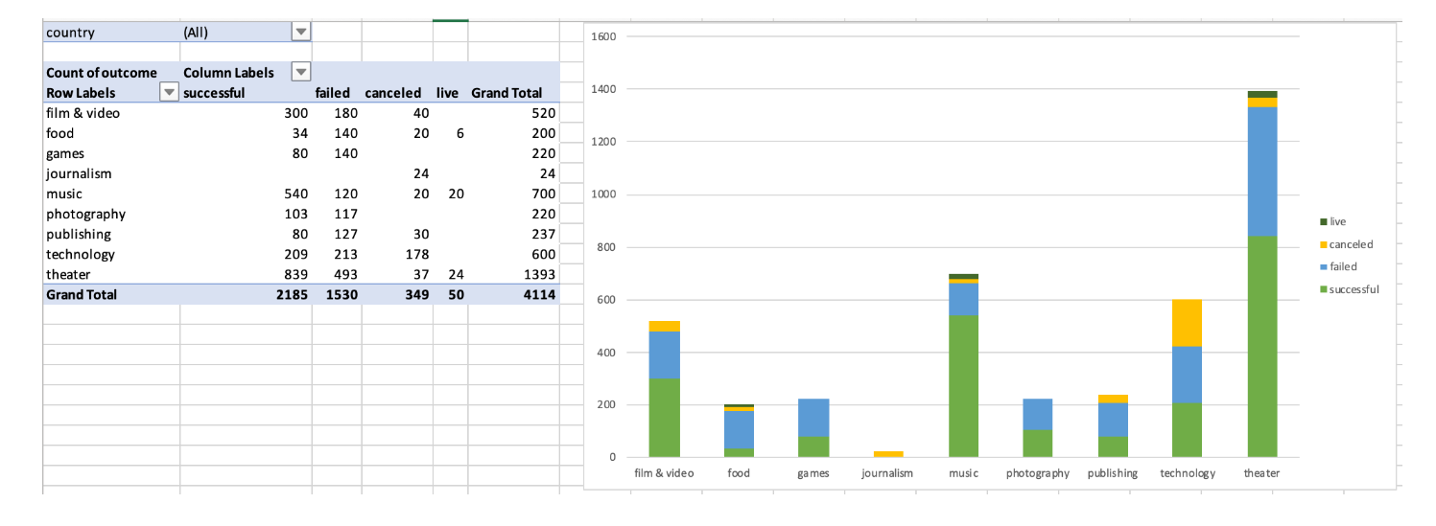
Find Formula | used copy and paste and filter | * Create two new columns, one called `Category` at Q and another called `Sub-Category` at R, which use formulas to split the `Category and Sub-Category` column into two parts.
try left and right and find and replace

 |  | ![Category Stats](Images/CategoryStats.PNG)

 | Done | * Create a new sheet with a pivot table that will analyze your initial worksheet to count how many campaigns were successful, failed, canceled, or are currently live per **category**.

 | Done | * Create a stacked column pivot chart that can be filtered by country based on the table you have created.

 |  | ![Subcategory Stats](Images/SubcategoryStats.PNG)
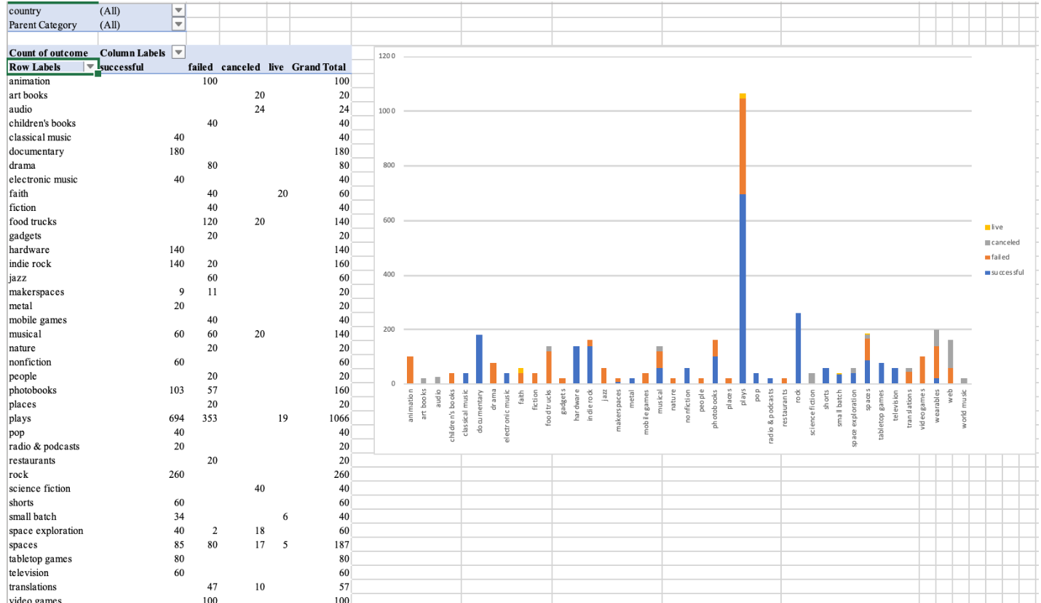

 | Done | * Create a new sheet with a pivot table that will analyze your initial sheet to count how many campaigns were successful, failed, or canceled, or are currently live per **sub-category**.

 | Done | * Create a stacked column pivot chart that can be filtered by country and parent-category based on the table you have created.

 | Done | * The dates stored within the `deadline` and `launched_at` columns use Unix timestamps. Fortunately for us, [there is a formula](https://www.extendoffice.com/documents/excel/2473-excel-timestamp-to-date.html) that can be used to convert these timestamps to a normal date.

 | Done | * Create a new column named `Date Created Conversion` that will use [this formula](https://www.extendoffice.com/documents/excel/2473-excel-timestamp-to-date.html) to convert the data contained within `launched_at` into Excel's date format.

 |  | * Create a new column named `Date Ended Conversion` that will use [this formula](https://www.extendoffice.com/documents/excel/2473-excel-timestamp-to-date.html) to convert the data contained within `deadline` into Excel's date format.

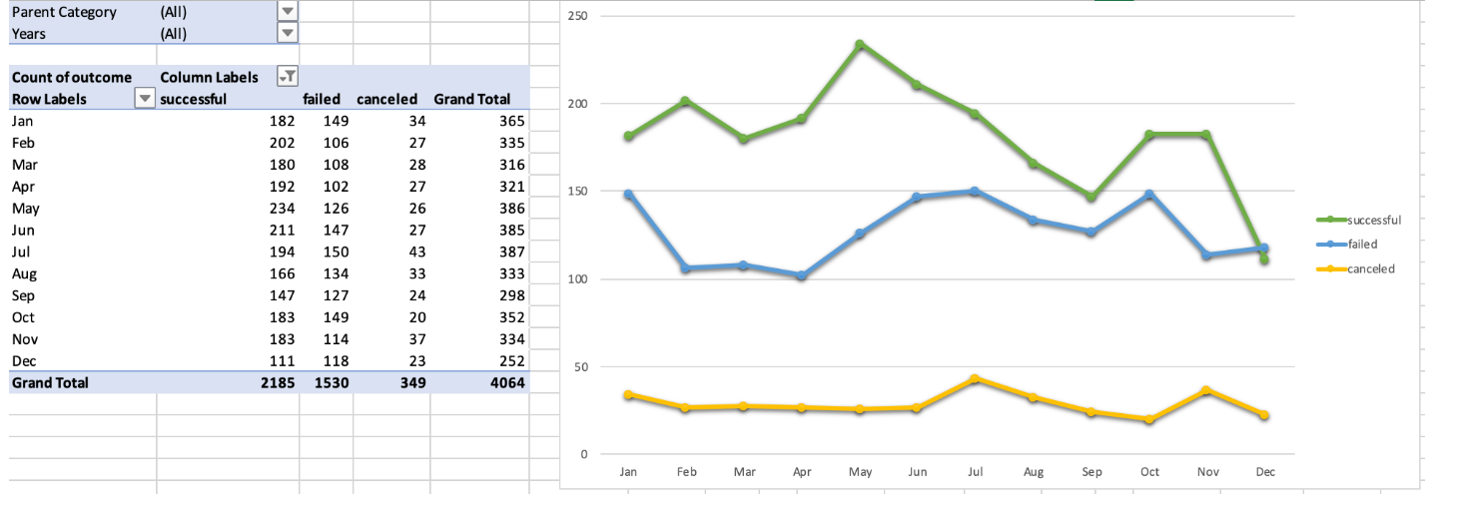
 |  | ![Outcomes Based on Launch Date](Images/LaunchDateOutcomes.PNG)

 | Done | * Create a new sheet with a pivot table with a column of `state`, rows of `Date Created Conversion`, values based on the count of `state`, and filters based on `parent category` and `Years`.

 | Done | * Now create a pivot chart line graph that visualizes this new table.

 | Done | * Create a report in Microsoft Word and answer the following questions.

 |  | 1. Given the provided data, what are three conclusions we can draw about Kickstarter campaigns?
 |  | 2. What are some limitations of this dataset?
 |  | 3. What are some other possible tables and/or graphs that we could create?

 |  | ## Bonus

 | Done | * Create a new sheet with 8 columns:

 | Done | * `Goal`
 | Done | * `Number Successful`
 | Done | * `Number Failed`
 | Done | * `Number Canceled`
 | Done | * `Total Projects`
 | Done | * `Percentage Successful`
 | Done | * `Percentage Failed`
 | Done | * `Percentage Canceled`

 | Done | * In the `Goal` column, create 12 rows with the following headers:

 | Done | * Less than 1000
 | Done | * 1000 to 4999
 | Done | * 5000 to 9999
 | Done | * 10000 to 14999
 | Done | * 15000 to 19999
 | Done | * 20000 to 24999
 | Done | * 25000 to 29999
 | Done | * 30000 to 34999
 | Done | * 35000 to 39999
 | Done | * 40000 to 44999
 | Done | * 45000 to 49999
 | Done | * Greater than or equal to 50000

 |  | ![Goal Outcomes](Images/GoalOutcomes.PNG)
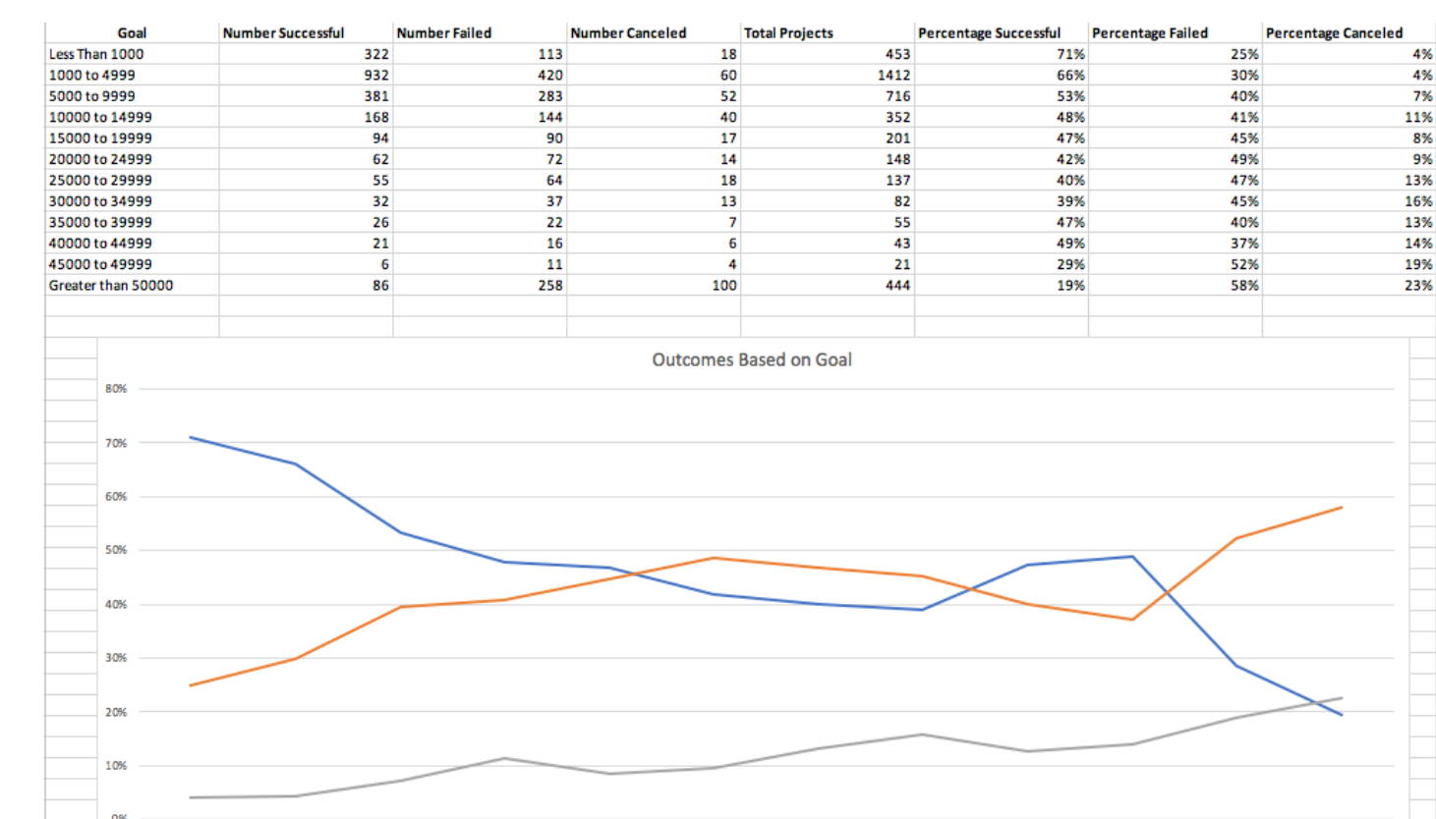

 | Done-ish need to learn countifs!!! | * Using the `COUNTIFS()` formula, count how many successful, failed, and canceled projects were created with goals within the ranges listed above. Populate the `Number Successful`, `Number Failed`, and `Number Canceled` columns with this data.

 |  | * Add up each of the values in the `Number Successful`, `Number Failed`, and `Number Canceled` columns to populate the `Total Projects` column. Then, using a mathematical formula, find the percentage of projects that were successful, failed, or canceled per goal range.

 |  | * Create a line chart that graphs the relationship between a goal's amount and its chances at success, failure, or cancellation.

 |  | ## Submission

 |  | * To submit your homework, upload the solution and files to a GitHub repo, Dropbox, or Google Drive and submit the link to <https://bootcampspot.com/>.

 |  | - - -

 |  | © 2019 Trilogy Education Services

