AIR 020723
 |  |  |  |  |  |  | Air | THIS SIDE INTERNAL INFO ONLY
Attn: | Keith Block |  |  |  | From: | Sung Noe |  | Internal Remarks:
Company: | Bee International |  |  |  | Date: | 2023-03-21
Email: | keith@beeinc.com |  |  |  | Email: | sung.lax@oecgroup.com
EFFECTIVE ETD: | 2023-02-07 | TO | 2023-02-12 | Rates are Valid up to 7 calendar days
COMMODITY:

PICKUP | ORIGIN FEES | CARGO DETAILS | FLIGHT
Vimek Bakery Automation Strada del Santo 110/A 35010, Cadoneghe (PD) – Italy | X rays: USD 5/pcs Doc fee: USD 35/hawb Custom: USD 45/inv Pick up: USD 550 | 1x300x100x60cm 1x300x100x20cm 1x300x80x40cm 4x120x80x100cm 1x120x80x100cm 8 pieces 2920kg 8.16 CBM | 3-5 days transit

ORIGIN AIRPORT | DESTINATION AIRPORT | MODE | RATE PER KG | MIN | Weight Break | NOTES |  | CARRIERS | via CY | PER KG | PROFIT PER KG | MIN | PROFIT MIN | OTHER1 | Other Notes
ITALY | LOS ANGELES AIRPORT (LAX) | PORT/PORT | $4.45 | $350.00 | Charged by the Greater of Actual vs Volume Weight | LX airline |  | LX airline |  | 2.95 | 1.5 | 300 | 50
ITALY | LOS ANGELES AIRPORT (LAX) | PORT/PORT | $4.25 | $350.00 | Charged by the Greater of Actual vs Volume Weight | UA airline |  | UA airline |  | 2.75 | 1.5 | 300 | 50
ITALY | LOS ANGELES AIRPORT (LAX) | PORT/PORT | $3.80 | $350.00 | Charged by the Greater of Actual vs Volume Weight | LH airline |  | LH airline |  | 2.3 | 1.5 | 300 | 50
ITALY | LOS ANGELES AIRPORT (LAX) | PORT/PORT | $4.90 | $350.00 | Charged by the Greater of Actual vs Volume Weight | DE airline |  | DE airline |  | 3.4 | 1.5 | 300 | 50
ITALY | LOS ANGELES AIRPORT (LAX) | PORT/PORT | $3.85 | $350.00 | Charged by the Greater of Actual vs Volume Weight | KL airline |  | KL airline |  | 2.35 | 1.5 | 300 | 50

AIRPORT PICK UP | DEST TRUCKING | MODE | LTL DELIVERY | INFO |  |  |  | CARRIERS | via CY | PER LBS | PROFIT PER LBS | MIN | PROFIT MIN | OTHER1 | Other Notes
LAX | Playas De Rosarito Facility’s Address: Camino vecinal S/N, Lote 2 Manzana 1, Colonia Ampliacion Benito Juarez, Playas de Rosarito, Baja California, Mexico | PORT/TRK | $795.00 | est. 3 days transit |  |  |  | TRUCKING LAXA-001839 | LAX
Subject to Destination Airport ISC Fee
Subject to Destination Customs Clearance Fees/CROSS BORDER - PENDING
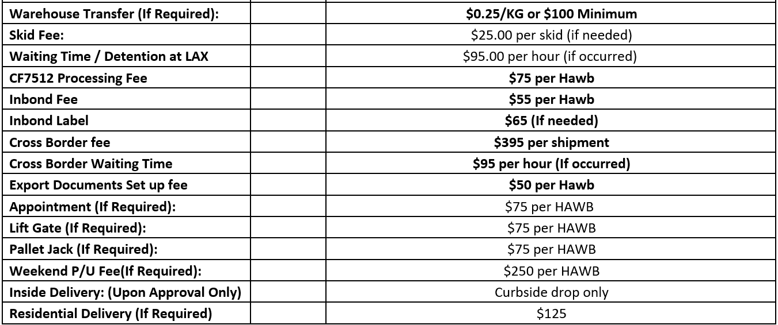
 |  |  |  |  |  |  |  | AIR FREIGHT calculator | Pls Input | PORT/PORT only
ADDITIONAL CHARGES* |  |  |  |  |  |  |  | Selling rate: | $8.50 | PER KG
- AIR SHIPMENTS |  |  |  |  |  |  |  | Dimension | 4 | CBM
CHARGE ITEM TYPE |  |  |  | AMOUNT and ADDITIONAL INFORMATION |  |  |  | Gross Weight | 520 | KGS
- OEC Handling Service Fee: |  |  |  | USD 75 Per HAWB |  |  |  | Total cost will be charge whichever is greater
- Airport ISC Fee: |  |  |  | $211 per HAWB |  |  |  | Estimate chargable by dimension | $5,669.50
- Fuel Surcharge and Security Surcharge: |  |  |  | INCLUSIVE |  |  |  | Estimate chargable by weight | $4,420.00
- Air Conversion CBM to Kilograms |  |  |  | 1CBM = 166.75 Volume KG, Charged by the greater of Actual Weight vs Volume Weight
- Trucking and Conversion CBM to Pounds |  |  |  | 1CBM = 367.62 Volume LB, Charged by the greater of Actual Weight vs Volume Weight
ADDITIONAL SERVICES*
CHARGE ITEM TYPE |  |  |  | AMOUNT and ADDITIONAL INFORMATION
- OPTIONAL: Marine Cargo Insurance (Coverage: Commercial Invoice Value and All Freight Charges) |  |  |  | $0.32 Per each $100 Value @ 110% coverage, Min: $100.00 per Shipment
- OPTIONAL: Warehousing, Distribution, Consolidations, Domestic LTL/Trailers |  |  |  | Upon Request
ADDITIONAL INFORMATION*
All rates are subject to Unforeseeable charges such as not limited to: Customs exam related fees, Storage, Perdiem, Demurrage, Waiting time, Dry Run fee, Overweight, PSS/GRI surcharge adjustments, Rail Surcharges, Split Fees, Flip Fees, Diversions, Fuel/Bunker adjustments, Carriers cost recovery surcharges, origin charges depending on buying terms and/or others and will not be liable by OEC Group.

This proposal is an offer to enter into a Confidential Negotiated Rate Agreement (NRA). THE SHIPPER’S BOOKING OF CARGO AFTER RECEIVING THE TERMS OF THIS NRA OR NRA AMENDMENT CONSTITUTES ACCEPTANCE OF THE RATES AND TERMS OF THIS NRA OR NRA AMENDMENT. OEC Group Los Angeles As Agents For the Carrier Orient Express Container Co., Ltd.

Sung Noe / OEC Group USA Southwest Region
Tel: 562.926.7186 x859 Fax: 562.926.7183 * Email: sung.lax@oecgroup.com * Website/Quick Track: www.oecgroup.com

