15. Premium Transit Time
PREMIUM SERVICE TRANSIT TIME INFORMATION

CMA TRANSIT TIME FLYER
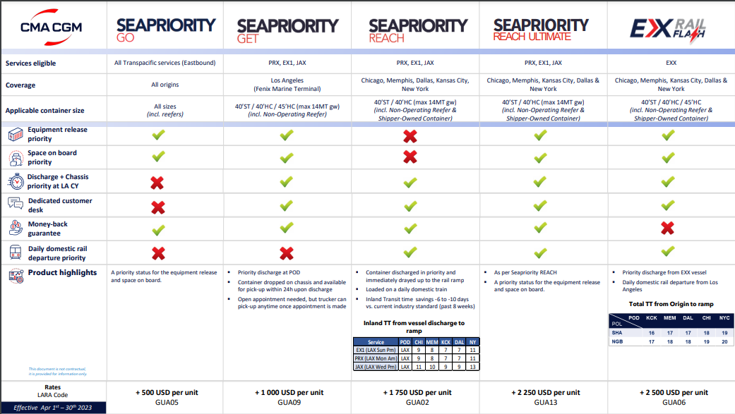

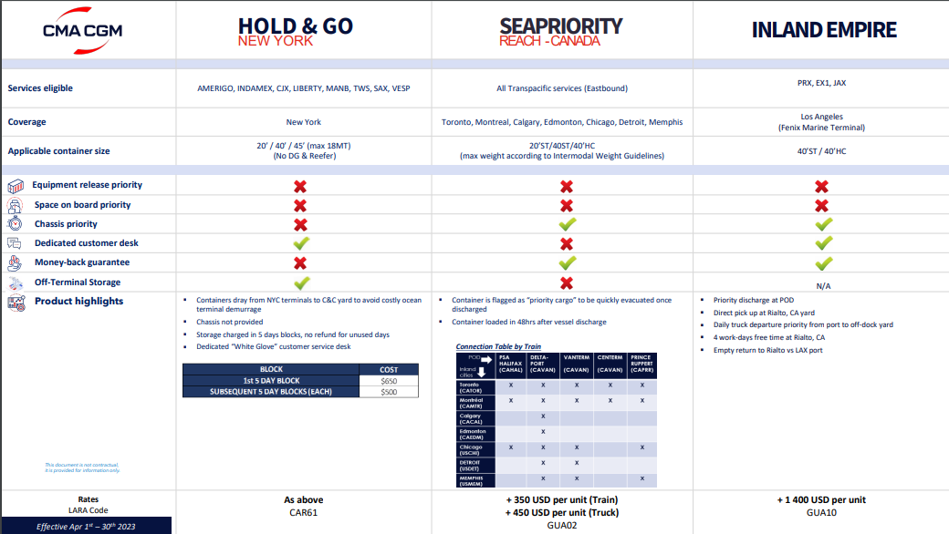

ZIM TRANSIT TIME FLYER
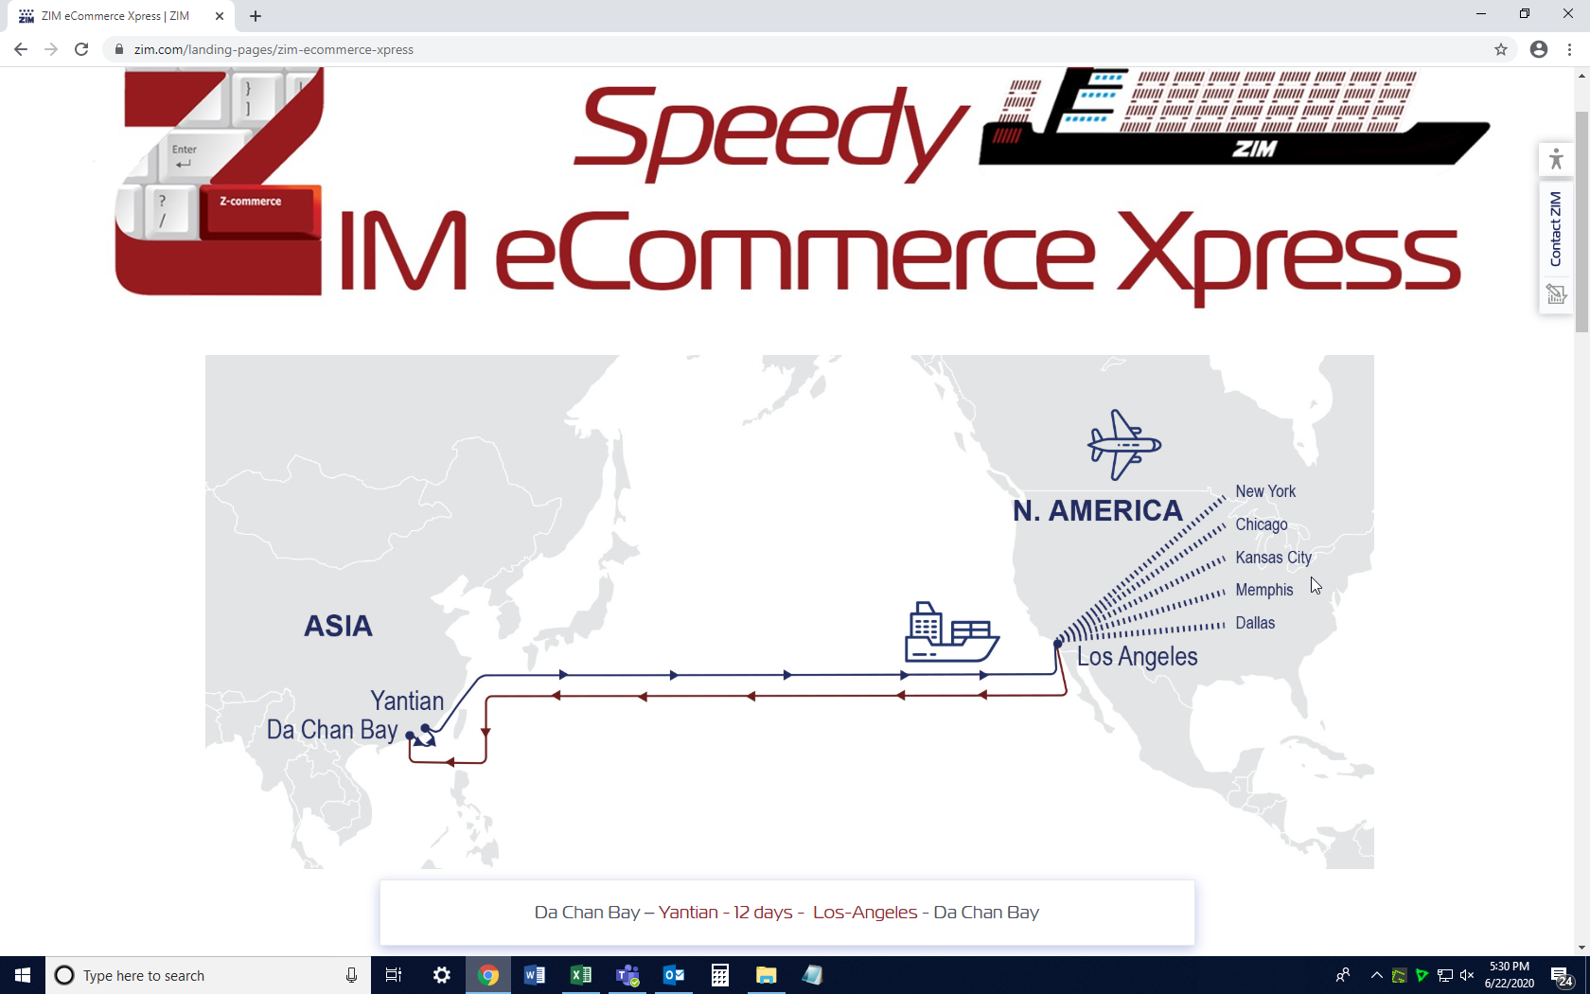

Matson TRANSIT TIME FLYER
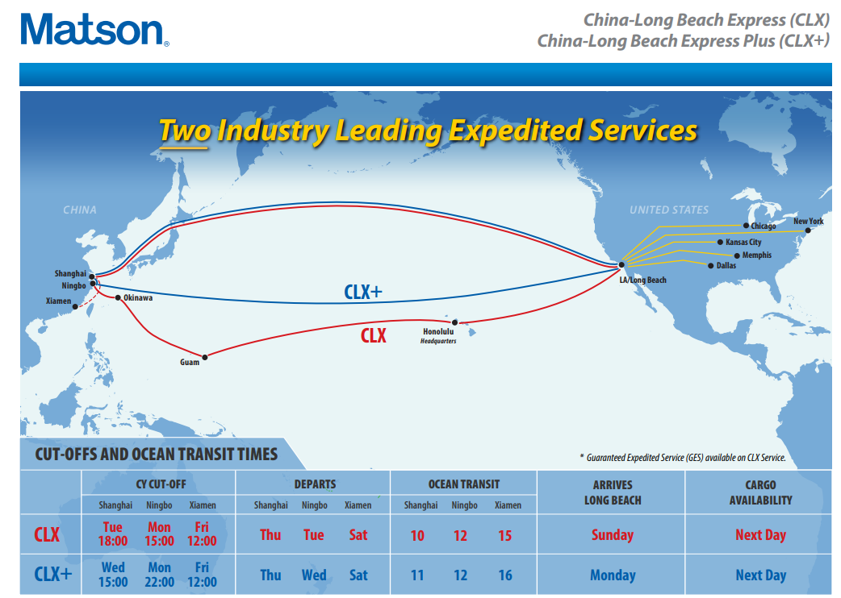

POL | Final Dest | Transit Time
NINGBO | ATLANTA | 21
SHANGHAI | ATLANTA | 19
NINGBO | BALTIMORE | 24
SHANGHAI | BALTIMORE | 22
NINGBO | CHARLESTON | 25
SHANGHAI | CHARLESTON | 23
NINGBO | CHARLOTTE | 23
SHANGHAI | CHARLOTTE | 21
NINGBO | CHICAGO | 20
SHANGHAI | CHICAGO | 18
NINGBO | CINCINNATI | 22
SHANGHAI | CINCINNATI | 20
NINGBO | CLEVELAND | 23
SHANGHAI | CLEVELAND | 21
NINGBO | COLUMBUS | 22
SHANGHAI | COLUMBUS | 20
NINGBO | CROXTON | 22
SHANGHAI | CROXTON | 20
NINGBO | DALLAS | 19
SHANGHAI | DALLAS | 17
NINGBO | DENVER | 20
SHANGHAI | DENVER | 18
NINGBO | DETROIT | 25
SHANGHAI | DETROIT | 23
NINGBO | EL PASO | 20
SHANGHAI | EL PASO | 18
NINGBO | HOUSTON | 20
SHANGHAI | HOUSTON | 18
NINGBO | JACKSONVILLE | 21
SHANGHAI | JACKSONVILLE | 19
NINGBO | KANSAS CITY | 19
SHANGHAI | KANSAS CITY | 17
NINGBO | LOS ANGELES | 13
SHANGHAI | LOS ANGELES | 11
NINGBO | LOUISVILLE | 25
SHANGHAI | LOUISVILLE | 23
NINGBO | MEMPHIS | 19
SHANGHAI | MEMPHIS | 17
NINGBO | MIAMI | 24
SHANGHAI | MIAMI | 22
NINGBO | MINNEAPOLIS | 21
SHANGHAI | MINNEAPOLIS | 19
NINGBO | NASHVILLE | 19
SHANGHAI | NASHVILLE | 17
NINGBO | NEW ORLEANS | 22
SHANGHAI | NEW ORLEANS | 20
NINGBO | NINGBO | 0
NINGBO | NORFOLK | 22
SHANGHAI | NORFOLK | 20
NINGBO | OMAHA | 22
SHANGHAI | OMAHA | 20
NINGBO | PHILADELPHIA | 25
SHANGHAI | PHILADELPHIA | 23
NINGBO | PITTSBURGH | 22
SHANGHAI | PITTSBURGH | 20
NINGBO | SAINT LOUIS | 20
SHANGHAI | SAINT LOUIS | 18
NINGBO | SALT LAKE CITY | 19
SHANGHAI | SALT LAKE CITY | 17
NINGBO | SAVANNAH | 24
SHANGHAI | SAVANNAH | 22
NINGBO | SHANGHAI | 2
NINGBO | TAMPA | 21
SHANGHAI | TAMPA | 19
NINGBO | WORCESTER | 24
SHANGHAI | WORCESTER | 22

