Лист1
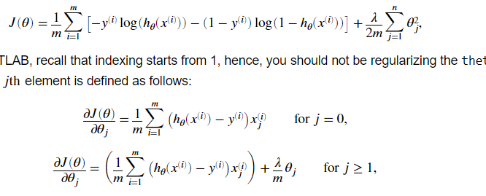
Linear regression
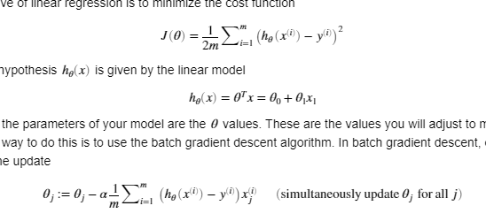

 |  | fature normalisation

 |  | xnorm=(x-mean(x))/std(x)

 |  | std - standard deviation
 |  | or can use max-min

Logistic regression

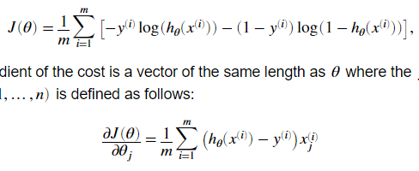
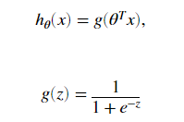

with overfitting reduce | theta0 don't need to penalty

