Dashboard
Cybersecurity Log Analysis & Threat Detection

Rule-Based Detection • Risk Scoring • Isolation Forest Machine Learning

SECURITY OVERVIEW

TOTAL LOG EVENTS |  | FAILED LOGINS | BRUTE FORCE ALERTS |  | ML ANOMALIES
5120 |  | 599 | 4 |  | 4

CRITICAL IP ADDRESSES |  | DETECTION METHOD |  | DATASET
4 |  | Rule-Based + Isolation Forest |  | Synthetic Security Logs

THREAT DETECTION VISUALIZATIONS

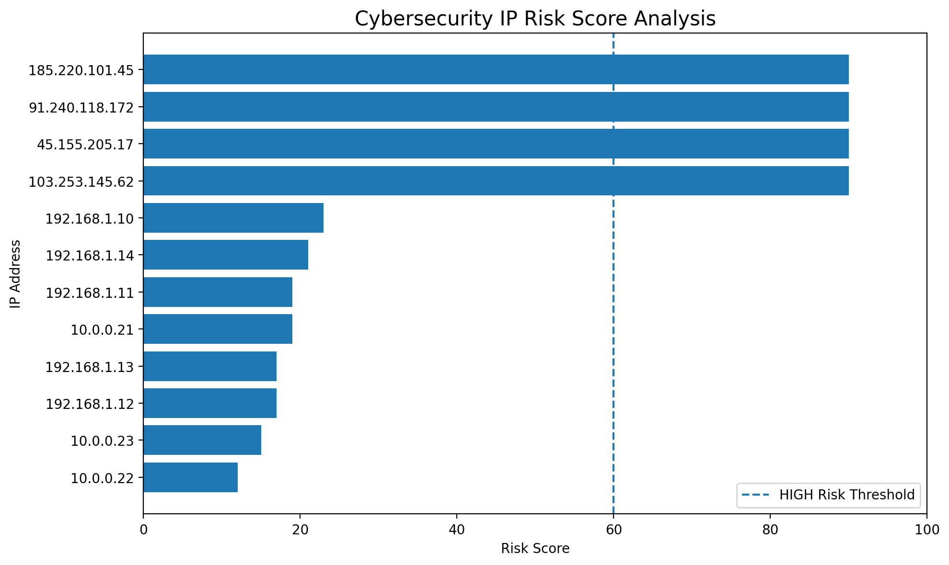
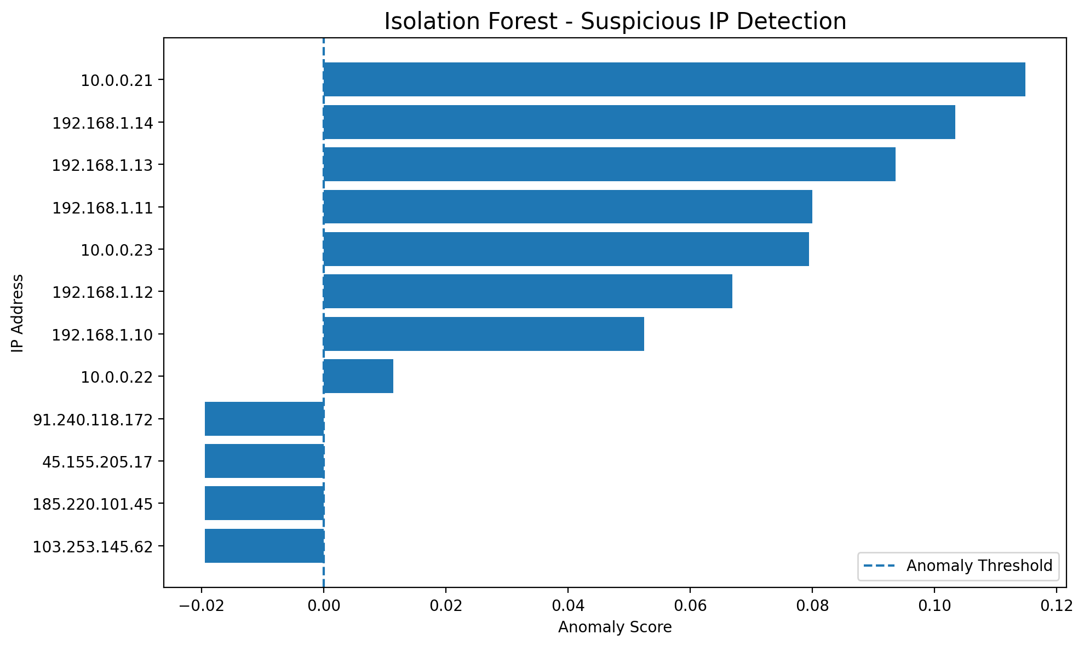

PROJECT INFORMATION

Project Goal | Identify potentially malicious authentication activity using rule-based security analytics and machine learning.

Detected Threat | Brute-force authentication attempts and anomalous IP behaviour.

Machine Learning | Isolation Forest anomaly detection using authentication behaviour features.

Data Source | Synthetic authentication/security log dataset created for educational cybersecurity analysis.

