Main
 | Change this path to the folder you want to list
PATH | C:\Users\GeoIT Developer\Downloads\DETAIL BOX

How to use
1. Click Enable Content if there is a security warning to enable the script |  | 3. Click Alt + F8 to open the VBA Macro | 4. Choose the code ListFilesAndSubFolders, and click RUN
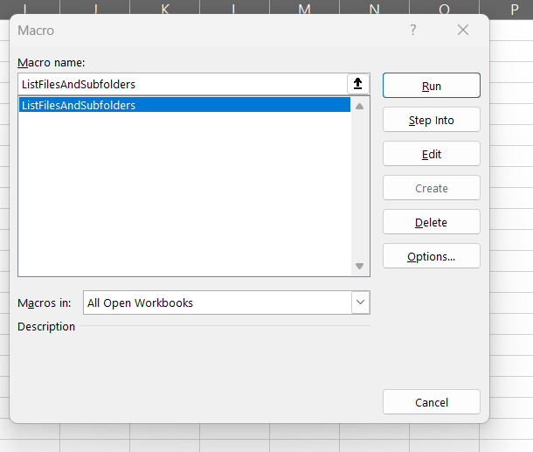
 |  |  | 5. And the new sheet will be created based on your Folder Name
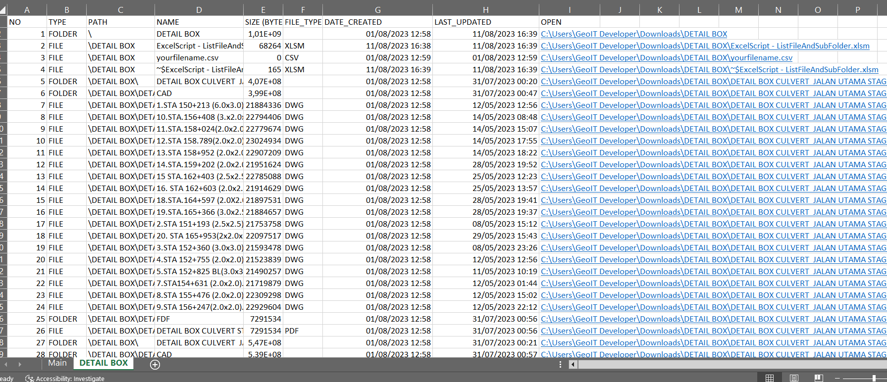

2. Copy the folder location and paste it in C3 Cell

